Ques20
Ques 20: Chart Creation:
Create a bar chart to visualize the total sales by department.

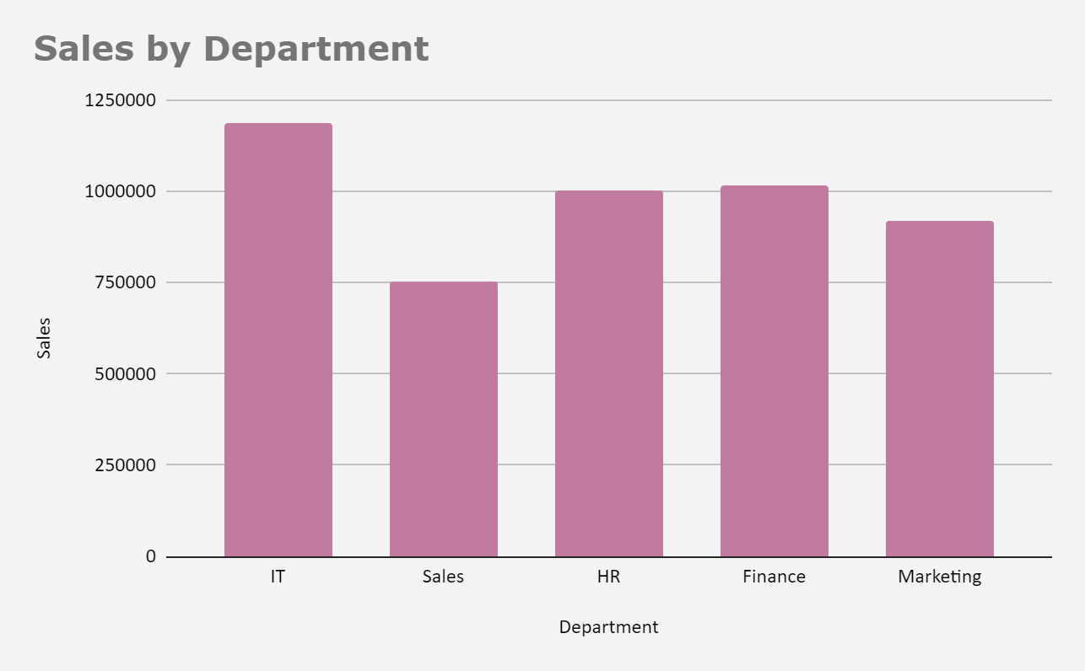
ID | Department | Sales
1 | IT | 13394
2 | Sales | 28070
3 | HR | 38327
4 | Finance | 20413
5 | HR | 31025
6 | Sales | 12096
7 | Finance | 39507
8 | HR | 16865
9 | IT | 22260
10 | Marketing | 19002
11 | IT | 39772
12 | Marketing | 25897
13 | Sales | 22359
14 | Sales | 14774
15 | IT | 36836
16 | Marketing | 36474
17 | HR | 22654
18 | Marketing | 24487
19 | Marketing | 33987
20 | Finance | 34241
21 | Sales | 34366
22 | Marketing | 16964
23 | HR | 28846
24 | IT | 33529
25 | IT | 38067
26 | Sales | 39585
27 | HR | 11271
28 | Sales | 22170
29 | HR | 20391
30 | Marketing | 20553
31 | HR | 10664
32 | Sales | 21285
33 | Finance | 11672
34 | HR | 24967
35 | HR | 11978
36 | Marketing | 31174
37 | IT | 38678
38 | Finance | 31994
39 | Finance | 14870
40 | HR | 21302
41 | Sales | 30546
42 | HR | 22139
43 | Sales | 11264
44 | IT | 11878
45 | IT | 20523
46 | Finance | 10765
47 | Marketing | 36637
48 | Finance | 16498
49 | IT | 37968
50 | Marketing | 17681
51 | HR | 17012
52 | Marketing | 19881
53 | Finance | 29803
54 | HR | 19170
55 | Marketing | 17352
56 | Marketing | 29240
57 | Sales | 12142
60 | IT | 25284
61 | HR | 10594
62 | IT | 13213
63 | IT | 27273
64 | HR | 21278
65 | Finance | 14363
66 | Finance | 32521
67 | Finance | 16011
68 | HR | 16901
69 | Sales | 28340
70 | Sales | 31020
71 | Marketing | 27123
72 | IT | 30080
73 | Finance | 29444
74 | Finance | 29006
75 | Marketing | 21871
76 | Finance | 37414
77 | IT | 24340
78 | HR | 16800
79 | Marketing | 33597
80 | Finance | 14844
81 | Marketing | 27082
82 | IT | 35187
83 | HR | 32084
84 | Finance | 19756
85 | HR | 23065
86 | Marketing | 16439
87 | HR | 38522
88 | Marketing | 12662
89 | Marketing | 27956
90 | Finance | 11073
91 | Finance | 32024
92 | IT | 24398
93 | IT | 39487
94 | IT | 38185
95 | IT | 21575
96 | Finance | 13911
97 | HR | 36655
98 | IT | 21102
99 | Finance | 36315
100 | IT | 37613
101 | IT | 13747
102 | Sales | 22606
103 | Sales | 35571
104 | IT | 27112
105 | HR | 31585
106 | Finance | 18918
107 | Finance | 32242
108 | Sales | 19856
109 | Finance | 28005
110 | Marketing | 15511
111 | HR | 12276
112 | Finance | 28398
113 | Marketing | 27117
114 | Finance | 13505
115 | Sales | 36502
116 | Sales | 19645
117 | Finance | 10595
118 | Marketing | 14730
119 | HR | 19419
120 | Finance | 39227
121 | Sales | 18644
122 | Finance | 30287
123 | Sales | 18177
124 | HR | 36702
125 | HR | 37823
126 | Marketing | 12135
127 | HR | 30782
128 | HR | 17297
129 | Sales | 34181
130 | IT | 35171
131 | Marketing | 12270
132 | Sales | 36938
133 | Sales | 10779
134 | Marketing | 30260
135 | IT | 34641
136 | Marketing | 33232
137 | HR | 26996
138 | Sales | 16639
139 | HR | 37582
140 | IT | 12146
141 | Finance | 24266
142 | Sales | 34805
143 | HR | 14122
144 | IT | 14152
145 | IT | 37173
146 | IT | 11775
147 | Marketing | 34271
148 | IT | 27635
149 | IT | 26800
150 | Finance | 16156
151 | Marketing | 10425
152 | Finance | 32750
153 | Sales | 21569
154 | Sales | 18063
155 | Marketing | 34507
156 | IT | 38150
157 | HR | 39106
158 | Marketing | 37379
159 | Finance | 24748
160 | Finance | 13558
161 | Sales | 14394
162 | Marketing | 23493
163 | Marketing | 32807
164 | IT | 39643
165 | HR | 18370
166 | Finance | 20000
167 | IT | 35960
168 | HR | 31341
169 | HR | 13992
170 | Finance | 36286
171 | Finance | 39466
172 | Marketing | 10283
173 | IT | 36781
174 | Marketing | 35393
175 | Sales | 10726
176 | Sales | 22612
177 | Finance | 17614
178 | Marketing | 12888
179 | Sales | 33112
180 | HR | 20838
181 | IT | 18735
182 | IT | 39503
183 | IT | 15952
184 | HR | 13838
185 | IT | 16487
186 | Finance | 27092
187 | HR | 12903
188 | HR | 37035
189 | HR | 14615
190 | Marketing | 29838
191 | Finance | 17507
192 | IT | 29163
193 | IT | 24662
194 | HR | 10263
195 | Finance | 22041
196 | Marketing | 15778
197 | Sales | 20588
198 | HR | 32158
199 | IT | 17883
200 | Finance | 26898

