Python Charts
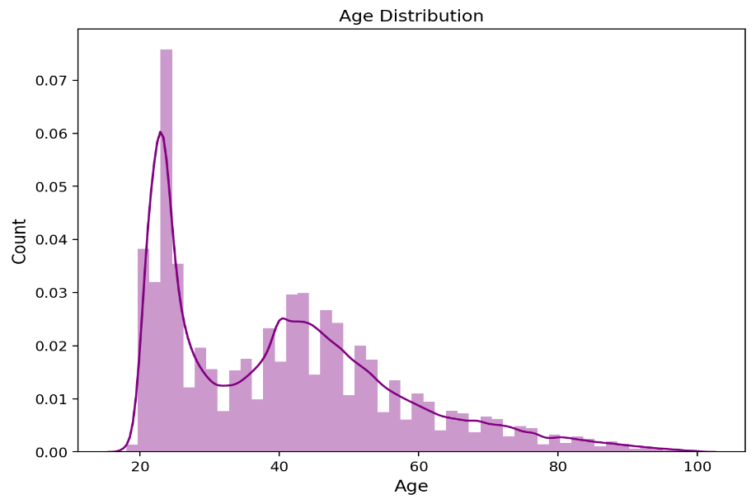
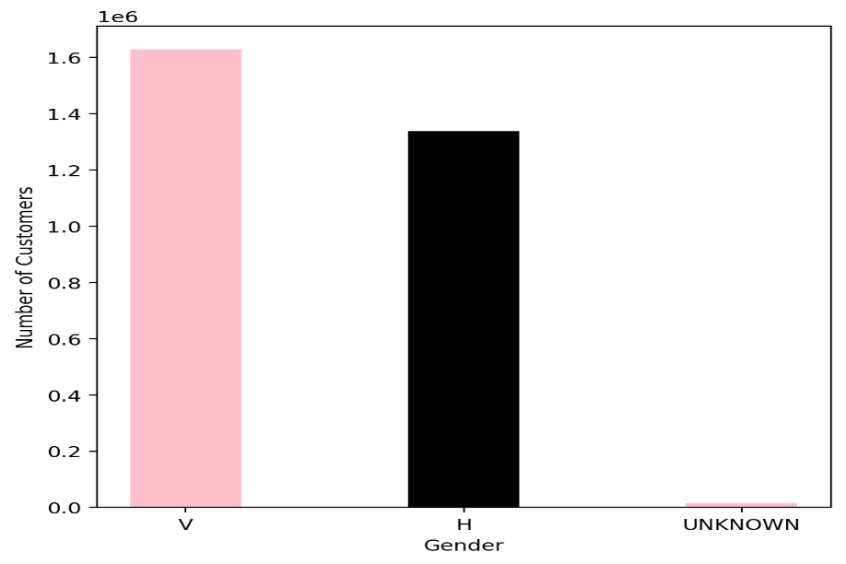
High Demand Products | Top 10 Channels

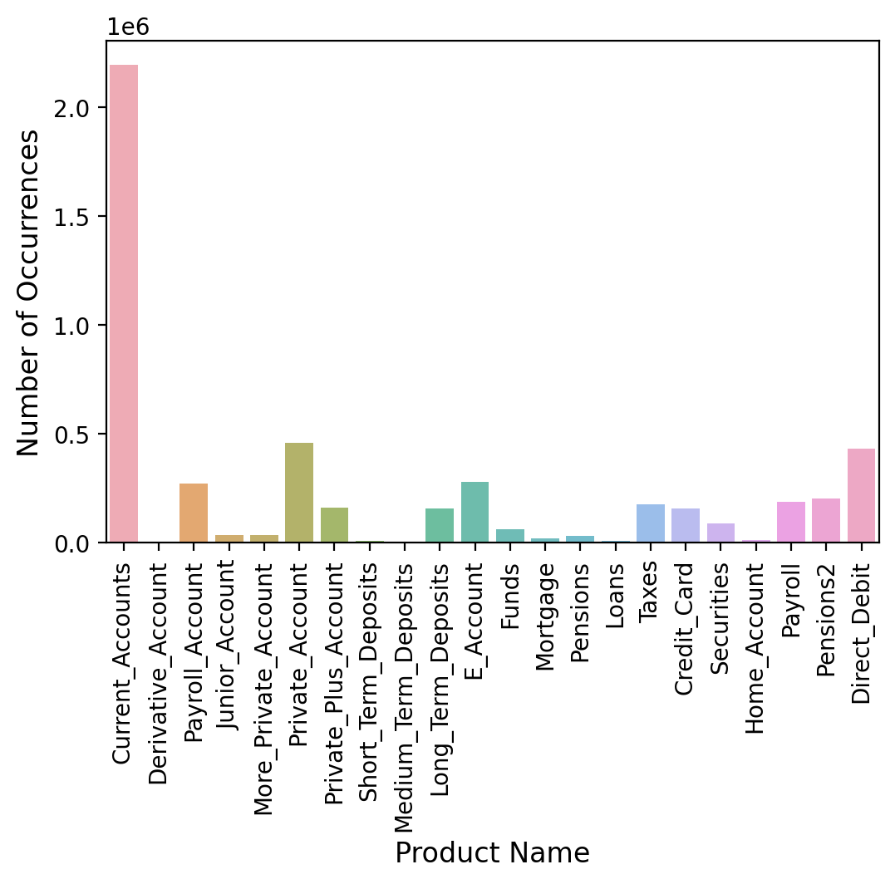
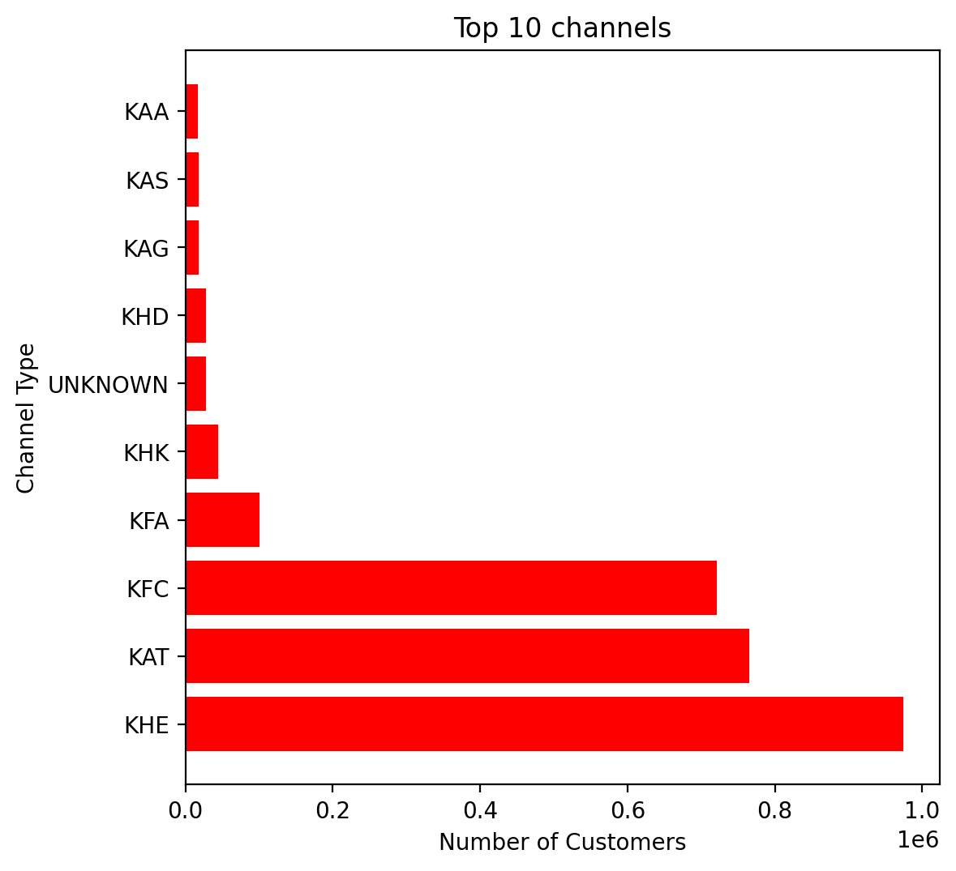

Customer Segment | Customer Status

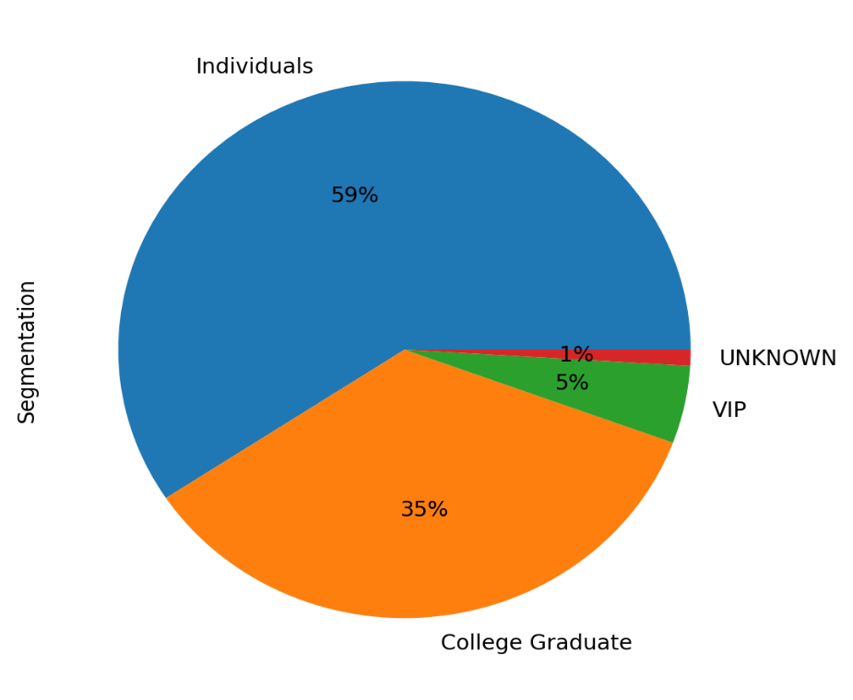
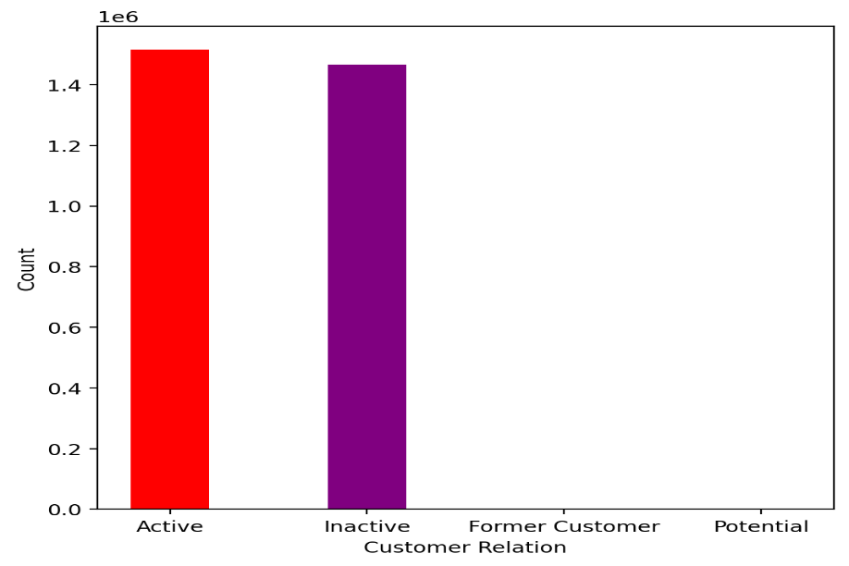

Customer Age | Customer Gender

Dashboard
Customer Dashboard for Cross-Selling Recommendation

High Demand Products | Customer Segment | Customer Status

===



Top 10 Channels
 | Customer Age | Customer Gender

