Sheet1

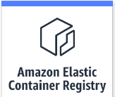
Deploy container to ECS

Pull and run from ECS

Pull and run from ECS
1. Push development
image.

Local computer devlopment desktop
Local devlopment laptop

