Sheet1
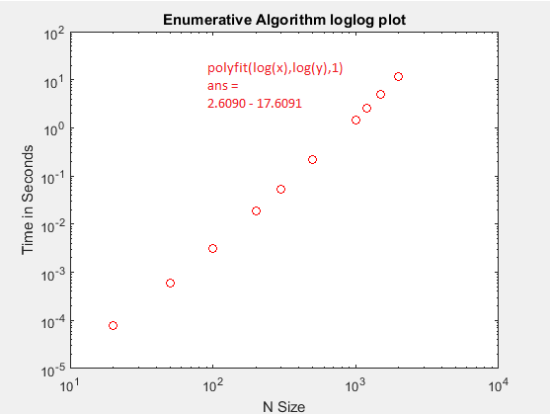
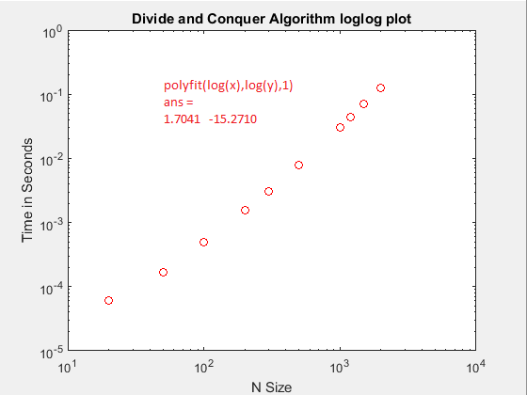
Enumerative |  | Iterative |  | Divide & Conquer |  | Linear
N | Time | N | Time | N | Time | N | Time
20 | 0.00008 | 20 | 0.0000256 | 20 | 0.00006 | 20 | 0.000003
50 | 0.0005873120637 | 50 | 0.00014406251737 | 50 | 0.00016935114847 | 50 | 0.000005
100 | 0.0031052272199 | 100 | 0.00033816060134 | 100 | 0.00048678476581 | 100 | 0.00001
200 | 0.01882802733 | 200 | 0.0012358357294 | 200 | 0.0015430056408 | 200 | 0.00001
300 | 0.052911200412 | 300 | 0.0024545082616 | 300 | 0.0030788551976 | 300 | 0.00002
500 | 0.21536388401 | 500 | 0.0081495821104 | 500 | 0.0077691407425 | 500 | 0.00003
1000 | 1.4611625073 | 1000 | 0.029578717636 | 1000 | 0.030524432609 | 1000 | 0.00007
1200 | 2.5966577382 | 1200 | 0.0410673684 | 1200 | 0.043726751637 | 1200 | 0.00008
1500 | 4.9562655221 | 1500 | 0.062234807933 | 1500 | 0.070404860435 | 1500 | 0.0001161794495
2000 | 11.663362818 | 2000 | 0.11618041884 | 2000 | 0.12733624043 | 2000 | 0.00016943667935

Enumerative Algorithm
Iterative Algorithm

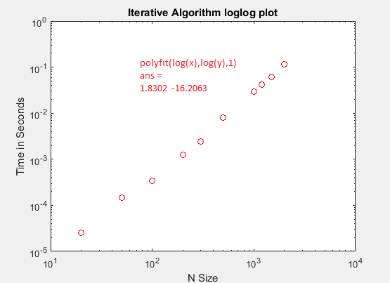
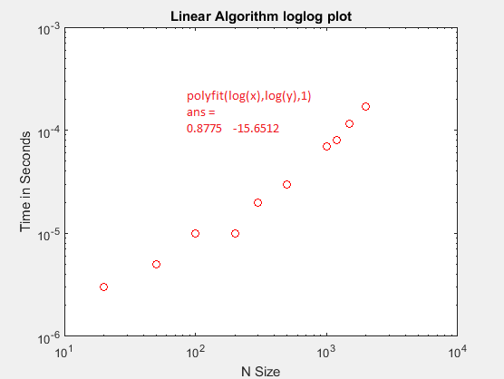

Divide and Conquer Algorithm
Linear Algorithm

All Four Algorithms
 | Enumerative Time | Iterative Time | Divide/Conquer Time | Linear Time
20 | 0.00008 | 0.0000256 | 0.00006 | 0.000003
50 | 0.0005873120637 | 0.00014406251737 | 0.00016935114847 | 0.000005
100 | 0.0031052272199 | 0.00033816060134 | 0.00048678476581 | 0.00001
200 | 0.01882802733 | 0.0012358357294 | 0.0015430056408 | 0.00001
300 | 0.052911200412 | 0.0024545082616 | 0.0030788551976 | 0.00002
500 | 0.21536388401 | 0.0081495821104 | 0.0077691407425 | 0.00003
1000 | 1.4611625073 | 0.029578717636 | 0.030524432609 | 0.00007
1200 | 2.5966577382 | 0.0410673684 | 0.043726751637 | 0.00008
1500 | 4.9562655221 | 0.062234807933 | 0.070404860435 | 0.0001161794495
2000 | 11.663362818 | 0.11618041884 | 0.12733624043 | 0.00016943667935

Sheet2
N | Enumerative Time | Iterative Time | Divide/Conquer Time | Linear Time
20 | 0.00008 | 0.0000256 | 0.00006 | 0.000003
50 | 0.0005873120637 | 0.00014406251737 | 0.00016935114847 | 0.000005
100 | 0.0031052272199 | 0.00033816060134 | 0.00048678476581 | 0.00001
All Four Algorithms
200 | 0.01882802733 | 0.0012358357294 | 0.0015430056408 | 0.00001
300 | 0.052911200412 | 0.0024545082616 | 0.0030788551976 | 0.00002
500 | 0.21536388401 | 0.0081495821104 | 0.0077691407425 | 0.00003
1000 | 1.4611625073 | 0.029578717636 | 0.030524432609 | 0.00007
1200 | 2.5966577382 | 0.0410673684 | 0.043726751637 | 0.00008
1500 | 4.9562655221 | 0.062234807933 | 0.070404860435 | 0.0001161794495
2000 | 11.663362818 | 0.11618041884 | 0.12733624043 | 0.00016943667935

