Analysis Report
Lazada Product Analysis Report
Generated on: | 2024-11-30 16:35:48

Product Overview
Total Products | 18

Price Statistics (SGD)
Metric | Value
Average | 202.22
Median | 139.5
Minimum | 94
Maximum | 508
Standard Deviation | 130.65

Sales Statistics
Average Sales | 2863.22
Median Sales | 1450
Minimum Sales | 0
Maximum Sales | 14300
Total Products Sold | 18

Top Selling Products
Product Name | Price (SGD) | Units Sold | Rating
PRISM+ W240 24 IPS 120Hz Productivity Monitor Gaming Monitor [1920 x 1080] | $118.00 | 14.3K sold | 3277
PRISM+ C270 | 27" 100Hz 1500R Curved Productivity Monitor Gaming Monitor [1920 x 1080] | $158.00 | 7.9K sold | 1841
PRISM+ W270 | 27" FHD [1920 x 1080] IPS Professional Monitor Productivity Monitor | $138.00 | 6.8K sold | 1526
[NEW LAUNCH] Samsung 27" Essential Monitor S3 (S33GC) (Black) / LS27C330GAEXXS | $128.00 | 4.6K sold | 1142
PRISM+ X340 PRO | 34" 180Hz 1ms HDR400 Curved Ultrawide WQHD [3440 x 1440] Adaptive-Sync Gaming Monitor | $508.00 | 3.0K sold | 763

Correlation Analysis
 | Price | Rating | Sales
Price | 1 | -0.11 | -0.08
Rating | -0.11 | 1 | 1
Sold | -0.08 | 1 | 1

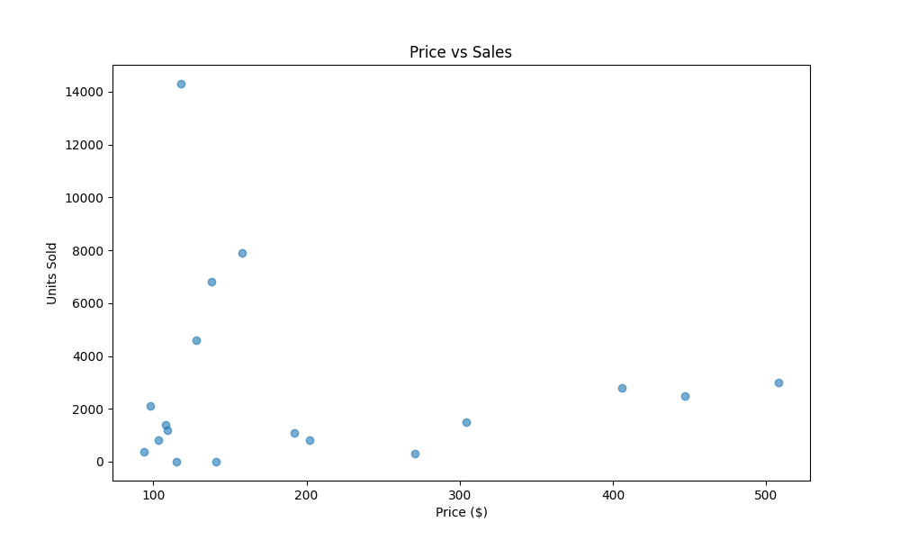
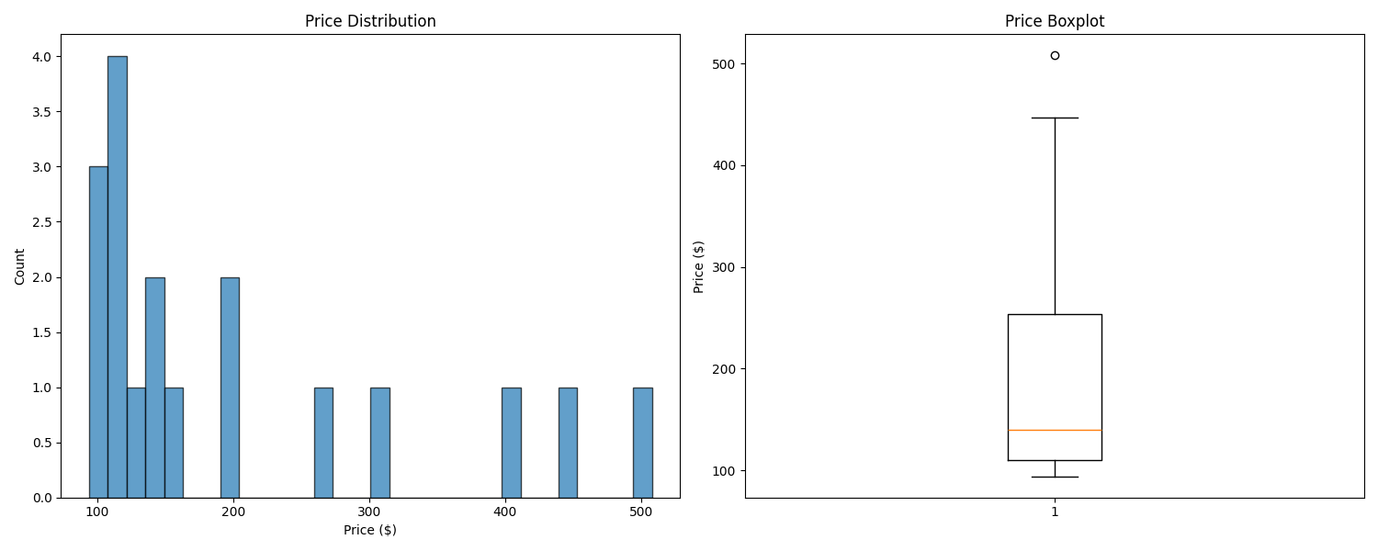
Price vs Sales Analysis |  |  |  | Price Distribution

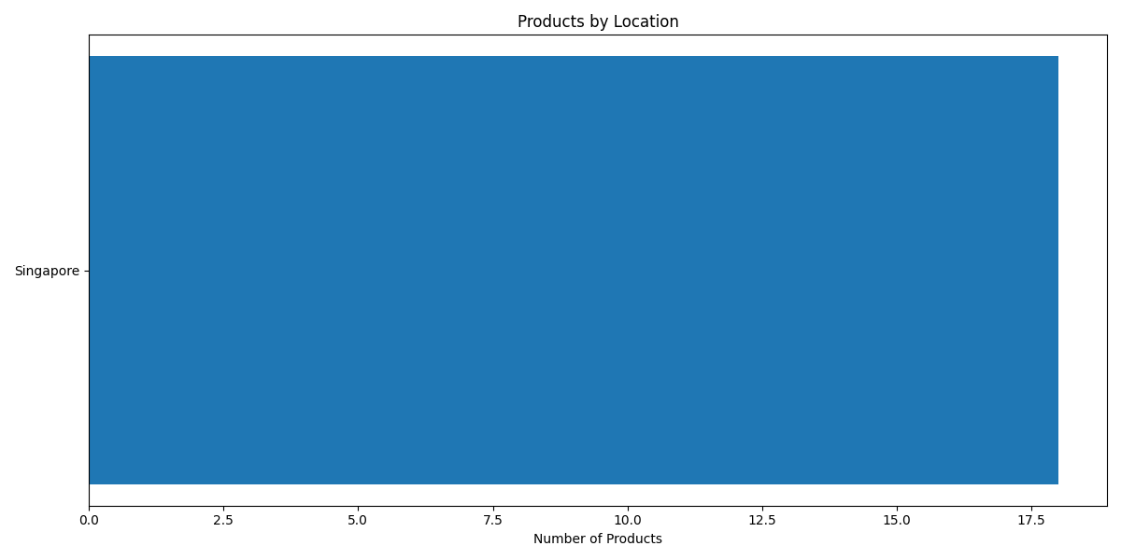
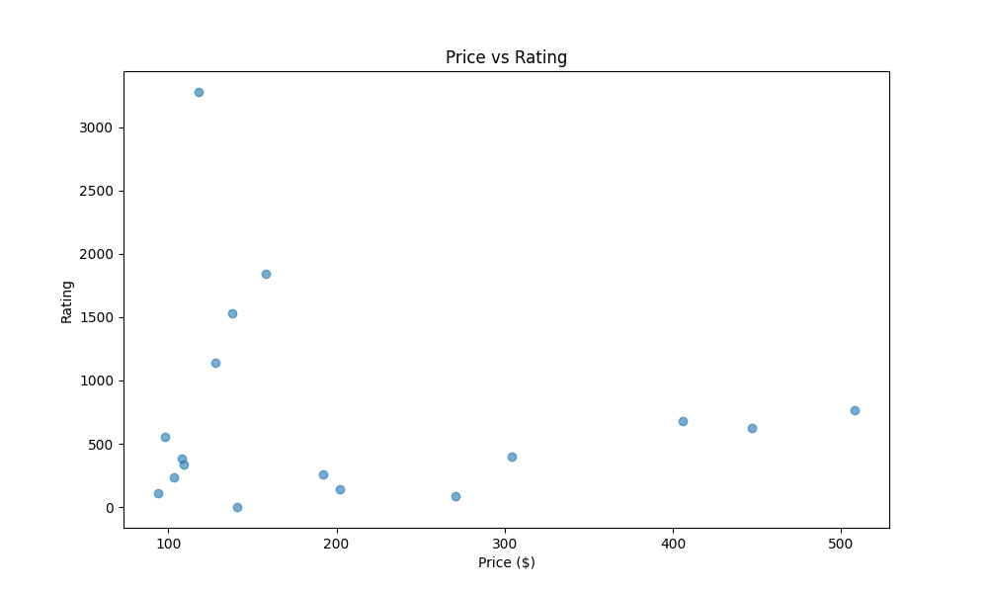
Location Distribution |  |  |  | Price vs Rating

