Analysis Report
Lazada Product Analysis Report
Generated on: | 2024-11-30 17:26:07

Product Overview
Total Products | 27

Price Statistics (SGD)
Metric | Value
Average | 268.12
Median | 202
Minimum | 94
Maximum | 812
Standard Deviation | 186.33

Sales Statistics
Average Sales | 2493.74
Median Sales | 1100
Minimum Sales | 0
Maximum Sales | 14300
Total Products Sold | 27

Top Selling Products
Product Name | Price (SGD) | Units Sold | Rating
PRISM+ W240 24 IPS 120Hz Productivity Monitor Gaming Monitor [1920 x 1080] | $118.00 | 14.3K sold | 3277
PRISM+ X240 (1200R) 24 180Hz 1ms Curved FHD [1920 x 1080] FreeSync G-Sync Ready Gaming Monitor | $233.00 | 10.2K sold | 2690
PRISM+ C270 | 27" 100Hz 1500R Curved Productivity Monitor Gaming Monitor [1920 x 1080] | $158.00 | 7.9K sold | 1841
PRISM+ C240 24 75Hz 1500R Curved Productivity Monitor Gaming Monitor [1920 x 1080] | $138.00 | 7.7K sold | 1984
PRISM+ W270 | 27" FHD [1920 x 1080] IPS Professional Monitor Productivity Monitor | $138.00 | 6.8K sold | 1526

Correlation Analysis
 | Price | Rating | Sales
Price | 1 | -0.26 | -0.23
Rating | -0.26 | 1 | 1
Sold | -0.23 | 1 | 1

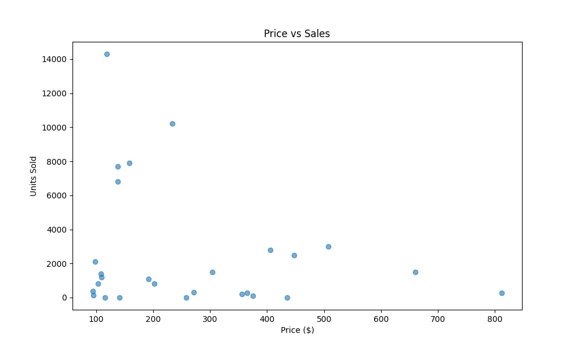
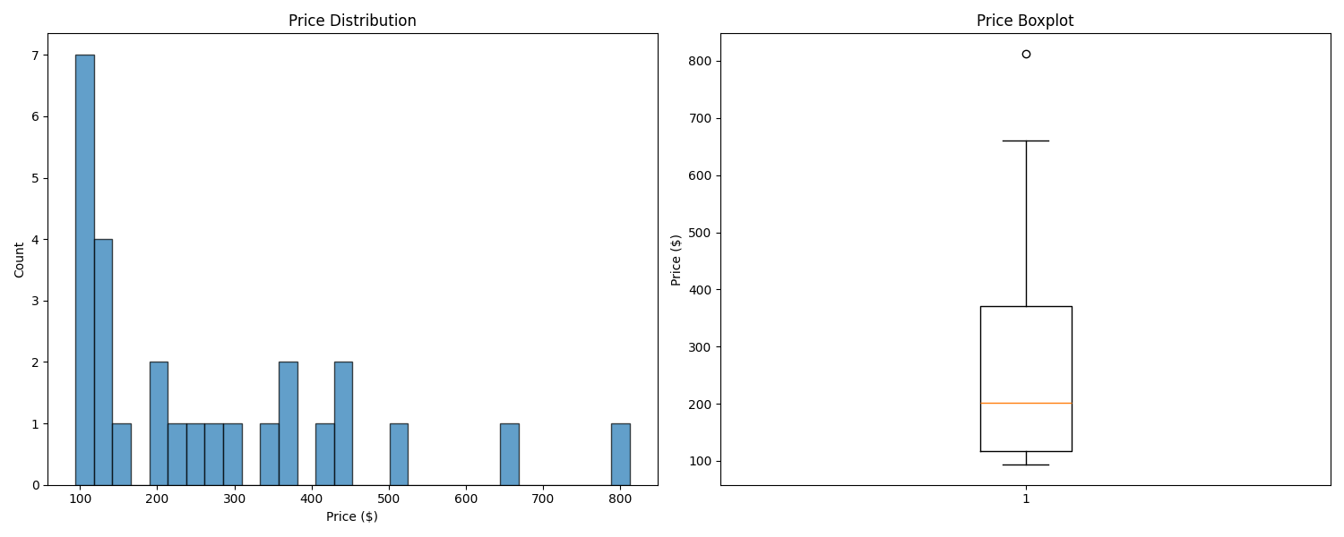
Price vs Sales Analysis |  |  |  | Price Distribution

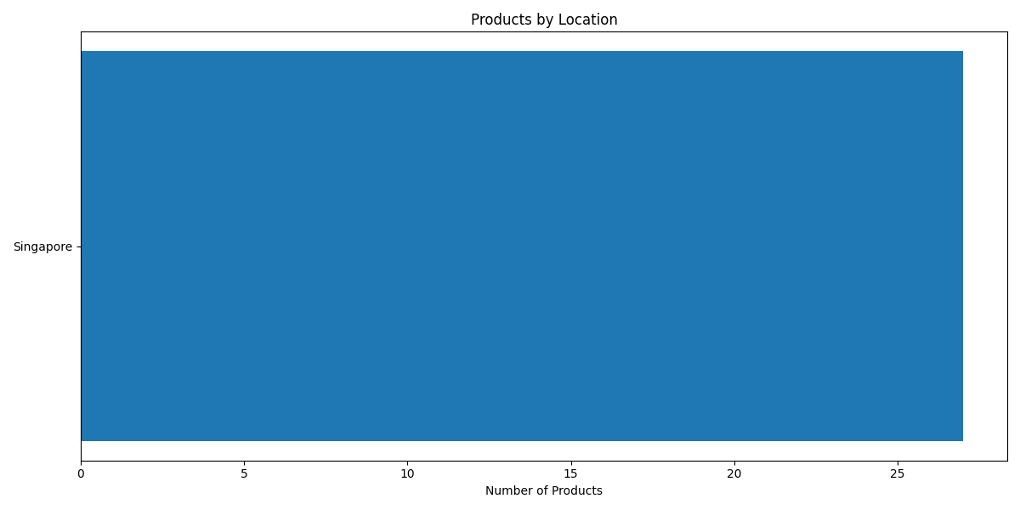
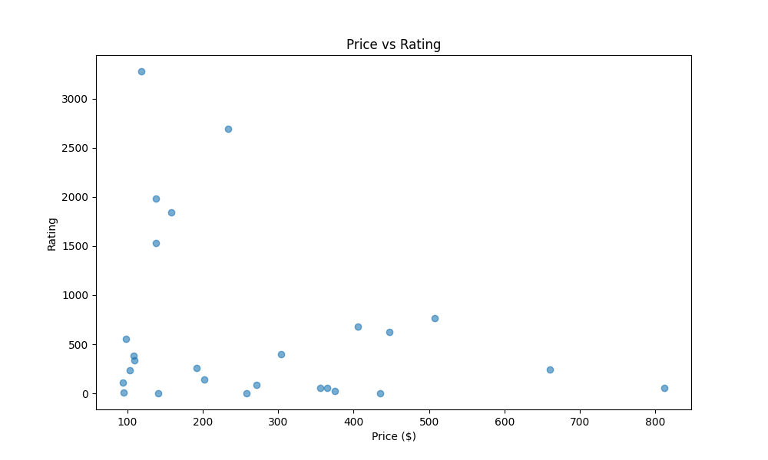
Location Distribution |  |  |  | Price vs Rating

