Layout
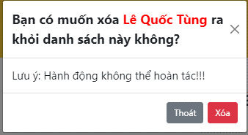
5.5.1 Màn hình danh sách thông tin khách hàng
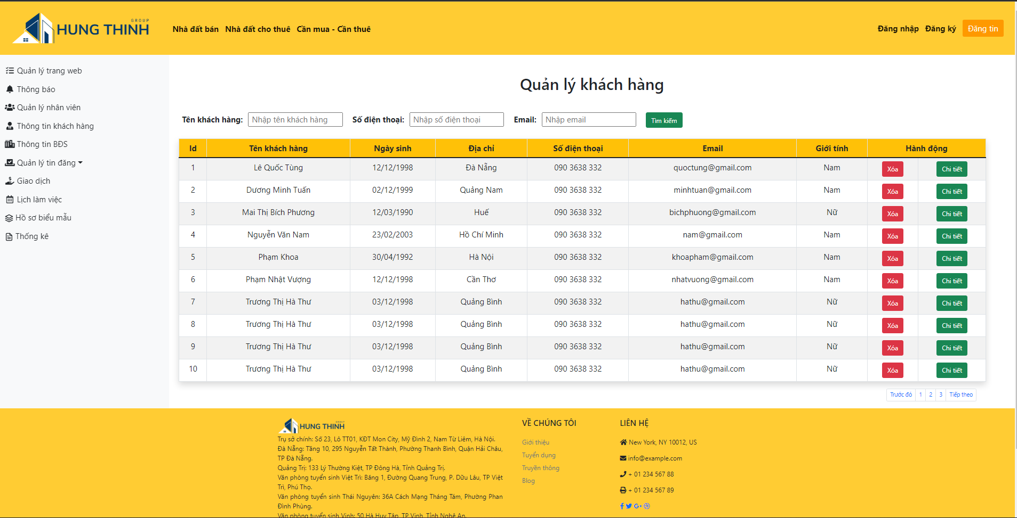

6.3.1.2 Màn hình xóa khách hàng

