Sheet1
 |  |  |  |  |  |  |  |  |  |  |  |  |  |  |  |  |  |  |  |  |  |  |  |  |  |  |  |  |  |  |  | s2 | s1 | s0 | SL1 | SL2 | SL3 | WA1 | WA2 | WA3 | RA1 | RA2 | RA3 | WE1 | WE2 | WE3 | RE1 | RE2 | RE3 | ABS_MAX | ADD_ABS_SUB_MIN | out
 |  |  |  |  |  |  |  |  |  |  |  |  |  |  |  |  |  |  |  |  |  |  |  |  |  |  |  |  |  |  |  | 0 | 0 | 0 | 0 | 0 | 0 | 0 | 0 | x | x | x | x | 1 | 1 | 0 | 0 | 0 | 0 | x | x | 0
 |  |  |  |  |  |  |  |  |  |  |  |  |  |  |  |  |  |  |  |  |  |  |  |  |  |  |  |  |  |  |  | 0 | 0 | 1 | 1 | 1 | 0 | 1 | 1 | x | 0 | 0 | x | 1 | 1 | 0 | 1 | 1 | 0 | x | 1 | 0
 |  |  |  |  |  |  |  |  |  |  |  |  |  |  |  |  |  |  |  |  |  |  |  |  |  |  |  |  |  |  |  | 0 | 1 | 0 | 1 | 1 | 0 | 2 | 2 | x | 1 | 1 | x | 1 | 1 | 0 | 1 | 1 | 0 | 1 | 3 | 0
 |  |  |  |  |  |  |  |  |  |  |  |  |  |  |  |  |  |  |  |  |  |  |  |  |  |  |  |  |  |  |  | 0 | 1 | 1 | 0 | 2 | 1 | x | 3 | 0 | 2 | 2 | x | 0 | 1 | 1 | 1 | 1 | 0 | 0 | 0 | 0
 |  |  |  |  |  |  |  |  |  |  |  |  |  |  |  |  |  |  |  |  |  |  |  |  |  |  |  |  |  |  |  | 1 | 0 | 0 | 0 | 1 | 0 | x | 4 | x | 2 | 3 | x | 0 | 1 | 0 | 1 | 1 | 0 | 0 | 2 | 0
 |  |  |  |  |  |  |  |  |  |  |  |  |  |  |  |  |  |  |  |  |  |  |  |  |  |  |  |  |  |  |  | 1 | 0 | 1 | 0 | 1 | 1 | x | 5 | x | x | 4 | 0 | 0 | 1 | 0 | 0 | 1 | 1 | 0 | 0 | 0
 |  |  |  |  |  |  |  |  |  |  |  |  |  |  |  |  |  |  |  |  |  |  |  |  |  |  |  |  |  |  |  | 1 | 1 | 0 | 1 | 0 | 0 | 3 | x | x | 2 | 5 | x | 1 | 0 | 0 | 1 | 1 | 0 | 1 | 0 | 0
 |  |  |  |  |  |  |  |  |  |  |  |  |  |  |  |  |  |  |  |  |  |  |  |  |  |  |  |  |  |  |  | 1 | 1 | 1 | x | x | x | x | x | x | 3 | x | x | 0 | 0 | 0 | 1 | 0 | 0 | x | x | 1

 |  |  |  |  |  |  |  | S1
 | s2 | s1 | s0 | SL1 | SL2[1] | SL2[0] | SL3 | WA1[1] | WA1[0] | WA2[2] | WA2[1] | WA2[0] | WA3[1] | WA3[0] | RA1[1] | RA1[0] | RA2[2] | RA2[1] | RA2[0] | RA3[1] | RA3[0] | WE1 | WE2 | WE3 | RE1 | RE2 | RE3 | ABS_MAX | AASM[1] | ADD_ABS_SUB_MIN | out
0 | 0 | 0 | 0 | 0 | 0 | 0 | 0 | 0 | 0 | 0 | 0 | 0 | X | x | X | x | X | X | x | X | x | 1 | 1 | 0 | 0 | 0 | 0 | x | X | x | 0
1 | 0 | 0 | 1 | 1 | 0 | 1 | 0 | 0 | 1 | 0 | 0 | 1 | X | x | 0 | 0 | 0 | 0 | 0 | X | x | 1 | 1 | 0 | 1 | 1 | 0 | x | 0 | 1 | 0
2 | 0 | 1 | 0 | 1 | 0 | 1 | 0 | 1 | 0 | 0 | 1 | 0 | X | x | 0 | 1 | 0 | 0 | 1 | X | x | 1 | 1 | 0 | 1 | 1 | 0 | 1 | 1 | 1 | 0
3 | 0 | 1 | 1 | 0 | 1 | 0 | 1 | X | x | 0 | 1 | 1 | 0 | 0 | 1 | 0 | 0 | 1 | 0 | X | x | 0 | 1 | 1 | 1 | 1 | 0 | 0 | 0 | 0 | 0
4 | 1 | 0 | 0 | 0 | 0 | 1 | 0 | X | x | 1 | 0 | 0 | X | x | 1 | 0 | 0 | 1 | 1 | X | x | 0 | 1 | 0 | 1 | 1 | 0 | 0 | 1 | 0 | 0
5 | 1 | 0 | 1 | 0 | 0 | 1 | 1 | X | x | 1 | 0 | 1 | X | x | X | x | 1 | 0 | 0 | 0 | 0 | 0 | 1 | 0 | 0 | 1 | 1 | 0 | 0 | 0 | 0
6 | 1 | 1 | 0 | 1 | 0 | 0 | 0 | 1 | 1 | X | X | x | X | x | 1 | 0 | 1 | 0 | 1 | X | x | 1 | 0 | 0 | 1 | 1 | 0 | 1 | 0 | 0 | 0
7 | 1 | 1 | 1 | x | X | x | x | X | x | X | X | x | X | x | 1 | 1 | X | X | x | X | x | 0 | 0 | 0 | 1 | 0 | 0 | x | X | x | 1

 |  |  |  |  |  |  |  |  |  |  |  |  |  |  | S1 | S0 | CIN | INPUT_AND |  | INPUT_XOR |  | SE0 | SE1
 |  |  |  |  |  |  |  |  |  |  |  |  | A + B + 0 | ADD | 0 | 0 | 0 | 1 |  | 0 |  | 1 | 1
 |  |  |  |  |  |  |  |  |  |  |  |  | 0 + B' + 1 | ABS | 0 | 1 | 1 | 0 |  | 1
 |  |  |  |  |  |  |  |  |  |  |  |  | A + B' + 1 | SUB | 1 | 0 | 1 | 1 |  | 1
 |  |  |  |  |  |  |  |  |  |  |  |  | A + B' + 1 | MAX | 1 | 1 | 1 | 1 |  | 1
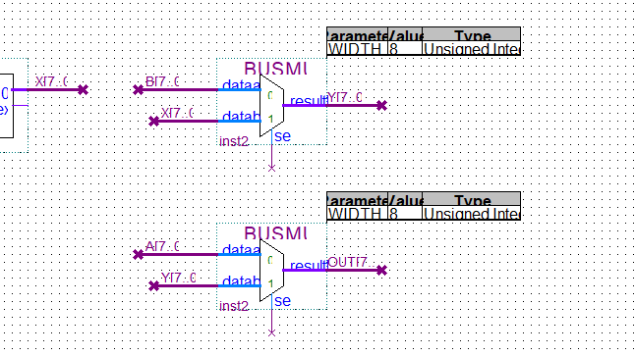

 |  |  |  |  |  |  |  |  |  |  |  |  |  | B[7] | Y[7] | S1 | S0 | SE0 | SE1
 |  |  |  |  |  |  |  |  |  |  |  | A + B + 0 | ADD | 0 | 0 | 0 | 0 | 1 | 1
 |  |  |  |  |  |  |  |  |  |  |  | 0 + B' + 1 | ABS | 0 | 0 | 0 | 1 | 0 | 1
 |  |  |  |  |  |  |  |  |  |  |  | A + B' + 1 | SUB | 0 | 0 | 1 | 0 | 1 | 1
 |  |  |  |  |  |  |  |  |  |  |  | A + B' + 1 | MAX | 0 | 0 | 1 | 1 | X | 0
 |  |  |  |  |  |  |  |  |  |  |  | A + B + 0 | ADD | 0 | 1 | 0 | 0 | 1 | 1
 |  |  |  |  |  |  |  |  |  |  |  | 0 + B' + 1 | ABS | 0 | 1 | 0 | 1 | 0 | 1
 |  |  |  |  |  |  |  |  |  |  |  | A + B' + 1 | SUB | 0 | 1 | 1 | 0 | 1 | 1
 |  |  |  |  |  |  |  |  |  |  |  | A + B' + 1 | MAX | 0 | 1 | 1 | 1 | 0 | 1
 |  |  |  |  |  |  |  |  |  |  |  | A + B + 0 | ADD | 1 | 0 | 0 | 0 | 1 | 1
 |  |  |  |  |  |  |  |  |  |  |  | 0 + B' + 1 | ABS | 1 | 0 | 0 | 1 | 1 | 1
 |  |  |  |  |  |  |  |  |  |  |  | A + B' + 1 | SUB | 1 | 0 | 1 | 0 | 1 | 1
 |  |  |  |  |  |  |  |  |  |  |  | A + B' + 1 | MAX | 1 | 0 | 1 | 1 | X | 0
 |  |  |  |  |  |  |  |  |  |  |  | A + B + 0 | ADD | 1 | 1 | 0 | 0 | 1 | 1
 |  |  |  |  |  |  |  |  |  |  |  | 0 + B' + 1 | ABS | 1 | 1 | 0 | 1 | 1 | 1
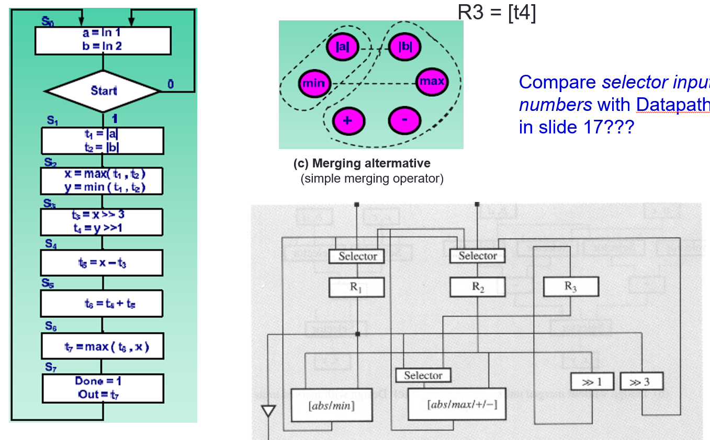
 |  |  |  |  |  |  |  |  |  |  |  | A + B' + 1 | SUB | 1 | 1 | 1 | 0 | 1 | 1
 |  |  |  |  |  |  |  |  |  |  |  | A + B' + 1 | MAX | 1 | 1 | 1 | 1 | 0 | 1
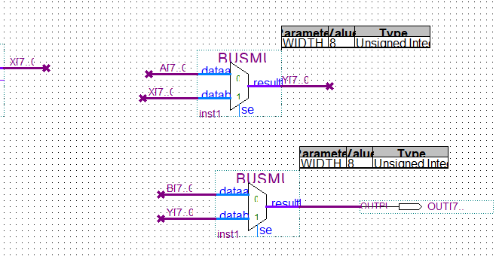

 |  |  |  |  |  |  |  |  |  |  |  |  |  | B[7] | X[7] | S | SE0 | SE1
 |  |  |  |  |  |  |  |  |  |  |  | 0 + B' + 1 | ABS | 0 | 0 | 0 | X | 0
 |  |  |  |  |  |  |  |  |  |  |  | A + B' + 1 | MIN | 0 | 0 | 1 | X | 0
 |  |  |  |  |  |  |  |  |  |  |  | 0 + B' + 1 | ABS | 0 | 1 | 0 | X | 0
 |  |  |  |  |  |  |  |  |  |  |  | A + B' + 1 | MIN | 0 | 1 | 1 | 0 | 1
 |  |  |  |  |  |  |  |  |  |  |  | 0 + B' + 1 | ABS | 1 | 0 | 0 | 1 | 1
 |  |  |  |  |  |  |  |  |  |  |  | A + B' + 1 | MIN | 1 | 0 | 1 | X | 0
 |  |  |  |  |  |  |  |  |  |  |  | 0 + B' + 1 | ABS | 1 | 1 | 0 | 1 | 1
 |  |  |  |  |  |  |  |  |  |  |  | A + B' + 1 | MIN | 1 | 1 | 1 | 0 | 1

 | s2 | s1 | s0 | SL1 | SL2 | SL3 | WA1 | WA2 | WA3 | RA1 | RA2 | RA3 | WE1 | WE2 | WE3 | RE1 | RE2 | RE3 | AbsMin | AddAbsSubMax |  | output_enable
0 | 0 | 0 | 0 | 1 | 2 | x | 0 | 0 | x | x | x | x | 1 | 1 | 0 | 0 | 0 | 0 | x | x |  | 0
1 | 0 | 0 | 1 | 0 | 1 | x | 1 | 1 | x | 0 | 0 | x | 1 | 1 | 0 | 1 | 1 | 0 | 0 | 1 |  | 0
2 | 0 | 1 | 0 | 2 | 0 | 0 | 2 | 2 | x | 1 | 1 | x | 1 | 1 | 0 | 1 | 1 | 0 | 1 | 3 |  | 0
3 | 0 | 1 | 1 | x | 3 | x | x | 3 | 0 | 2 | 2 | x | 0 | 1 | 1 | 1 | 1 | 0 | x | x |  | 0
4 | 1 | 0 | 0 | x | 1 | 0 | x | 4 | x | 2 | 3 | x | 0 | 1 | 0 | 1 | 1 | 0 | x | 2 |  | 0
5 | 1 | 0 | 1 | x | 1 | 1 | x | 5 | x | x | 4 | 0 | 0 | 1 | 0 | 0 | 1 | 1 | x | 0 |  | 0
6 | 1 | 1 | 0 | 2 | x | 0 | 3 | x | x | 2 | 5 | x | 1 | 0 | 0 | 1 | 1 | 0 | x | 1 |  | 0
7 | 1 | 1 | 1 | X | X | X | X | X | X | 3 | X | X | 0 | 0 | 0 | 1 | 0 | 0 | X | X |  | 1
 |  |  |  |  |  |  |  |  | GND |  |  | GND
 | s2 | s1 | s0 |  | SL1[1] | SL1[0] |  | SL2[1] | SL2[0] |  | WA1[1] | WA1[0] |  | WA2[2] | WA2[1] | WA2[0] |  | RA1[1] | RA1[0] |  | RA2[2] | RA2[1] | RA2[0] |  | AASM[1] | AASM[0]
 | 0 | 0 | 0 |  | 0 | 1 |  | 1 | 0 |  | 0 | 0 |  | 0 | 0 | 0 |  | X | X |  | X | X | X |  | X | X
 | 0 | 0 | 1 |  | 0 | 0 |  | 0 | 1 |  | 0 | 1 |  | 0 | 0 | 1 |  | 0 | 0 |  | 0 | 0 | 0 |  | 0 | 1
 | 0 | 1 | 0 |  | 1 | 0 |  | 0 | 0 |  | 1 | 0 |  | 0 | 1 | 0 |  | 0 | 1 |  | 0 | 0 | 1 |  | 1 | 1
 | 0 | 1 | 1 |  | X | X |  | 1 | 1 |  | X | X |  | 0 | 1 | 1 |  | 1 | 0 |  | 0 | 1 | 0 |  | X | X
 | 1 | 0 | 0 |  | X | X |  | 0 | 1 |  | X | X |  | 1 | 0 | 0 |  | 1 | 0 |  | 0 | 1 | 1 |  | 1 | 0
 | 1 | 0 | 1 |  | X | X |  | 0 | 1 |  | X | X |  | 1 | 0 | 1 |  | X | X |  | 1 | 0 | 0 |  | 0 | 0
 | 1 | 1 | 0 |  | 1 | 0 |  | X | X |  | 1 | 1 |  | X | X | X |  | 1 | 0 |  | 1 | 0 | 1 |  | 0 | 1
 | 1 | 1 | 1 |  | X | X |  | X | X |  | X | X |  | X | X | X |  | 1 | 1 |  | X | X | X |  | X | X

