Siemens UI Design
Dry button: showDryScreen
Setting button: showSettingScreen
Wifi Icon: getStatusWifi
Key Icon: showStatusOfLaundry
Bluetooth: getStatusOfBluetooth
Time: showTimeSystem
Charging: getStatusCharging
Wash&Dry: showWash&DryScreen
Wash: showWashScreen
Back button: showPreviousScreen
Wash: showTitleOfWashScreen
Mode button: showDetailsOfWash
Slider bar: scrollLeftandRightFunc
No. | UI Design | API
1 | 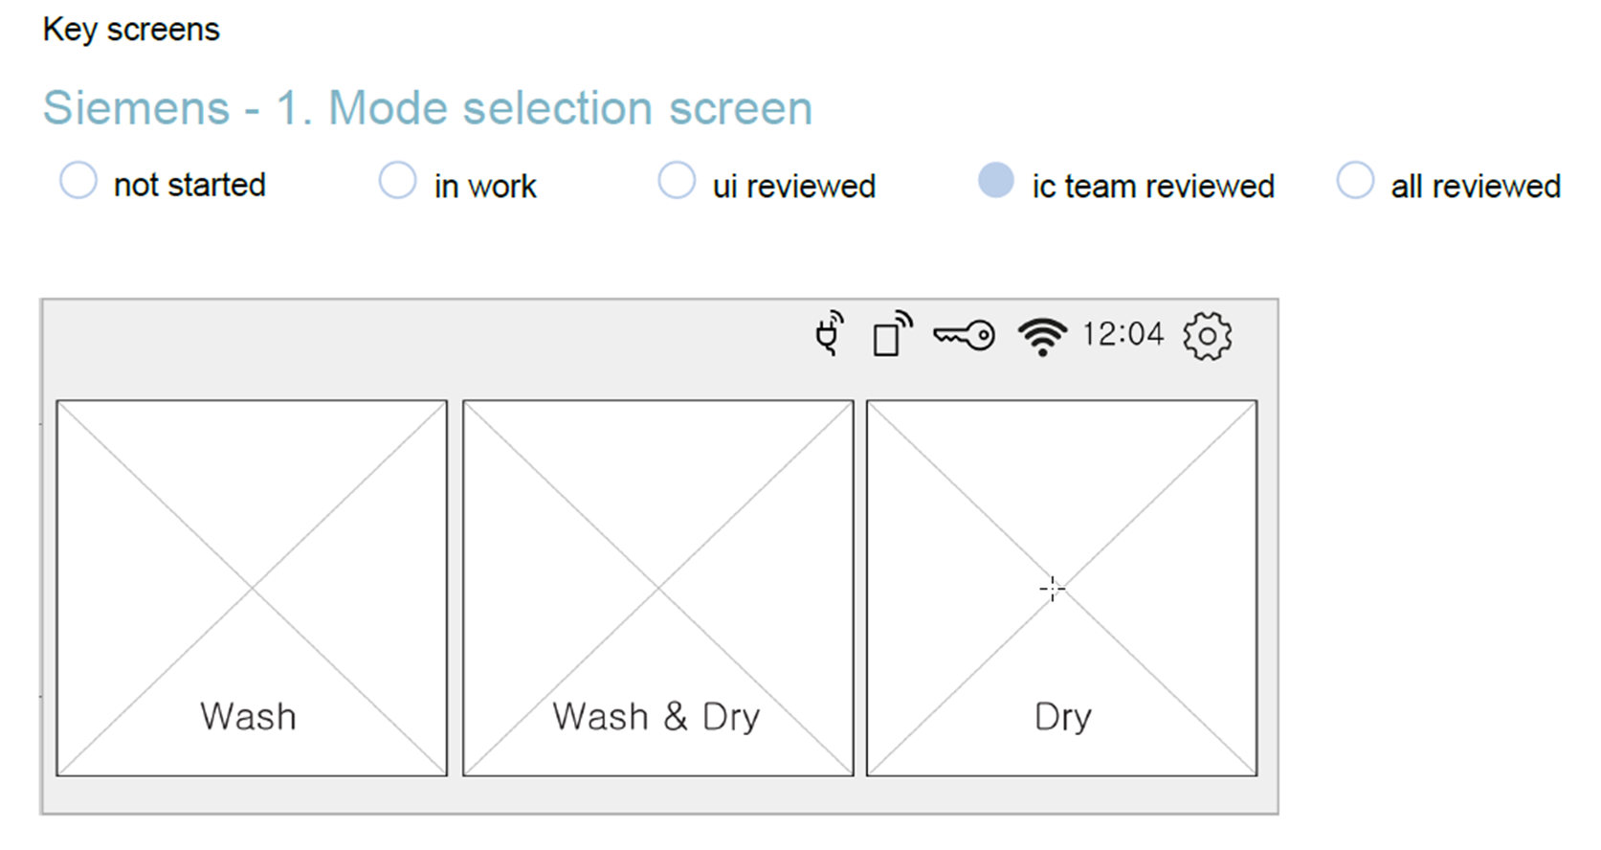
2 | 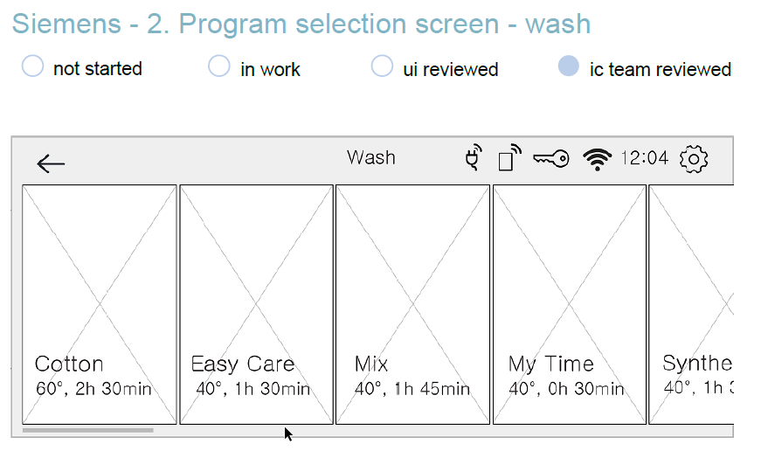
3 | 