Template
This should help to guide you to the appropaite Metadata sheet to fill in while trying to aquire the least amount of effort from you.If you know what you are doing you could jump to the "Final" Sheet and do your adjusments directly in here (or copy paste from a previously made sheet and only correct appropiate paths (e.g. using a different measurement type)

Note 1: One Metadata sheet needs to be created for every Experimental System x final Measurement Technique. This template and the Questions within will indicate if your current information renders the need of multiple sheets.

Question | Answer |  | Notes | Help for Enduser
Group | Aschenbrenner
What system are you using | Mouse
Experimental system constant? | No |  |  | does the genetic MarkUp change during your experiment? Eg. Different mouse lines, Note not referring here to different genotpes: > if yes a sheet is needed for each system
Do you compare K.Os/changing genotypes? (if yes, how many?) | Yes | 3 |  | potentially if you only compare different mouselines, addtional sheet maybe not needed; clear distinction between mouse line and genotype possible ?!
Do you compare treatments (such as diets) (if yes, how many?) | Yes
Do you compare different ages? (if yes, how many?) | No
Is your Treatment-period interrupted? (if yes, answer the next questions) | Yes |  |  | Interrupted in a sense that smaller exp were done like Glucose-Tolerance tests, or in a sense of treatment changes over the timecourse observed
Is the treatment constant over the time-period studies? (if no, how many changes?) | No
Do you take multiple samples (subsamples) from one sample-source (e.g. multiple organs, from 1 mouse, if yes how many?) | Yes
If yes do you also subsample (subsubsample) those? (different cells from one organ?) (if yes how many?) | Yes |  |  | Note if you are using the same organ over the entire procedure but isolate differing cells, your sample source would be the mouse and the subsamples the cells. There for this question should be ansered with no
If yes do you get the same type of measurement from those? (if yes, how many?) | Yes |  |  | If yes hint to we need at least two sheets
How many things do you measure? | 1
Which measurement type do you use? | bulk_proteomics
Is there a subsample-specific preparation procedure? | No
Does the final measurement needs to be adjusted depending on either different samples,subsamples, subsubsamples? | Yes |  |  | E.g FACS markers differ per cell-population
Are you able to provide the raw data? | No |  |  | Raw data means here the legit raw data, without any post-processing ! (maybe further help here what raw data would be for different omics types)
Do you have additional processed data you want to provide? | Yes

Intepretation Output to EndUser
Number of Sheets | 1
potentially check wheter indicated (potentially heavily hierarichal design cannot be displaysed hence multiple sheets needed)

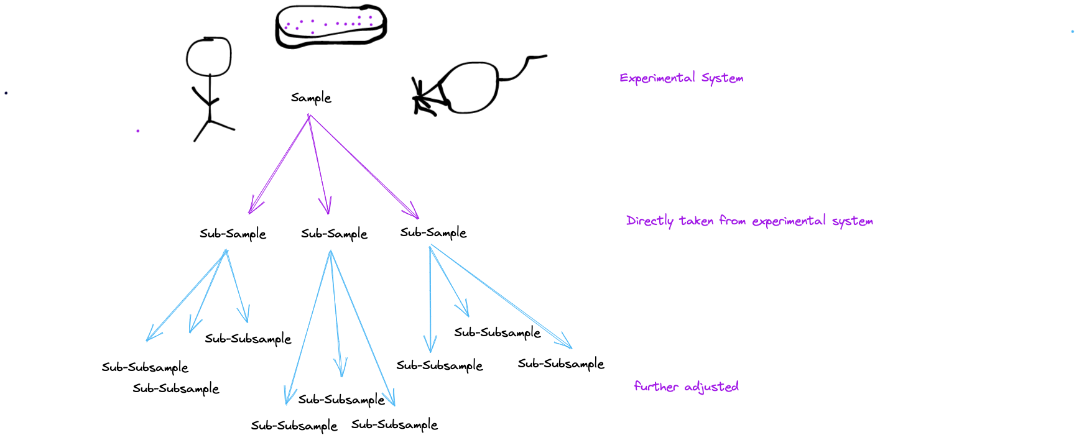

NOTE: use the strucutre to add if information if downstream measurement experimental input is sourced from the same sample but has faced different preparation (e.g. different celltypes from one organ would count as subsample, differenet cells from different organs would be subsubsamples, however on cell type from one sample would not need the subsample partition)

Input
Reset
group specific?
validate
 |  | No

General
Group | _Fill_
Name
Date
Title
comment
part_of_collection | No

Experimental System
Experimental System | _Fill_
used facility
Replace _Fill_ in above

Comparison groups
More than one of the following? | No

diet | Yes
 | Time dependent changes | No
 | How many groups? | 2
 | Specification of groups (one per column) | NSD | HSD
 | fasting
 | frequency
 | comment

treatment | No

genotype | No

age | No

other | No

total_groups
final_groups
How many replicates per group?

covariates / constants
covariates captured (one per column)
constants (one per column)
specify constant value

Time-Dependence-timeline
interruptions to record? | No

Preparation
procedure | _Fill_
Are the taken specimen differently processed? | Yes

Need of subsamples | No

Need of subsubsamples | Yes
How many types?
Specification of groups (one per column)
replicates (one per column)
procedures

Measurement
measurement type | _Fill_
output file type
 | measurement-type-dependent
 | Replace _Fill_ in above

generate
Reset
Sample-Section

personal_ID
global_ID
Nr.
unique_group
unique_group_replicate
diet_group
treatment_group
genotype_group
age_group
other_group
subsample_present
subsubsample_present

Sub-Sample Section

Sub-Sub-Sample Section
personal_ID
global_ID
Nr.
sub_sample_match
sub_sub_sample-group
unique_group_replicate
sub_sub_sample_procedure

Data Export
Export

Export to NCBI Metadata

Comments
generate
Field | age | Comparison groups | covariates / constants | diet | Experimental System | General | genotype | Measurement | measurement-type-dependent | other | Preparation | Sample-section | Sub-sample Section | Sub-Sub-sample Section | Time-Dependence-timeline | total_groups | treatment | age_group | constants (one per column) | diet_group | final_groups | sample_match | Specification of groups (one per column) | sub_sample_match | sub_sample_procedure | sub_sample-group | sub_sub_sample_procedure | sub_sub_sample-group | subsample_present | subsubsample_present | unique_group | unique_group_replicate
comment | Provide detailed information about the age-groups you are comparing. It is recommened to use the comment field to specific the exact age in appropaiate unit | Specify the information about different comparison groups | Indicate the information about covariates and constants from the DropDown you have used in the experiments (weight[g], age[days], BMI, sex) | Provide detailed information about diet | Provide the information about the experimental system you are working with | This section will held information about your working group and your research | Provide detailed information about genotype | Provide the detailed information about the experimental measurements you have done | Indicate the information about time dependency of measurement | Provide detailed information about other parameters | Describe the preparation procedure you used while working with the samples | Provide the information about the samples you have been working with (the individual mouse or sample ID also match each of them with the appropiate group in the excel) | Provide the information about the subsamples you have been working with | Provide the information about the subsubsamples you have been working with | Provide the information about time-dependant experiments, about the interruptions | When the generate button is pressed, the combinations of specified comparison groups appear. Please, specify the number of replicates for each of the groups, below in column indicate the number of replicates; if the generated group was not recorded, then write 0 below in column. | Provide detailed information about treatment | Indicates the age group (if it is not annotated, NA will be written) | specify any real constants (over all samples) you captured and want to keep ( age, sex (one per column) , daytime) | Indicates the diet group (if it is not annotated, NA will be written); diet group depends on time series (as an example HFD_timpoint1 will be written) | Specifies final groups based on the Input. Will be generated upon click on "Generate". | Indicates the sample that matches the subsample/the subsample that matches to the subsubsample | Specify groups of the corresponding comparison group (check out the dropDowns in the fields) Note: if you do not find your go to "other" and specifiy the groups yourself. Important: Fill in all the colored cells! | Indicates the subsample that matches the subsample/the subsample that matches to the subsubsample | Indicates a link to the protocol (procedure) about how the sub_sample was processed to be finally measured (or before subsubsamples were extracted), it can be also a link to the file | Specifies the subsample_group | Specifies the subsubsample preparation procedure | Specifies the subsubsample_group | Indicates the amount of subsamples for each unique group, if they exist | Indicates the amount of subsubsamples for each unique group, if they exist | Characterises the specific group | Specifies the amount of unique group replicates

GEO_DATA_Template
# This is a metadata template for submission of high-throughput sequencing samples to the GEO database.
# Fields with a red triangle in the upper-right corner have pop-up instructions that can be displayed if you hover over the field.

STUDY
# This section describes the overall study.
# Information provided in this section will be displayed in a GEO Series (GSE record) on public web pages.
title
summary (abstract)
experimental design
contributor
contributor
contributor
contributor
supplementary file optional
Sample Characteristics:
Tissue, cell line, or cell type is required.
Include additional columns to thoroughly describe the samples: strain, genotype, sex, cultivar, breed, disease , etc.
Include additional columns to describe experimental variables: treatment, time, antibody, condition, diet, etc.
All processed file names and raw file names must be listed here so that the Sample records can be linked to the correct files.
The file names must exactly match the submitted file names (include extensions).
Raw file names can only be listed once in the SAMPLES section.
Complete all columns in the SAMPLES section

SAMPLES
# Information provided in this section will be displayed in GEO Samples (GSM records) on public web pages.
# A GEO Sample record will be created from each row in this section.
# Biological replicates of the same sample: If provided, should be listed on different rows and titled accordingly (biol rep 1, biol rep 2, and so on).
# Technical replicates, eg, the same libraries were run in different lanes of a flow cell or sequenced multiple times: If provided, list all raw files in the same row, adding more "raw file" columns as needed to accommodate all raw files.
library name | title | organism | tissue | cell line | cell type | genotype | treatment | molecule | single or paired-end | instrument model | description | processed data file | processed data file | raw file | raw file | raw file | raw file

PROTOCOLS
# Information provided in this section will appear in each GEO Sample (GSM record). These fields can be moved to the above SAMPLES section in order to provide different information for different samples.
# Please ensure that the annotations are relevant to the SAMPLES above (not to the samples from a previous submission).
growth protocol optional
treatment protocol optional
extract protocol
library construction protocol
library strategy

data processing step
data processing step
data processing step
data processing step
data processing step
genome build/assembly
processed data files format and content
processed data files format and content

PAIRED-END EXPERIMENTS
# If "paired-end" experiments are included, list the files for each paired-end run in a row. Each row will become one sequencing run on a GEO Sample (GSM record).
# Single-cell data: If applicable, list index files (I1, I2, etc.) in "file name 3", "file name 4" columns.
# Please make sure all raw files listed here are also listed in the "raw file" columns in the above SAMPLES section.
file name 1 | file name 2

