轴卡知识点
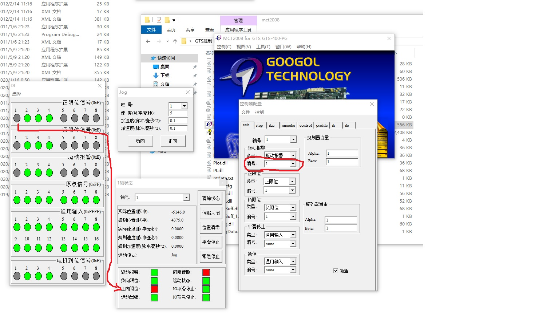

接线图
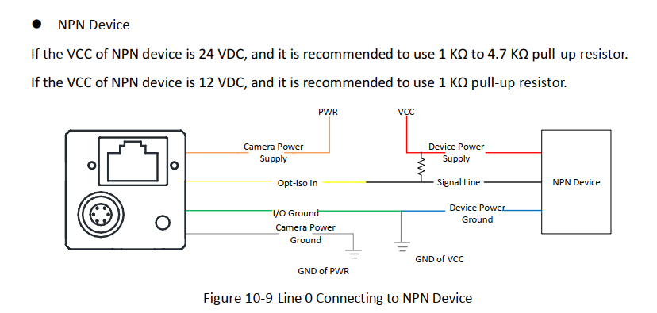
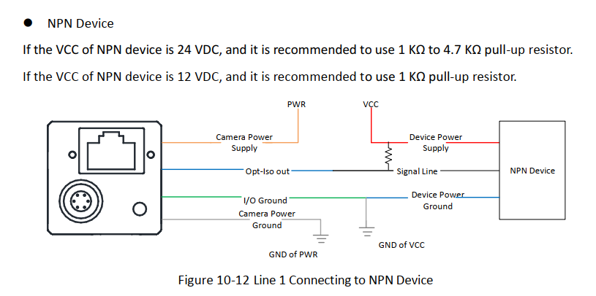

输入线要接1K上拉电阻;输出也要加电阻

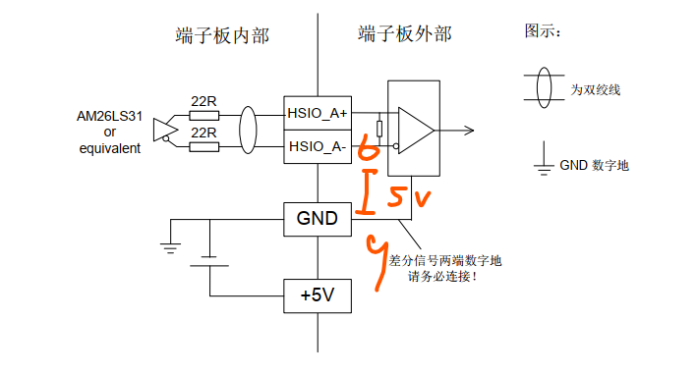

1 | 红 | DC_PWR | -- | Camera power supply
2 | 绿 | OPTO_IN | Line 0+ | Opto-isolated input
3 | 白 | GPIO | Line 2+ | Can be configured as input or output
4 | 蓝 | OPTO_OUT | Line 1+ | Opto-isolated output
5 | 棕 | OPTO_GND | Line 0/1- | Opto-isolated signal ground
6 | 黑 | GND | Line 2- | Camera power supply ground

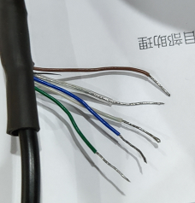
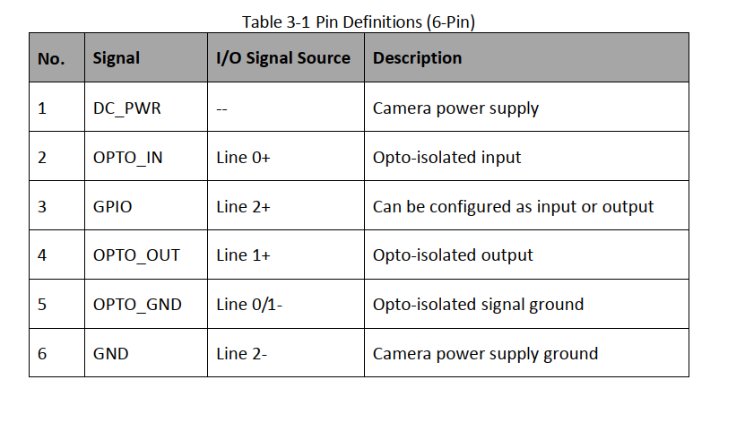
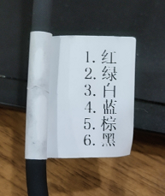
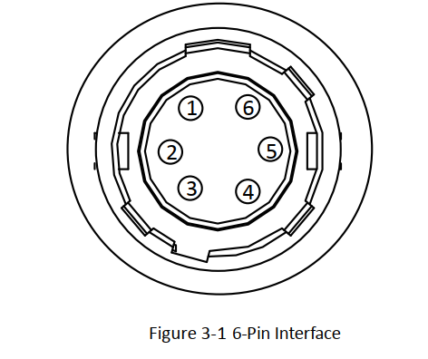

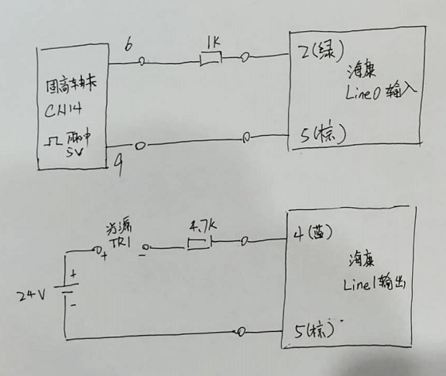

 |  |  |  |  | 1.3
 |  |  |  |  | 0.8

