TypeWeakness
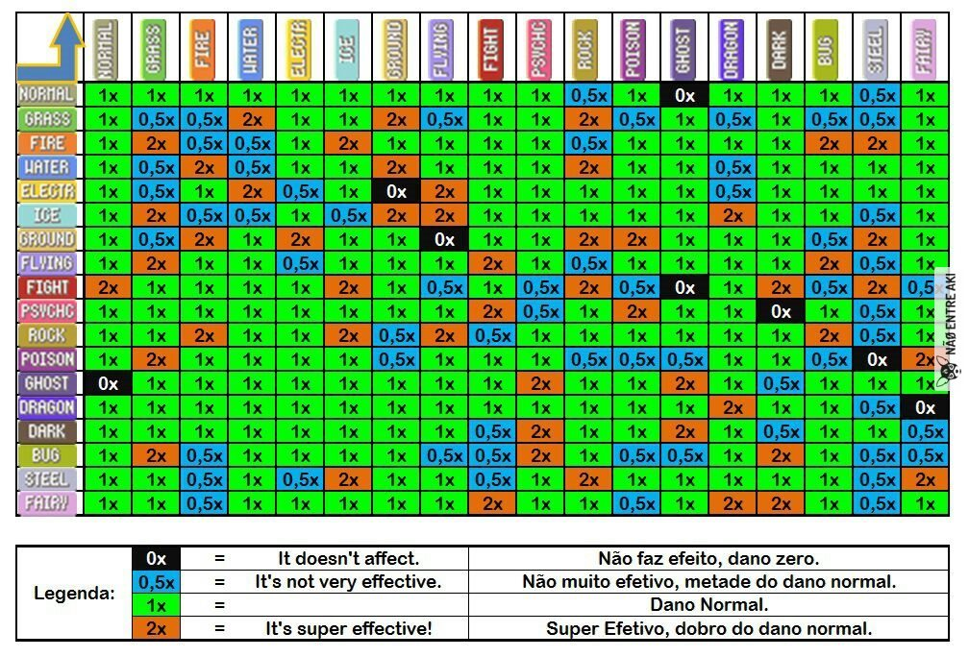
ID | TypeAtk | TypeDef | Power |  | 1 | 2 | 3 | 4 | 5 | 6 | 7 | 8 | 9 | 10 | 11 | 12 | 13 | 14
1 | 1 | 1 | 1
2 | 2 | 1 | 1
3 | 3 | 1 | 1
4 | 4 | 1 | 1 | 1
5 | 5 | 1 | 1 | 2
6 | 6 | 1 | 1 | 3
7 | 7 | 1 | 1 | 4
8 | 8 | 1 | 2 | 5
9 | 9 | 1 | 1 | 6
10 | 10 | 1 | 1 | 7
11 | 11 | 1 | 1
12 | 12 | 1 | 0 | 8
13 | 13 | 1 | 1 | 9
14 | 14 | 1 | 1 | 10
15 | 1 | 2 | 1 | 11
16 | 2 | 2 | 0.5 | 12
17 | 3 | 2 | 2 | 13
18 | 4 | 2 | 0.5
19 | 5 | 2 | 0.5 | 14
20 | 6 | 2 | 2
21 | 7 | 2 | 0.5
22 | 8 | 2 | 1
23 | 9 | 2 | 1
24 | 10 | 2 | 1
25 | 11 | 2 | 2
26 | 12 | 2 | 1
27 | 13 | 2 | 1
28 | 14 | 2 | 2
29 | 1 | 3 | 1
30 | 2 | 3 | 0.5
31 | 3 | 3 | 0.5
32 | 4 | 3 | 2
33 | 5 | 3 | 1
34 | 6 | 3 | 0.5
35 | 7 | 3 | 2
36 | 8 | 3 | 1
37 | 9 | 3 | 1
38 | 10 | 3 | 2
39 | 11 | 3 | 1
40 | 12 | 3 | 1
41 | 13 | 3 | 1
42 | 14 | 3 | 0.5
43 | 1 | 4 | 1
44 | 2 | 4 | 2
45 | 3 | 4 | 0.5
46 | 4 | 4 | 0.5
47 | 5 | 4 | 2
48 | 6 | 4 | 0.5
49 | 7 | 4 | 1
50 | 8 | 4 | 1
51 | 9 | 4 | 1
52 | 10 | 4 | 1
53 | 11 | 4 | 1
54 | 12 | 4 | 1
55 | 13 | 4 | 1
56 | 14 | 4 | 1
57 | 1 | 5 | 1
58 | 2 | 5 | 1
59 | 3 | 5 | 1
60 | 4 | 5 | 1
61 | 5 | 5 | 0.5
62 | 6 | 5 | 1
63 | 7 | 5 | 2
64 | 8 | 5 | 1
65 | 9 | 5 | 1
66 | 10 | 5 | 1
67 | 11 | 5 | 1
68 | 12 | 5 | 1
69 | 13 | 5 | 1
70 | 14 | 5 | 1
71 | 1 | 6 | 1
72 | 2 | 6 | 1
73 | 3 | 6 | 2
74 | 4 | 6 | 1
75 | 5 | 6 | 1
76 | 6 | 6 | 0.5
77 | 7 | 6 | 1
78 | 8 | 6 | 2
79 | 9 | 6 | 1
80 | 10 | 6 | 2
81 | 11 | 6 | 1
82 | 12 | 6 | 1
83 | 13 | 6 | 1
84 | 14 | 6 | 1
85 | 1 | 7 | 1
86 | 2 | 7 | 2
87 | 3 | 7 | 1
88 | 4 | 7 | 2
89 | 5 | 7 | 0
90 | 6 | 7 | 2
91 | 7 | 7 | 1
92 | 8 | 7 | 1
93 | 9 | 7 | 1
94 | 10 | 7 | 0.5
95 | 11 | 7 | 0.5
96 | 12 | 7 | 1
97 | 13 | 7 | 1
98 | 14 | 7 | 1
99 | 1 | 8 | 1
100 | 2 | 8 | 1
101 | 3 | 8 | 1
102 | 4 | 8 | 1
103 | 5 | 8 | 1
104 | 6 | 8 | 1
105 | 7 | 8 | 1
106 | 8 | 8 | 1
107 | 9 | 8 | 2
108 | 10 | 8 | 0.5
109 | 11 | 8 | 1
110 | 12 | 8 | 1
111 | 13 | 8 | 1
112 | 14 | 8 | 0.5
113 | 1 | 9 | 1
114 | 2 | 9 | 1
115 | 3 | 9 | 1
116 | 4 | 9 | 1
117 | 5 | 9 | 1
118 | 6 | 9 | 1
119 | 7 | 9 | 1
120 | 8 | 9 | 0.5
121 | 9 | 9 | 0.5
122 | 10 | 9 | 1
123 | 11 | 9 | 1
124 | 12 | 9 | 2
125 | 13 | 9 | 1
126 | 14 | 9 | 2
127 | 1 | 10 | 0.5
128 | 2 | 10 | 2
129 | 3 | 10 | 0.5
130 | 4 | 10 | 2
131 | 5 | 10 | 1
132 | 6 | 10 | 1
133 | 7 | 10 | 2
134 | 8 | 10 | 2
135 | 9 | 10 | 1
136 | 10 | 10 | 1
137 | 11 | 10 | 0.5
138 | 12 | 10 | 1
139 | 13 | 10 | 1
140 | 14 | 10 | 1
141 | 1 | 11 | 1
142 | 2 | 11 | 0.5
143 | 3 | 11 | 1
144 | 4 | 11 | 1
145 | 5 | 11 | 1
146 | 6 | 11 | 1
147 | 7 | 11 | 2
148 | 8 | 11 | 0.5
149 | 9 | 11 | 2
150 | 10 | 11 | 1
151 | 11 | 11 | 0.5
152 | 12 | 11 | 1
153 | 13 | 11 | 1
154 | 14 | 11 | 0.5
155 | 1 | 12 | 0
156 | 2 | 12 | 1
157 | 3 | 12 | 1
158 | 4 | 12 | 1
159 | 5 | 12 | 1
160 | 6 | 12 | 1
161 | 7 | 12 | 1
162 | 8 | 12 | 0
163 | 9 | 12 | 1
164 | 10 | 12 | 1
165 | 11 | 12 | 0.5
166 | 12 | 12 | 2
167 | 13 | 12 | 1
168 | 14 | 12 | 0.5
169 | 1 | 13 | 1
170 | 2 | 13 | 0.5
171 | 3 | 13 | 1
172 | 4 | 13 | 0.5
173 | 5 | 13 | 0.5
174 | 6 | 13 | 2
175 | 7 | 13 | 1
176 | 8 | 13 | 1
177 | 9 | 13 | 1
178 | 10 | 13 | 1
179 | 11 | 13 | 1
180 | 12 | 13 | 1
181 | 13 | 13 | 2
182 | 14 | 13 | 1
183 | 1 | 14 | 1
184 | 2 | 14 | 0.5
185 | 3 | 14 | 2
186 | 4 | 14 | 1
187 | 5 | 14 | 1
188 | 6 | 14 | 1
189 | 7 | 14 | 0.5
190 | 8 | 14 | 0.5
191 | 9 | 14 | 1
192 | 10 | 14 | 2
193 | 11 | 14 | 0.5
194 | 12 | 14 | 1
195 | 13 | 14 | 1
196 | 14 | 14 | 1

