NOTES
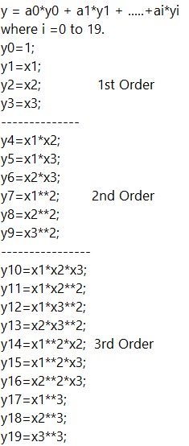
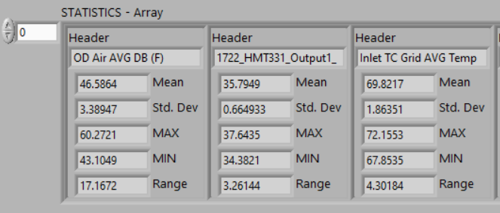
Independent Variables | Independent Variable | Column_Label
Outdoor Dry-Bulb_F | x1 | OD Air AVG DB
Outdoor_Dew_F | x2 | 1722_HMT331_Output1_ODDewF++
Indoor Dry-Bulb_F | x3 | Inlet TC Grid AVG Temp (F)

