Sheet1
S | S | S | S | S | S | O | X | O | H | H | H | H | H | H | O | X | O | L | L | L | L | L | L | 0
S | S | S | S | S | S | S | X | X | H | H | H | H | H | H | X | X | L | L | L | L | L | L | L | 1
S | S | S | S | S | S | S | X | X | H | H | H | H | H | H | X | X | L | L | L | L | L | L | L | 2
S | S | S | S | S | S | SD | X | X | H | H | H | H | H | H | X | X | L | L | L | L | L | L | L | 3
O | X | X | X | X | X | X | X | X | H | H | H | H | H | H | X | X | L | L | L | L | L | L | L | 4
X | X | X | X | X | X | X | X | X | H | H | HD | HD | H | H | X | X | LD | L | L | L | L | L | L | 5
O | I | I | I | I | I | X | X | X | X | X | X | X | X | X | X | X | X | X | X | X | X | X | O | 6
I | I | I | I | I | I | I | X | X | X | X | X | X | X | X | X | X | X | X | X | X | X | X | X | 7
I | I | I | I | I | I | IR | X | X | O | O | O | O | O | X | X | X | X | X | X | X | X | X | O | 8
I | I | I | I | I | I | I | X | X | O | O | O | O | O | X | X | D | DU | D | D | D | D | D | D | 9
O | I | I | ID | I | I | X | X | X | O | O | O | O | O | X | X | D | D | D | D | D | D | D | D | 10
O | X | X | X | X | X | X | X | X | O | O | O | O | O | X | X | D | D | D | D | D | D | D | D | 11
P | PU | P | P | P | P | X | X | X | O | O | O | O | O | X | X | DL | D | D | D | D | D | D | D | 12
P | P | P | P | P | P | X | X | X | O | O | O | O | O | X | X | D | D | D | D | D | D | D | D | 13
P | P | P | P | P | P | X | X | X | O | O | O | O | O | X | X | D | D | D | D | D | D | D | D | 14
P | P | P | P | P | PR | X | X | X | X | X | X | X | X | X | X | X | X | X | D | D | D | D | D | 15
P | P | P | P | P | P | X | X | X | X | X | X | X | X | X | X | X | X | X | X | X | X | O | O | 16
O | X | X | X | X | X | X | X | B | BU | B | B | B | BU | B | X | X | X | X | X | X | X | X | O | 17
X | X | X | X | X | X | X | X | B | B | B | B | B | B | B | X | X | K | KU | K | K | K | O | O | 18
O | C | C | C | CR | X | X | X | BL | B | B | B | B | B | BR | X | X | K | K | K | K | K | K | O | 19
C | C | C | C | C | C | X | X | B | B | B | B | B | B | B | X | X | K | K | K | K | K | K | O | 20
C | C | C | C | C | C | X | X | B | B | B | B | B | B | B | X | X | K | K | K | K | K | K | O | 21
C | C | C | C | C | C | X | X | B | B | B | B | B | B | B | X | X | K | K | K | K | K | K | O | 22
C | C | C | C | C | C | O | X | X | X | B | B | B | X | X | X | O | K | K | K | K | K | K | O | 23
O | O | O | O | O | O | O | O | O | X | O | O | O | X | O | O | O | O | O | O | O | O | O | O | 24
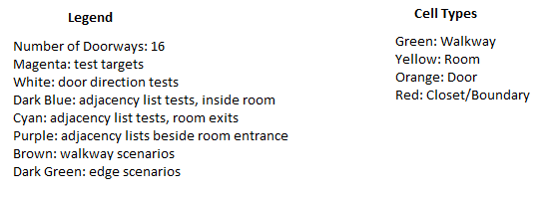
0 | 1 | 2 | 3 | 4 | 5 | 6 | 7 | 8 | 9 | 10 | 11 | 12 | 13 | 14 | 15 | 16 | 17 | 18 | 19 | 20 | 21 | 22 | 23

