Assembly time calculator
ASSEMBLY WORK HOURS CALCULATOR ver. 16

Conveyor settings |  |  |  | Module installation for system |  |  |  | Safety
Conveyor type | XLX-X85X-6556565656565 |  |  | Name of item | Type | Required amount |  | Name of item | Type | Required amount
Total length of the conveyors (m) | 100 |  |  | Pusher (pcs) | Assembly | 0 |  | PC cover installation (16 holes/m^2) (pcs) | All types | 0
Number of the conveyor (pcs) | 10 |  |  | Bridge (pcs) | All types | 0 |  | Troax installation 2200x1000 with two posts with anchoring (metre) | All types | 0
Number of bends in the system (plain,wheel, vertical) (pcs) | 0 |  |  | Twisted beam 90 degree (without GR) (pcs) | X85, X65 | 0 |  | Drip trays (pcs) | All types | 0
T-slot covering | Aluminium |  |  | Twisted GR XLRS15/10 (pcs) | All types | 0 |  | Doors with lock installation (pcs) | All types | 0
Steel slide rail | Yes |  |  | Change of shaft (pcs) | Single drive | 0 |  | Anchoring (hole) | All types | 0
Type of supports | Support - single |  |  | Installation and leveling of roller conveyors modules (metre) | All types | 0
Distance between the supports (mm) or number of support (pcs) | 1500 | 0 |  | Slip clutch adjusting (pcs) | All types | 0
Assembly on the height [above 2 m] | Yes |  |  | Cleats installation on chain (link) | All types | 0 |  | Other spirals and elevators
Connection of two conveyor beams (pcs) | 10 |  |  | Overhead GR with sponge wheels (pcs) | Drilling | 0 |  | Name of item | Type | Required amount
 |  |  |  |  |  |  |  | Spiral elevator amba | All types | 0
Guide rail |  | No |  |  |  |  |  | Wedge | > 2m | 0
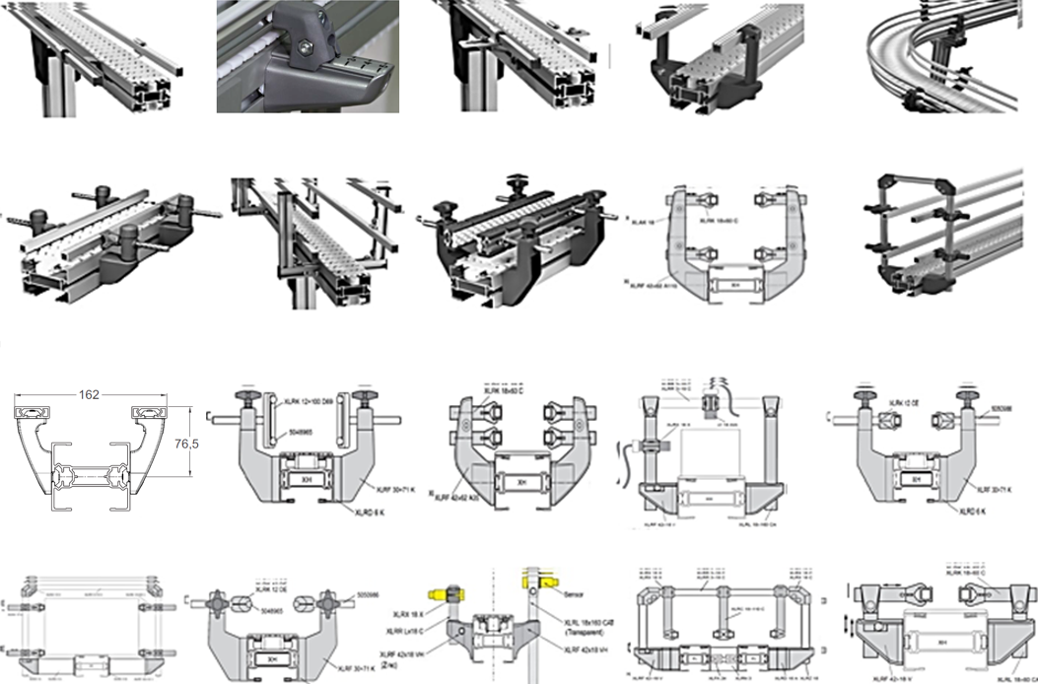
 |  |  |  | FL pallete modul installation for conveyor system
 |  |  |  | Name of item | Type | Required amount |  | Custom modules and other non-standard items
 |  |  |  | Pallet system locking station installation (pcs) | All types | 0 |  | Name of item | Estimates in hours | Required amount
 |  |  |  | Divert module - XBUT (pcs) | All types | 0 | 100 | 100 | 101 | 102
 |  |  |  | Connecting of XT conveyors (pcs) | Head to head | 0 | 103 | 103 | 104 | 105
 |  |  |  | Installation, integration and leveling of XT pallet elevator (pcs) | All types | 0 | 106 | 106 | 107 | 108
 |  |  |  | XT transfer integration into conveyor (pcs) | All types | 0 | 109 | 109 | 110 | 111
 |  |  |  | XT pallete elevator | All types | 0 | 112 | 112 | 113 | 114
 |  |  |  |  |  |  | 115 | 115 | 116 | 117
 |  |  |  |  |  |  | 118 | 118 | 119 | 120
 |  |  |  | Control and Pneumatics settings |  |  | 121 | 121 | 122 | 123
 |  |  |  | Name of item | Type | Required amount | 124 | 124 | 125 | 126
 |  |  |  | Pneumatic tubing (metre) | All types | 0 | 127 | 127 | 128 | 129
 |  |  |  | Cable duct (pcs) | Flexlink | 0
 |  |  |  | Stopper with sensor - installation (pcs) | All types | 0
 |  |  |  | Sensor with reflector - installation (pcs) | All types | 0
 |  |  |  | Installation and leveling of robot stand (pcs) | All types | 0
 |  |  |  | Installation and leveling of robot gripper (pcs) | All types | 0
 |  |  |  | Installation of valves, connecting of stoppers (pcs) | All types | 0

 |  |  |  | Assembly hours | 133101.4 | Summary hours |  | 154126
 |  |  |  | Test and disassembly hours | 357.7
 |  |  |  | Packing hours | 6655.1
 |  |  |  | Preparation of work | 14011.4

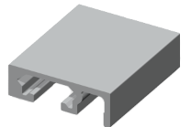 | 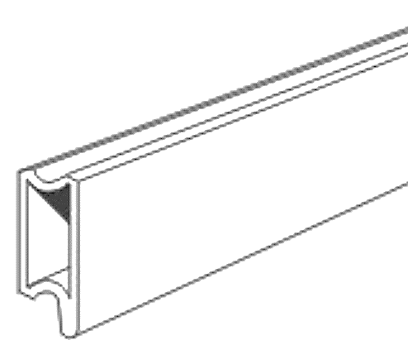
Distance between Pair of Guide rail brackets (mm) or number of Pair of Guide rail brackets (pcs) | 400 | 0
Guide rail cover for the guide rail (regarding all types above) | No

Detailed Calculations

Assembly or Pre-Assembly
Work type | Unit of worktime |  | Needed quantity |  | Workhours
 | Quantity | Dimension | Quantity | Dimension / Value | Quantity | Dimension | Quantity | Dimension
Conveyor assembly with sliderail and chain X45-X65-X85-XH-XK | 21 | min/m | 0 | m | 0 | min | 0.0 | hour
Conveyor assembly with sliderail and chain X180-X300 | 27.9 | min/m | 0 | m | 0 | min | 0.0 | hour
Conveyor assembly with sliderail and chain XLX - X85X | 46.8 | min/pcs | 0 | m | 0 | min | 0.0 | hour
Conveyor assembly with sliderail and chain X180X - X300X | 62.2 | min/pcs | 0 | m | 0 | min | 0.0 | hour
Conveyor assembly with sliderail and chain X65P-X85P-XKP | 21 | min/pcs | 0 | m | 0 | min | 0.0 | hour
Drive units and idler assembly - aluminium | 48 | min/pcs | 0 | pcs | 0 | min | 0.0 | hour
Drive units and idler assembly - steel | 48 | min/pcs | 0 | pcs | 0 | min | 0.0 | hour
Number of bends in the system (plain,wheel, vertical) (pcs) | 6 | min/pcs | 0 | pcs | 0 | min | 0.0 | hour
T-slot covering - Aluminum | 0.08 | h/pcs | 502 | pcs | 2 | 502 | FALSE | 12.0
 | 0.08 | h/pcs | 135 | pcs | FALSE | 135 | 10.8
 | 0.12 | h/m | 12 | hours | 1.2 |  | 1.2
T-slot covering - Plastic | 0.06 | h/pcs | 502 | pcs | 2 | 502 | FALSE | FALSE
 | 0.06 | h/pcs | 135 | pcs | FALSE | 135 | 8.1
 | 0.10 | h/m | 10 | hours | 1.9 |  | 1.9
T-slot covering - Rubber | 0.065 | h/pcs | 502 | pcs | 2 | 502 | FALSE | FALSE
 | 0.065 | h/pcs | 135 | pcs | FALSE | 135 | 8.8
 | 0.115 | h/m | 12 | hours | 2.7 |  | 2.7
XLCD assembly | 84 | min/pcs | 10 | pcs | 840 | min | 14.0 | hour
Steel slide rail | 28 | min/m | 100 | m | 2800.0 | FALSE | 46.7 | hour
Guide rails with fixed guide rail brackets | 0.18 | h/pair | 250.0 | 250.0 | 45.0 | 0.0 | FALSE | 33.3
Guide rails with fixed guide rail brackets, polyamide | 0.18 | h/pair | 0.0 | 0.0 | FALSE | FALSE | FALSE | FALSE
Guide rails with adjustable guide rail brackets, aluminium | 0.21 | h/pair | 0.0 | 0.0 | FALSE | FALSE | FALSE | FALSE
Guide rails with polyamide guide rail brackets adjustable in height | 0.24 | h/pair | 0.0 | 0.0 | FALSE | FALSE | FALSE | FALSE
Guide rails at two levels with polyamide guide rail brackets, adjustable in width | 0.33 | h/pair | 0.0 | 0.0 | FALSE | FALSE | FALSE | FALSE
Guide rails with quick adjust guide rail support | 0.26 | h/pair | 0.0 | 0.0 | FALSE | FALSE | FALSE | FALSE
Guide rails with built-up guide rail brackets | 0.36 | h/pair | 0.0 | 0.0 | FALSE | FALSE | FALSE | FALSE
Roller module guide rails with polyamide guide rail brackets | 0.26 | h/pair | 0.0 | 0.0 | FALSE | FALSE | FALSE | FALSE
Guide rails with XLRF 42x62 A110 | 0.32 | h/pair | 0.0 | 0.0 | FALSE | FALSE | FALSE | FALSE
Two-level guide rail structure with polyamide guide rail bracket components | 0.36 | h/pcs | 0.0 | 0.0 | FALSE | FALSE | FALSE | FALSE
Aluminium guide rails for pallets | 0.18 | h/pair | 0.0 | 0.0 | FALSE | FALSE | FALSE | FALSE
Twin - level steel guide rails | 0.33 | h/pair | 0.0 | 0.0 | FALSE | FALSE | FALSE | FALSE
Guide rails with XLRF 42x62 A35 | 0.32 | h/pair | 0.0 | 0.0 | FALSE | FALSE | FALSE | FALSE
Attachment of sensors | 0.39 | h/pcs | 0.0 | 0.0 | FALSE | FALSE | FALSE | FALSE
Plastic / aluminium guide rails, quick adjustment | 0.26 | h/pair | 0.0 | 0.0 | FALSE | FALSE | FALSE | FALSE
Guidance of wide & high products | 0.36 | h/pcs | 0.0 | 0.0 | FALSE | FALSE | FALSE | FALSE
Steel guide rails, quick adjustment | 0.33 | h/pair | 0.0 | 0.0 | FALSE | FALSE | FALSE | FALSE
Attachment of sensors II | 0.31 | h/pair | 0.0 | 0.0 | FALSE | FALSE | FALSE | FALSE
Double track guide rails | 0.42 | h/pcs | 0.0 | 0.0 | FALSE | FALSE | FALSE | FALSE
Adjustable in width and height | 0.26 | h/pair | 0.0 | 0.0 | FALSE | FALSE | FALSE | FALSE
Average |  |  |  |  | 45.0 | 0.0 | FALSE | hour
Guide rails - Straight | 0.17 | h/pcs | 33 | 33 | 67 | pcs | FALSE | hour
Straight rail - aluminium | 0.14 | h/pcs | FALSE | pcs | FALSE | pcs | FALSE | hour
Straight rail - steel | 0.20 | h/pcs | FALSE | pcs | FALSE | pcs | FALSE | hour
Steel tube | 0.27 | h/pcs | FALSE | pcs | FALSE | pcs | FALSE | hour
Steel rod | 0.30 | h/pcs | FALSE | pcs | FALSE | pcs | FALSE | hour
Conical profile, flat 26 | 0.20 | h/pcs | FALSE | pcs | FALSE | pcs | FALSE | hour
Conical profile, rounded, flat | 0.20 | h/pcs | FALSE | pcs | FALSE | pcs | FALSE | hour
Straight rail, flanded type 1 | 0.25 | h/pcs | FALSE | pcs | FALSE | pcs | FALSE
Straight rail, flanded type 2 | 0.30 | h/pcs | FALSE | pcs | FALSE | pcs | FALSE | hour
Straight guide rail - pallet system | 0.03 | h/pcs | FALSE | pcs | 0.0 | pcs | FALSE
Straight guide rail with slide rails | 0.20 | h/pcs | FALSE | pcs | 0.0 | pcs | FALSE
Average |  |  |  |  | #DIV/0! | hour | FALSE
Guide rail cover for the guide rail (regarding all types above) | 0.05 | h/pcs | FALSE | pcs | FALSE | hour | FALSE | hour
Support - single | 0.28 | h/pcs | 68 | 68 | 18.768 | 0 | 18.8 | hour
Support - Double | 0.60 | h/pcs | 0 | 0 | 0 | FALSE | 0.0 | hour
Support - T | 0.40 | h/pcs | 0 | 0 | 0 | FALSE | 0.0 | hour
 |  |  |  | Sum of assembly Time |  |  | 91.4 | hours

Safety
Work type | Unit of worktime |  | Needed quantity |  | Workhours
 | Quantity | Dimension | Quantity | Dimension | Quantity | Dimension | Quantity | Dimension
PC cover installation (16 holes/m^2) (pcs) | 30 | min/m2 | 0 | pcs | 0 | min | 0.0 | hour
Troax installation 2200x1000 with two posts with anchoring (metre) | 60 | min/pcs | 0 | m | 0 | min | 0.0 | hour
Drip trays (pcs) | 15 | min/pcs | 0 | m | 0 | min | 0.0 | hour
Doors with lock installation (pcs) | 30 | min/pcs | 0 | pcs | 0 | min | 0.0 | hour
Anchoring (hole) | 5 | min/hole | 0 | hole | 0 | min | 0.0 | hour
 |  |  |  | Sum of assembly Time |  |  | 0.0 | hours

Module installation for system
Work type | Unit of worktime |  | Needed quantity |  | Workhours
 | Quantity | Dimension | Quantity | Dimension | Quantity | Dimension | Quantity | Dimension
Bridge | 30 | min/pcs | 0 | pcs | 0 | min | 0.0 | hour
Twisted beam 90 degree (without GR) X85, X65 | 100 | min/pcs | 0 | pcs | 0 | min | 0.0 | hour
Twisted beam 90 degree (without GR) X180 | 160 | min/pcs | FALSE | pcs | 0 | min | 0.0 | hour
Twisted GR XLRS15/10 (double) (metre) | 15 | min/pcs | 0 | pcs | 0 | min | 0.0 | hour
Change of shaft for single drive | 60 | min/pcs | 0 | pcs | 0 | min | 0.0 | hour
Change of shaft for double drive | 110 | min/pcs | FALSE | pcs | 0 | min | 0.0 | hour
Installation and leveling of roller conveyors modules | 30 | min/m | 0 | metre | 0 | min | 0.0 | hour
Slip clutch adjusting | 11 | min/pcs | 0 | pcs | 0 | min | 0.0 | hour
Cleats installation on chain | 10 | min/link | 0 | link | 0 | min | 0.0 | hour
Overhead GR with sponge wheels - drilling | 15 | min/pcs | 0 | metre | 0 | min | 0.0 | hour
Overhead GR with sponge wheels - without drillings | 5 | min/pcs | FALSE | metre | 0 | min | 0.0 | hour
Pusher - assembly | 120 | min/pcs | 0 | pcs | 0 | min | 0.0 | hour
Pusher - assembly + installation | 150 | min/pcs | FALSE | pcs | 0 | min | 0.0 | hour
Pusher - installation | 30 | min/pcs | FALSE | pcs | 0 | min | 0.0 | hour
 |  |  |  | Sum of assembly Time |  |  | 0.0 | hours

Control and Pneumatics settings
Work type | Unit of worktime |  | Needed quantity |  | Workhours
 | Quantity | Dimension | Quantity | Dimension | Quantity | Dimension | Quantity | Dimension
Pneumatic tubing (metre) | 5 | min/m | 0 | m | 0 | min | 0.0 | hour
Cable duct - mesh | 21 | min/pcs | FALSE | m | 0 | min | 0.0 | hour
Cable duct - FlexLink | 15 | min/pcs | 0 | m | 0 | min | 0.0 | hour
Stopper with sensor - installation (pcs) | 15 | min/pcs | 0 | pcs | 0 | min | 0.0 | hour
Sensor with reflector - installation (pcs) | 16 | min/pcs | 0 | pcs | 0 | min | 0.0 | hour
Istallation and leveling of robot stand (pcs) | 360 | min/pcs | 0 | pcs | 0 | min | 0.0 | hour
Installation and leveling of robot gripper (pcs) | 120 | min/pcs | 0 | pcs | 0 | min | 0.0 | hour
Installation of valves, conecting of stoppers (pcs) | 10 | min/pcs | 0 | pcs | 0 | min | 0.0 | hour
 |  |  |  | Sum of assembly Time |  |  | 0.0 | hours

Packaging
Work type | Unit of worktime |  | Needed quantity |  | Workhours
 | Quantity | Dimension | Quantity | Dimension | Quantity | Dimension | Quantity | Dimension
Packaging system below 25 assy hours | 10 | % | 6655.1 | pcs | 399304.3 | min | 6655.1 | hour
Packaging system between 25 and 50 assy hours | 9 | % | 6655.1 | pcs | 399304.3 | min | 6655.1 | hour
Packaging system between 50 and 100 assy hours | 8 | % | 6655.1 | pcs | 399304.3 | min | 6655.1 | hour
Packaging system between 100 and 250 assy hours | 6 | % | 6655.1 | pcs | 399304.3 | min | 6655.1 | hour
Packaging system above 250 assy hours | 5 | % | 6655.1 | pcs | 399304.3 | min | 6655.1 | hour
 |  |  |  | Sum of assembly Time |  |  | 6655.1 | hours

Test and disassembly
Work type | Unit of worktime |  | Needed quantity |  | Workhours
 | Quantity | Dimension | Quantity | Dimension | Quantity | Dimension | Quantity | Dimension
Cleaning | 10 | min | 843.3 | pcs | 843.3 | days | 140.6 | hour
Test | 25 | min | 10 | pcs | 250 | min | 4.2 | hour
Conveyor disassembly | 3 | min/pcs | 34 | pcs | 127 | min | 2.1 | hour
Working break | 15 | min | 843.3 | pcs | 843.3 | days | 210.8 | hour
 |  |  |  | Sum of assembly Time |  |  | 357.7 | hours

FL pallete modul installation for conveyor system
Work type | Unit of worktime |  | Needed quantity |  | Workhours
 | Quantity | Dimension | Quantity | Dimension | Quantity | Dimension | Quantity | Dimension
Pallet system locking station installation (pcs) | 60 | min/pcs | 0 | pcs | 0 | min | 0 | hour
Locating station - XBUL (pcs) | 60 | min/pcs | 0 | pcs | 0 | min | 0 | hour
Connecting of XT conveyors (pcs) - head to head | 30 | min/pcs | 0 | pcs | 0 | min | 0 | hour
Connecting of XT conveyors (pcs) - side to side | 45 | min/pcs | FALSE | pcs | 0 | min | 0 | hour
Installation, integration and leveling of XT pallet elevator (pcs) | 960 | min/pcs | 0 | pcs | 0 | min | 0 | hour
XT transfer integration into conveyor (pcs) | 90 | min/pcs | 0 | pcs | 0 | min | 0 | hour
 |  |  |  | Sum of assembly Time |  |  | 0.0 | hours

Other spirals and elevators
Work type | Unit of worktime |  | Needed quantity |  | Workhours
 | Quantity | Dimension | Quantity | Dimension | Quantity | Dimension | Quantity | Dimension
XT pallete elevator | 16 | h/pcs | 0 | pcs | 0 | hour | 0 | hour
Number of the flexlink spirals (pcs) | 20 | h/pcs | 0 | pcs | 0 | hour | 0 | hour
Wedge (< 2m + PC cover) | 35 | h/pcs | FALSE | pcs | 0 | hour | 0 | hour
Wedge (> 2m + PC cover) | 42 | h/pcs | FALSE | pcs | 0 | hour | 0 | hour
Wedge (< 2m) | 25 | h/pcs | FALSE | pcs | 0 | hour | 0 | hour
Wedge (> 2m) | 35 | h/pcs | 0 | pcs | 0 | hour | 0 | hour
 |  |  |  | Sum of assembly Time |  |  | 0.0 | hours

Custom moduls and other non-standard items
Work type | Unit of worktime |  | Needed quantity |  | Workhours
 | Quantity | Dimension | Quantity | Dimension | Quantity | Dimension | Quantity | Dimension
100 | 101 | h/pcs | 102 | pcs | 10302 | min | 10302.0 | hour
103 | 104 | h/pcs | 105 | pcs | 10920 | min | 10920.0 | hour
106 | 107 | h/pcs | 108 | pcs | 11556 | min | 11556.0 | hour
109 | 110 | h/pcs | 111 | pcs | 12210 | min | 12210.0 | hour
112 | 113 | h/pcs | 114 | pcs | 12882 | min | 12882.0 | hour
115 | 116 | h/pcs | 117 | pcs | 13572 | min | 13572.0 | hour
118 | 119 | h/pcs | 120 | pcs | 14280 | min | 14280.0 | hour
121 | 122 | h/pcs | 123 | pcs | 15006 | min | 15006.0 | hour
124 | 125 | h/pcs | 126 | pcs | 15750 | min | 15750.0 | hour
127 | 128 | h/pcs | 129 | pcs | 16512 | min | 16512.0 | hour
 |  |  |  | Sum of assembly Time |  |  | 132990.0 | hours
 |  |  |  | Sum of assembly Time |  |  | 140114.2

List for interface
X45-XS-X65-X85-XH-XK | TRUE
X180-X300 | FALSE
XLX-X85X | Pusher based on DFM pneumatic drive with covers
X180X-X300X | "Hedgehog" pusher installation
X65P-X85P-XKP | X85, X65
No | X180
Guide rail on the two side of the conveyor with nonFL guide rail bracket | 200
Guide rail on the two side of the conveyor with FL guide rail bracket | 400
Guide rail with AGS | 600
None | 800
Support - single | 1000
Support - double | 1200
Support - T | 1400
Support with polyamide feet | 1500
Support - Trapped carrier HILTI | Single drive
Support - Depts mounted | Double drive
None | Drilling
Mesh | Without drilling
Flexlink | Head to head
None | Side to side
Aluminium | Single double drive connector
Stainless steel | No
No | Aluminium
Yes | Plastic
500 | Rubber
1000 | < 2m + PC cover
1500 | > 2m + PC cover
2000 | < 2m
2500 | > 2m
3000 | Assembly
0 | Assembly + installation
0.01 | Installation
0.015
0.03
0.05
0.06
0.07
0.08
0.09
0.1
0.11
0.12
Steel slide rail
None
Guide rails with fixed guide rail brackets
Guide rails with fixed guide rail brackets, polyamide
Guide rails with adjustable guide rail brackets, aluminium
Guide rails with polyamide guide rail brackets adjustable in height
Guide rails at two levels with polyamide guide rail brackets, adjustable in width
Guide rails with quick adjust guide rail support
Guide rails with built-up guide rail brackets
Roller module guide rails with polyamide guide rail brackets
Two-level guide rail structure with polyamide guide rail bracket components
Guide rails with XLRF 42x62 A110
Guidance of wide & high products
Twin - level steel guide rails
Guide rails with XLRF 42x62 A35
Double track guide rails
Steel guide rails, quick adjustment
Application for tissue paper
Attachment of sensors
Plastic / aluminium guide rails, quick adjustment
Adjustable in width and height
Guidance of bottles, etc.
Roller module guidance, quick adjustment
Quick - release guide rail brackets
Attachment of sensors II
TRUE
FALSE
FALSE
FALSE
FALSE
FALSE
FALSE
FALSE
FALSE
FALSE
FALSE
FALSE
FALSE
FALSE
FALSE
FALSE
FALSE
FALSE
FALSE
FALSE
FALSE
FALSE
FALSE
FALSE
FALSE
FALSE
FALSE
FALSE
FALSE
FALSE

