Core
Core | Criteria | Mercury | Venus | Earth | Mars | Jupiter | Saturn | Uranus | Neptune
RAW | Start API First File | 2305447.5 | 2305447.5 | 2305447.5 | 2305448.5 | 2305457.5 | 2360233.5 | 2305451.5 | 2305451.5 | Planet Min Date (TDB) Min JD Max Date (TDB) Max JD
RAW | Stop API Last File | 2597641.5 | 2597641.5 | 2597641.5 | 2597641.5 | 2524601.5 | 2542859.5 | 2597625.5 | 2597641.5 | --------- ---------------- ----------- ---------------- -----------
Json | Start Data | 2305447.5 | 2305447.5 | 2305447.5 | 2305448.5 | 2305457.5 | 2360233.5 | 2305451.5 | 2305451.5 | Mercury -4713-11-25 0.5 9999-12-30 5373482.5
Json | Stop Data | 2597617.5 | 2597617.5 | 2597617.5 | 2597618.5 | 2524577.5 | 2542843.5 | 2597621.5 | 2597621.5 | Venus -4713-11-25 0.5 9999-12-30 5373482.5
Json | (Stop-Start)/30 | 9739 | 9739 | 9739 | 9739 | 7304 | 6087 | 9739 | 9739 | Earth -4713-11-25 0.5 9999-12-30 5373482.5
Json | Last JD | 2597617.5 | 2597617.5 | 2597617.5 | 2597618.5 | 2524577.5 | 2542843.5 | 2597621.5 | 2597621.5 | Mars 1600-01-02 2305448.5 2600-01-01 2670690.5
RAW/Json | Stop API - LastJD | 24 | 24 | 24 | 23 | 24 | 16 | 4 | 20 | Jupiter 1600-01-11 2305457.5 2200-01-09 2524601.5
RAW | Chunk Count | 5 | 5 | 5 | 5 | 4 | 4 | 5 | 5 | Saturn 1749-12-31 2360233.5 2250-01-05 2542859.5
 | Equidistance | Yes | Yes | Yes | Yes | Yes | Yes | Yes | Yes | Uranus 1600-01-05 2305451.5 2399-12-16 2597625.5
 |  |  |  |  |  |  |  |  |  | Neptune 1600-01-05 2305451.5 2400-01-01 2597641.5

Extended | Criteria | Mercury | Venus | Earth | Mars | Jupiter | Saturn | Uranus | Neptune
RAW | Start API First File | 1721059.5 | 1721059.5 | 1721059.5 | 2305448.5 | 2305457.5 | 2360233.5 | 2305451.5 | 2305451.5 | Epoche 1 (Core Zone): 1600–2400, Step 30d (inner and outer planets)
RAW | Stop API Last File | 3182029.5 | 3182029.5 | 3182029.5 | 2670690.5 | 2524601.5 | 2542859.5 | 2597625.5 | 2597625.5 | Epoche 2 (Extended Zone): 0–4000, Step 180d
Json | Start Data | 1721059.5 | 1721059.5 | 1721059.5 | 2305448.5 | 2305457.5 | 2360233.5 | 2305451.5 | 2305451.5 | Epoche 3 (Extreme Zone): -4000–8000, Step 2y
Json | Stop Data | 3181939.5 | 3181939.5 | 3181939.5 | 2670668.5 | 2524517.5 | 2542753.5 | 2597591.5 | 2597591.5
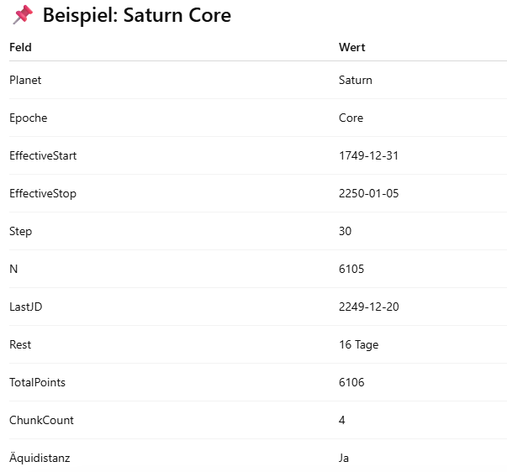
Json | (Stop-Start)/180 | 8116 | 8116 | 8116 | 2029 | 1217 | 1014 | 1623 | 1623
Json | Last JD | 3181939.5 | 3181939.5 | 3181939.5 | 2670668.5 | 2524517.5 | 2542753.5 | 2597591.5 | 2597591.5
RAW/Json | Stop API - LastJD | 90 | 90 | 90 | 22 | 84 | 106 | 34 | 34
RAW | Chunk Count | 5 | 5 | 5 | 2 | 1 | 1 | 1 | 1
 | Equidistance | Yes | Yes | Yes | Yes | Yes | Yes | Yes | Yes

Extreme | Criteria | Mercury | Venus | Earth | Mars | Jupiter | Saturn | Uranus | Neptune
RAW | Start API First File | 260089.5 | 260089.5 | 260089.5 | 2305448.5 | 2305457.5 | 2360233.5 | 2305451.5 | 2305451.5
RAW | Stop API Last File | 4642999.5 | 4642999.5 | 4642999.5 | 2670690.5 | 2524601.5 | 2542859.5 | 2597625.5 | 2597641.5
Json | Start Data | 260089.5 | 260089.5 | 260089.5 | 2305448.5 | 2305457.5 | 2360233.5 | 2305451.5 | 2305451.5
Json | Stop Data | 4642279.5 | 4642279.5 | 4642279.5 | 2670448.5 | 2524457.5 | 2542733.5 | 2597451.5 | 2597451.5
Json | (Stop-Start)/730 | 6003 | 6003 | 6003 | 500 | 300 | 250 | 400 | 400
Json | Last JD | 4642279.5 | 4642279.5 | 4642279.5 | 2670448.5 | 2524457.5 | 2542733.5 | 2597451.5 | 2597451.5
RAW/Json | Stop API - LastJD | 720 | 720 | 720 | 242 | 144 | 126 | 174 | 190
RAW | Chunk Count | 4 | 4 | 4 | 1 | 1 | 1 | 1 | 1
 | Equidistance | Yes | Yes | Yes | Yes | Yes | Yes | Yes | Yes

