Sheet1
Dataset | size | domain | input | output | type of challenges | example | comment
MMVP : Multimodal Visual Patterns benchmark | 300 questions (300 pairs of images, mention their size super implicitly, I guess not too large) | general real-life images | image+question | answer to the input question | images with similar CLIP embeddings despite visual distinctions. categories: Orientation and Direction, Presence of Specific Features, State and Condition, Quantity and Count, Positional and Relational Context, Color and Appearance, Structural and Physical Characteristics, Text, Viewpoint and Perspective, | 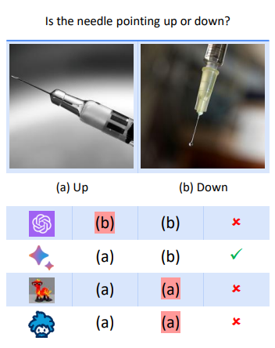 | visual question answering
MMMU: Multi-discipline Multimodal Understanding and Reasoning Benchmark | 11.5K | college exam collection | image+question | answer to the input question | domain knowledge from college exams, with question domian and question difficulty level annotated (easy/medium/difficult) | 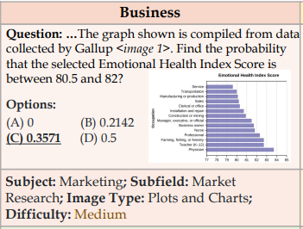 | visual question answering
Genome | 108,077 Images | general | image | many types, but differ from our purpose |  |  | images mapped to wordnet synsets
science QA | 21K | scientific | natrual image (as context) + question | answer+ explanation (CoT) | scientific problem+image reasoning, no individual/specific reasoning type designed |  | visual question answering
MathVista | 6,141 | MATH | math related image + question | answer to the question | math reasoning | 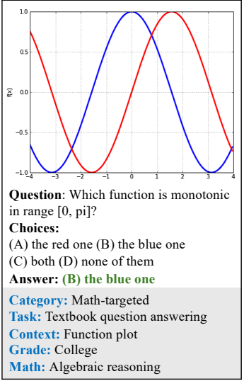 | visual question answering
Paper2Fig | 100k | scientific | images from papers | caption | complex cases, no specific reasoning type designed |  | caption-to-image
T2I-CompBench | 6000 text promots | general | text | image | attribute binding, object relationships, complex composition | 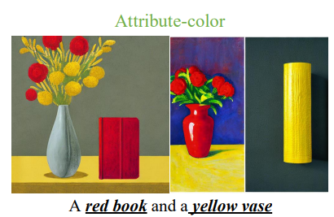 | text-to-image
Wino-ground | 1600 pairs | general | caption-image pairs, input-output may be used in a reverse way |  | linguistic/visual reasoning with words swapped | 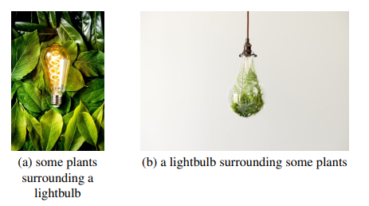 | image-caption alignment
yellow: image as input
green: image generation
red: text-image alignment

