Sheet2
! INCOMPLETE, NOT PERFECT
CAPTION WAS CREATED BEFORE TAXONOMY, NOT ORGANIZED ACCORDING TO TAXONOMY

 |  |  |  |  |  |  |  |  |  |  |  | FOR LATER EVALUATION
Caption | tikz code reference 1 | reference image 1 | tikz code reference 2 | reference image 2 | tikz code reference 1 | reference image 3 | gpt4 tikz | gpt4 image | Object Count | Object type | property number | position (yes/no) | annotation (yes/no) | composition way (correct or wrong) | Object Complexity
a line segment | \documentclass{article} \usepackage{tikz} \begin{document} \begin{tikzpicture} \draw [thick](-1.5,0) -- (1.5,0); \end{tikzpicture} \end{document} |  | \documentclass{article} \usepackage{tikz} \begin{document} \begin{tikzpicture} \draw [thick](3,1.5) -- (0,-1.5); \end{tikzpicture} \end{document} |  | \documentclass{article} \usepackage{tikz} \begin{document} \begin{tikzpicture} \draw [thick](-1.5,0) -- (1.5,0); \draw (0,-0.5) node {A line segment}; \end{tikzpicture} \end{document} |  |  |  | 1 | geometric shape
a line segment AB | \documentclass{article} \usepackage{tikz} \begin{document} \begin{tikzpicture} \draw [thick](-1.5,0) -- (1.5,0); \draw (-1.7,0) node {A}; \draw (1.7,0) node {B}; \end{tikzpicture} \end{document} |  | \documentclass{article} \usepackage{tikz} \begin{document} \begin{tikzpicture} \draw [thick](3,1.5) -- (0,-1.5); \draw (-0.2,-1.7) node {A}; \draw (3.2,1.7) node {B}; \end{tikzpicture} \end{document} |  | \documentclass{article} \usepackage{tikz} \begin{document} \begin{tikzpicture} \draw [red,dashed,thick](0,1.5) -- (0,-1.5); \draw (0,1.8) node {A}; \draw (0,-1.8) node {B}; \end{tikzpicture} \end{document} |  |  |  | 1 | geometric shape
a vertical line | \documentclass{article} \usepackage{tikz} \begin{document} \begin{tikzpicture} \draw [black,thick](0,2) -- (0,-2); \end{tikzpicture} \end{document} |  | \documentclass{article} \usepackage{tikz} \begin{document} \begin{tikzpicture} \draw [red,thick](0,1.5) -- (0,-1.5); \end{tikzpicture} \end{document} |  | \documentclass{article} \usepackage{tikz} \begin{document} \begin{tikzpicture} \draw [black,dashed](0,2) -- (0,-2); \end{tikzpicture} \end{document} |  |  |  | 1 | geometric shape
a horizontal line |  |  |  |  |  |  |  |  | 1 | geometric shape
two mutually perpendicular lines |  |  |  |  |  |  |  |  | 2 | geometric shape
five lines parallel to each other |  |  |  |  |  |  |  |  | 5 | geometric shape
A thick line on top and a thin line on the bottom |  |  |  |  |  |  |  |  | 2 | geometric shape
A short line on the left and a long line on the right |  |  |  |  |  |  |  |  | 2 | geometric shape
Three mutually perpendicular lines in three-dimensional space |  |  |  |  |  |  |  |  | 3 | geometric shape
an angle |  |  |  |  |  |  |  |  | 1 | geometric shape
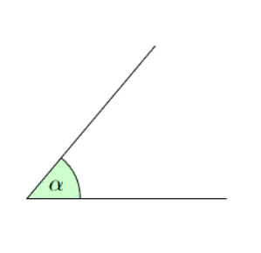
obtuse angle |  |  |  |  |  |  |  |  | 1 | geometric shape
acute angle | \documentclass{article} \usepackage{tikz} \usetikzlibrary {angles,quotes} \begin{document} \begin{tikzpicture}[scale=3] \coordinate (A) at (1,0); \coordinate (B) at (0,0); \coordinate (C) at (50:1cm); \draw (A) -- (B) -- (C) pic [draw=black, fill=green!20, angle radius=8mm, $\alpha$] {angle = A--B--C}; \end{tikzpicture} \end{document} |  |  |  |  |  |  |  | 1 | geometric shape
right angle |  |  |  |  |  |  |  |  | 1 | geometric shape
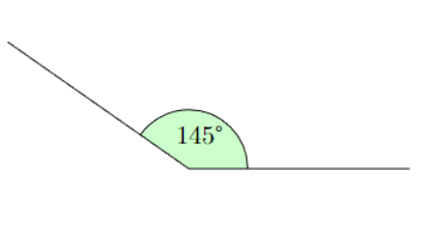
an angle with 145 degree | \documentclass{article} \usepackage{tikz} \usetikzlibrary {angles,quotes} \begin{document} \begin{tikzpicture}[scale=3] \coordinate (A) at (1,0); \coordinate (B) at (0,0); \coordinate (C) at (145:1cm); \draw (A) -- (B) -- (C) pic [draw=black, angle radius=3mm] {angle = A--B--C}; \end{tikzpicture} \end{document} |  | \documentclass{article} \usepackage{tikz} \usepackage{gensymb} \usetikzlibrary {angles,quotes} \begin{document} \begin{tikzpicture}[scale=3] \coordinate (A) at (1,0); \coordinate (B) at (0,0); \coordinate (C) at (145:1cm); \draw (A) -- (B) -- (C) pic [draw=black, fill=green!20, angle radius=8mm, "145\textdegree"] {angle = A--B--C}; \end{tikzpicture} \end{document} |  | \documentclass{article} \usepackage{tikz} \usepackage{gensymb} \usetikzlibrary {angles,quotes} \begin{document} \begin{tikzpicture}[scale=1] \coordinate (C) at (1,0); \coordinate (D) at (0,0); \coordinate (E) at (145:1); \draw (C) -- (D) -- (E) pic [draw=red, fill=red!20, angle radius=1mm, ] {angle = C--D--E}; \end{tikzpicture} \end{document} |  |  |  | 1 | geometric shape
an angle with vertex A and sides AC and AB |  |  |  |  |  |  |  |  | 1 | geometric shape
a triangle |  |  |  |  |  |  |  |  | 1 | geometric shape
obtuse triangle |  |  |  |  |  |  |  |  | 1 | geometric shape
right triangle |  |  |  |  |  |  |  |  | 1 | geometric shape
acute triangle |  |  |  |  |  |  |  |  | 1 | geometric shape
equilateral triangle |  |  |  |  |  |  |  |  | 1 | geometric shape
isosceles triangle |  |  |  |  |  |  |  |  | 1 | geometric shape
isosceles triangle but not equilateral |  |  |  |  |  |  |  |  | 1 | geometric shape
a right triangle which is also isosceles |  |  |  |  |  |  |  |  | 1 | geometric shape
a right triangle which is not isosceles |  |  |  |  |  |  |  |  | 1 | geometric shape
Two triangles share one same side |  |  |  |  |  |  |  |  | 2 | geometric shape
Two similar triangles of different sizes |  |  |  |  |  |  |  |  | 2 | geometric shape
A triangle is divided into a triangles and a trapezoid by a line |  |  |  |  |  |  |  |  | 3 | geometric shape

a circle with the radius (r) equals 5 cm |  |  |  |  |  |  |  |  | 1 | geometric shape
a small circle and two large circles |  |  |  |  |  |  |  |  | 3 | geometric shape
Three small circles and two large ones. |  |  |  |  |  |  |  |  | 5 | geometric shape
two concentric circles |  |  |  |  |  |  |  |  | 2 | geometric shape
Four circles of different sizes. |  |  |  |  |  |  |  |  | 4 | geometric shape
A large circle with three small circles inside. |  |  |  |  |  |  |  |  | 4 | geometric shape
Two circles intersecting with each other. |  |  |  |  |  |  |  |  | 2 | geometric shape
Five circles without intersecting. |  |  |  |  |  |  |  |  | 5 | geometric shape
three circles with different centers |  |  |  |  |  |  |  |  | 3 | geometric shape

a blue circle on the left and a green circle on the right |  |  |  |  |  |  |  |  | 2 | geometric shape
a blue circle on the right and a green circle on the left |  |  |  |  |  |  |  |  | 2 | geometric shape
A black circle with a red border. |  |  |  |  |  |  |  |  | 2 | geometric shape
A red circle with a black border. |  |  |  |  |  |  |  |  | 2 | geometric shape
A square to the right of a circle. |  |  |  |  |  |  |  |  | 2 | geometric shape
A square to the left of a circle. |  |  |  |  |  |  |  |  | 2 | geometric shape
A circle inside a square. |  |  |  |  |  |  |  |  | 2 | geometric shape
A square inside a circle. |  |  |  |  |  |  |  |  | 2 | geometric shape
A square rotated 30 degrees clockwise. |  |  |  |  |  |  |  |  | 1 | geometric shape
An ellipse rotated counterclockwise by 45 degrees. |  |  |  |  |  |  |  |  | 1 | geometric shape
Ellipse with major axis marked in red |  |  |  |  |  |  |  |  | 2 | geometric shape
Ellipse with minor axis marked in red |  |  |  |  |  |  |  |  | 2 | geometric shape
A circle divided into three parts with 30 degrees, 60 degrees and 270 degrees |  |  |  |  |  |  |  |  | 4 | geometric shape
A circle divided into three equal parts. |  |  |  |  |  |  |  |  | 4 | geometric shape
draw a tengen line for a circle |  |  |  |  |  |  |  |  | 2 | geometric shape
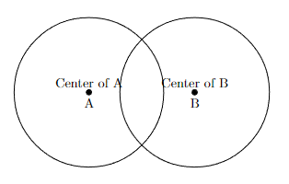
Circle A and Circle B have equal areas and intersect. The border of Circle A passes through the center of Circle B, and the border of Circle B passes through the center of Circle A. |  |  |  |  |  |  | \documentclass{article} \usepackage{tikz} \begin{document} \begin{tikzpicture} % Define radius \def\r{2} % Radius of each circle % Calculate distance between centers based on the radius \pgfmathsetmacro{\distance}{\r*sqrt(2)} % Draw Circle A \node[circle,draw,minimum size=2*\r cm,inner sep=0] (A) at (0,0) {}; \node at (0,-0.3) {A}; % Draw Circle B \node[circle,draw,minimum size=2*\r cm,inner sep=0] (B) at (\distance,0) {}; \node at (\distance,-0.3) {B}; % Add dots for centers \filldraw[black] (0,0) circle (2pt) node[above] {Center of A}; \filldraw[black] (\distance,0) circle (2pt) node[above] {Center of B}; \end{tikzpicture} \end{document}
a sector |  |  |  |  |  |  |  |  | 1 | geometric shape
a sixty-degree sector |  |  |  |  |  |  |  |  | 1 | geometric shape
Rectangle ABCD, E is the midpoint of BC |  |  |  |  |  |  |  |  | 2 | geometric shape
Rectangle ABCD, E is the midpoint of BC, ACD is a right triangle |  |  |  |  |  |  |  |  | 3 | geometric shape
a rectangle at the bottom and two squares at the top |  |  |  |  |  |  |  |  | 3 | geometric shape
a rounded rectangle |  |  |  |  |  |  |  |  | 1 | geometric shape
A rectangle with length 3 cm and width 1 cm |  |  |  |  |  |  |  |  | 1 | geometric shape
A square divided into N equal parts, where N=4. |  |  |  |  |  |  |  |  | 5 | geometric shape
M rectangles where $M=2$. |  |  |  |  |  |  |  |  | 3 | geometric shape

two parallelograms |  |  |  |  |  |  |  |  | 2 | geometric shape
A parallelogram with perpendicular diagonals |  |  |  |  |  |  |  |  | 2 | geometric shape
a polygon with five sides |  |  |  |  |  |  |  |  | 1 | geometric shape
a polygon with six vertex |  |  |  |  |  |  |  |  | 1 | geometric shape

a plane in three-dimensional space |  |  |  |  |  |  |  |  | 1 | geometric shape
a vertical plane |  |  |  |  |  |  |  |  | 1 | geometric shape
a horizontal plane |  |  |  |  |  |  |  |  | 1 | geometric shape
A 3D coordinate |  |  |  |  |  |  |  |  | 1 | Veen diagram
two intersecting planes |  |  |  |  |  |  |  |  | 2 | geometric shape
two perpendicular planes |  |  |  |  |  |  |  |  | 2 | geometric shape
three parallel planes |  |  |  |  |  |  |  |  | 3 | geometric shape
a cylinder |  |  |  |  |  |  |  |  | 1 | geometric shape
A cylinder divided into two equal parts by a vertical plane |  |  |  |  |  |  |  |  | 3 | geometric shape
A sphere divided into two parts by a vertical plane |  |  |  |  |  |  |  |  | 3 | geometric shape
A sphere divided into two parts by a horizontal plane |  |  |  |  |  |  |  |  | 3 | geometric shape
hemisphere |  |  |  |  |  |  |  |  | 1 | geometric shape
a box on a surface |  |  |  |  |  |  |  |  | 2 | geometric shape
The ball is on top of a cube |  |  |  |  |  |  |  |  | 2 | geometric shape
A ball is on top of a cylinder |  |  |  |  |  |  |  |  | 2 | geometric shape
three balls with the same distance |  |  |  |  |  |  |  |  | 3 | geometric shape
A square within which there is a circle in the upper right corner |  |  |  |  |  |  |  |  | 2 | geometric shape
A square within which there is a circle in the lower left corner |  |  |  |  |  |  |  |  | 2 | geometric shape
A square within which there is a circle in the lower right corner |  |  |  |  |  |  |  |  | 2 | geometric shape
a mixed color square on the left, and a solid color squares on the right |  |  |  |  |  |  |  |  | 2 | geometric shape
two balls in the red box |  |  |  |  |  |  |  |  | 3 | object modeling
mark the first quadrant in the coordinate system |  |  |  |  |  |  |  |  | 1 | coordinate
mark the second quadrant in the coordinate system |  |  |  |  |  |  |  |  | 1 | coordinate
mark the third quadrant in the coordinate system |  |  |  |  |  |  |  |  | 1 | coordinate
mark the forth quadrant in the coordinate system |  |  |  |  |  |  |  |  | 1 | coordinate
a Venn diagram with two sets with intersection |  |  |  |  |  |  |  |  | 2 | Veen diagram
a Venn diagram with two sets without intersection |  |  |  |  |  |  |  |  | 2 | Veen diagram
A diagram of set A and set B. set A = {1,2,3}, set B = {2,3} |  |  |  |  |  |  |  |  | 2 | Veen diagram
A diagram of set A and set B. set A = {0, 1, 2}, set B = {2, 3,5,6} |  |  |  |  |  |  |  |  | 2 | Veen diagram
A blank table with two rows and three columns. |  |  |  |  |  |  |  |  | 1 | table

a matrix |  |  |  |  |  |  |  |  | 1 | matrix
a sparse matrix |  |  |  |  |  |  |  |  | 1 | matrix
a dense matrix |  |  |  |  |  |  |  |  | 1 | matrix
an identity matrix |  |  |  |  |  |  |  |  | 1 | matrix
a 2 x 2 identity matrix |  |  |  |  |  |  |  |  | 1 | matrix
a diagonal matrix |  |  |  |  |  |  |  |  | 1 | matrix
Draw a matrix and mark the diagonal of the matrix with an oval |  |  |  |  |  |  |  |  | 2 | matrix, geometric shape
draw a matrix and mark numbers at 4 corners of the matrix with bold |  |  |  |  |  |  |  |  | 1 | matrix

an increasing function |  |  |  |  |  |  |  |  | 1 | function
a decreasing function |  |  |  |  |  |  |  |  | 1 | function
an increasing linear function |  |  |  |  |  |  |  |  | 1 | function
an decreasing linear function |  |  |  |  |  |  |  |  | 1 | function
two monotonic functions with 2 intersections |  |  |  |  |  |  |  |  | 2 | function
two monotonic functions with 1 intersection |  |  |  |  |  |  |  |  | 2 | function
two monotonic functions without intersection |  |  |  |  |  |  |  |  | 2 | function
an exponential function |  |  |  |  |  |  |  |  | 1 | function
a logarithmic function |  |  |  |  |  |  |  |  | 1 | function
a parabola function |  |  |  |  |  |  |  |  | 1 | function
The line of the function y = 2x in coordinates. |  |  |  |  |  |  |  |  | 2 | function
A line forming an isosceles triangle with coordinates |  |  |  |  |  |  |  |  | 2 | geometric shape, coordinate
a positive function with an intercept of 1 and a slope of 45 degrees. |  |  |  |  |  |  |  |  | 1 | object modeling
Draw a tangent line to y=x^2 where the gradient at that point is 0 |  |  |  |  |  |  |  |  | 2 | funciton
standard normal distribution |  |  |  |  |  |  | \documentclass{article} \usepackage{pgfplots} \pgfplotsset{compat=1.17} \begin{document} \begin{tikzpicture} \begin{axis}[ axis lines=middle, xlabel={$x$}, ylabel={$f(x)$}, every axis x label/.style={at={(ticklabel* cs:1.05)}, anchor=west}, every axis y label/.style={at={(ticklabel* cs:1.05)}, anchor=south}, height=6cm, width=12cm, xtick=\empty, ytick=\empty, enlargelimits=false, clip=false, ymin=0, ymax=0.42, xmin=-3.5, xmax=3.5, domain=-3.5:3.5, samples=100 ] % Add the normal distribution curve \addplot [very thick,smooth] {exp(-x^2/2)/sqrt(2*pi)}; % Optionally, label the mean and variance \node at (axis cs:0,0.4) [anchor=south] {$\mu=0, \sigma^2=1$}; \end{axis} \end{tikzpicture} \end{document} |  | 1 | function
positively skewed distribution |  |  |  |  |  |  |  |  | 1 | function
negatively skewed distribution |  |  |  |  |  |  |  |  | 1 | function
a normal distribution and its accumulated density function |  |  |  |  |  |  |  |  | 2 | function
3-D Gaussian distribution |  |  |  |  |  |  |  |  | 1 | function
multivariate normal distribution in 3D space |  |  |  |  |  |  | 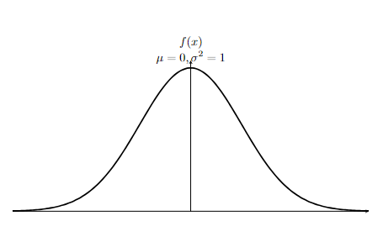 \begin{tikzpicture} \begin{axis}[ view={120}{40}, % Adjusts the viewing angle in the plot axis lines=center, xlabel={$x$}, ylabel={$y$}, zlabel={$z$}, domain=-2:2, y domain=-2:2, samples=31, % Number of samples increases the smoothness of the plot zmin=0, zmax=0.2, colormap/viridis, % Color map style ] % Add the 3D normal distribution surface plot \addplot3[ surf, ] {exp(-0.5*(x^2 + y^2))/sqrt((2*pi)^2)}; % Multivariate normal distribution formula \end{axis} \end{tikzpicture} \end{document} | 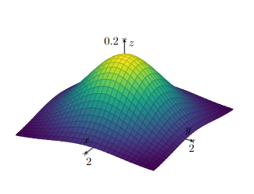 | 1 | function

a waveform |  |  |  |  |  |  |  |  | 1 | function
A waveform with a frequency of 2π Hz |  |  |  |  |  |  |  |  | 1 | function
two waves of different amplitudes |  |  |  |  |  |  |  |  | 2 | function
Two waves with the same frequency but different amplitudes |  |  |  |  |  |  |  |  | 2 | function
Two waves with different frequencies and the same amplitude |  |  |  |  |  |  |  |  | 2 | function

a line chart |  |  |  |  |  |  |  |  | 1 | plot or chart
a bar chart |  |  |  |  |  |  |  |  | 1 | plot or chart
a scatter plot |  |  |  |  |  |  |  |  | 1 | plot or chart
a pie chart |  |  |  |  |  |  |  |  | 1 | plot or chart
A bar chart with a blue bar to the left of an orange bar. |  |  |  |  |  |  |  |  | 3 | plot or chart
A bar chart with a blue bar above a red bar and the blue bar is longer than the red bar. |  |  |  |  |  |  |  |  | 3 | plot or chart
A line chart with a green line and a red line. There is one intersection between the two lines. |  |  |  |  |  |  |  |  | 3 | plot or chart
A line chart with a green line below a red line. |  |  |  |  |  |  |  |  | 3 | plot or chart
A bar graph including three bars with values of 30, 40, and 45. |  |  |  |  |  |  |  |  | 4 | plot or chart

a slope of 30 degree |  |  |  |  |  |  |  |  | 1 | object modeling
a slope of 60 degree |  |  |  |  |  |  |  |  | 1 | object modeling
A ball rolls down the slope |  |  |  |  |  |  |  |  | 2 | object modeling
a pole and its shadow |  |  |  |  |  |  |  |  | 2 | object modeling
an empty bucket |  |  |  |  |  |  |  |  | 1 | object modeling
A box weighing 3kg |  |  |  |  |  |  |  |  | 1 | object modeling
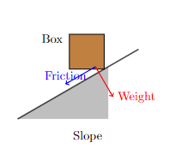
A box on a slope. |  |  |  |  |  |  | \documentclass{article} \usepackage{tikz} \begin{document} \begin{tikzpicture} % Define the slope angle \def\slopeAngle{30} % Adjust this value to change the slope's steepness % Draw the slope as a filled triangle \fill[gray!50] (0,0) -- ++(\slopeAngle:3cm) -- ++(-90:1.5cm) -- cycle; % Draw the box on the slope % Calculate the box position along the slope using the slope angle \path (\slopeAngle:2cm) coordinate (boxPosition); \draw[fill=brown] (boxPosition) ++(\slopeAngle+90:0.5cm) rectangle ++(1cm,1cm); % Draw a line indicating the surface of the slope \draw[thick] (0,0) -- (\slopeAngle:4cm); % Optionally add labels to describe the scenario \node at (2,-0.5) {Slope}; \node[align=center] at ([shift={(\slopeAngle+90:1.5cm)}]boxPosition) {Box}; % Add force vectors if necessary \draw[->, thick, red] (boxPosition) ++(0.5,0.5) -- ++(\slopeAngle-90:1cm) node[right] {Weight}; \draw[->, thick, blue] (boxPosition) ++(0.5,0.5) -- ++(180+\slopeAngle:1cm) node[above] {Friction}; \end{tikzpicture} \end{document} |  | 2 | object modeling
A box moves to the left |  |  |  |  |  |  |  |  | 1 | object modeling
A ball moves to the left |  |  |  |  |  |  |  |  | 1 | object modeling
A box moves to the right |  |  |  |  |  |  |  |  | 1 | object modeling
A ball moves to the right |  |  |  |  |  |  |  |  | 1 | object modeling
A box sliding to the left with friction acting in the opposite direction to the movement. Draw the movement direction and frition with arrows |  |  |  |  |  |  |  |  | 3 | object modeling
a mass of 62 kg is sliding down a slope at an angle of 25 degrees |  |  |  |  |  |  |  |  | 2 | object modeling

A bucket half full of water tilts 45 degrees |  |  |  |  |  |  |  |  | 1 | object modeling
An empty bucket and a half-filled bucket |  |  |  |  |  |  |  |  | 1 | object modeling
A stretched spring, a normal spring and a compressed spring |  |  |  |  |  |  |  |  | 3 | object modeling
a simple pendulum |  |  |  |  |  |  |  |  | 1 | object modeling

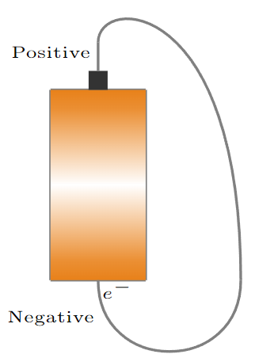
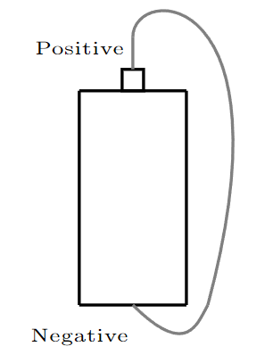
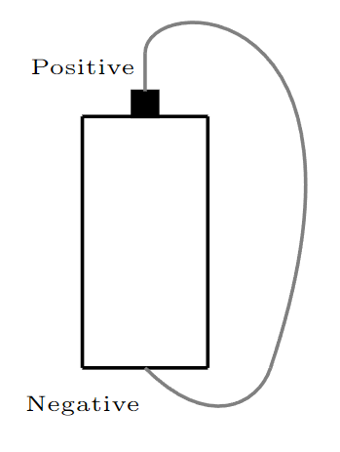
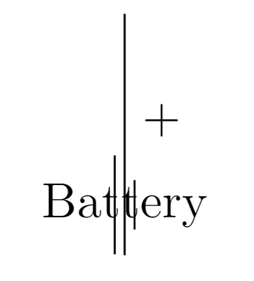
A circuit diagram |  |  |  |  |  |  |  |  | 1 | object modeling
A battery has a wire connecting the positive and negative terminals | \documentclass[border=2mm]{standalone} \usepackage{tikz} \usetikzlibrary{arrows,shadings} \begin{document} \begin{tikzpicture} \draw [gray,thick] (0,0) -- (0,2); \draw [gray,thick] (1,0) -- (1,2); \draw [gray,thick] (0,2) -- (1,2); \draw [gray,thick] (0,0) -- (1,0); \shade[bottom color=orange!90!black, top color=orange!90!black, middle color=white] (0,2) rectangle (1,0); \draw [fill=black!80,draw=none] (0.4,2) rectangle (0.6,2.2); \draw [gray,thick] (0.5,2.2) -- (0.5,2.5); \node (a) at (0,2.4) [font=\tiny]{Positive}; \node (a) at (0,-0.4) [font=\tiny]{Negative}; \draw [gray,thick] (0.5,2.5) .. controls (0.5,3) and (2,3) .. (2,0); \draw [gray,thick] (2,0) .. controls (2,-1) and (0.5,-1) .. (0.5,0); \node (a) at (0.7,-0.1) [font=\tiny]{${e^-}$}; \end{tikzpicture} \end{document} |  | \documentclass[border=2mm]{standalone} \usepackage{tikz} \usetikzlibrary{arrows,shadings} \begin{document} \begin{tikzpicture} \draw [thick] (0,0) -- (0,2); \draw [thick] (1,0) -- (1,2); \draw [thick] (0,2) -- (1,2); \draw [thick] (0,0) -- (1,0); \draw [thick](0.4,2) rectangle (0.6,2.2); \draw [gray,thick] (0.5,2.2) -- (0.5,2.5); \node (a) at (0,2.4) [font=\tiny]{Positive}; \node (a) at (0,-0.3) [font=\tiny]{Negative}; \draw [gray,thick] (0.5,2.5) .. controls (0.5,3) and (2,3) .. (1.2,0); \draw [gray,thick] (1.2,0) .. controls (1.1,-0.18) and (1,-0.5) .. (0.5,0); \end{tikzpicture} \end{document} |  | \documentclass[border=2mm]{standalone} \usepackage{tikz} \usetikzlibrary{arrows,shadings} \begin{document} \begin{tikzpicture} \draw [thick] (0,0) -- (0,2); \draw [thick] (1,0) -- (1,2); \draw [thick] (0,2) -- (1,2); \draw [thick] (0,0) -- (1,0); \draw [thick, fill=black](0.4,2) rectangle (0.6,2.2); \draw [gray,thick] (0.5,2.2) -- (0.5,2.5); \node (a) at (0,2.4) [font=\tiny]{Positive}; \node (a) at (0,-0.3) [font=\tiny]{Negative}; \draw [gray,thick] (0.5,2.5) .. controls (0.5,3) and (2.5,3) .. (1.5,0); \draw [gray,thick] (1.5,0) .. controls (1.4,-0.3) and (1,-0.5) .. (0.5,0); \end{tikzpicture} \end{document} |  | \begin{document} \begin{tikzpicture}[circuit ee IEC, large circuit symbols] % Draw battery \node [battery, label=center:Battery] (battery) at (0,0) {}; % Draw wires \draw (battery.north) -- ++(0,1) -| (battery.south); % Wire connecting the positive and negative terminals % Optional: Add labels to indicate terminals \node at (battery.north) [above right] {+}; \node at (battery.south) [below right] {-}; \end{tikzpicture} \end{document} |  | 4 | object modeling
a circuit diagram showing a battery (in red), a resistor (black zigzag element), and the current I. |  |  |  |  |  |  |  |  | 4 | object modeling
an electrical circuit containing a battery, a switch, and a capacitor. |  |  |  |  |  |  |  |  | 4 | object modeling
an electric circuit with three resistors R1, R2, and R3 connected in series |  |  |  |  |  |  |  |  | 4 | object modeling
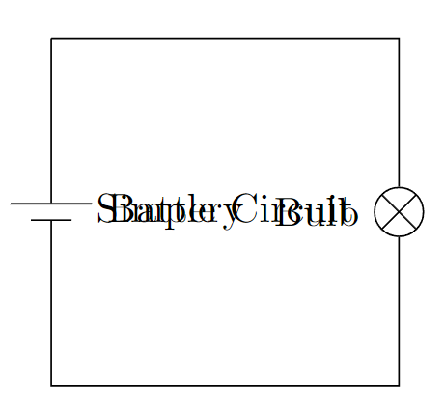
A circuit diagram with a light bulb |  |  |  |  |  |  | \documentclass{article} \usepackage{tikz} \usetikzlibrary{circuits.ee.IEC} % Load library for electrical circuits \begin{document} \begin{tikzpicture}[circuit ee IEC, large circuit symbols] % Set up the circuit environment \draw (0,0) to [battery={info={Battery}}] ++(0,-3) % Draw the battery -- ++(3,0) % Draw wire to the right to [bulb={info={Bulb}}] ++(0,3) % Draw the light bulb -- (0,0); % Complete the circuit back to the battery % Optional: Add labels or additional details \node at (1.5,-1.5) {Simple Circuit}; \end{tikzpicture} \end{document} |  | 2 | object modeling

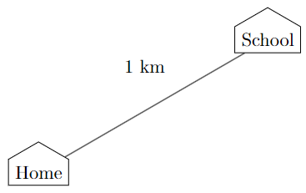
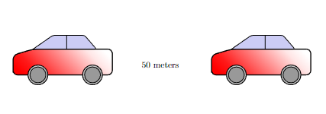
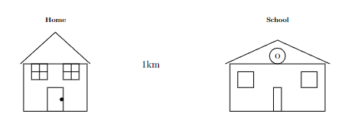
The distance between one car and another car is 50 meters | \documentclass[tikz,border=3mm]{standalone} \usetikzlibrary{backgrounds,decorations.pathreplacing} \usepackage{fontawesome} \begin{document} \begin{tikzpicture} \fill[gray!20] (-1,0) rectangle (6,3); \draw[gray!30,line width=2pt] (0,1.5) -- (4,1.5); \begin{scope}[on background layer] \draw[gray!20,line width=12pt] (-1,1.6) -- (6,1.6); \end{scope} \draw[thick,black] (0,1.5) -- (4,1.5); % Adjusted coordinates \node[font=\Huge,red] at (0,1.5) {\faCar}; % Moved icon position \node[font=\Huge,blue] at (4,1.5) {\faCar}; % Moved icon position \node[font=\sffamily,below] at (2,1.3) {50 m}; \end{tikzpicture} \end{document} |  | \documentclass{article} \usepackage{tikz} \begin{document} \begin{tikzpicture}[scale=0.8] \shade[top color=red, bottom color=white, shading angle={135}] [draw=black,fill=red!20,rounded corners=1.2ex,very thick] (1.5,.5) -- ++(0,1) -- ++(1,0.3) -- ++(3,0) -- ++(1,0) -- ++(0,-1.3) -- (1.5,.5) -- cycle; \draw[very thick, rounded corners=0.5ex,fill=black!20!blue!20!white,thick] (2.5,1.8) -- ++(1,0.7) -- ++(1.6,0) -- ++(0.6,-0.7) -- (2.5,1.8); \draw[thick] (4.2,1.8) -- (4.2,2.5); \draw[draw=black,fill=gray!50,thick] (2.75,.5) circle (.5); \draw[draw=black,fill=gray!50,thick] (5.5,.5) circle (.5); \draw[draw=black,fill=gray!80,semithick] (2.75,.5) circle (.4); \draw[draw=black,fill=gray!80,semithick] (5.5,.5) circle (.4); \shade[top color=red, bottom color=white, shading angle={135}] [draw=black,fill=red!20,rounded corners=1.2ex,very thick] (11.5,.5) -- ++(0,1) -- ++(1,0.3) -- ++(3,0) -- ++(1,0) -- ++(0,-1.3) -- (11.5,.5) -- cycle; \draw[very thick, rounded corners=0.5ex,fill=black!20!blue!20!white,thick] (12.5,1.8) -- ++(1,0.7) -- ++(1.6,0) -- ++(0.6,-0.7) -- (12.5,1.8); \draw[thick] (14.2,1.8) -- (14.2,2.5); \draw[draw=black,fill=gray!50,thick] (12.75,.5) circle (.5); \draw[draw=black,fill=gray!50,thick] (15.5,.5) circle (.5); \draw[draw=black,fill=gray!80,semithick] (12.75,.5) circle (.4); \draw[draw=black,fill=gray!80,semithick] (15.5,.5) circle (.4); \node at (8.9,1) []{50 meters}; \end{tikzpicture} \end{document} |  | \documentclass{article} \usepackage{tikz} \begin{document} \begin{tikzpicture} \shade[top color=gray, bottom color=white] [draw=black,rounded corners=1.2ex,very thick] (-5.5,.5) rectangle (-1.5,2.5); \draw[draw=black,fill=gray!50,thick] (-4.5,.5) circle (.5); \draw[draw=black,fill=gray!50,thick] (-2.5,.5) circle (.5); \draw[draw=black,fill=gray!80,semithick] (-4.5,.5) circle (.4); \draw[draw=black,fill=gray!80,semithick] (-2.5,.5) circle (.4); \shade[top color=gray, bottom color=white] [draw=black,rounded corners=1.2ex,very thick] (2.5,.5) rectangle (6,2.5); \draw[draw=black,fill=gray!50,thick] (5,.5) circle (.5); \draw[draw=black,fill=gray!50,thick] (3.5,.5) circle (.5); \draw[draw=black,fill=gray!80,semithick] (5,.5) circle (.4); \draw[draw=black,fill=gray!80,semithick] (3.5,.5) circle (.4); \draw [thick] (-1.5,1.5)--(2.5,1.5); \draw (0.5,1) node{50 meters}; \end{tikzpicture} \end{document} |  | \documentclass{article} \usepackage{tikz} \begin{document} \begin{tikzpicture} % Draw the first car \draw[fill=blue] (0,0) rectangle (1,0.5); \node at (0.5,0.25) {Car 1}; % Draw the second car \draw[fill=red] (5,0) rectangle (6,0.5); \node at (5.5,0.25) {Car 2}; % Draw the distance measurement \draw[<->] (1,0.7) -- (5,0.7) node[midway, above] {50 meters}; \end{tikzpicture} \end{document} |  | 2 | object modeling
The distance between home and school is 1km | \documentclass[tikz,border=2mm]{standalone} \usetikzlibrary{shapes.arrows} \begin{document} \begin{tikzpicture}[myhouse/.style={single arrow, shape border rotate=90, single arrow head extend=0pt, single arrow tip angle=120}] \node[myhouse, draw] (a) {Home}; \node[myhouse, draw] at (30:5cm) (b) {School}; \draw (2,2) node {1 km}; \draw (a)--(b); \end{tikzpicture} \end{document} |  | \documentclass[tikz,border=2mm]{standalone} \usetikzlibrary{shapes.arrows} \begin{document} \begin{tikzpicture}[myhouse/.style={single arrow, shape border rotate=90, single arrow head extend=0pt, single arrow tip angle=120 ,fill=green!20}] \node[myhouse, draw] (a) {Home}; \node[myhouse, draw] at (0:5cm) (b) {School}; \draw (2.2,0.4) node {1 km}; \draw (a)--(b); \end{tikzpicture} \end{document} |  | \documentclass{article} \usepackage{tikz} \begin{document} \begin{tikzpicture}[scale=0.8] \draw[thick] (0,0) rectangle (4,3); \draw[thick] (-0.2,3) -- (2,5) -- (4.2,3); \draw[thick] (1.5,0) rectangle (2.5,1.5); \draw[thick] (0.5,2) rectangle (1.5,3); \draw[thick] (2.5,2) rectangle (3.5,3); \filldraw[black] (2.4,0.75) circle (0.1); \draw (1,2) -- (1,3); \draw (0.5,2.5) -- (1.5,2.5); \draw (3,2) -- (3,3); \draw (2.5,2.5) -- (3.5,2.5); \draw (2,5.5) node[above] {\textbf{Home}}; \draw[thick] (13,0) rectangle (19,3); % Main \draw[thick] (12.7,3) -- (16,4.5) -- (19.3,3); \draw[thick] (15.75,0) rectangle (16.25,1.5); \draw[thick] (13.5,1.5) rectangle (14.5,2.5); \draw[thick] (17.5,1.5) rectangle (18.5,2.5); \draw[thick] (16,3.5) circle (0.5); \draw (16,3.5) node {O}; \draw (16,5.5) node[above] {\textbf{School}}; \draw (8,3) [font=\Large] node{1km}; \end{tikzpicture} \end{document} |  | \documentclass{article} \usepackage{tikz} \usetikzlibrary{shapes.geometric, positioning} \begin{document} \begin{tikzpicture} % Define styles for buildings \tikzset{ home/.style={regular polygon, regular polygon sides=3, fill=blue!50, draw, minimum size=1cm, anchor=south}, school/.style={rectangle, fill=red!50, draw, minimum width=1.5cm, minimum height=1cm} } % Draw home \node[home] (home) at (0,0) {}; \node[below=0.1cm of home] {Home}; % Draw school \node[school, right=of home, xshift=5cm] (school) {}; \node[below=0.1cm of school] {School}; % Draw distance line \draw[<->] ([yshift=-1cm]home.south) -- ([yshift=-1cm]school.south) node[midway, fill=white] {1 km}; \end{tikzpicture} \end{document} |  | 2 | object modeling
The rope pulls the car at 30 degrees to the ground. Friction is represented by the letter f and gravity is represented by the letter g. |  |  |  |  |  |  |  |  | 4 | object modeling
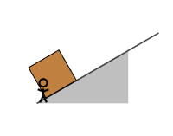
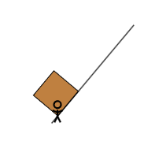
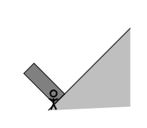
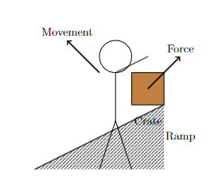
A man pushes a crate up a ramp. | \documentclass{article} \usepackage{tikz} \usepackage{tikzsymbols} \begin{document} \begin{tikzpicture} \def\slopeAngle{30} \fill[gray!50] (0,0) -- ++(\slopeAngle:3cm) -- ++(-90:1.5cm) -- cycle; \path (\slopeAngle:0.3cm) coordinate (boxPosition); \draw[fill=brown,rotate=30] (boxPosition) ++(\slopeAngle+90:0cm) rectangle ++(1cm,1cm); \draw[thick] (0,0) -- (\slopeAngle:4cm); \begin{scope}[scale=0.5] \begin{scope} \pgftransformxscale{-1} \Strichmaxerl[3] \end{scope} \end{scope} \end{tikzpicture} \end{document} |  | \documentclass{article} \usepackage{tikz} \usepackage{tikzsymbols} \begin{document} \begin{tikzpicture} \def\slopeAngle{50} % \fill[gray!50] (0,0) -- ++(\slopeAngle:3cm) -- ++(-90:1.5cm) -- cycle; \path (\slopeAngle:0.3cm) coordinate (boxPosition); \draw[fill=brown,rotate=50] (boxPosition) ++(\slopeAngle+90:0cm) rectangle ++(1cm,1cm); \draw[thick] (0,0) -- (\slopeAngle:4cm); \begin{scope}[scale=0.5] \begin{scope} \pgftransformxscale{-1} \Strichmaxerl[3] \end{scope} \end{scope} \end{tikzpicture} \end{document} |  | \documentclass{article} \usepackage{tikz} \usepackage{tikzsymbols} \begin{document} \begin{tikzpicture} \def\slopeAngle{45} \fill[gray!50] (0,0) -- ++(\slopeAngle:4cm) -- ++(-90:2.7cm) -- cycle; \path (\slopeAngle:0.3cm) coordinate (boxPosition); \draw[fill=gray,rotate=45] (boxPosition) ++(\slopeAngle+90:0cm) rectangle ++(0.5cm,1.5cm); \draw[thick] (0,0) -- (\slopeAngle:4cm); \begin{scope}[scale=0.5] \begin{scope} \pgftransformxscale{-1} \Strichmaxerl[3] \end{scope} \end{scope} \end{tikzpicture} \end{document} |  | \documentclass{article} \usepackage{tikz} \usetikzlibrary{patterns} \begin{document} \begin{tikzpicture} % Draw the ramp \fill[pattern=north east lines] (0,0) -- (4,0) -- (4,2) -- cycle; \draw[thick] (0,0) -- (4,2); % Draw the crate \draw[fill=brown] (3,2) rectangle ++(1,1); % Draw the man \draw (2,0) -- (2.5,1.5) -- (3,0); % Legs \draw (2.5,1.5) -- (2.5,3); % Body \draw (2.5,3) -- (3.5,3.5); % Arms \draw (2.5,3.5) circle (0.5); % Head % Add arrows to indicate movement and force \draw[->, very thick] (3.5,2.5) -- (4.5,3.5) node[above] {Force}; \draw[->, very thick] (2,3) -- (1,4) node[above] {Movement}; % Optionally, label the objects \node at (3.5,1.5) {Crate}; \node at (4.5,1) {Ramp}; \end{tikzpicture} \end{document} |  | 2 | object modeling
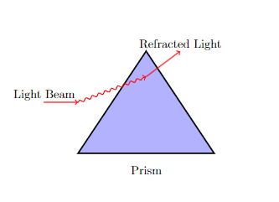
A beam of light passing through a prism |  |  |  |  |  |  | \documentclass{article} \usepackage{tikz} \usetikzlibrary{snakes} \begin{document} \begin{tikzpicture} % Draw the prism \filldraw[fill=blue!30, draw=black, very thick] (0,0) -- (4,0) -- (2,3) -- cycle; % Draw the incoming light beam \draw[thick, ->, red] (-1,1.5) -- (0,1.5); % Draw the refracted beam inside the prism \draw[thick, snake=snake, segment amplitude=0.4mm, segment length=2mm, line after snake=1mm, ->, red] (0,1.5) -- (2,2.25); % Draw the outgoing beam \draw[thick, ->, red] (2,2.25) -- (3,3); % Optionally add labels to describe the scenario \node at (2,-0.5) {Prism}; \node at (-1,1.7) {Light Beam}; \node at (3,3.2) {Refracted Light}; \end{tikzpicture} \end{document} |  | 2 | object modeling

person | \documentclass[tikz,border=3.14mm]{standalone} \usepackage{tikzpeople} \begin{document} \begin{tikzpicture} \fill[gray!30] (-1,-1) rectangle (4,1); \node[alice,shift={(1,0.25)},minimum width=1.5cm] (alice) {}; \end{tikzpicture} \end{document}

