Sheet1
Caption from Datikz | Tikz from Datikz | Image from Datikz | Rough Annotation | Modified Caption | Modified Tikz_1 | Modified Image_1 | Modified Tikz_2 | Modified Image_2 | Modified Tikz_3 | Modified Image_3 | GPT4_Tikz | GPT4_Image
Vertically center a'matrix of math nodes' on the baseline, with the equal sign in the middle of both rows. The image consists of a white background with several equations displayed on it. The equations are written using mathematical notation, and they appear in pairs, each pair showing a different set of numbers. The numbers within these equations are written in a variety of styles, including some that are written as decimals and others that are presented as fractions. Overall, the image conveys a sense of mathematical exploration and discovery. | \documentclass[a4paper]{article} \usepackage{amsmath} \usepackage{tikz} \usetikzlibrary{matrix} \usetikzlibrary{calc} \tikzset{% tikz matrix/.style={ matrix of math nodes, minimum size=12pt, row sep=1pt, column sep=1pt, left delimiter={\lbrack}, right delimiter={\rbrack}, inner xsep=0pt, nodes in empty cells, nodes={font=\footnotesize}, }, } \begin{document} \begin{equation*} M = \begin{tikzpicture}[baseline={($(m-1-1)!.5!(m-2-1)$)}] \matrix (m)[tikz matrix]{ 1 & 2 & 9 & 3 \\ 1 & -3 & -6 & 3 \\ }; \end{tikzpicture} \end{equation*} \begin{equation*} M = \begin{tikzpicture}[baseline={([yshift=-.5ex]$(m-1-1)!.5!(m-2-1)$)}] \matrix (m)[tikz matrix]{ 1 & 2 & 9 & 3 \\ 1 & -3 & -6 & 3 \\ }; \end{tikzpicture} \end{equation*} \end{document} |  | matrix | Matrix M is right above Matrix N. Both of them have dimensions $2 \times 4$. The first row of M is 1, 2, 9, and 3. The second row of M is 1, -3, -6, and 3. The first row of N is 1, 5, -9, and 3. The second row of N is 1, -3, -6, and 3. | \documentclass{article} \usepackage{amsmath} \begin{document} \[ M = \begin{bmatrix} 1 & 2 & 9 & 3 \\ 1 & -3 & -6 & 3 \end{bmatrix} \] \[ N = \begin{bmatrix} 1 & 5 & -9 & 3 \\ 1 & -3 & -6 & 3 \end{bmatrix} \] \end{document} |  |  |  |  |  | \documentclass{article} \usepackage{amsmath} % Required for math features \begin{document} % Display Matrix M Matrix M: \[ M = \begin{bmatrix} 1 & 2 & 9 & 3 \\ 1 & -3 & -6 & 3 \end{bmatrix} \] % Display Matrix N Matrix N: \[ N = \begin{bmatrix} 1 & 5 & -9 & 3 \\ 1 & -3 & -6 & 3 \end{bmatrix} \] \end{document}
A visually appealing and accurate reproduction of concentric multiple half-spheres using pure TikZ code. | 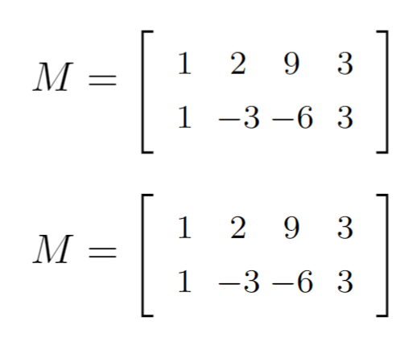 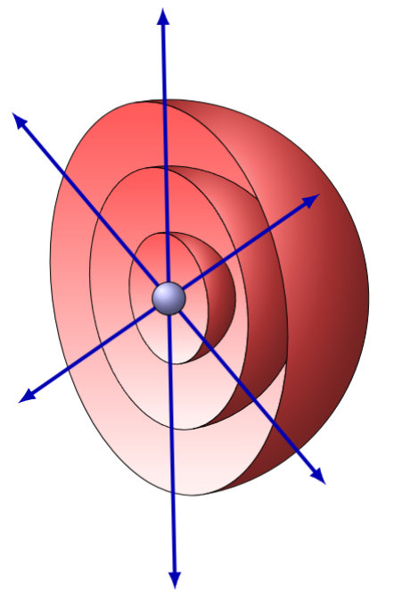 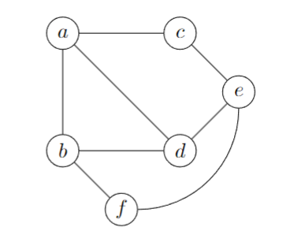 \documentclass[tikz,border=2mm]{standalone} \usetikzlibrary{3d,} % 'canvas is...' options \usetikzlibrary{perspective} % isometric view \begin{document} \begin{tikzpicture}[isometric view,rotate=-20] % sphere, inner \foreach\i in {3,2,1} \draw[canvas is yz plane at x=0,top color=red!70] (0,0) circle (\i); % sphere, outer \foreach\i in {1,2,3} \draw[shading=ball,ball color=red!70] (120:\i cm) arc (120:-60:\i cm) {[canvas is yz plane at x=0] arc (225: 45:\i)}; % rays \foreach\i in {0,60,120} \draw[canvas is yz plane at x=0,blue!70!black,ultra thick,latex-latex] (\i:4.5) -- (\i+180:4.5); \draw[shading=ball,ball color=blue!30] (0,0) circle (0.25cm); \end{tikzpicture} \end{document} |  | geometric shape | Three nested hemispheres with a small blue ball in the middle. | 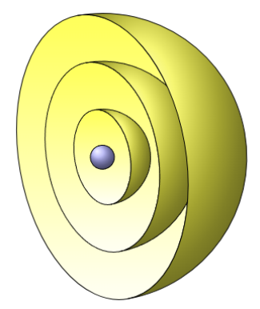 \documentclass[tikz,border=2mm]{standalone} \usetikzlibrary{3d,} \usetikzlibrary{perspective} \begin{document} \begin{tikzpicture}[isometric view,rotate=-20] sphere, inner \foreach\i in {3,2,1} \draw[canvas is yz plane at x=0,top color=yellow!70] (0,0) circle (\i); sphere, outer \foreach\i in {1,2,3} \draw[shading=ball,ball color=yellow!70] (120:\i cm) arc (120:-60:\i cm) {[canvas is yz plane at x=0] arc (225: 45:\i)}; \draw[shading=ball,ball color=blue!30] (0,0) circle (0.25cm); \end{tikzpicture} \end{document} | 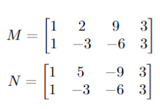 | 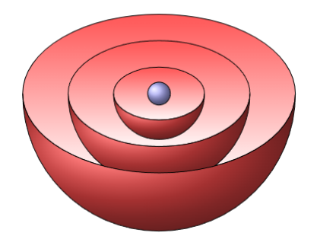 \documentclass[tikz,border=2mm]{standalone} \usetikzlibrary{3d,} \usetikzlibrary{perspective} \begin{document} \begin{tikzpicture}[isometric view,rotate=-120] sphere, inner \foreach\i in {3,2,1} \draw[canvas is yz plane at x=0,top color=red!70] (0,0) circle (\i); sphere, outer \foreach\i in {1,2,3} \draw[shading=ball,ball color=red!70] (120:\i cm) arc (120:-60:\i cm) {[canvas is yz plane at x=0] arc (225: 45:\i)}; \draw[shading=ball,ball color=blue!30] (0,0) circle (0.25cm); \end{tikzpicture} \end{document} |  | 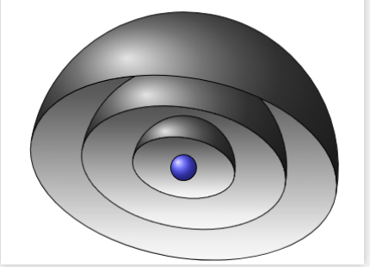 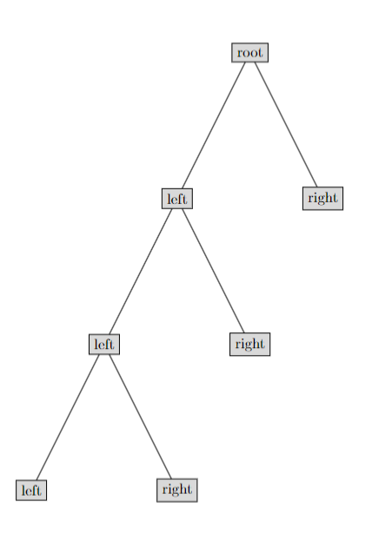 \documentclass[tikz,border=2mm]{standalone} \usetikzlibrary{3d,} \usetikzlibrary{perspective} \begin{document} \begin{tikzpicture}[isometric view,rotate=50] sphere, inner \foreach\i in {3,2,1} \draw[canvas is yz plane at x=0,top color=black!70] (0,0) circle (\i); sphere, outer \foreach\i in {1,2,3} \draw[shading=ball,ball color=black!70] (120:\i cm) arc (120:-60:\i cm) {[canvas is yz plane at x=0] arc (225: 45:\i)}; \draw[shading=ball,ball color=blue!70] (0,0) circle (0.25cm); \end{tikzpicture} \end{document} |  | 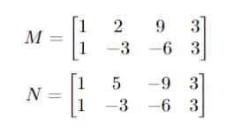  \documentclass{article} \usepackage{tikz} \usetikzlibrary{3d} \begin{document} \begin{tikzpicture} % Define the style for the spheres \tikzset{sphere style/.style={ball color=#1, opacity=0.6}} % Draw the outermost hemisphere \shade[sphere style=red] (0,0) circle (3cm); \begin{scope} \clip (0,0) circle (3cm); \fill[white] (0,0) circle (3cm); \fill[white] (0, 1.5) circle (2.5cm); \end{scope} % Draw the middle hemisphere \shade[sphere style=green] (0,0) circle (2cm); \begin{scope} \clip (0,0) circle (2cm); \fill[white] (0, 1) circle (1.5cm); \end{scope} % Draw the innermost hemisphere \shade[sphere style=yellow] (0,0) circle (1cm); \begin{scope} \clip (0,0) circle (1cm); \fill[white] (0, 0.5) circle (0.5cm); \end{scope} % Draw the small blue ball in the center \shade[sphere style=blue] (0,0) circle (0.5cm); \end{tikzpicture} \end{document}
A comb-like order | 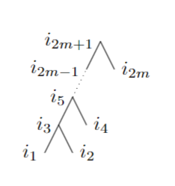 \documentclass[11pt]{article} \usepackage{amsmath, amsthm, amssymb, enumerate} \usepackage{tikz} \usetikzlibrary{decorations,decorations.pathmorphing} \begin{document} \begin{tikzpicture} % Intervals \foreach \a / \t in { 70/I_r', 180/I_q', 270/I_p' } { \draw (\a-15:24mm) -- (\a-15:26mm); \draw (\a+15:24mm) -- (\a+15:26mm); \draw (\a-15:26mm) arc (\a-15:\a+15:26mm); \draw (\a:31mm) node {{$\t$}}; } % Semi triangle \draw [fill=black] (60:25mm) circle (0.5mm); \draw [fill=black] (80:25mm) circle (0.5mm); \draw (60:29mm) node {$z_2$}; \draw (80:29mm) node {$z_1$}; \draw [fill=black] (170:25mm) circle (0.5mm); \draw [fill=black] (190:25mm) circle (0.5mm); \draw (170:29mm) node {$y_2$}; \draw (190:29mm) node {$y_1$}; \draw [fill=black] (270:25mm) circle (0.5mm); \draw [fill=black] (280:25mm) circle (0.5mm); \draw (260:29mm) node {$x_2$}; \draw (280:29mm) node {$x_1$}; \draw (80:25mm) -- (270:25mm); \draw (60:25mm) -- (170:25mm); \draw (190:25mm) -- (280:25mm); % Circle \draw (0:25mm) arc (0:360:25mm); \end{tikzpicture} \end{document} |  | tree | A four-layer full binary tree with an entirely left-branching structure. | \documentclass{amsart} \usepackage{amsmath, amssymb, amsthm} \usepackage{tikz} \begin{document} \begin{tikzpicture} \begin{scope}[scale=0.5] \coordinate [label=left:$i_1$] (i1) at (0,0); \coordinate [label=right:$i_2$] (i2) at (1,0); \coordinate [label=left:$i_3$] (i3) at (0.5,1); \coordinate [label=right:$i_4$] (i4) at (1.5,1); \coordinate [label=left:$i_5$] (i5) at (1,2); \coordinate [label=right:$i_6$] (i6) at (2,2); \coordinate [label=left:$i_7$] (i7) at (1.5,3); \draw (i1) -- (i5); \draw (i3) -- (i2); \draw (i5) -- (i4); \draw (i5) -- (i7);\draw (i6) -- (i7);\end{scope} \end{tikzpicture} \end{document} | 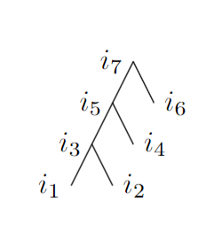 | 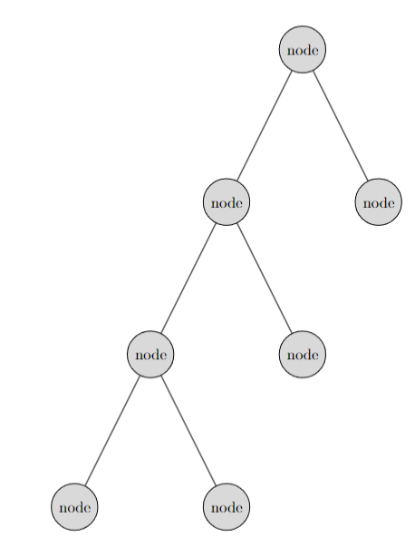 \documentclass{article} \usepackage{tikz} \begin{document} \begin{tikzpicture}[sibling distance=10em, level distance=10em, every node/.style = {shape=circle, draw, align=center, fill=gray!30}] \node {node} child { node {node} child { node {node} child { node {node} } child { node {node} } } child { node {node} } } child { node {node} }; \end{tikzpicture} \end{document} |  | \documentclass{article} \usepackage{tikz} \begin{document} \begin{tikzpicture}[sibling distance=10em, level distance=10em, every node/.style = {shape=rectangle, draw, align=center, fill=gray!30}] \node {root} child { node {left} child { node {left} child { node {left} } child { node {right} } } child { node {right} } } child { node {right} }; \end{tikzpicture} \end{document} |  | \documentclass{article} \usepackage{tikz} \begin{document} \begin{tikzpicture}[sibling distance=10em, level distance=10em, every node/.style = {shape=circle, draw, align=center}] % Draw the tree nodes and connections \node {root} child { node {left} child { node {left} child { node {left} } child[missing] } child[missing] } child[missing]; \end{tikzpicture} \end{document} | 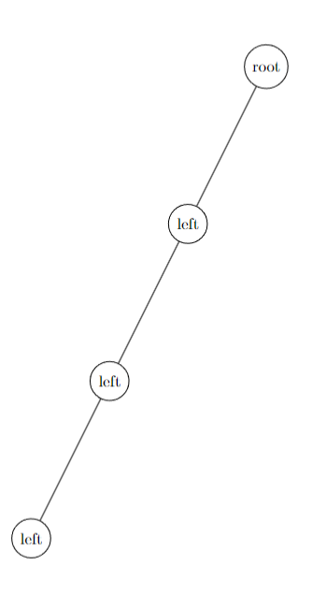
Semi-triangles of Type A and Type B respectively. | 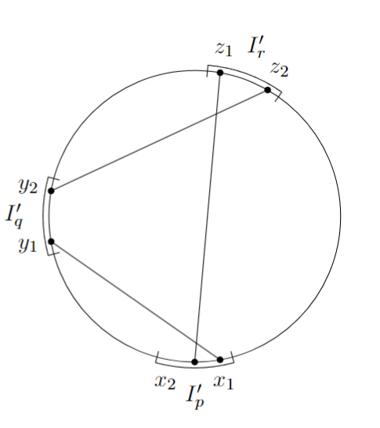 \documentclass[11pt]{article} \usepackage{amsmath, amsthm, amssymb, enumerate} \usepackage{tikz} \usetikzlibrary{decorations,decorations.pathmorphing} \begin{document} \begin{tikzpicture} % Intervals \foreach \a / \t in { 70/I_r', 180/I_q', 270/I_p' } { \draw (\a-15:24mm) -- (\a-15:26mm); \draw (\a+15:24mm) -- (\a+15:26mm); \draw (\a-15:26mm) arc (\a-15:\a+15:26mm); \draw (\a:31mm) node {{$\t$}}; } % Semi triangle \draw [fill=black] (60:25mm) circle (0.5mm); \draw [fill=black] (80:25mm) circle (0.5mm); \draw (60:29mm) node {$z_2$}; \draw (80:29mm) node {$z_1$}; \draw [fill=black] (170:25mm) circle (0.5mm); \draw [fill=black] (190:25mm) circle (0.5mm); \draw (170:29mm) node {$y_2$}; \draw (190:29mm) node {$y_1$}; \draw [fill=black] (270:25mm) circle (0.5mm); \draw [fill=black] (280:25mm) circle (0.5mm); \draw (260:29mm) node {$x_2$}; \draw (280:29mm) node {$x_1$}; \draw (80:25mm) -- (270:25mm); \draw (60:25mm) -- (170:25mm); \draw (190:25mm) -- (280:25mm); % Circle \draw (0:25mm) arc (0:360:25mm); \end{tikzpicture} \end{document} |  | geometric | There are three groups of small points on the edge of a circle, x1 and x2, y1 and y2, z1 and z2, where the line segments x1-y1 and x2-z1 have an intersection, y2-z2 and x2-z1 intersect, but x1-yz and y2-z2 do not intersect. | 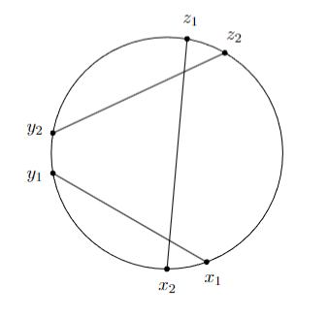 \documentclass[11pt]{article} \usepackage{amsmath, amsthm, amssymb, enumerate} \usepackage{tikz} \usetikzlibrary{decorations,decorations.pathmorphing} \begin{document} \begin{tikzpicture} Intervals Semi triangle \draw [fill=black] (60:25mm) circle (0.5mm); \draw [fill=black] (80:25mm) circle (0.5mm); \draw (60:29mm) node {$z_2$}; \draw (80:29mm) node {$z_1$}; \draw [fill=black] (170:25mm) circle (0.5mm); \draw [fill=black] (190:25mm) circle (0.5mm); \draw (170:29mm) node {$y_2$}; \draw (190:29mm) node {$y_1$}; \draw [fill=black] (270:25mm) circle (0.5mm); \draw [fill=black] (290:25mm) circle (0.5mm); \draw (270:29mm) node {$x_2$}; \draw (290:29mm) node {$x_1$}; \draw (80:25mm) -- (270:25mm); \draw (60:25mm) -- (170:25mm); \draw (190:25mm) -- (290:25mm); Circle \draw (0:25mm) arc (0:360:25mm); \end{tikzpicture} \end{document} |  | 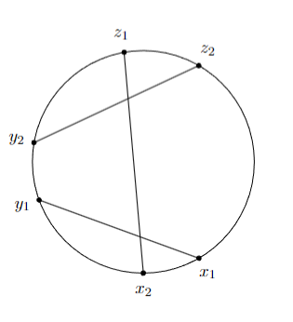 \documentclass[11pt]{article} \usepackage{amsmath, amsthm, amssymb, enumerate} \usepackage{tikz} \usetikzlibrary{decorations,decorations.pathmorphing} \begin{document} \begin{tikzpicture} Intervals Semi triangle \draw [fill=black] (60:25mm) circle (0.5mm); \draw [fill=black] (100:25mm) circle (0.5mm); \draw (60:29mm) node {$z_2$}; \draw (100:29mm) node {$z_1$}; \draw [fill=black] (170:25mm) circle (0.5mm); \draw [fill=black] (200:25mm) circle (0.5mm); \draw (170:29mm) node {$y_2$}; \draw (200:29mm) node {$y_1$}; \draw [fill=black] (270:25mm) circle (0.5mm); \draw [fill=black] (300:25mm) circle (0.5mm); \draw (270:29mm) node {$x_2$}; \draw (300:29mm) node {$x_1$}; \draw (100:25mm) -- (270:25mm); \draw (60:25mm) -- (170:25mm); \draw (200:25mm) -- (300:25mm); Circle \draw (0:25mm) arc (0:360:25mm); \end{tikzpicture} \end{document} |  | 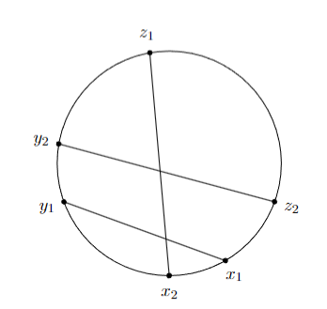 \documentclass[11pt]{article} \usepackage{amsmath, amsthm, amssymb, enumerate} \usepackage{tikz} \usetikzlibrary{decorations,decorations.pathmorphing} \begin{document} \begin{tikzpicture} Intervals Semi triangle \draw [fill=black] (-20:25mm) circle (0.5mm); \draw [fill=black] (100:25mm) circle (0.5mm); \draw (-20:29mm) node {$z_2$}; \draw (100:29mm) node {$z_1$}; \draw [fill=black] (170:25mm) circle (0.5mm); \draw [fill=black] (200:25mm) circle (0.5mm); \draw (170:29mm) node {$y_2$}; \draw (200:29mm) node {$y_1$}; \draw [fill=black] (270:25mm) circle (0.5mm); \draw [fill=black] (300:25mm) circle (0.5mm); \draw (270:29mm) node {$x_2$}; \draw (300:29mm) node {$x_1$}; \draw (100:25mm) -- (270:25mm); \draw (-20:25mm) -- (170:25mm); \draw (200:25mm) -- (300:25mm); Circle \draw (0:25mm) arc (0:360:25mm); \end{tikzpicture} \end{document} |  | \documentclass{article} \usepackage{tikz} \begin{document} \begin{tikzpicture} % Draw the circle \draw (0,0) circle (2cm); % Define points \coordinate (x1) at (45:2cm); \coordinate (x2) at (225:2cm); \coordinate (y1) at (135:2cm); \coordinate (y2) at (315:2cm); \coordinate (z1) at (90:2cm); \coordinate (z2) at (270:2cm); % Draw points \fill (x1) circle (2pt) node[above right] {x1}; \fill (x2) circle (2pt) node[below left] {x2}; \fill (y1) circle (2pt) node[above left] {y1}; \fill (y2) circle (2pt) node[below right] {y2}; \fill (z1) circle (2pt) node[above] {z1}; \fill (z2) circle (2pt) node[below] {z2}; % Draw lines \draw[red, thick] (x1) -- (y1); \draw[blue, thick] (z1) -- (x2); \draw[green, thick] (y2) -- (z2); % Label intersection points \node at (0,0) [red] {\textbullet}; \node at (0,-0.5) [blue] {\textbullet}; \end{tikzpicture} \end{document} | 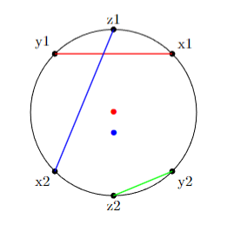
Contradicting cycles for a red edge, and two crossing blue edges in H. | \documentclass[11pt]{article} \usepackage{amsmath, amsthm, amssymb, enumerate} \usepackage{tikz} \usetikzlibrary{decorations,decorations.pathmorphing} \begin{document} \begin{tikzpicture} % Intervals \foreach \a/\j/\k in { 0/y_2/y_1, 70/y_4/y_3, 180/x_2/x_1, 270/x_4/x_3 } { \draw (\a-15:24mm) -- (\a-15:26mm); \draw (\a-12:29mm) node {{$\j$}}; \draw (\a+15:24mm) -- (\a+15:26mm); \draw (\a+12:29mm) node {{$\k$}}; \draw (\a-15:26mm) arc (\a-15:\a+15:26mm); } % Two blue \draw [fill=black] (-10:25mm) circle (0.5mm); \draw [fill=black] (10:25mm) circle (0.5mm); \draw [fill=black] (60:25mm) circle (0.5mm); \draw [fill=black] (80:25mm) circle (0.5mm); \draw [fill=black] (170:25mm) circle (0.5mm); \draw [fill=black] (190:25mm) circle (0.5mm); \draw [fill=black] (260:25mm) circle (0.5mm); \draw [fill=black] (280:25mm) circle (0.5mm); \draw [thick, decorate, decoration={snake, amplitude=.2mm, segment length=1mm}] (-10:25mm) -- (190:25mm); \draw [thick, decorate, decoration={snake, amplitude=.2mm, segment length=1mm}] (10:25mm) -- (170:25mm); \draw [thick, decorate, decoration={snake, amplitude=.2mm, segment length=1mm}] (60:25mm) -- (280:25mm); \draw [thick, decorate, decoration={snake, amplitude=.2mm, segment length=1mm}] (80:25mm) -- (260:25mm); % Circle \draw (-10:25mm) arc (-10:10:25mm); \draw (60:25mm) arc (60:80:25mm); \draw (170:25mm) arc (170:190:25mm); \draw (260:25mm) arc (260:280:25mm); \draw [thick, decorate, decoration={snake, amplitude=.2mm, segment length=1mm}] (10:25mm) arc (10:60:25mm); \draw [thick, decorate, decoration={snake, amplitude=.2mm, segment length=1mm}] (80:25mm) arc (80:170:25mm); \draw [thick, decorate, decoration={snake, amplitude=.2mm, segment length=1mm}] (190:25mm) arc (190:260:25mm); \draw [thick, decorate, decoration={snake, amplitude=.2mm, segment length=1mm}] (280:25mm) arc (280:350:25mm); \end{tikzpicture} \end{document} |  | geometric | There are four sets of points on the boundary of the circle, (x1, x2), (x3, x4), (y1, y2) and (y3, y4), where the line segment x4-y3 is parallel to x3-y4, and the line segment x1-y2 is parallel to x2-y1. These four line segments have four intersection points. | \documentclass[11pt]{article} \usepackage{amsmath, amsthm, amssymb, enumerate} \usepackage{tikz} \usetikzlibrary{decorations,decorations.pathmorphing} \begin{document} \begin{tikzpicture} Intervals \foreach \a/\j/\k in { 0/y_2/y_1, 70/y_4/y_3, 180/x_2/x_1, 270/x_4/x_3 } { \draw (\a-12:29mm) node {{$\j$}}; \draw (\a+12:29mm) node {{$\k$}}; } Two blue \draw [fill=black] (-10:25mm) circle (0.5mm); \draw [fill=black] (10:25mm) circle (0.5mm); \draw [fill=black] (60:25mm) circle (0.5mm); \draw [fill=black] (80:25mm) circle (0.5mm); \draw [fill=black] (170:25mm) circle (0.5mm); \draw [fill=black] (190:25mm) circle (0.5mm); \draw [fill=black] (260:25mm) circle (0.5mm); \draw [fill=black] (280:25mm) circle (0.5mm); \draw (-10:25mm) -- (190:25mm); \draw (10:25mm) -- (170:25mm); \draw (60:25mm) -- (280:25mm); \draw (80:25mm) -- (260:25mm); Circle \draw (-10:25mm) arc (-10:10:25mm); \draw (60:25mm) arc (60:80:25mm); \draw (170:25mm) arc (170:190:25mm); \draw (260:25mm) arc (260:280:25mm); \draw (10:25mm) arc (10:60:25mm); \draw (80:25mm) arc (80:170:25mm); \draw (190:25mm) arc (190:260:25mm); \draw (280:25mm) arc (280:350:25mm); \end{tikzpicture} \end{document} |  |  |  |  |  | \documentclass{article} \usepackage{tikz} \begin{document} \begin{tikzpicture} % Draw the circle \draw (0,0) circle (3cm); % Define points on the circle \coordinate (x1) at (45:3cm); \coordinate (x2) at (135:3cm); \coordinate (x3) at (225:3cm); \coordinate (x4) at (315:3cm); \coordinate (y1) at (80:3cm); \coordinate (y2) at (160:3cm); \coordinate (y3) at (240:3cm); \coordinate (y4) at (320:3cm); % Draw points \fill (x1) circle (2pt) node[above right] {x1}; \fill (x2) circle (2pt) node[above left] {x2}; \fill (x3) circle (2pt) node[below left] {x3}; \fill (x4) circle (2pt) node[below right] {x4}; \fill (y1) circle (2pt) node[above right] {y1}; \fill (y2) circle (2pt) node[above left] {y2}; \fill (y3) circle (2pt) node[below left] {y3}; \fill (y4) circle (2pt) node[below right] {y4}; % Draw lines and mark intersections \draw[thick] (x4) -- (y3) node[midway, below] {Parallel}; \draw[thick] (x3) -- (y4) node[midway, above] {Parallel}; \draw[thick] (x1) -- (y2) node[midway, above] {Parallel}; \draw[thick] (x2) -- (y1) node[midway, below] {Parallel}; % Calculate intersections (approximately) \path [name path=line1] (x4) -- (y3); \path [name path=line2] (x3) -- (y4); \path [name path=line3] (x1) -- (y2); \path [name path=line4] (x2) -- (y1); \path [name intersections={of=line1 and line3, by=i1}]; \path [name intersections={of=line1 and line4, by=i2}]; \path [name intersections={of=line2 and line3, by=i3}]; \path [name intersections={of=line2 and line4, by=i4}]; \fill [red] (i1) circle (2pt) node[anchor=south] {I1}; \fill [red] (i2) circle (2pt) node[anchor=north] {I2}; \fill [red] (i3) circle (2pt) node[anchor=south] {I3}; \fill [red] (i4) circle (2pt) node[anchor=north] {I4}; \end{tikzpicture} \end{document}
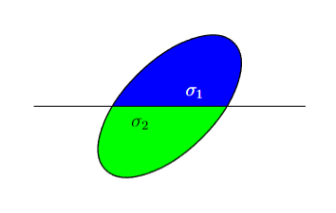
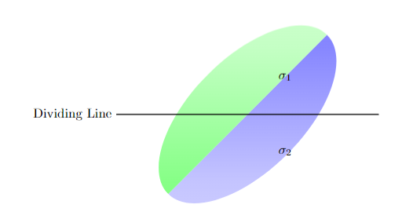
Elementary oriented cube. | \documentclass{article} \usepackage{amsmath,amssymb} \usepackage{tikz} \newcommand{\bde}{\boldsymbol{e}} \newcommand{\drawDot}[1]{ \shade[ball color=black] (#1) circle (0.08); } \newcommand{\bn}{\boldsymbol{n}} \begin{document} \begin{tikzpicture}[every node/.style={minimum size=1cm},scale=2] %%% back faces %%% %% left face %% \begin{scope}[every node/.append style={xslant=0,yslant=1},xslant=0,yslant=1] \filldraw[fill=gray!20,fill opacity=0.5] (0,1) rectangle (0.6,0); \end{scope} %% bottom face %% \begin{scope}[every node/.append style={xslant=1,yslant=-0.2},xslant=1,yslant=-0.2] \filldraw[fill=gray!50,fill opacity=0.5] (0,0) rectangle (1.25,0.6); \end{scope} %% back face %% \begin{scope}[every node/.append style={xslant=0,yslant=-0.25},xslant=0,yslant=-0.25] \filldraw[fill=gray!20,fill opacity=0.5] (0.6,0.75) rectangle (1.6,1.75); %%% Note that the central point in this grid is at 0.8,0.875 %%% \end{scope} %%% front faces %%% %% right face %% \begin{scope}[every node/.append style={xslant=0,yslant=1},xslant=0,yslant=1] \filldraw[fill=gray!20,fill opacity=0.5] (1,-0.25) rectangle (1.6,-1.25); \end{scope} %% top face %% \begin{scope}[every node/.append style={xslant=1,yslant=-0.2},xslant=1,yslant=-0.2] \filldraw[fill=gray!50,fill opacity=0.5] (-1,0.8) rectangle (0.25,1.4); \end{scope} %% front face %% \begin{scope}[every node/.append style={xslant=0,yslant=-0.25},xslant=0,yslant=-0.25] \filldraw[fill=gray!20,fill opacity=0.5] (0,0) rectangle (1,1); \end{scope} %% circles %% \draw[very thick,->] (0,0) -- (0,1); \node at (0,1.2) {$\bde_{j}$}; \draw[very thick,->] (0,0) -- (0.6,0.6); \node at (0.75,0.7) {$\bde_{i}$}; \draw[very thick,->] (0,0) -- (1,-0.25); \node at (1.2,-0.35) {$\bde_{k}$}; \drawDot{0,0} \node[white] at (0,0) {$\bn$}; \end{tikzpicture} \end{document} |  | geometric | A cube in three-dimensional coordinates | \documentclass{article} \usepackage{amsmath,amssymb} \usepackage{tikz} \begin{document} \begin{tikzpicture}[every node/.style={minimum size=1cm},scale=2] \begin{scope}[every node/.append style={xslant=0,yslant=1},xslant=0,yslant=1] \filldraw[fill=gray!20,fill opacity=0.5] (0,1) rectangle (0.6,0); \end{scope} bottom face \begin{scope}[every node/.append style={xslant=1,yslant=-0.2},xslant=1,yslant=-0.2] \filldraw[fill=gray!50,fill opacity=0.5] (0,0) rectangle (1.25,0.6); \end{scope} back face \begin{scope}[every node/.append style={xslant=0,yslant=-0.25},xslant=0,yslant=-0.25] \filldraw[fill=gray!20,fill opacity=0.5] (0.6,0.75) rectangle (1.6,1.75); Note that the central point in this grid is at 0.8,0.875 \end{scope} front faces right face \begin{scope}[every node/.append style={xslant=0,yslant=1},xslant=0,yslant=1] \filldraw[fill=gray!20,fill opacity=0.5] (1,-0.25) rectangle (1.6,-1.25); \end{scope} \begin{scope}[every node/.append style={xslant=1,yslant=-0.2},xslant=1,yslant=-0.2] \filldraw[fill=gray!50,fill opacity=0.5] (-1,0.8) rectangle (0.25,1.4); \end{scope} front face \begin{scope}[every node/.append style={xslant=0,yslant=-0.25},xslant=0,yslant=-0.25] \filldraw[fill=gray!20,fill opacity=0.5] (0,0) rectangle (1,1); \end{scope} circles \draw[very thick,->] (0,0) -- (0,1); \node at (0,1.2) {${z}$}; \draw[very thick,->] (0,0) -- (0.6,0.6); \node at (0.75,0.7) {${y}$}; \draw[very thick,->] (0,0) -- (1,-0.25); \node at (1.2,-0.35) {${x}$}; \end{tikzpicture} \end{document} |  | \documentclass{article} \usepackage{tikz} \usetikzlibrary{3d} % Needed for 3D drawing \begin{document} \begin{tikzpicture}[scale=2, line join=bevel] % Define the perspective \pgfmathsetmacro{\cubex}{1} \pgfmathsetmacro{\cubey}{1} \pgfmathsetmacro{\cubez}{1} \coordinate (O) at (0,0,0); % Draw axes \draw[thick,->] (O) -- ++(1.5,0,0) node[anchor=north east]{$x$}; % x-axis \draw[thick,->] (O) -- ++(0,1.5,0) node[anchor=north west]{$z$}; % y-axis \draw[thick,->] (O) -- ++(0,0,1.5) node[anchor=south]{$y$}; % z-axis % Draw cube \draw[thick, fill=gray!20] (O) -- ++(\cubex,0,0) -- ++(0,\cubey,0) -- ++(-\cubex,0,0) -- cycle; % bottom face \draw[thick, fill=gray!30] (O) -- ++(\cubex,0,0) -- ++(0,0,\cubez) -- ++(-\cubex,0,0) -- cycle; % front face \draw[thick, fill=gray!10] (O) -- ++(0,\cubey,0) -- ++(0,0,\cubez) -- ++(0,-\cubey,0) -- cycle; % right face \draw (0.6,0.6) -- (1,1); % Draw the upper faces \draw[thick] (\cubex,0,0) -- ++(0,0,\cubez); \draw[thick] (0,\cubey,0) -- ++(0,0,\cubez); \draw[thick] (0,0,\cubez) -- ++(\cubex,0,0) -- ++(0,\cubey,0) -- ++(-\cubex,0,0) -- cycle; \end{tikzpicture} \end{document} |  | \documentclass{article} \usepackage{amsmath,amssymb} \usepackage{tikz} \begin{document} \begin{tikzpicture}[every node/.style={minimum size=1cm},scale=2] \begin{scope}[every node/.append style={xslant=0,yslant=1},xslant=0,yslant=1] \filldraw[fill=gray!20,fill opacity=0.5] (0,1) rectangle (0.6,0); \end{scope} bottom face \begin{scope}[every node/.append style={xslant=1,yslant=-0.2},xslant=1,yslant=-0.2] \filldraw[fill=gray!50,fill opacity=0.5] (0,0) rectangle (1.25,0.6); \end{scope} back face \begin{scope}[every node/.append style={xslant=0,yslant=-0.25},xslant=0,yslant=-0.25] \filldraw[fill=gray!20,fill opacity=0.5] (0.6,0.75) rectangle (1.6,1.75); Note that the central point in this grid is at 0.8,0.875 \end{scope} front faces right face \begin{scope}[every node/.append style={xslant=0,yslant=1},xslant=0,yslant=1] \filldraw[fill=gray!20,fill opacity=0.5] (1,-0.25) rectangle (1.6,-1.25); \end{scope} \begin{scope}[every node/.append style={xslant=1,yslant=-0.2},xslant=1,yslant=-0.2] \filldraw[fill=gray!50,fill opacity=0.5] (-1,0.8) rectangle (0.25,1.4); \end{scope} front face \begin{scope}[every node/.append style={xslant=0,yslant=-0.25},xslant=0,yslant=-0.25] \filldraw[fill=gray!20,fill opacity=0.5] (0,0) rectangle (1,1); \end{scope} circles \draw[very thick,->] (0,0) -- (0,1.5); \node at (0.1,1.4) {${z}$}; \draw[very thick,->] (0,0) -- (1,1); \node at (0.95,1.2) {${y}$}; \draw[very thick,->] (0,0) -- (1.5,-0.37); \node at (1.2,-0.45) {${x}$}; \end{tikzpicture} \end{document} |  | \documentclass{article} \usepackage{tikz} \usetikzlibrary{3d} % Needed for 3D drawing \begin{document} \begin{tikzpicture}[scale=2, line join=bevel] % Define the perspective \pgfmathsetmacro{\cubex}{1} \pgfmathsetmacro{\cubey}{1} \pgfmathsetmacro{\cubez}{1} \coordinate (O) at (0,0,0); % Draw axes \draw[thick,->] (O) -- ++(1.5,0,0) node[anchor=north east]{$x$}; % x-axis \draw[thick,->] (O) -- ++(0,1.5,0) node[anchor=north west]{$y$}; % y-axis \draw[thick,->] (O) -- ++(0,0,1.5) node[anchor=south]{$z$}; % z-axis % Draw cube \draw[thick, fill=gray!20] (O) -- ++(\cubex,0,0) -- ++(0,\cubey,0) -- ++(-\cubex,0,0) -- cycle; % bottom face \draw[thick, fill=gray!30] (O) -- ++(\cubex,0,0) -- ++(0,0,\cubez) -- ++(-\cubex,0,0) -- cycle; % front face \draw[thick, fill=gray!10] (O) -- ++(0,\cubey,0) -- ++(0,0,\cubez) -- ++(0,-\cubey,0) -- cycle; % right face % Draw the upper faces \draw[thick] (\cubex,0,0) -- ++(0,0,\cubez); \draw[thick] (0,\cubey,0) -- ++(0,0,\cubez); \draw[thick] (0,0,\cubez) -- ++(\cubex,0,0) -- ++(0,\cubey,0) -- ++(-\cubex,0,0) -- cycle; \end{tikzpicture} \end{document}
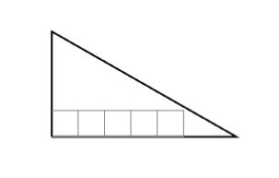
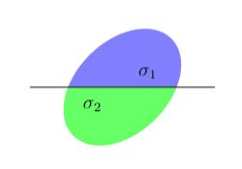
Diagram for Lemma pasting-lemma-ac. | \documentclass[a4paper,12pt]{amsart} \usepackage{latexsym, amsfonts, amsmath, amsthm, amssymb, verbatim} \usepackage{tikz, float} \usetikzlibrary{plotmarks} \begin{document} \begin{tikzpicture}[scale=1] % the intersection point is at (11,2) \begin{scope} \clip (0,2) rectangle (6,4); \fill[blue!20,rotate around={45:(3,2)}] (3,2) ellipse (2cm and 1cm); \end{scope} \begin{scope} \clip (0,0) rectangle (6,2); \fill[green!20,rotate around={45:(3,2)}] (3,2) ellipse (2cm and 1cm); \end{scope} \draw[thick, rotate around={45:(3,2)}] (3,2) ellipse (2cm and 1cm); \draw (0,2) -- (6,2); \draw (3.2,2.3) node[right] {$\sigma_1$}; \draw (2,1.6) node[right] {$\sigma_2$}; \end{tikzpicture} \end{document} |  | geometric | An ellipse rotated 45 degrees counterclockwise. A horizontal line passes through it and divides the ellipse into two parts of equal area. The upper part is blue and marked as sigma1, and the lower part is green and marked as sigma2. | \documentclass[a4paper,12pt]{amsart} \usepackage{latexsym, amsfonts, amsmath, amsthm, amssymb, verbatim} \usepackage{tikz, float} \usetikzlibrary{plotmarks} \begin{document} \begin{tikzpicture}[scale=1] the intersection point is at (11,2) \begin{scope} \clip (0,2) rectangle (6,4); \fill[blue!20,rotate around={45:(3,2)}] (3,2) ellipse (2cm and 1cm); \end{scope} \begin{scope} \clip (0,0) rectangle (6,2); \fill[green!20,rotate around={45:(3,2)}] (3,2) ellipse (2cm and 1cm); \end{scope} \draw[thick, rotate around={45:(3,2)}] (3,2) ellipse (2cm and 1cm); \draw (0,2) -- (6,2); \draw (3.2,2.3) node[right] {$\sigma_1$}; \draw (2,1.6) node[right] {$\sigma_2$}; \end{tikzpicture} \end{document} |  | \documentclass[a4paper,12pt]{amsart} \usepackage{latexsym, amsfonts, amsmath, amsthm, amssymb, verbatim} \usepackage{tikz, float} \usetikzlibrary{plotmarks} \begin{document} \begin{tikzpicture}[scale=1] the intersection point is at (11,2) \begin{scope} \clip (0,2) rectangle (6,4); \fill[blue!,rotate around={45:(3,2)}] (3,2) ellipse (2cm and 1cm); \end{scope} \begin{scope} \clip (0,0) rectangle (6,2); \fill[green!,rotate around={45:(3,2)}] (3,2) ellipse (2cm and 1cm); \end{scope} \draw[thick, rotate around={45:(3,2)}] (3,2) ellipse (2cm and 1cm); \draw (0,2) -- (6,2); \draw (3.2,2.3) node[right,text=white] {$\sigma_1$}; \draw (2,1.6) node[right] {$\sigma_2$}; \end{tikzpicture} \end{document} |  | \documentclass[a4paper,12pt]{amsart} \usepackage{latexsym, amsfonts, amsmath, amsthm, amssymb, verbatim} \usepackage{tikz, float} \usetikzlibrary{plotmarks} \begin{document} \begin{tikzpicture}[scale=1] the intersection point is at (11,2) \begin{scope} \clip (0,2) rectangle (10,6); \fill[blue!50,rotate around={45:(3,2)}] (3,2) ellipse (1.5cm and 1cm); \end{scope} \begin{scope} \clip (0,0) rectangle (6,2); \fill[green!60,rotate around={45:(3,2)}] (3,2) ellipse (1.5cm and 1cm); \end{scope} \draw (1,2) -- (5,2); \draw (3.2,2.3) node[right] {$\sigma_1$}; \draw (2,1.6) node[right] {$\sigma_2$}; \end{tikzpicture} \end{document} |  | \documentclass{article} \usepackage{tikz} \usepackage{amsmath} % For mathematical text \begin{document} \begin{tikzpicture} % Define styles for fill \tikzset{ upper half/.style={top color=blue!50, bottom color=blue!20}, lower half/.style={top color=green!20, bottom color=green!50} } % Draw the rotated ellipse \begin{scope}[rotate=45] \clip (-3,-1.5) rectangle (3,0); % Clip the top half \shade[upper half] (0,0) ellipse [x radius=3cm, y radius=1.5cm]; \end{scope} \begin{scope}[rotate=45] \clip (-3,0) rectangle (3,1.5); % Clip the bottom half \shade[lower half] (0,0) ellipse [x radius=3cm, y radius=1.5cm]; \end{scope} % Draw dividing line \draw[thick] (-3.5,0) -- (3.5,0) node[at start, left] {Dividing Line}; % Add labels \node at (1,1) {\(\sigma_1\)}; \node at (1,-1) {\(\sigma_2\)}; \end{tikzpicture} \end{document}
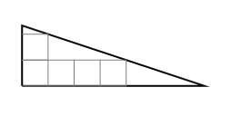
Five unit squares are completely contained in a right triangle of sides 7 and 73, corresponding to a = 7 and b = 3. In other words 5 = V(7,3)(see Definition def:functionW). | \documentclass[reqno,a4paper]{amsart} \usepackage{mathrsfs,amsmath,amssymb,graphicx} \usepackage{tikz} \begin{document} \begin{tikzpicture}[scale=0.6] \draw[very thick] (0,0) -- (7,0) -- (0,2.333) -- (0,0); \foreach \x in {0,...,3} \draw[gray,xshift=\x cm, yshift=0 cm] (0,0) -- (1,0) -- (1,1) -- (0,1) -- (0,0) -- (1,1) -- (1,0) -- (0,1); \draw[gray,xshift=0 cm, yshift=1 cm] (0,0) -- (1,0) -- (1,1) -- (0,1) -- (0,0) -- (1,1) -- (1,0) -- (0,1); \end{tikzpicture} \end{document} |  | geometric | There are five squares with the equal areas in a right triangle | \documentclass[reqno,a4paper]{amsart} \usepackage{mathrsfs,amsmath,amssymb,graphicx} \usepackage{tikz} \begin{document} \begin{tikzpicture}[scale=0.6] \draw[very thick] (0,0) -- (7,0) -- (0,2.333) -- (0,0); \foreach \x in {0,...,3} \draw[gray,xshift=\x cm, yshift=0 cm] (0,0) -- (1,0) -- (1,1) -- (0,1) ; \draw[gray,xshift=0 cm, yshift=1 cm] (0,0) -- (1,0) -- (1,1) -- (0,1) ; \end{tikzpicture} \end{document} |  | \documentclass[reqno,a4paper]{amsart} \usepackage{mathrsfs,amsmath,amssymb,graphicx} \usepackage{tikz} \begin{document} \begin{tikzpicture}[scale=0.6] \draw[very thick] (0,0) -- (7,0) -- (0,4) -- (0,0); \foreach \x in {0,...,4} \draw[gray,xshift=\x cm, yshift=0 cm] (0,0) -- (1,0) -- (1,1) -- (0,1) ; \end{tikzpicture} \end{document} |  | \documentclass[reqno,a4paper]{amsart} \usepackage{mathrsfs,amsmath,amssymb,graphicx} \usepackage{tikz} \begin{document} \begin{tikzpicture}[scale=0.6] \draw[very thick] (0,0) -- (6,0) -- (0,4) -- (0,0); \foreach \x in {0,...,2} \draw[gray,xshift=\x cm, yshift=0 cm] (0,0) -- (1,0) -- (1,1) -- (0,1) ; \foreach \x in {0,...,1} \draw[gray,xshift=\x cm, yshift=1 cm] (0,0) -- (1,0) -- (1,1) -- (0,1) ; \end{tikzpicture} \end{document} |  | \documentclass{article} \usepackage{tikz} \begin{document} \begin{tikzpicture} % Define the size of the squares \def\squaresize{1cm} % Draw the right triangle \draw[thick] (0,0) -- (4*\squaresize,0) -- (0,3*\squaresize) -- cycle; % Draw squares within the triangle % Square in hypotenuse \draw[very thick, fill=gray!30] (0,0) rectangle (\squaresize, \squaresize); \draw[very thick, fill=gray!30] (\squaresize,0) rectangle (2*\squaresize, \squaresize); \draw[very thick, fill=gray!30] (2*\squaresize,0) rectangle (3*\squaresize, \squaresize); \draw[very thick, fill=gray!30] (0,\squaresize) rectangle (\squaresize, 2*\squaresize); \draw[very thick, fill=gray!30] (\squaresize,\squaresize) rectangle (2*\squaresize, 2*\squaresize); % Optionally, label the squares \node at (0.5*\squaresize, 0.5*\squaresize) {1}; \node at (1.5*\squaresize, 0.5*\squaresize) {2}; \node at (2.5*\squaresize, 0.5*\squaresize) {3}; \node at (0.5*\squaresize, 1.5*\squaresize) {4}; \node at (1.5*\squaresize, 1.5*\squaresize) {5}; \end{tikzpicture} \end{document}
Example of a dihedral. | \documentclass[10pt,a4paper]{article} \usepackage{amsmath,amsxtra,amssymb,latexsym,amscd,amsfonts,multicol,enumerate,ifthen,indentfirst,amsthm,amstext} \usepackage{multicol,color} \usepackage{tikz} \usepackage[T1]{fontenc} \begin{document} \begin{tikzpicture} \draw (0,0)--(2,0)--(3,1)--(1,1)--(1,3)--(0,2)--(0,0); \draw (0,0)--(1,1); \draw (0.5,0.5)--(0.8,0.5) arc (0:90:0.3)--(0.5,0.5); \draw (0.7,0.88) node{$\alpha$}; \draw (1.7,0.5) node{$S_1$}; \draw (0.5, 1.7) node{$S_2$}; \end{tikzpicture} \end{document} |  | geometric | The horizontal space S1 and vertical space S2 intersect at a line. Their angle is represented by alpha. | \documentclass[10pt,a4paper]{article} \usepackage{amsmath,amsxtra,amssymb,latexsym,amscd,amsfonts,multicol,enumerate,ifthen,indentfirst,amsthm,amstext} \usepackage{multicol,color} \usepackage{tikz} \usepackage[T1]{fontenc} \begin{document} \begin{tikzpicture} \draw (0,0)--(2,0)--(3,1)--(1,1)--(1,3)--(0,2)--(0,0); \draw (0,0)--(1,1); \draw (0.5,0.5)--(0.8,0.5) arc (0:90:0.3)--(0.5,0.5); \draw (0.7,0.88) node{$\alpha$}; \draw (1.7,0.5) node{$S_1$}; \draw (0.5, 1.7) node{$S_2$}; \end{tikzpicture} \end{document} |  |  |  |  |  | \documentclass{article} \usepackage{tikz} \usetikzlibrary{3d} % For 3D drawing \begin{document} \begin{tikzpicture}[scale=2, tdplot_main_coords] % Define the angle for later use \def\angle{60} % Set the angle alpha % Draw horizontal plane S1 \filldraw[fill=blue!20, fill opacity=0.5] (-2,-2,0) -- (2,-2,0) -- (2,2,0) -- (-2,2,0) -- cycle; \node at (0,-1.5,0) {\(S_1\)}; % Draw vertical plane S2 \begin{scope}[rotate around y=\angle] \filldraw[fill=red!20, fill opacity=0.5] (-2,0,-2) rectangle (2,0,2); \node at (0,0,-1.5) {\(S_2\)}; \end{scope} % Draw intersection line \draw[thick, dashed] (-2,0,0) -- (2,0,0); % Draw alpha angle arc \draw[thick] (1,0,0) arc [start angle=0, end angle=\angle, radius=1]; \node at (1.5,0.3,0) {\(\alpha\)}; \end{tikzpicture} \end{document}
Information Chain in Trust Reasoning. | \documentclass[11pt,a4paper,twosides]{article} \usepackage{amsmath} \usepackage{amssymb} \usepackage{hhline,colortbl} \usepackage{tikz} \usetikzlibrary{arrows,decorations.pathreplacing,shapes,fit,backgrounds,shadows} \usepackage{xcolor} \begin{document} \begin{tikzpicture}[ line/.style={thick,>=stealth'}, oval/.style={shape=rectangle,rounded corners=2pt,very thick,draw=black!50,fill=white,drop shadow}, ] \node[oval] (obs) {observations (\emph{obs})}; \node[oval,below of=obs] (eval) {evaluations (\emph{eval})}; \node[oval,below of=eval] (tb) {trust beliefs (\emph{tb})}; \node[oval,below of=tb] (ti) {trust intentions (\emph{ti})}; \node[oval,below of=ti] (ta) {trust acts (\emph{ta})}; \draw[line,->] (obs) -- (eval); \draw[line,->] (eval) -- (tb); \draw[line,->] (tb) -- (ti); \draw[line,->] (ti) -- (ta); \end{tikzpicture} \end{document} |  | flowchart | A diagram represents a 5-step procedure from observations, evaluations, trust beliefs, trust intentions, to trust acts | \documentclass[11pt,a4paper,twosides]{article} \usepackage{amsmath} \usepackage{amssymb} \usepackage{hhline,colortbl} \usepackage{tikz} \usetikzlibrary{arrows,decorations.pathreplacing,shapes,fit,backgrounds,shadows} \usepackage{xcolor} \begin{document} \begin{tikzpicture}[ line/.style={thick,>=stealth'}, oval/.style={shape=rectangle,rounded corners=2pt,very thick,draw=black!50,fill=white,drop shadow}, ] \node[oval] (obs) {observations}; \node[oval,below of=obs] (eval) {evaluations}; \node[oval,below of=eval] (tb) {trust beliefs}; \node[oval,below of=tb] (ti) {trust intentions}; \node[oval,below of=ti] (ta) {trust acts}; \draw[line,->] (obs) -- (eval); \draw[line,->] (eval) -- (tb); \draw[line,->] (tb) -- (ti); \draw[line,->] (ti) -- (ta); \end{tikzpicture} \end{document} |  | \documentclass[11pt,a4paper,twosides]{article} \usepackage{amsmath} \usepackage{amssymb} \usepackage{hhline,colortbl} \usepackage{tikz} \usetikzlibrary{arrows,decorations.pathreplacing,shapes,fit,backgrounds,shadows} \usepackage{xcolor} \begin{document} \begin{tikzpicture}[ line/.style={thick,>=stealth'}, oval/.style={shape=rectangle,rounded corners=7pt,very thick,draw=blue!20,fill=blue!30,drop shadow}, ] \node[oval] (obs) {observations}; \node[oval,below of=obs] (eval) {evaluations}; \node[oval,below of=eval] (tb) {trust beliefs}; \node[oval,below of=tb] (ti) {trust intentions}; \node[oval,below of=ti] (ta) {trust acts}; \draw[line,->] (obs) -- (eval); \draw[line,->] (eval) -- (tb); \draw[line,->] (tb) -- (ti); \draw[line,->] (ti) -- (ta); \end{tikzpicture} \end{document} |  | \documentclass[11pt,a4paper,twosides]{article} \usepackage{amsmath} \usepackage{amssymb} \usepackage{hhline,colortbl} \usepackage{tikz} \usetikzlibrary{arrows,decorations.pathreplacing,shapes,fit,backgrounds,shadows} \usepackage{xcolor} \begin{document} \begin{tikzpicture}[ line/.style={thick,>=stealth'}, oval/.style={shape=rectangle,very thick,draw=blue!20,fill=red!30,drop shadow}, ] \node[oval] (obs) {observations}; \node[oval,below of=obs] (eval) {evaluations}; \node[oval,below of=eval] (tb) {trust beliefs}; \node[oval,below of=tb] (ti) {trust intentions}; \node[oval,below of=ti] (ta) {trust acts}; \draw[line,->] (obs) -- (eval); \draw[line,->] (eval) -- (tb); \draw[line,->] (tb) -- (ti); \draw[line,->] (ti) -- (ta); \end{tikzpicture} \end{document} |  | \documentclass{article} \usepackage{tikz} \usetikzlibrary{shapes.geometric, arrows.meta, positioning} \begin{document} \begin{tikzpicture}[node distance=2cm, auto, thick, every node/.style={draw, rectangle, rounded corners, text width=6em, align=center}, arr/.style={-Stealth, thick}] % Nodes \node (obs) {Observations}; \node[right= of obs] (eval) {Evaluations}; \node[right= of eval] (trustb) {Trust Beliefs}; \node[right= of trustb] (trusti) {Trust Intentions}; \node[right= of trusti] (trusta) {Trust Acts}; % Arrows \draw[arr] (obs) -- (eval); \draw[arr] (eval) -- (trustb); \draw[arr] (trustb) -- (trusti); \draw[arr] (trusti) -- (trusta); \end{tikzpicture} \end{document}
The purely geometric quad graph not embedded in any lattice. | \documentclass[a4paper]{article} \usepackage{cite, amssymb} \usepackage{amsmath} \usepackage{color} \usepackage{tikz} \usetikzlibrary{patterns} \begin{document} \begin{tikzpicture} \node (x1) at (0,0) [circle,fill,label=-135:$x$] {}; \node (x4) at (0,2.5) [circle,fill,label=135:$x_{1}$] {}; \node (x2) at (2.5,0) [circle,fill,label=-45:$x_{2}$] {}; \node (x3) at (2.5,2.5) [circle,fill,label=45:$x_{12}$] {}; \draw [thick] (x2) to node[below] {$\alpha_{1}$} (x1); \draw [thick] (x4) to node[above] {$\alpha_{1}$} (x3); \draw [thick] (x3) to node[right] {$\alpha_{2}$} (x2); \draw [thick] (x1) to node[left] {$\alpha_{2}$} (x4); \end{tikzpicture} \end{document} |  | geometric | Draw a square, with four vertices annotated clockwise from the upper left to the lower left as x1, x2, x3 and x4. | \documentclass[a4paper]{article} \usepackage{cite, amssymb} \usepackage{amsmath} \usepackage{color} \usepackage{tikz} \usetikzlibrary{patterns} \begin{document} \begin{tikzpicture} \node (x1) at (0,0) [circle,fill,label=-135:$x_{4}$] {}; \node (x4) at (0,2.5) [circle,fill,label=135:$x_{1}$] {}; \node (x2) at (2.5,0) [circle,fill,label=-45:$x_{3}$] {}; \node (x3) at (2.5,2.5) [circle,fill,label=45:$x_{2}$] {}; \draw [thick] (x2) to node[below]{} (x1); \draw [thick] (x4) to node[above]{} (x3); \draw [thick] (x3) to node[right]{} (x2); \draw [thick] (x1) to node[left]{} (x4); \end{tikzpicture} \end{document} |  | \documentclass[a4paper]{article} \usepackage{cite, amssymb} \usepackage{amsmath} \usepackage{color} \usepackage{tikz} \usetikzlibrary{patterns} \begin{document} \begin{tikzpicture} \node (x1) at (0,0) [label=-135:$x_{4}$] {}; \node (x4) at (0,2.5) [label=135:$x_{1}$] {}; \node (x2) at (2.5,0) [label=-45:$x_{3}$] {}; \node (x3) at (2.5,2.5) [label=45:$x_{2}$] {}; \draw [thick,fill=red!30] (0,0)--(0,2.5)--(2.5,2.5)--(2.5,0)--(0,0); \end{tikzpicture} \end{document} |  | \documentclass[a4paper]{article} \usepackage{cite, amssymb} \usepackage{amsmath} \usepackage{color} \usepackage{tikz} \usetikzlibrary{patterns} \begin{document} \begin{tikzpicture} \node (x1) at (0,0) [label=-135:$x_{4}$] {}; \node (x4) at (0,2.5) [label=135:$x_{1}$] {}; \node (x2) at (2.5,0) [label=-45:$x_{3}$] {}; \node (x3) at (2.5,2.5) [label=45:$x_{2}$] {}; \draw [blue,fill=blue!30] (0,0)--(0,2.5)--(2.5,2.5)--(2.5,0)--(0,0); \end{tikzpicture} \end{document}
Schema of R^* with the counter-clockwise orientation indicated by arrows (see Definition~def:pern). | 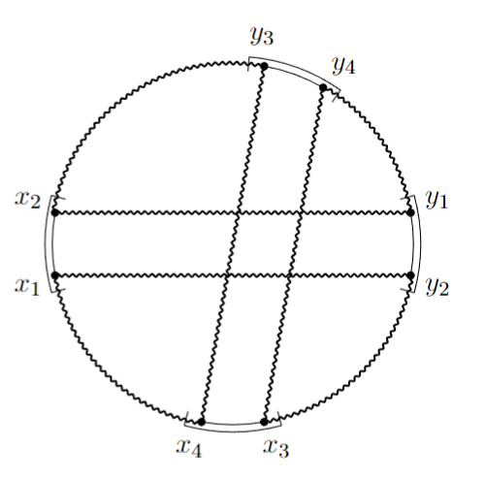 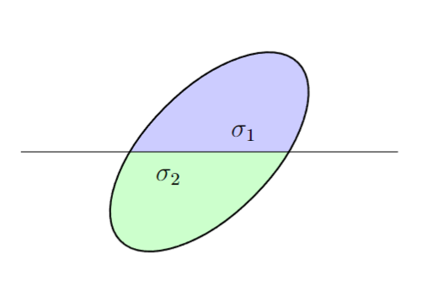 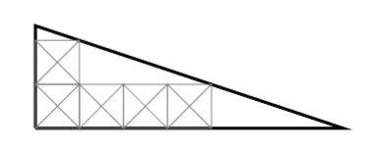 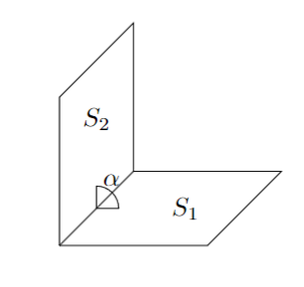 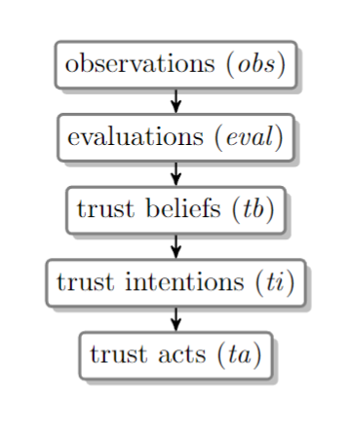 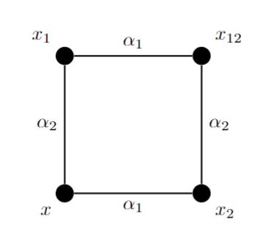 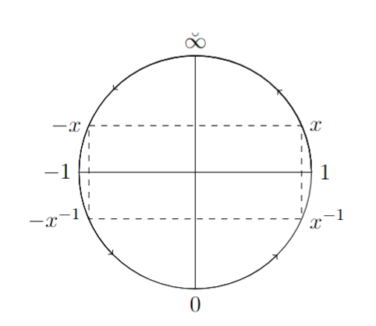 \documentclass[a4paper,bibliography=totoc,index=totoc]{scrbook} \usepackage[T1]{fontenc} \usepackage[utf8]{inputenc} \usepackage{amsmath} \usepackage{amssymb} \usepackage{tikz} \usepackage{pgfplots} \newcommand{\iffy}{\breve{\infty}} \begin{document} \begin{tikzpicture} \draw[black,arrows={->}] (2,0) arc (0:315:2); \draw[black,arrows={->}] (2,0) arc (0:225:2); \draw[black,arrows={->}] (2,0) arc (0:135:2); \draw[black,arrows={->}] (2,0) arc (0:45:2); \draw (0,0) circle (2); \draw[dashed] (-1.83, 0.8) node[anchor=east] {$-x$} -- ( 1.83, 0.8) node[anchor=west] {$x$} -- ( 1.83,-0.8) node[anchor=west] {$x^{-1}$} -- (-1.83,-0.8) node[anchor=east] {$-x^{-1}$} -- cycle; \draw[ ] ( 0, -2) node[anchor=north] {$0$} -- ( 0, 2) node[anchor=south] {$\iffy$}; \draw[ ] (-2, 0) node[anchor=east] {$-1$} -- ( 2, 0) node[anchor=west] {$1$}; \end{tikzpicture} \end{document} | 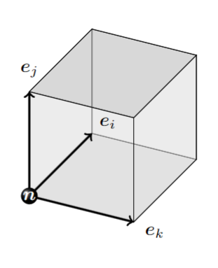 |  | Draw a circle with a radius of 1 in the coordinate system, centered at the origin. Then, draw a dashed rectangle inside the circle such that the four vertices of the rectangle are at the border of the circle. | \documentclass[12pt,a4paper]{article}\usepackage{tikz} \begin{document} \begin{tikzpicture} \draw (0,0) circle (1); \draw[dashed] (-0.915, 0.4) -- (0.915, 0.4) -- (0.915, -0.4) -- (-0.915, -0.4) -- cycle; \draw[thick,->] (-2,0) -- (2,0) ; \draw[thick,->] (0,-1.5) -- (0,1.5) ; \draw (-1.2,0) node[anchor=north,font=\scriptsize] {$-1$}; \draw (1.1,0) node[anchor=north,font=\scriptsize] {$1$}; \draw (0.1,0) node[anchor=north,font=\scriptsize] {$0$}; \end{tikzpicture} \end{document} | 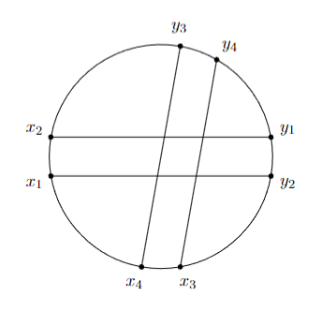 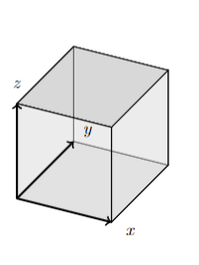 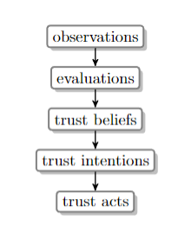 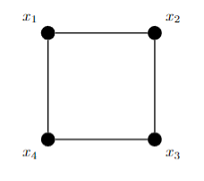 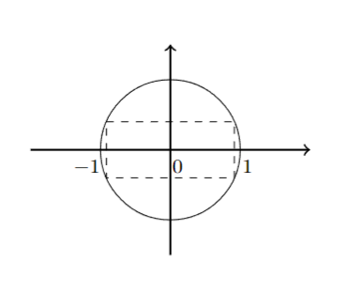 | 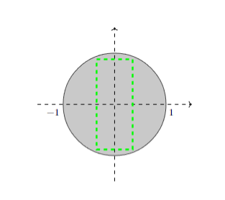 \documentclass[12pt,a4paper]{article} \usepackage[utf8]{inputenc} \usepackage{amsmath,amsthm} \usepackage{amssymb} \usepackage{tikz} \usepackage{tikz-cd} \usepackage{tkz-euclide} \usetikzlibrary{angles,quotes} \usetikzlibrary{decorations.markings} \usetikzlibrary{hobby} \begin{document} \begin{tikzpicture}[scale = 1.5] \draw[black, fill = black!30!white, opacity = 0.7] (0,0) circle (1); \draw[->, dashed] (0,-1.5) -- (0,1.5); \draw[->, dashed] (-1.5,0) -- (1.5,0); \draw[green, dashed,line width = 1.5pt] (-0.35,0.88) -- (0.35,0.88) -- (0.35,-0.88) -- (-0.35,-0.88) -- cycle; \draw (1.1,0) node[anchor=north,font=\scriptsize] {$1$}; \draw (-1.2,0) node[anchor=north,font=\scriptsize] {$-1$}; \end{tikzpicture} \end{document} | 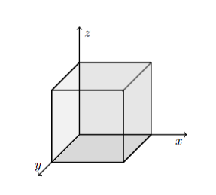 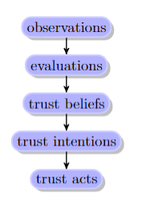 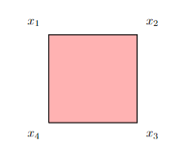 | \documentclass{article} \usepackage{tikz} \begin{document} \begin{tikzpicture} \draw[thick,->] (-2.2,0) -- (2.2,0) node[right] {$x$}; \draw[thick,->] (0,-2.2) -- (0,2.2) node[above] {$y$}; \draw (0,0) circle (1.5); \draw[red,dashed] (1.37,0.5) rectangle (-1.37,-0.5); \draw (0.1,0) node[anchor=north,font=\scriptsize] {$0$}; \draw (1.7,0) node[anchor=north,font=\scriptsize] {$1$}; \draw (-1.8,0) node[anchor=north,font=\scriptsize] {$-1$}; \end{tikzpicture} \end{document} | 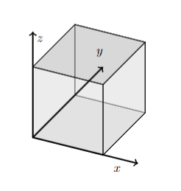 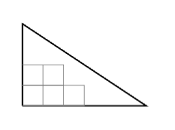 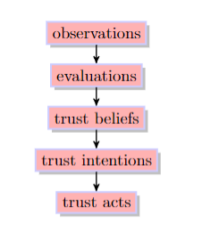 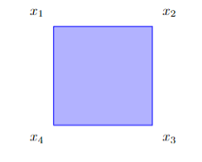 | 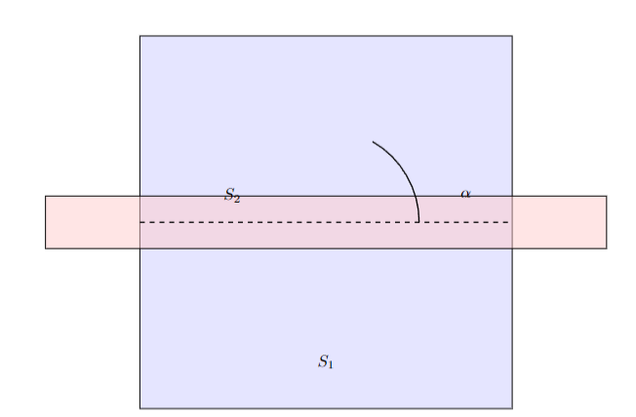 \documentclass{article} \usepackage{tikz} \begin{document} \begin{tikzpicture} % Draw the circle centered at the origin with radius 1 \draw (0,0) circle (1cm); % Calculate the side length of the square that fits inside the circle % Side length of square in circle is s = sqrt(2) * r, where r = 1 % Vertices of the square are at (+/- sqrt(2)/2, +/- sqrt(2)/2) \def\r{1} % radius \def\sidelength{sqrt(2)*\r} % side length of the square \pgfmathsetmacro{\halfside}{\sidelength/2} % Draw a rectangle (square) with dashed lines \draw[dashed] (-\halfside, -\halfside) rectangle (\halfside, \halfside); % Optional: Add labels to the circle and rectangle \node at (0,-1.3) {Circle}; \node at (0,0) [below right] {Rectangle}; % Optional: Draw coordinate system \draw[thin, ->] (-1.5,0) -- (1.5,0) node[right] {$x$}; \draw[thin, ->] (0,-1.5) -- (0,1.5) node[above] {$y$}; \end{tikzpicture} \end{document} | 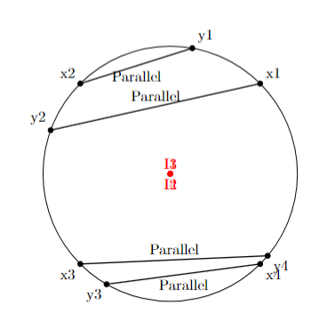 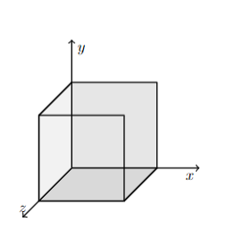 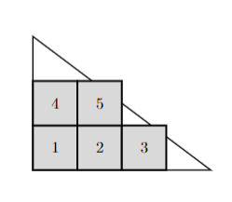 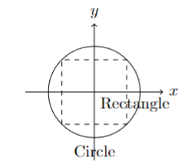
A simple graph | \documentclass{elsarticle} \usepackage[T1]{fontenc} \usepackage{tikz} \usepackage{amssymb} \usepackage{colortbl} \usepackage{amsmath} \begin{document} \begin{tikzpicture} \tikzstyle{noeud}=[draw, circle, minimum height=0.55cm, minimum width=0.55cm, inner sep=0pt] \node[noeud] (A) at (-2, 2) {$a$}; \node[noeud] (B) at (-2, 0) {$b$}; \node[noeud] (C) at (0, 2) {$c$}; \node[noeud] (D) at (0, 0) {$d$}; \node[noeud] (E) at (1, 1) {$e$}; \node[noeud] (F) at (-1, -1) {$f$}; \draw[-, >=stealth ] (A) -> (C); \draw[-, >=stealth ] (A) -> (D); \draw[-, >=stealth ] (A) -> (B); \draw[-, >=stealth ] (D) -> (B); \draw[-, >=stealth ] (F) -> (B); \draw[-, >=stealth ] (D) -> (E); \draw[-, >=stealth ] (C) -> (E); \draw[-, >=stealth ] (F) to[bend right=45] (E); \end{tikzpicture} \end{document} |  | geometric | Draw a graph with six nodes labeled from 'a' to 'f'. Connect the edges from 'a' to 'c', 'a' to 'd', and 'b' to 'f', ensuring that these three edges are parallel. Then connect 'a' to 'c', and 'b' to 'd', making sure they are also parallel. Additionally, connect the edges from 'a' to 'b', 'd' to 'e', and 'e' to 'f'. Ensure that all edges in the graph do not intersect with each other. | \documentclass{elsarticle} \usepackage[T1]{fontenc} \usepackage{tikz} \usepackage{amssymb} \usepackage{colortbl} \usepackage{amsmath} \begin{document} \begin{tikzpicture} \tikzstyle{noeud}=[draw, circle, minimum height=0.55cm, minimum width=0.55cm, inner sep=0pt] \node[noeud] (A) at (-2, 2) {$a$}; \node[noeud] (B) at (-2, 0) {$b$}; \node[noeud] (C) at (0, 2) {$c$}; \node[noeud] (D) at (0, 0) {$d$}; \node[noeud] (E) at (1, 1) {$e$}; \node[noeud] (F) at (-1, -1) {$f$}; \draw[-, >=stealth ] (A) -> (C); \draw[-, >=stealth ] (A) -> (D); \draw[-, >=stealth ] (A) -> (B); \draw[-, >=stealth ] (D) -> (B); \draw[-, >=stealth ] (F) -> (B); \draw[-, >=stealth ] (D) -> (E); \draw[-, >=stealth ] (C) -> (E); \draw[-, >=stealth ] (F) to[bend right=45] (E); \end{tikzpicture} \end{document} | 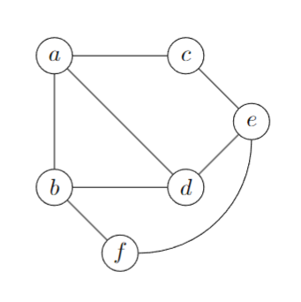 |  |  |  |  | \documentclass{article} \usepackage{tikz} \begin{document} \begin{tikzpicture} % Define style for the nodes \tikzset{vertex/.style = {shape=circle,draw,minimum size=1.5em}} \tikzset{edge/.style = {->,> = latex'}} % Draw the nodes \node[vertex] (a) at (0,0) {a}; \node[vertex] (b) at (2,0) {b}; \node[vertex] (c) at (0,2) {c}; \node[vertex] (d) at (2,2) {d}; \node[vertex] (e) at (4,2) {e}; \node[vertex] (f) at (4,0) {f}; % Draw the edges \draw[edge] (a) -- (b); % a to b \draw[edge] (d) -- (e); % d to e \draw[edge] (e) -- (f); % e to f % Draw parallel edges \draw[edge] (a) to[bend left=20] (c); % a to c \draw[edge] (a) to[bend right=20] (c); % a to c (duplicate for clarity) \draw[edge] (a) to[bend right=20] (d); % a to d \draw[edge] (b) to[bend left=20] (d); % b to d (parallel with a to d) \draw[edge] (a) to[bend left=20] (d); % a to d (for illustration) \draw[edge] (b) to[bend right=20] (f); % b to f (parallel with a to c) \end{tikzpicture} \end{document} | 
Complete the hexagon to a triangle. |  \documentclass[11pt, a4paper]{amsart} \usepackage[T1]{fontenc} \usepackage[utf8]{inputenc} \usepackage{amsmath, amsthm, amssymb, amscd} \usepackage{tikz} \begin{document} \begin{tikzpicture}[node distance = 2cm, scale=0.6] \draw (-5.5, 3.17)--(5.5,3.17); \draw (-5.5, 3.17)--(0,-6.35); \draw (0,-6.35)--(5.5,3.17); \draw (-4,0.57)--(-2.5,3.17); \draw (-1.5,-3.75)--(1.5,-3.75); \draw (0.5,3.17)--(3,-1.15); \node [blue] at (-0.5,0) {$\Pi_{0}$}; \node [blue] at (-4, 2.3) {$T_{1}$}; \node [blue] at (3.5, 1.8) {$T_{2}$}; \node [blue] at (0, -4.7){$T_{3}$}; \end{tikzpicture} \end{document} |  | geometric | Draw an inverted equilateral triangle with three line segments dividing it into a hexagon and three smaller triangles. |  \documentclass[11pt, a4paper]{amsart} \usepackage[T1]{fontenc} \usepackage[utf8]{inputenc} \usepackage{amsmath, amsthm, amssymb, amscd} \usepackage{tikz} \begin{document} \begin{tikzpicture}[node distance = 2cm, scale=0.6] \draw (-5.5, 3.17)--(5.5,3.17); \draw (-5.5, 3.17)--(0,-6.35); \draw (0,-6.35)--(5.5,3.17); \draw (-4,0.57)--(-2.5,3.17); \draw (-1.5,-3.75)--(1.5,-3.75); \draw (0.5,3.17)--(3,-1.15); \end{tikzpicture} \end{document} |  |  |  |  |  | \documentclass{article} \usepackage{tikz} \begin{document} \begin{tikzpicture} % Define the triangle vertices \coordinate (A) at (90:3cm); \coordinate (B) at (210:3cm); \coordinate (C) at (330:3cm); % Draw the equilateral triangle (inverted) \draw (A) -- (B) -- (C) -- cycle; % Calculate the midpoints of each side \coordinate (AB) at ($(A)!0.5!(B)$); \coordinate (BC) at ($(B)!0.5!(C)$); \coordinate (CA) at ($(C)!0.5!(A)$); % Draw line segments from each vertex to the midpoint of the opposite side \draw (A) -- (BC); \draw (B) -- (CA); \draw (C) -- (AB); % Optional: Add labels to the diagram \node at (A) [above] {A}; \node at (B) [below left] {B}; \node at (C) [below right] {C}; \node at (AB) [left] {AB}; \node at (BC) [below] {BC}; \node at (CA) [right] {CA}; % Label the central hexagon and smaller triangles \node at (0,0) {Hexagon}; \node at ($(A)!0.66!(BC)$) {Triangle 1}; \node at ($(B)!0.66!(CA)$) {Triangle 2}; \node at ($(C)!0.66!(AB)$) {Triangle 3}; \end{tikzpicture} \end{document} | 
A setup for head-to-head cyber security combat. |  \documentclass[10pt, titlepage, twocolumn]{article} \usepackage{tikz} \usepackage{pgfplots} \usepackage{pgfplotstable} \usepackage{xcolor} \usepackage[T1]{fontenc} \usepackage[utf8]{inputenc} \usepackage{amssymb} \pgfplotsset{compat=newest} \usepgfplotslibrary{units} \newcommand{\drawPlayers}{ \draw (0,3) circle (.5cm); \draw (0,2)--(0,2.5); \draw (0,1) -- (0,2);\draw (0,1) -- (1,1); \draw (1,1)--(0,0); \draw (0,2) -- (.5,1.8) -- (1,1.8); \draw (4,3) circle (.5cm); \draw (4,2)--(4,2.5); \draw (4,1) -- (4,2);\draw (4,1) -- (3,1); \draw (3,1)--(4,0); \draw (4,2) -- (3.5,1.8) -- (3,1.8); \draw (.75,1.70) -- (1.40,1.70); \draw (1.40,1.70) -- (1.35, 2.40); \draw (2.65,1.70) -- (3.30,1.70); \draw (2.65,1.70) -- (2.70, 2.40); \draw (.5,1.60) -- (3.5,1.60); \draw (2,1.60) -- (2,.20); \draw (2,.20)--(1.5,0); \draw (2,.20)--(2.5,0); \draw (1.3,0)--(1.5,0); \draw (2.5,0)--(2.7,0); \draw (-0.5,.9)--(.5,.9); \draw (-0.5, .9) -- (-.5,0); \draw (.5, .9) -- (.5,0); \draw (-0.5, .9) -- (-.55,1.2); \draw (-.55,1.2)--(-.55,2); \draw (3.5,.9)--(4.5,.9); \draw (4.5, .9) -- (4.5,0); \draw (3.5, .9) -- (3.5,0); \draw (4.5, .9) -- (4.55,1.2); \draw (4.55,1.2)--(4.55,2); } \begin{document} \begin{tikzpicture} \centering \drawPlayers % % \end{tikzpicture} \end{document} |  | real-life object modeling | Two people are working with laptops, sitting face to face. | "\documentclass[10pt, titlepage, twocolumn]{article} \usepackage{tikz} \usepackage{pgfplots} \usepackage{pgfplotstable} \usepackage{xcolor} \usepackage[T1]{fontenc} \usepackage[utf8]{inputenc} \usepackage{amssymb} \pgfplotsset{compat=newest} \usepgfplotslibrary{units} \newcommand{\drawPlayers}{ \draw (0,3) circle (.5cm); \draw (0,2)--(0,2.5); \draw (0,1) -- (0,2);\draw (0,1) -- (1,1); \draw (1,1)--(0,0); \draw (0,2) -- (.5,1.8) -- (1,1.8); \draw (4,3) circle (.5cm); \draw (4,2)--(4,2.5); \draw (4,1) -- (4,2);\draw (4,1) -- (3,1); \draw (3,1)--(4,0); \draw (4,2) -- (3.5,1.8) -- (3,1.8); \draw (.75,1.70) -- (1.40,1.70); \draw (1.40,1.70) -- (1.35, 2.40); \draw (2.65,1.70) -- (3.30,1.70); \draw (2.65,1.70) -- (2.70, 2.40); \draw (.5,1.60) -- (3.5,1.60); \draw (2,1.60) -- (2,.20); \draw (2,.20)--(1.5,0); \draw (2,.20)--(2.5,0); \draw (1.3,0)--(1.5,0); \draw (2.5,0)--(2.7,0); \draw (-0.5,.9)--(.5,.9); \draw (-0.5, .9) -- (-.5,0); \draw (.5, .9) -- (.5,0); \draw (-0.5, .9) -- (-.55,1.2); \draw (-.55,1.2)--(-.55,2); \draw (3.5,.9)--(4.5,.9); \draw (4.5, .9) -- (4.5,0); \draw (3.5, .9) -- (3.5,0); \draw (4.5, .9) -- (4.55,1.2); \draw (4.55,1.2)--(4.55,2); } \begin{document} \begin{tikzpicture} \centering \drawPlayers % % \end{tikzpicture} \end{document}" |  |  |  |  |  | \documentclass{article} \usepackage{tikz} \usetikzlibrary{shapes.geometric, positioning} \begin{document} \begin{tikzpicture} % Define styles \tikzset{ person/.style={ellipse, draw, minimum height=1.2cm, minimum width=0.8cm, fill=blue!20}, laptop/.style={rectangle, draw, minimum width=1.2cm, minimum height=0.6cm, fill=gray!30}, table/.style={rectangle, draw, minimum width=4cm, minimum height=2cm, fill=brown!30} } % Draw table \node[table] (table) {}; % Draw laptops \node[laptop] (laptop1) at (-1,0.3) {}; \node[laptop] (laptop2) at (1,0.3) {}; % Draw persons \node[person, label=below:Person A] (person1) at (-1.5,1) {}; \node[person, label=below:Person B] (person2) at (1.5,1) {}; % Draw connection lines to indicate face-to-face \draw[dashed] (person1) -- (laptop1); \draw[dashed] (person2) -- (laptop2); \end{tikzpicture} \end{document} | 
The relationship between entanglement, discord and coherence in composite quantum states Yao2015a, where ``Ent'' denotes entanglement. The hierarchical relation, C() D() E(), signifies that quantum coherence is a rather ubiquitous manifestation of quantum correlations. | \documentclass[american,aps,pra,reprint, superscriptaddress]{revtex4-1} \usepackage[unicode=true,pdfusetitle, bookmarks=true,bookmarksnumbered=false,bookmarksopen=false, breaklinks=false,pdfborder={0 0 0},backref=false,colorlinks=false]{hyperref} \usepackage{graphics,epstopdf,graphicx, amsthm, amsmath, amssymb, times, braket, colortbl, color, bm, framed, cleveref, mathrsfs} \usepackage{tikz} \begin{document} \begin{tikzpicture}[thick] \tikzstyle{operator} = [draw,fill=white,minimum size=1.5em] \tikzstyle{phase1} = [fill=blue!20,shape=circle,minimum size=12em,inner sep=0pt] \tikzstyle{phase2} = [fill=yellow,shape=circle,minimum size=6em,inner sep=0pt] \tikzstyle{phase3} = [fill=green!60,shape=circle,minimum size=3em,inner sep=0pt] \tikzstyle{surround} = [fill=blue!10,thick,draw=black,rounded corners=2mm] \tikzstyle{block} = [rectangle, draw, fill=white, text width=3em, text centered, , minimum height=6em] \node[phase1] (p1) at (5,3) {~}; \node[phase2] (p2) at (5,2.5) {~}; \node[phase3] (p3) at (5,2.2) {~}; \node at (5,4) (e1){Coherence}; \node at (5,2.8) (e2){Discord}; \node at (5,2.2) (e3){\small {Ent}}; \end{tikzpicture} \end{document} |  | veen diagram | The Venn diagram with three overlaped sets, from the innermost to the outermost, is colored green, yellow, and purple, with text annotations 'Ent,' 'Discord,' and 'Coherence.' | \documentclass[american,aps,pra,reprint, superscriptaddress]{revtex4-1} \usepackage[unicode=true,pdfusetitle, bookmarks=true,bookmarksnumbered=false,bookmarksopen=false, breaklinks=false,pdfborder={0 0 0},backref=false,colorlinks=false]{hyperref} \usepackage{graphics,epstopdf,graphicx, amsthm, amsmath, amssymb, times, braket, colortbl, color, bm, framed, cleveref, mathrsfs} \usepackage{tikz} \begin{document} \begin{tikzpicture}[thick] \tikzstyle{operator} = [draw,fill=white,minimum size=1.5em] \tikzstyle{phase1} = [fill=blue!20,shape=circle,minimum size=12em,inner sep=0pt] \tikzstyle{phase2} = [fill=yellow,shape=circle,minimum size=6em,inner sep=0pt] \tikzstyle{phase3} = [fill=green!60,shape=circle,minimum size=3em,inner sep=0pt] \tikzstyle{surround} = [fill=blue!10,thick,draw=black,rounded corners=2mm] \tikzstyle{block} = [rectangle, draw, fill=white, text width=3em, text centered, , minimum height=6em] \node[phase1] (p1) at (5,3) {~}; \node[phase2] (p2) at (5,2.5) {~}; \node[phase3] (p3) at (5,2.2) {~}; \node at (5,4) (e1){Coherence}; \node at (5,2.8) (e2){Discord}; \node at (5,2.2) (e3){\small {Ent}}; \end{tikzpicture} \end{document} |  |  |  |  |  | \documentclass{article} \usepackage{tikz} \usetikzlibrary{shapes,backgrounds} \begin{document} \begin{tikzpicture} % Define the circle paths \begin{scope} \clip \firstcircle; \clip \secondcircle; \fill[green] \thirdcircle; \end{scope} \begin{scope} \clip \firstcircle; \fill[yellow] \secondcircle; \end{scope} \begin{scope} \clip \secondcircle; \fill[purple] \thirdcircle; \end{scope} % Draw the circles \draw \firstcircle node[below] {Coherence}; \draw \secondcircle node [above] {Discord}; \draw \thirdcircle node [below] {Ent}; % Circle paths definitions \def\firstcircle{(90:1.75cm) circle (2.5cm)} \def\secondcircle{(210:1.75cm) circle (2.5cm)} \def\thirdcircle{(330:1.75cm) circle (2.5cm)} % Background color \begin{scope}[on background layer] \fill[green] \firstcircle; \fill[yellow] \secondcircle; \fill[purple] \thirdcircle; \end{scope} \end{tikzpicture} \end{document} | 
Relative decrease in error rate (\%) between argument length baseline and (reason codes defined in Table tab:reasons). |  \documentclass[11pt,a4paper]{article} \usepackage{amsmath} \usepackage{pgfplots} \pgfplotsset{compat=1.14} \usepackage{color} \begin{document} \begin{tikzpicture} \begin{axis}[ symbolic x coords={C9-4,C5,C7-3,C7-1,C6-1,C8-1,C8-4}, extra y ticks = 0, extra y tick labels = , extra y tick style = { grid = major }, xtick=data] \addplot[ybar,fill=blue] coordinates { (C9-4,55.5) (C5,45) (C7-3,34.4) (C7-1,28.1) (C6-1,-12.5) (C8-1,-25.1) (C8-4,-57.1) }; \end{axis} \end{tikzpicture} \end{document} |  | chart | The bar plot features an x-axis with the following tick labels: C9-4, C5, C7-3, C7-1, C6-1, C8-1, C8-4. The y-axis displays the following values: (C9-4, 55.5), (C5, 45), (C7-3, 34.4), (C7-1, 28.1), (C6-1, -12.5), (C8-1, -25.1), (C8-4, -57.1). | \documentclass[11pt,a4paper]{article} \usepackage{amsmath} \usepackage{pgfplots} \pgfplotsset{compat=1.14} \usepackage{color} \begin{document} \begin{tikzpicture} \begin{axis}[ symbolic x coords={C9-4,C5,C7-3,C7-1,C6-1,C8-1,C8-4}, extra y ticks = 0, extra y tick labels = , extra y tick style = { grid = major }, xtick=data] \addplot[ybar,fill=blue] coordinates { (C9-4,55.5) (C5,45) (C7-3,34.4) (C7-1,28.1) (C6-1,-12.5) (C8-1,-25.1) (C8-4,-57.1) }; \end{axis} \end{tikzpicture} \end{document} |  |  \documentclass[11pt,a4paper]{article} \usepackage{amsmath} \usepackage{pgfplots} \pgfplotsset{compat=1.14} \usepackage{color} \begin{document} \begin{tikzpicture} \begin{axis}[ symbolic x coords={C9-4,C5,C7-3,C7-1,C6-1,C8-1,C8-4}, extra y ticks = 0, extra y tick style = { grid = major }, xtick=data, ybar, nodes near coords, % Add this line to display values above the bars nodes near coords align={vertical}, ymin=-70, ymax=70 ] \addplot[fill=blue!20] coordinates { (C9-4,55.5) (C5,45) (C7-3,34.4) (C7-1,28.1) (C6-1,-12.5) (C8-1,-25.1) (C8-4,-57.1) }; \end{axis} \end{tikzpicture} \end{document} |  |  \documentclass[11pt,a4paper]{article} \usepackage{amsmath} \usepackage{pgfplots} \pgfplotsset{compat=1.14} \usepackage{color} \begin{document} \begin{tikzpicture} \begin{axis}[ symbolic x coords={C9-4,C5,C7-3,C7-1,C6-1,C8-1,C8-4}, extra y ticks = 0, extra y tick style = { grid = major }, xtick=data, ybar, nodes near coords, nodes near coords align={vertical}, nodes near coords style={font=\scriptsize}, ymin=-65, ymax=65 ] \addplot[fill=gray!20] coordinates { (C9-4,55.5) (C5,45) (C7-3,34.4) (C7-1,28.1) (C6-1,-12.5) (C8-1,-25.1) (C8-4,-57.1) }; \end{axis} \end{tikzpicture} \end{document} |  |  \documentclass{article} \usepackage{pgfplots} \begin{document} \begin{tikzpicture} \begin{axis}[ ybar, % Style of the plot bar width=.5cm, width=\textwidth, height=8cm, axis lines*=left, % Only show the left axis line xlabel={Categories}, % Label for the x-axis ylabel={Values}, % Label for the y-axis xtick=data, % Use the data for tick positions xticklabels={C9-4, C5, C7-3, C7-1, C6-1, C8-1, C8-4}, % Tick labels xticklabel style={text height=1.5ex}, % Ensure text labels are nicely aligned ytick={-60, -40, -20, 0, 20, 40, 60}, % Tick marks on y-axis yticklabels={-60, -40, -20, 0, 20, 40, 60}, ymin=-60, ymax=60, % Range for y-axis nodes near coords, % Show the value of each bar near its top point meta=explicit symbolic, % The meta data used in the nodes near coords ] % Add the plot data \addplot[draw=blue, fill=blue!30] coordinates { (0,55.5) [55.5] (1,45) [45] (2,34.4) [34.4] (3,28.1) [28.1] (4,-12.5) [-12.5] (5,-25.1) [-25.1] (6,-57.1) [-57.1] }; \end{axis} \end{tikzpicture} \end{document}
Percentile rankings of the quality scores | \documentclass[preprint,12pt,authoryear]{elsarticle} \usepackage{amssymb} \usepackage{tikz} \usepackage{pgfplots} \usepgfplotslibrary{statistics} \usepackage[most]{tcolorbox} \begin{document} \begin{tikzpicture} \begin{axis} [ height=4cm, width=9cm, yticklabels={0}, ] \addplot+[ boxplot prepared={ median=14, upper quartile=15.25, lower quartile=9.75, upper whisker=16, lower whisker=5.5 }, ] coordinates {}; \end{axis} \end{tikzpicture} \end{document} |  | boxplot | Draw a box plot with a minimum value of 5.5 and a maximum value of 16. The first quartile is 14, the median is 14, and the third quartile is 9.75. | \documentclass[preprint,12pt,authoryear]{elsarticle} \usepackage{amssymb} \usepackage{tikz} \usepackage{pgfplots} \usepgfplotslibrary{statistics} \usepackage[most]{tcolorbox} \begin{document} \begin{tikzpicture} \begin{axis} [ height=4cm, width=9cm, yticklabels={0}, ] \addplot+[ boxplot prepared={ median=14, upper quartile=15.25, lower quartile=9.75, upper whisker=16, lower whisker=5.5 }, ] coordinates {}; \end{axis} \end{tikzpicture} \end{document} |  | \documentclass[preprint,12pt,authoryear]{elsarticle} \usepackage{amssymb} \usepackage{tikz} \usepackage{pgfplots} \usepgfplotslibrary{statistics} \usepackage[most]{tcolorbox} \begin{document} \begin{tikzpicture} \begin{axis}[ height=9cm, width=4cm, xticklabels={}, boxplot/draw direction=y, ] \addplot+[ boxplot prepared={ median=14, upper quartile=15.25, lower quartile=9.75, upper whisker=16, lower whisker=5.5 }, ] coordinates {}; \end{axis} \end{tikzpicture} \end{document} |  | \documentclass[preprint,12pt,authoryear]{elsarticle} \usepackage{amssymb} \usepackage{tikz} \usepackage{pgfplots} \usepgfplotslibrary{statistics} \usepackage[most]{tcolorbox} \begin{document} \begin{tikzpicture} \begin{axis}[ height=9cm, width=5cm, xticklabels={}, boxplot/draw direction=y ] \addplot+[ boxplot prepared={ median=14, upper quartile=15.25, lower quartile=9.75, upper whisker=16, lower whisker=5.5 }, color=blue!90, fill=blue!10 ] coordinates {}; \end{axis} \end{tikzpicture} \end{document} |  | \documentclass{article} \usepackage{pgfplots} \pgfplotsset{compat=1.17} % It's always good to specify a compatible version \begin{document} \begin{tikzpicture} \begin{axis}[ boxplot/draw direction=y, ylabel={Values}, height=6cm, width=8cm, ytick={5, 6, 7, 8, 9, 10, 11, 12, 13, 14, 15, 16}, ymajorgrids=true, title={Box Plot}, ] % Add the box plot \addplot+[ boxplot prepared={ lower whisker=5.5, upper whisker=16, lower quartile=9.75, upper quartile=14, median=14 }, color=blue, area legend, ] coordinates {}; \end{axis} \end{tikzpicture} \end{document}
A fully connected FFN with one hidden layer | \documentclass{amsart} \usepackage{amsmath} \usepackage{amssymb} \usepackage{tikz} \usepackage{tikz-3dplot} \usetikzlibrary{matrix,chains,positioning,decorations.pathreplacing,arrows, calc} \usetikzlibrary{fit,backgrounds,intersections} \usetikzlibrary{3d,decorations.text,shapes.arrows} \usetikzlibrary{arrows.meta} \usetikzlibrary{math} \usetikzlibrary{fadings} \usetikzlibrary{shapes.geometric} \usetikzlibrary{bayesnet} \usepackage{pgfplots} \usepgfplotslibrary{patchplots} \pgfplotsset{compat=1.9} \usepackage[ bookmarksopen, bookmarksdepth=2, %breaklinks=true colorlinks=true, linkcolor={blue}, citecolor={blue}, urlcolor=blue]{hyperref} \begin{document} \begin{tikzpicture}[ plain/.style={ draw=none, fill=none, }, net/.style={ matrix of nodes, %draw=blue, ultra thick, nodes={ draw, blue, circle, inner sep=10pt }, nodes in empty cells, column sep=1cm, row sep=-7pt }, >=latex ] \matrix[net] (mat) { |[plain]| \parbox{1.3cm}{\centering Input\\Layer} & |[plain]| \parbox{1.3cm}{\centering Hidden\\Layer} & |[plain]| \parbox{1.3cm}{\centering Output\\Layer} \\ $x_1$ & |[plain]| \\ |[plain]| & $h_1$\\ $x_2$ & |[plain]| \\ |[plain]| & |[plain]| \\ $x_3$ & $h_2$ & $y$ \\ |[plain]| & |[plain]| \\ $x_4$ & |[plain]| \\ |[plain]| & $h_3$ \\ $x_5$ & |[plain]| \\ }; \foreach \ai [count=\mi ]in {2,4,...,8, 10} \draw[<-, purple, ultra thick] (mat-\ai-1) -- node[above] {$x_\mi$} +(-2.7cm,0); \foreach \ai in {2,4,...,8, 10} {\foreach \aii in {3,6,9} \draw[->, blue, thick] (mat-\ai-1) -- (mat-\aii-2); } \foreach \ai in {3,6,9} \draw[->, blue, thick] (mat-\ai-2) -- (mat-6-3); \draw[->, purple, ultra thick] (mat-6-3) -- node[above] {Output} +(3.5cm,0); \end{tikzpicture} \end{document} |  | neural network | Draw a neural network with 5 input neurons from x1 to x5, 3 hidden neurons from h1-h3 and a single output neuron y. |  |  |  |  |  |  | \documentclass{article} \usepackage{tikz} \usetikzlibrary{positioning} \begin{document} \begin{tikzpicture}[ neuron/.style={circle, draw, minimum size=0.75cm}, layer/.style={draw, thick, rounded corners, inner sep=0.3cm}, ] % Input Layer \foreach \y [count=\i] in {1,2,3,4,5} \node[neuron] (input-\i) at (0,-\y) {$x_\i$}; % Hidden Layer \foreach \y [count=\i] in {2,3,4} \node[neuron, right=2cm of input-\y] (hidden-\i) {$h_\i$}; % Output Layer \node[neuron, right=4cm of input-3] (output) {$y$}; % Draw connections \foreach \i in {1,...,5} \foreach \j in {1,...,3} \draw[->] (input-\i) -- (hidden-\j); \foreach \i in {1,...,3} \draw[->] (hidden-\i) -- (output); % Draw layer boxes \node[layer, fit=(input-1) (input-5), label=above:Input Layer] {}; \node[layer, fit=(hidden-1) (hidden-3), label=above:Hidden Layer] {}; \node[layer, fit=(output), label=above:Output Layer] {}; \end{tikzpicture} \end{document}
Touching circles through a point of the M\"obius plane. |    \documentclass[11pt,twoside,a4paper]{article} \usepackage{amsmath,amssymb,amsthm} \usepackage{tikz} \begin{document} \begin{tikzpicture} \draw [gray] (4.85,2.9) circle [radius=1]; \draw (2,2) circle [radius=2]; \draw (3.5,4) circle [radius=1.5]; \draw [fill] (3.9,2.55) circle [radius=0.1] node [below left] {\phantom{I}${\text b}$}; \draw (3.8,1) node [right] {${\text C}$}; \end{tikzpicture} \end{document} |  | geometric | Draw three circles that intersect at point b, marked with a black dot. |   \documentclass[11pt,twoside,a4paper]{article} \usepackage{amsmath,amssymb,amsthm} \usepackage{tikz} \begin{document} \begin{tikzpicture} \draw [gray] (4.85,2.9) circle [radius=1]; \draw (2,2) circle [radius=2]; \draw (3.5,4) circle [radius=1.5]; \draw [fill] (3.9,2.55) circle [radius=0.1] node [below left] {\phantom{I}${\text b}$} ; \end{tikzpicture} \end{document} |  |  \documentclass[11pt,twoside,a4paper]{article} \usepackage{amsmath,amssymb,amsthm} \usepackage{tikz} \begin{document} \begin{tikzpicture} \draw[blue!70,thick](4.85,2.9) circle [radius=1]; \draw[red!90,thick] (2,2) circle [radius=2]; \draw[green!90,thick](3.5,4) circle [radius=1.5]; \draw [fill] (3.9,2.55) circle [radius=0.1] node [below left] {\text b} ; \end{tikzpicture} \end{document} |  |   \documentclass{article} \usepackage{tikz} \usetikzlibrary{calc} \begin{document} \begin{tikzpicture} Define the intersection point \coordinate (b) at (0,0); \filldraw (b) circle (2pt) node[below] {b}; Define center points of the circles, all a fixed distance from b \coordinate (C1) at (-2cm,0); \coordinate (C2) at (2cm,0); \coordinate (C3) at (0,2cm); Draw the circles \draw (C1) circle (2cm); \draw (C2) circle (2cm); \draw (C3) circle (2cm); Optional: Add labels to identify the circles if necessary \node at ($(C1)+(180:0.2cm)$) {Circle 1}; \node at ($(C2)+(0:0.4cm)$) {Circle 2}; \node at ($(C3)+(90:0.2cm)$) {Circle 3}; \end{tikzpicture} \end{document} |  |   \documentclass{article} \usepackage{tikz} \begin{document} \begin{tikzpicture} % Define the intersection point \coordinate (b) at (0,0); \filldraw (b) circle (2pt) node[below] {b}; % Define center points of the circles, all a fixed distance from b \coordinate (C1) at (-2cm,0); \coordinate (C2) at (2cm,0); \coordinate (C3) at (0,2cm); % Draw the circles \draw (C1) circle (2cm); \draw (C2) circle (2cm); \draw (C3) circle (2cm); % Optional: Add labels to identify the circles if necessary \node at ($(C1)+(180:2.2cm)$) {Circle 1}; \node at ($(C2)+(0:2.2cm)$) {Circle 2}; \node at ($(C3)+(90:2.2cm)$) {Circle 3}; \end{tikzpicture} \end{document} | 
Staged tree representation of the discrete DAG model 1 2 3 with binary variables. | \documentclass[10pt,reqno]{amsart} \usepackage{amsmath,amscd,amssymb} \usepackage{color} \usepackage{tikz-cd} \usepackage[pagebackref,colorlinks,citecolor=blue,linkcolor=magenta]{hyperref} \usepackage[utf8]{inputenc} \begin{document} \begin{tikzpicture}[thick,scale=0.2] %---NODES--- \node (u3) at (4,0) {$000$}; \node(u4) at (4,-4) {$001$}; \node(u5) at (4,-8) {$010$}; \node(u6) at (4,-12) {$011$}; \node (w3) at (4,-16) {$100$}; \node (w4) at (4,-20) {$101$}; \node (w5) at (4,-24) {$110$}; \node (w6) at (4,-28) {$111$}; \node[circle, draw, fill=violet!50, inner sep=1pt, minimum width=1pt] (u1) at (-8,-2) {\small$00$}; \node[circle, draw, fill=orange!40, inner sep=1pt, minimum width=1pt] (u2) at (-8,-10) {\small$01$}; \node[circle, draw, fill=violet!50, inner sep=1pt, minimum width=1pt] (w1) at (-8,-18) {\small$10$}; \node[circle, draw, fill=orange!40, inner sep=1pt, minimum width=1pt] (w2) at (-8,-26) {\small$11$}; \node[circle, draw, fill=black!0, inner sep=1pt, minimum width=1pt] (u) at (-16,-6) {\small$\;0\;$}; \node[circle, draw, fill=black!0, inner sep=1pt, minimum width=1pt] (w) at (-16,-22) {\small$\;1\;$}; \node[circle, draw, fill=black!0, inner sep=1pt, minimum width=1pt] (r) at (-24,-14) {$\;r\;$}; %---EDGES--- \draw[->] (r) -- node[midway,sloped,above]{$s_1$} (u) ; \draw[->] (r) -- node[midway,sloped,below]{$s_2$} (w) ; \draw[->] (u) -- node[midway,sloped,above]{$s_3$} (u1) ; \draw[->] (u) -- node[midway,sloped,below]{$s_4$} (u2) ; \draw[->] (u1) -- node[midway,sloped,above]{$s_7$} (u3) ; \draw[->] (u1) -- node[midway,sloped,below]{$s_8$} (u4) ; \draw[->] (u2) -- node[midway,sloped,above]{$s_9$} (u5) ; \draw[->] (u2) -- node[midway,sloped,below]{$s_{10}$} (u6) ; \draw[->] (w) -- node[midway,sloped,above]{$s_5$} (w1) ; \draw[->] (w) -- node[midway,sloped,below]{$s_6$} (w2) ; \draw[->] (w1) -- node[midway,sloped,above]{} (w3) ; \draw[->] (w1) -- node[midway,sloped,below]{} (w4) ; \draw[->] (w2) -- node[midway,sloped,above]{} (w5) ; \draw[->] (w2) -- node[m |  | tree | A 4-layer complete binary tree with the root 'r' in the leftmost position, with leaves extending to the right. The nodes on the second layer, from top to bottom, are labeled '0' and '1'. The nodes on the third layer, from top to bottom, are labeled '00', '01', '10', and '11'. The nodes on the fourth layer, from top to bottom, are labeled '000', '001', '010', '011', '100', '101', '110', and '111'. | \documentclass[10pt,reqno]{amsart} \usepackage{amsmath,amscd,amssymb} \usepackage{color} \usepackage{tikz-cd} \usepackage[pagebackref,colorlinks,citecolor=blue,linkcolor=magenta]{hyperref} \usepackage[utf8]{inputenc} \begin{document} \begin{tikzpicture}[thick,scale=0.2] ---NODES--- \node (u3) at (4,0) {$000$}; \node(u4) at (4,-4) {$001$}; \node(u5) at (4,-8) {$010$}; \node(u6) at (4,-12) {$011$}; \node (w3) at (4,-16) {$100$}; \node (w4) at (4,-20) {$101$}; \node (w5) at (4,-24) {$110$}; \node (w6) at (4,-28) {$111$}; \node[circle, draw, fill=violet!50, inner sep=1pt, minimum width=1pt] (u1) at (-8,-2) {\small$00$}; \node[circle, draw, fill=orange!40, inner sep=1pt, minimum width=1pt] (u2) at (-8,-10) {\small$01$}; \node[circle, draw, fill=violet!50, inner sep=1pt, minimum width=1pt] (w1) at (-8,-18) {\small$10$}; \node[circle, draw, fill=orange!40, inner sep=1pt, minimum width=1pt] (w2) at (-8,-26) {\small$11$}; \node[circle, draw, fill=black!0, inner sep=1pt, minimum width=1pt] (u) at (-16,-6) {\small$\;0\;$}; \node[circle, draw, fill=black!0, inner sep=1pt, minimum width=1pt] (w) at (-16,-22) {\small$\;1\;$}; \node[circle, draw, fill=black!0, inner sep=1pt, minimum width=1pt] (r) at (-24,-14) {$\;r\;$}; ---EDGES--- \draw[->] (r) -- node[midway,sloped,above]{} (u) ; \draw[->] (r) -- node[midway,sloped,below]{} (w) ; \draw[->] (u) -- node[midway,sloped,above]{} (u1) ; \draw[->] (u) -- node[midway,sloped,below]{} (u2) ; \draw[->] (u1) -- node[midway,sloped,above]{} (u3) ; \draw[->] (u1) -- node[midway,sloped,below]{} (u4) ; \draw[->] (u2) -- node[midway,sloped,above]{} (u5) ; \draw[->] (u2) -- node[midway,sloped,below]{} (u6) ; \draw[->] (w) -- node[midway,sloped,above]{} (w1) ; \draw[->] (w) -- node[midway,sloped,below]{} (w2) ; \draw[->] (w1) -- node[midway,sloped,above]{} (w3) ; \draw[->] (w1) -- node[midway,sloped,below]{} (w4) ; \draw[->] (w2) -- node[midway,sloped,above]{} (w5) ; \draw[->] (w2) -- node[midway,sloped,below]{} (w6) ; \end{tikzpicture} \end{docum |  | \documentclass[10pt,reqno]{amsart} \usepackage{amsmath,amscd,amssymb} \usepackage{color} \usepackage{tikz-cd} \usepackage[pagebackref,colorlinks,citecolor=blue,linkcolor=magenta]{hyperref} \usepackage[utf8]{inputenc} \begin{document} \begin{tikzpicture}[thick,scale=0.2] ---NODES--- \node (u3) at (4,0) {$000$}; \node(u4) at (4,-4) {$001$}; \node(u5) at (4,-8) {$010$}; \node(u6) at (4,-12) {$011$}; \node (w3) at (4,-16) {$100$}; \node (w4) at (4,-20) {$101$}; \node (w5) at (4,-24) {$110$}; \node (w6) at (4,-28) {$111$}; \node[circle, draw, inner sep=1pt, minimum width=1pt] (u1) at (-8,-2) {\small$00$}; \node[circle, draw, inner sep=1pt, minimum width=1pt] (u2) at (-8,-10) {\small$01$}; \node[circle, draw, inner sep=1pt, minimum width=1pt] (w1) at (-8,-18) {\small$10$}; \node[circle, draw, inner sep=1pt, minimum width=1pt] (w2) at (-8,-26) {\small$11$}; \node[circle, draw, inner sep=1pt, minimum width=1pt] (u) at (-16,-6) {\small$\;0\;$}; \node[circle, draw, inner sep=1pt, minimum width=1pt] (w) at (-16,-22) {\small$\;1\;$}; \node[circle, draw, inner sep=1pt, minimum width=1pt] (r) at (-24,-14) {$\;r\;$}; ---EDGES--- \draw[->] (r) -- node[midway,sloped,above]{} (u) ; \draw[->] (r) -- node[midway,sloped,below]{} (w) ; \draw[->] (u) -- node[midway,sloped,above]{} (u1) ; \draw[->] (u) -- node[midway,sloped,below]{} (u2) ; \draw[->] (u1) -- node[midway,sloped,above]{} (u3) ; \draw[->] (u1) -- node[midway,sloped,below]{} (u4) ; \draw[->] (u2) -- node[midway,sloped,above]{} (u5) ; \draw[->] (u2) -- node[midway,sloped,below]{} (u6) ; \draw[->] (w) -- node[midway,sloped,above]{} (w1) ; \draw[->] (w) -- node[midway,sloped,below]{} (w2) ; \draw[->] (w1) -- node[midway,sloped,above]{} (w3) ; \draw[->] (w1) -- node[midway,sloped,below]{} (w4) ; \draw[->] (w2) -- node[midway,sloped,above]{} (w5) ; \draw[->] (w2) -- node[midway,sloped,below]{} (w6) ; \end{tikzpicture} \end{document} |  | \documentclass[10pt,reqno]{amsart} \usepackage{amsmath,amscd,amssymb} \usepackage{color} \usepackage{tikz-cd} \usepackage[pagebackref,colorlinks,citecolor=blue,linkcolor=magenta]{hyperref} \usepackage[utf8]{inputenc} \begin{document} \begin{tikzpicture}[thick,scale=0.2] ---NODES--- \node (u3) at (4,0) {$000$}; \node(u4) at (4,-4) {$001$}; \node(u5) at (4,-8) {$010$}; \node(u6) at (4,-12) {$011$}; \node (w3) at (4,-16) {$100$}; \node (w4) at (4,-20) {$101$}; \node (w5) at (4,-24) {$110$}; \node (w6) at (4,-28) {$111$}; \node (u1) at (-8,-2) {\small$00$}; \node (u2) at (-8,-10) {\small$01$}; \node (w1) at (-8,-18) {\small$10$}; \node (w2) at (-8,-26) {\small$11$}; \node(u) at (-16,-6) {\small$\;0\;$}; \node(w) at (-16,-22) {\small$\;1\;$}; \node (r) at (-24,-14) {$\;r\;$}; ---EDGES--- \draw[->] (r) -- node[midway,sloped,above]{} (u) ; \draw[->] (r) -- node[midway,sloped,below]{} (w) ; \draw[->] (u) -- node[midway,sloped,above]{} (u1) ; \draw[->] (u) -- node[midway,sloped,below]{} (u2) ; \draw[->] (u1) -- node[circle,midway,sloped,above]{} (u3) ; \draw[->] (u1) -- node[midway,sloped,below]{} (u4) ; \draw[->] (u2) -- node[midway,sloped,above]{} (u5) ; \draw[->] (u2) -- node[midway,sloped,below]{} (u6) ; \draw[->] (w) -- node[midway,sloped,above]{} (w1) ; \draw[->] (w) -- node[midway,sloped,below]{} (w2) ; \draw[->] (w1) -- node[midway,sloped,above]{} (w3) ; \draw[->] (w1) -- node[midway,sloped,below]{} (w4) ; \draw[->] (w2) -- node[midway,sloped,above]{} (w5) ; \draw[->] (w2) -- node[midway,sloped,below]{} (w6) ; \end{tikzpicture} \end{document} |  | \documentclass{article} \usepackage{tikz} \begin{document} \begin{tikzpicture}[every node/.style={draw,circle}, level distance=1.5cm, level 1/.style={sibling distance=6cm}, level 2/.style={sibling distance=3cm}, level 3/.style={sibling distance=1.5cm}] % Root node \node {r} % Level 1 child {node {0} % Level 2 child {node {00} % Level 3 child {node {000}} child {node {001}} } child {node {01} child {node {010}} child {node {011}} } } child {node {1} child {node {10} child {node {100}} child {node {101}} } child {node {11} child {node {110}} child {node {111}} } }; \end{tikzpicture} \end{document}

The maximal polytope in a) on the left and the decomposition into two polytopes _1 and _2 on the right. |   \documentclass[12pt, english]{article} \usepackage[utf8]{inputenc} \usepackage{amssymb} \usepackage{amsmath} \usepackage{tikz-cd} \usepackage{tikz} \tikzcdset{scale cd/.style={every label/.append style={scale=#1}, cells={nodes={scale=#1}}}} \usetikzlibrary{calc} \usepackage{tikz} \usetikzlibrary{patterns} \begin{document} \begin{tikzpicture}[scale=0.7] \begin{scope}[scale = 1,yshift = 5cm, xshift = 2cm, rotate = -16] \draw (3/2,-1,5/2) -- (3,0,0); \draw (0,0,3) -- (0,3,0) -- (3/2,-1,5/2) -- (0,3,0) -- (3,0,0); \draw (0,0,3) -- (3/2,-1,5/2); \draw[dashed] (3,0,0) -- (0,0,3); \fill (3/2,-1,5/2) circle (3pt) node[below] {$a$}; \fill (3,0,0) circle (3pt) node[right] {$d$}; \fill (0,3,0) circle (3pt) node[left] {$p$}; \fill (0,0,3) circle (3pt) node[left] {$b$}; \draw[->] (4,2)--(5,2.3); \end{scope} \begin{scope}[scale = 1,yshift = 5cm, xshift = 10cm, rotate = -16] \draw (3/2,-1,5/2) -- (3/2,0,3/2); \draw (0,0,3) -- (0,3,0) -- (3/2,-1,5/2) -- (0,3,0) -- (3/2,0,3/2); \draw (0,0,3) -- (3/2,-1,5/2); \draw[dashed] (3/2,0,3/2) -- (0,0,3); \fill (3/2,0,3/2) circle(3pt) node[right] {$c$}; \fill (3/2,-1,5/2) circle (3pt) node[below] {$a$}; \fill (0,3,0) circle (3pt) node[left] {$p$}; \fill (0,0,3) circle (3pt) node[left] {$b$}; \end{scope} \begin{scope}[scale = 1,yshift = 5cm, xshift = 12cm, rotate = -16] \draw (3/2,-1,5/2) -- (3,0,0); \draw (3/2,0,3/2) -- (0,3,0) -- (3/2,-1,5/2) -- (0,3,0) -- (3,0,0); \draw (3/2,0,3/2) -- (3/2,-1,5/2); \draw[dashed] (3,0,0) -- (3/2,0,3/2); \fill (3/2,0,3/2) circle(3pt) node[below] {$c$}; \fill (3/2,-1,5/2) circle (3pt) node[below] {$a$}; \fill (3,0,0) circle (3pt) node[right] {$d$}; \fill (0,3,0) circle (3pt) node[left] {$p$}; \end{scope} \end{tikzpicture} \end{document} |  | geometric | Draw a triangular pyramid on the left, and then draw a graph on the right to show that the triangular pyramid is divided into two equal pieces. |   \documentclass[12pt, english]{article} \usepackage[utf8]{inputenc} \usepackage{amssymb} \usepackage{amsmath} \usepackage{tikz-cd} \usepackage{tikz} \tikzcdset{scale cd/.style={every label/.append style={scale=#1}, cells={nodes={scale=#1}}}} \usetikzlibrary{calc} \usepackage{tikz} \usetikzlibrary{patterns} \begin{document} \begin{tikzpicture}[scale=0.7] \begin{scope}[scale = 1,yshift = 5cm, xshift = 2cm, rotate = -16] \draw (3/2,-1,5/2) -- (3,0,0); \draw (0,0,3) -- (0,3,0) -- (3/2,-1,5/2) -- (0,3,0) -- (3,0,0); \draw (0,0,3) -- (3/2,-1,5/2); \draw[dashed] (3,0,0) -- (0,0,3); \fill (3/2,-1,5/2) circle (3pt) node[below] {$a$}; \fill (3,0,0) circle (3pt) node[right] {$d$}; \fill (0,3,0) circle (3pt) node[left] {$p$}; \fill (0,0,3) circle (3pt) node[left] {$b$}; \draw[->] (4,2)--(5,2.3); \end{scope} \begin{scope}[scale = 1,yshift = 5cm, xshift = 10cm, rotate = -16] \draw (3/2,-1,5/2) -- (3/2,0,3/2); \draw (0,0,3) -- (0,3,0) -- (3/2,-1,5/2) -- (0,3,0) -- (3/2,0,3/2); \draw (0,0,3) -- (3/2,-1,5/2); \draw[dashed] (3/2,0,3/2) -- (0,0,3); \fill (3/2,0,3/2) circle(3pt) node[right] {$c$}; \fill (3/2,-1,5/2) circle (3pt) node[below] {$a$}; \fill (0,3,0) circle (3pt) node[left] {$p$}; \fill (0,0,3) circle (3pt) node[left] {$b$}; \end{scope} \begin{scope}[scale = 1,yshift = 5cm, xshift = 12cm, rotate = -16] \draw (3/2,-1,5/2) -- (3,0,0); \draw (3/2,0,3/2) -- (0,3,0) -- (3/2,-1,5/2) -- (0,3,0) -- (3,0,0); \draw (3/2,0,3/2) -- (3/2,-1,5/2); \draw[dashed] (3,0,0) -- (3/2,0,3/2); \fill (3/2,0,3/2) circle(3pt) node[below] {$c$}; \fill (3/2,-1,5/2) circle (3pt) node[below] {$a$}; \fill (3,0,0) circle (3pt) node[right] {$d$}; \fill (0,3,0) circle (3pt) node[left] {$p$}; \end{scope} \end{tikzpicture} \end{document} |  |   \documentclass[12pt, english]{article} \usepackage[utf8]{inputenc} \usepackage{amssymb} \usepackage{amsmath} \usepackage{tikz-cd} \usepackage{tikz} \tikzcdset{scale cd/.style={every label/.append style={scale=#1}, cells={nodes={scale=#1}}}} \usetikzlibrary{calc} \usepackage{tikz} \usetikzlibrary{patterns} \begin{document} \begin{tikzpicture}[scale=0.7] \begin{scope}[scale = 1,yshift = 5cm, xshift = 2cm, rotate = -16] \draw (3/2,-1,5/2) -- (3,0,0); \draw (0,0,3) -- (0,3,0) -- (3/2,-1,5/2) -- (0,3,0) -- (3,0,0); \draw (0,0,3) -- (3/2,-1,5/2); \draw[dashed] (3,0,0) -- (0,0,3); ; \end{scope} \begin{scope}[scale = 1,yshift = 5cm, xshift = 10cm, rotate = -16] \draw (3/2,-1,5/2) -- (3/2,0,3/2); \draw (0,0,3) -- (0,3,0) -- (3/2,-1,5/2) -- (0,3,0) -- (3/2,0,3/2); \draw (0,0,3) -- (3/2,-1,5/2); \draw[dashed] (3/2,0,3/2) -- (0,0,3); \end{scope} \begin{scope}[scale = 1,yshift = 5cm, xshift = 12cm, rotate = -16] \draw (3/2,-1,5/2) -- (3,0,0); \draw (3/2,0,3/2) -- (0,3,0) -- (3/2,-1,5/2) -- (0,3,0) -- (3,0,0); \draw (3/2,0,3/2) -- (3/2,-1,5/2); \draw[dashed] (3,0,0) -- (3/2,0,3/2);\end{scope} \end{tikzpicture} \end{document} |  |   \documentclass[12pt, english]{article} \usepackage[utf8]{inputenc} \usepackage{amssymb} \usepackage{amsmath} \usepackage{tikz-cd} \usepackage{tikz} \tikzcdset{scale cd/.style={every label/.append style={scale=#1}, cells={nodes={scale=#1}}}} \usetikzlibrary{calc} \usepackage{tikz} \usetikzlibrary{patterns} \begin{document} \begin{tikzpicture}[scale=0.7] \begin{scope}[scale = 1,yshift = 5cm, xshift = 2cm, rotate = -16] \draw[->] (4,2)--(5,2.3);\draw (3/2,-1,5/2) -- (3,0,0); \draw (0,0,3) -- (0,3,0) -- (3/2,-1,5/2) -- (0,3,0) -- (3,0,0); \draw (0,0,3) -- (3/2,-1,5/2); \draw[dashed] (3,0,0) -- (0,0,3); ; \end{scope} \begin{scope}[scale = 1,yshift = 5cm, xshift = 10cm, rotate = -16] \draw (3/2,-1,5/2) -- (3/2,0,3/2); \draw (0,0,3) -- (0,3,0) -- (3/2,-1,5/2) -- (0,3,0) -- (3/2,0,3/2); \draw (0,0,3) -- (3/2,-1,5/2); \draw[dashed] (3/2,0,3/2) -- (0,0,3); \end{scope} \begin{scope}[scale = 1,yshift = 5cm, xshift = 12cm, rotate = -16] \draw (3/2,-1,5/2) -- (3,0,0); \draw (3/2,0,3/2) -- (0,3,0) -- (3/2,-1,5/2) -- (0,3,0) -- (3,0,0); \draw (3/2,0,3/2) -- (3/2,-1,5/2); \draw[dashed] (3,0,0) -- (3/2,0,3/2);\end{scope} \end{tikzpicture} \end{document} |  | \documentclass{article} \usepackage{tikz} \usetikzlibrary{3d} \begin{document} \begin{tikzpicture} % Define the style for the pyramid \tikzset{pyramid/.style={fill=gray!30, opacity=0.5, draw=black}} % Draw the triangular pyramid % Define vertices of the pyramid \coordinate (A) at (0,0,0); \coordinate (B) at (4,0,0); \coordinate (C) at (2,3,0); \coordinate (D) at (2,1,4); % Draw faces of the pyramid \draw[pyramid] (A) -- (B) -- (C) -- cycle; % Base triangle \draw[pyramid] (A) -- (B) -- (D) -- cycle; % Side 1 \draw[pyramid] (B) -- (C) -- (D) -- cycle; % Side 2 \draw[pyramid] (C) -- (A) -- (D) -- cycle; % Side 3 % Label the pyramid \node at (barycentric cs:A=1,B=1,C=1,D=3) [left=10pt] {Pyramid}; % Draw a vertical line through the pyramid \draw[thick, dashed, red] (2,1.5,2) -- (2,1.5,-1); % Graph on the right % Define graph nodes \begin{scope}[xshift=8cm] % Draw the split pyramid in two different colors \draw[pyramid, fill=red!50] (2,1,4) -- (0,0,0) -- (2,3,0) -- cycle; % First half \draw[pyramid, fill=blue!50] (2,1,4) -- (4,0,0) -- (2,3,0) -- cycle; % Second half % Redraw edges for clarity \draw[thick] (0,0,0) -- (4,0,0) -- (2,3,0) -- cycle; % Base triangle \draw[thick] (0,0,0) -- (2,1,4); % Edges to apex \draw[thick] (4,0,0) -- (2,1,4); \draw[thick] (2,3,0) -- (2,1,4); % Label graph \node at (2,-1) {Divided Pyramid}; \end{scope} \end{tikzpicture} \end{document} |  

A group as a groupoid over a singleton | \documentclass[12pt]{article} \usepackage{graphicx,amsmath,amssymb,url,enumerate,mathrsfs,epsfig,color} \usepackage{tikz} \usepackage{amsmath} \usepackage{amssymb} \usepackage{tikz,pgfplots} \usetikzlibrary{calc, patterns,arrows, shapes.geometric} \usepackage{graphicx,amsmath,amssymb,url,enumerate,mathrsfs,epsfig,color} \usetikzlibrary{decorations.text} \usetikzlibrary{decorations.markings} \pgfplotsset{compat=1.8} \usepackage{xcolor} \usetikzlibrary{calc, patterns,arrows, shapes.geometric} \begin{document} \begin{tikzpicture} [scale=1.0] \tikzset{->-/.style={decoration={ markings, mark=at position .5 with {\arrow{stealth'}}},postaction={decorate}}} \foreach \x in {1,1.5,...,3} \draw[thick, ->-] (0,0) arc (270:-90:\x); \foreach \x in {1.75,2.25,...,3.25} \draw[thick, ->-] (0,0) arc (-90:270:\x); \draw[fill=black] (0,0) circle(0.1); \end{tikzpicture} \end{document} |  | geometric | Draw 10 nested circles that all circles intersect at point A. | \documentclass[12pt]{article} \usepackage{graphicx,amsmath,amssymb,url,enumerate,mathrsfs,epsfig,color} \usepackage{tikz} \usepackage{amsmath} \usepackage{amssymb} \usepackage{tikz,pgfplots} \usetikzlibrary{calc, patterns,arrows, shapes.geometric} \usepackage{graphicx,amsmath,amssymb,url,enumerate,mathrsfs,epsfig,color} \usetikzlibrary{decorations.text} \usetikzlibrary{decorations.markings} \pgfplotsset{compat=1.8} \usepackage{xcolor} \usetikzlibrary{calc, patterns,arrows, shapes.geometric} \begin{document} \begin{tikzpicture} [scale=1.0] \tikzset{->-/.style={decoration={ markings, mark=at position .5 with {\arrow{stealth'}}},postaction={decorate}}} \foreach \x in {1,1.25,1.5,...,3.25} \draw (0,0) arc (270:-90:\x); \draw[fill=black] (0,0) circle(0.1); \draw (0,-0.4) node {A}; \end{tikzpicture} \end{document} |  | \documentclass[12pt]{article} \usepackage{graphicx,amsmath,amssymb,url,enumerate,mathrsfs,epsfig,color} \usepackage{tikz} \usepackage{amsmath} \usepackage{amssymb} \usepackage{tikz,pgfplots} \begin{document} \begin{tikzpicture} [scale=1.0] \tikzset{->-/.style={decoration={ markings, mark=at position .5 with {\arrow{stealth'}}},postaction={decorate}}} \foreach \x in {1,1.15,...,2.35} \draw [blue!40](0,0) arc (270:-90:\x); \draw[blue,fill=blue] (0,0) circle(0.1); \draw (0,-0.4) node {A}; \end{tikzpicture} \end{document} |  | \documentclass[12pt]{article} \usepackage{graphicx,amsmath,amssymb,url,enumerate,mathrsfs,epsfig,color} \usepackage{tikz} \usepackage{amsmath} \usepackage{amssymb} \usepackage{tikz,pgfplots} \begin{document} \begin{tikzpicture} [scale=1.0] \tikzset{->-/.style={decoration={ markings, mark=at position .5 with {\arrow{stealth'}}},postaction={decorate}}} \foreach \x in {1,1.15,...,2.35} \draw [red!40](0,0) arc (270:-90:\x); \draw[red,fill=red] (0,0) circle(0.1); \draw (0,-0.4) node {A}; \end{tikzpicture} \end{document} |  | \documentclass{article} \usepackage{tikz} \begin{document} \begin{tikzpicture} % Define the common intersection point A \coordinate (A) at (0,0); \filldraw (A) circle (2pt) node[below] {A}; % Draw nested circles all centered at point A \foreach \r in {0.5, 1, 1.5, 2, 2.5, 3, 3.5, 4, 4.5, 5} { \draw (A) circle (\r cm); } \end{tikzpicture} \end{document}
Fundamental parallelogram. | \documentclass[10pt]{article} \usepackage{amsmath} \usepackage{amssymb} \usepackage{tikz} \usetikzlibrary{arrows,decorations.pathmorphing,backgrounds,positioning,fit,petri,decorations} \usetikzlibrary{calc,intersections,through,backgrounds,mindmap,patterns,fadings} \usetikzlibrary{decorations.text} \usetikzlibrary{decorations.fractals} \usetikzlibrary{fadings} \usetikzlibrary{shadings} \usetikzlibrary{shadows} \usetikzlibrary{shapes.geometric} \usetikzlibrary{shapes.callouts} \usetikzlibrary{shapes.misc} \usetikzlibrary{spy} \usetikzlibrary{topaths} \begin{document} \begin{tikzpicture}[>=latex,decoration={zigzag,amplitude=.5pt,segment length=2pt}] \draw [ultra thick,->] (-4,0) -- (4,0); \draw [ultra thick,->] (0,-3.3) -- (0,4); \draw [black!40!green,ultra thick] (-3.9,-3) -- (3,-1) -- (3.9,3) -- (-3,1) -- cycle; \draw [black!40!green,ultra thick] (-3.45,-1) -- (3.45,1); \draw [black!40!green,ultra thick] (-0.45,-2) -- (0.45,2); \filldraw [black!40!green] (3.9,3) circle (2pt); \filldraw [black!40!green] (-3.9,-3) circle (2pt); \filldraw [black!30!green] (3,-1) circle (2pt); \filldraw [black!30!green] (-3,1) circle (2pt); \filldraw [black!30!green] (0,0) circle (2pt); \filldraw [black!30!green] (3.45,1) circle (2pt); \filldraw [black!30!green] (-3.45,-1) circle (2pt); \filldraw [black!30!green] (0.45,2) circle (2pt); \filldraw [black!30!green] (-0.45,-2) circle (2pt); \node at (3.8,-0.3) {$\pmb {\rm{Re}(z)}$}; \node at (0.7,3.8) {$\pmb {\rm{Im}(z)}$}; \node at (3.75,1) {$\pmb {\frac {\omega_1}2}$}; \node at (0.45,2.3) {$\pmb {\frac {\omega_2}2}$}; \node [red] at (-4.1,-3.2) {$\pmb {a}$}; \node [red] at (4.1,3.2) {$\pmb {c}$}; \node [red] at (3.2,-1.2) {$\pmb {b}$}; \node [red] at (-3.2,1.2) {$\pmb {d}$}; \end{tikzpicture} \end{document} |  | geometric | A green parallelogram is positioned at specific coordinates, with its four sides not parallel to the coordinate axes. The two midlines of the parallelogram intersect at the origin. | \documentclass[10pt]{article} \usepackage{amsmath} \usepackage{amssymb} \usepackage{tikz} \usetikzlibrary{arrows,decorations.pathmorphing,backgrounds,positioning,fit,petri,decorations} \usetikzlibrary{calc,intersections,through,backgrounds,mindmap,patterns,fadings} \usetikzlibrary{decorations.text} \usetikzlibrary{decorations.fractals} \usetikzlibrary{fadings} \usetikzlibrary{shadings} \usetikzlibrary{shadows} \usetikzlibrary{shapes.geometric} \usetikzlibrary{shapes.callouts} \usetikzlibrary{shapes.misc} \usetikzlibrary{spy} \usetikzlibrary{topaths} \begin{document} \begin{tikzpicture}[>=latex,decoration={zigzag,amplitude=.5pt,segment length=2pt}] \draw [ultra thick,->] (-4,0) -- (4,0); \draw [ultra thick,->] (0,-3.3) -- (0,4); \draw [black!40!green,ultra thick] (-3.9,-3) -- (3,-1) -- (3.9,3) -- (-3,1) -- cycle; \draw [black!40!green,ultra thick] (-3.45,-1) -- (3.45,1); \draw [black!40!green,ultra thick] (-0.45,-2) -- (0.45,2); \filldraw [black!40!green] (3.9,3) circle (2pt); \filldraw [black!40!green] (-3.9,-3) circle (2pt); \filldraw [black!30!green] (3,-1) circle (2pt); \filldraw [black!30!green] (-3,1) circle (2pt); \filldraw [black!30!green] (0,0) circle (2pt); \filldraw [black!30!green] (3.45,1) circle (2pt); \filldraw [black!30!green] (-3.45,-1) circle (2pt); \filldraw [black!30!green] (0.45,2) circle (2pt); \filldraw [black!30!green] (-0.45,-2) circle (2pt); \node [red] at (-4.1,-3.2) {$\pmb {a}$}; \node [red] at (4.1,3.2) {$\pmb {c}$}; \node [red] at (3.2,-1.2) {$\pmb {b}$}; \node [red] at (-3.2,1.2) {$\pmb {d}$}; \end{tikzpicture} \end{document} |  | \documentclass[10pt]{article} \usepackage{amsmath} \usepackage{amssymb} \usepackage{tikz} \usetikzlibrary{arrows,decorations.pathmorphing,backgrounds,positioning,fit,petri,decorations} \usetikzlibrary{calc,intersections,through,backgrounds,mindmap,patterns,fadings} \usetikzlibrary{decorations.text} \usetikzlibrary{decorations.fractals} \usetikzlibrary{fadings} \usetikzlibrary{shadings} \usetikzlibrary{shadows} \usetikzlibrary{shapes.geometric} \usetikzlibrary{shapes.callouts} \usetikzlibrary{shapes.misc} \usetikzlibrary{spy} \usetikzlibrary{topaths} \begin{document} \begin{tikzpicture}[>=latex,decoration={zigzag,amplitude=.5pt,segment length=2pt}] \draw [ultra thick,->] (-4,0) -- (4,0); \draw [ultra thick,->] (0,-3.3) -- (0,4); \draw [black!40!green,ultra thick] (-3.9,-3) -- (3,-1) -- (3.9,3) -- (-3,1) -- cycle; \draw [black!40!green,ultra thick] (-3.45,-1) -- (3.45,1); \draw [black!40!green,ultra thick] (-0.45,-2) -- (0.45,2); \end{tikzpicture} \end{document} |  | \documentclass[10pt]{article} \usepackage{amsmath} \usepackage{amssymb} \usepackage{tikz} \usetikzlibrary{arrows,decorations.pathmorphing,backgrounds,positioning,fit,petri,decorations} \usetikzlibrary{calc,intersections,through,backgrounds,mindmap,patterns,fadings} \usetikzlibrary{decorations.text} \usetikzlibrary{decorations.fractals} \usetikzlibrary{fadings} \usetikzlibrary{shadings} \usetikzlibrary{shadows} \usetikzlibrary{shapes.geometric} \usetikzlibrary{shapes.callouts} \usetikzlibrary{shapes.misc} \usetikzlibrary{spy} \usetikzlibrary{topaths} \begin{document} \begin{tikzpicture}[>=latex,decoration={zigzag,amplitude=.5pt,segment length=2pt}] \draw [black!40!green,fill=green!10,opacity=0.6,ultra thick] (-3.9,-3) -- (3,-1) -- (3.9,3) -- (-3,1) -- cycle; \draw [black!40!green,ultra thick] (-3.45,-1) -- (3.45,1); \draw [black!40!green,ultra thick] (-0.45,-2) -- (0.45,2); \draw [ultra thick,->] (-4,0) -- (4,0); \draw [ultra thick,->] (0,-3.3) -- (0,4); \end{tikzpicture} \end{document} |  | \documentclass{article} \usepackage{tikz} \usetikzlibrary{calc} \begin{document} \begin{tikzpicture} % Define vertices such that the midlines intersect at the origin % The midpoints of AB and CD should be at the origin \coordinate (A) at (-3,1); \coordinate (B) at (3,-1); \coordinate (C) at (-2,-2); \coordinate (D) at (4,2); % Calculate midpoints for verification (not used in drawing) \coordinate (M) at ($(A)!0.5!(B)$); \coordinate (N) at ($(C)!0.5!(D)$); % Draw the parallelogram \fill[green!50!black] (A) -- (B) -- (D) -- (C) -- cycle; % Draw the midlines for illustration \draw[thick, dashed, red] (M) -- (N); % Label vertices \node at (A) [left] {A}; \node at (B) [right] {B}; \node at (C) [left] {C}; \node at (D) [right] {D}; % Mark the origin \filldraw[red] (0,0) circle (2pt) node[below right] {Origin}; \end{tikzpicture} \end{document}
Proportion of semantic updates to 615 annotated test methods. |   \documentclass[10pt,conference]{IEEEtran} \usepackage{amsmath,amssymb,amsfonts} \usepackage{xcolor} \usepackage{tcolorbox} \usepackage{pgf-pie} \begin{document} \begin{tikzpicture} \begin{scope}[scale=0.7,xshift=2.2cm] \pie[] { 41/ Change, 18/ Broaden, 18/ Narrow, 14/ Preserve, 5/ Add, 4/ Remove} \end{scope} \end{tikzpicture} \end{document} |  | pie chart | A pie chart displays the following data: 41% Change, 18% Broaden, 18% Narrow, 14% Preserve, 5% Add, and 4% Remove. |   \documentclass[10pt,conference]{IEEEtran} \usepackage{amsmath,amssymb,amsfonts} \usepackage{xcolor} \usepackage{tcolorbox} \usepackage{pgf-pie} \begin{document} \begin{tikzpicture} \begin{scope}[scale=0.7,xshift=2.2cm] \pie[] { 41/ Change, 18/ Broaden, 18/ Narrow, 14/ Preserve, 5/ Add, 4/ Remove} \end{scope} \end{tikzpicture} \end{document} |  |   \documentclass{article} \usepackage{pgf-pie} \begin{document} \begin{figure}[h!] \centering \begin{tikzpicture} \pie[text=legend, color={red!20, blue!20, yellow!50, green!20, orange!50, gray!10}]{ 41/Change, 18/Broaden, 18/Narrow, 14/Preserve, 5/Add, 4/Remove } \end{tikzpicture} \end{figure} \end{document} |  |   \documentclass[10pt,conference]{IEEEtran} \usepackage{amsmath,amssymb,amsfonts} \usepackage{xcolor} \usepackage{tcolorbox} \usepackage{pgf-pie} \begin{document} \begin{tikzpicture} \begin{scope} \pie[text=legend] {18/Broaden, 41/Change, 18/Narrow, 14/Preserve, 5/Add, 4/Remove} \end{scope} \end{tikzpicture} \end{document} |  |    \documentclass{article} \usepackage{pgf-pie} % Include the package for pie charts \begin{document} \begin{figure}[h!] \centering \begin{tikzpicture} \pie[text=legend, color={red, blue, yellow, green, orange, purple}]{ 41/Change, 18/Broaden, 18/Narrow, 14/Preserve, 5/Add, 4/Remove } \end{tikzpicture} \caption{Distribution of Responses} \end{figure} \end{document}
elem-mass inclined plane |  \documentclass[border=15pt]{standalone} \usepackage{tikz} \usetikzlibrary{calc} \begin{document} \begin{tikzpicture}[every node/.style={draw}] \begin{scope}[rotate=-30] \node at (3,0) [draw,name=A,rectangle, minimum width=2cm,minimum height=1cm,anchor=south,label=$m_1$,transform shape] {}; \node at (6,0) [name=B,rectangle, minimum width=1cm,minimum height=0.75cm,anchor=south,label=$m_2$,transform shape] {}; \node at (0,0) [name=C,circle,minimum size=.8cm,transform shape] {}; % pulley \draw (C.north) -- ($(A.south west)!(C.north)!(A.north west)$); \draw ($(A.south east)!(C.north)!(A.north east)$) -- ($(B.south west)!(C.north)!(B.north west)$); \draw(1,0) -- (8,0); \end{scope} % draw the vertical part \node at (-0.4,-5) [draw,name=D,rectangle, minimum width=1cm,minimum height=2cm,anchor=south,label=right:$m_3$] {}; \draw ($(D.north west)!(C.210)!(D.north east)$) -- (C.210) arc [start angle=180,end angle=60,radius=0.4cm]; \end{tikzpicture} \end{document} |  | real-life object modeling | Three weights are tied to the same rope, which is threaded through a pulley. M1 and M2 are positioned on the right side of the pulley, situated on a slope with an incline of 30 degrees. M3 is suspended on the left side of the pulley. | \documentclass[border=15pt]{standalone} \usepackage{tikz} \usetikzlibrary{calc} \begin{document} \begin{tikzpicture}[every node/.style={draw}] \begin{scope}[rotate=-30] \node at (3,0) [draw,name=A,rectangle, minimum width=2cm,minimum height=1cm,anchor=south,label=$m_1$,transform shape] {}; \node at (6,0) [name=B,rectangle, minimum width=1cm,minimum height=0.75cm,anchor=south,label=$m_2$,transform shape] {}; \node at (0,0) [name=C,circle,minimum size=.8cm,transform shape] {}; pulley \draw (C.north) -- ($(A.south west)!(C.north)!(A.north west)$); \draw ($(A.south east)!(C.north)!(A.north east)$) -- ($(B.south west)!(C.north)!(B.north west)$); \draw(1,0) -- (8,0); \end{scope} draw the vertical part \node at (-0.4,-5) [draw,name=D,rectangle, minimum width=1cm,minimum height=2cm,anchor=south,label=right:$m_3$] {}; \draw ($(D.north west)!(C.210)!(D.north east)$) -- (C.210) arc [start angle=180,end angle=60,radius=0.4cm]; \end{tikzpicture} \end{document} |  |  \documentclass[border=15pt]{standalone} \usepackage{tikz} \usetikzlibrary{calc} \begin{document} \begin{tikzpicture}[every node/.style={draw}] \begin{scope}[rotate=-30] \node at (3,0) [draw,fill=gray, name=A,rectangle, minimum width=2cm,minimum height=1cm,anchor=south,label=$m_1$,transform shape] {}; \node at (6,0) [fill=gray, name=B,rectangle, minimum width=1cm,minimum height=0.75cm,anchor=south,label=$m_2$,transform shape] {}; \node at (0,0) [name=C,circle,minimum size=.8cm,transform shape] {}; pulley \draw (C.north) -- ($(A.south west)!(C.north)!(A.north west)$); \draw ($(A.south east)!(C.north)!(A.north east)$) -- ($(B.south west)!(C.north)!(B.north west)$); \draw(1,0) -- (8,0); \end{scope} draw the vertical part \node at (-0.4,-5) [fill=gray,draw,name=D,rectangle, minimum width=1cm,minimum height=2cm,anchor=south,label=right:$m_3$] {}; \draw ($(D.north west)!(C.210)!(D.north east)$) -- (C.210) arc [start angle=180,end angle=60,radius=0.4cm]; \end{tikzpicture} \end{document} |  |  \documentclass[border=15pt]{standalone} \usepackage{tikz} \usetikzlibrary{calc} \begin{document} \begin{tikzpicture}[every node/.style={draw}] \begin{scope}[rotate=-30] \node at (3,0) [draw,fill=gray, name=A,rectangle, minimum width=2cm,minimum height=1cm,anchor=south,label=$m_1$,transform shape] {}; \node at (6,0) [fill=gray, name=B,rectangle, minimum width=1.5cm,minimum height=0.95cm,anchor=south,label=$m_2$,transform shape] {}; \node at (0,0) [name=C,circle,minimum size=.8cm,transform shape] {}; pulley \draw (C.north) -- ($(A.south west)!(C.north)!(A.north west)$); \draw ($(A.south east)!(C.north)!(A.north east)$) -- ($(B.south west)!(C.north)!(B.north west)$); \draw(1,0) -- (8,0); \end{scope} draw the vertical part \node at (-0.4,-5) [fill=gray,draw,name=D,rectangle, minimum width=1cm,minimum height=3cm,anchor=south,label=right:$m_3$] {}; \draw ($(D.north west)!(C.210)!(D.north east)$) -- (C.210) arc [start angle=180,end angle=60,radius=0.4cm]; \end{tikzpicture} \end{document} |  | \documentclass{article} \usepackage{tikz} \begin{document} \begin{tikzpicture} % Define the angle for the slope \def\angle{30} % Draw the pulley at the top \draw[thick] (2,0) circle (0.5cm); \fill[fill=black] (2,0) circle (0.1cm); % Draw the slope \draw[thick] (0,-1) -- ++(\angle:4cm); % Draw M1 and M2 on the slope % Coordinates for M1 and M2 \coordinate (M1) at ($(0,-1)+(\angle:1.5cm)$); \coordinate (M2) at ($(0,-1)+(\angle:3cm)$); % M1 and M2 boxes \draw[thick, fill=gray] (M1) rectangle ++(0.5,0.5) node[pos=.5] {M1}; \draw[thick, fill=gray] (M2) rectangle ++(0.5,0.5) node[pos=.5] {M2}; % Draw M3 hanging on the left side \coordinate (M3) at (1.5,-2); \draw[thick, fill=gray] (M3) rectangle ++(0.5,0.5) node[pos=.5] {M3}; % Connect the weights with the rope % Rope for M1 and M2 \draw[thick] (M1) -- ++(0,0.5) -- ++(-30:0.6cm); \draw[thick] (M2) -- ++(0,0.5) -- (2.5,0); % Rope for M3 \draw[thick] (M3) -- ++(0,0.5) -- (2,0); % Labeling the slope \draw (1,-0.5) node[above] {30$^\circ$ Slope}; \end{tikzpicture} \end{document} | 
triangle heron tricky | \documentclass{article} \usepackage[pdftex,active,tightpage]{preview} \setlength\PreviewBorder{2mm} \usepackage{tikz} \usetikzlibrary{shapes, calc, decorations} \usepackage{amsmath,amssymb} \begin{document} \begin{preview} \begin{tikzpicture}[dot/.style={ thick, %draw=gray, %cross out, fill, shape=circle, inner sep=3pt, minimum width=4pt, minimum height=4pt}] % Draw the triangle \draw[fill=green!10] (0, 0) coordinate (a) -- (5cm,0) coordinate (b) -- (3.6cm, 4.8cm) coordinate (c) -- (0, 0) -- cycle; \draw[fill=blue!10] (a) -- (b) -- (6.4cm, 4.8cm) coordinate (d) -- (0, 0) -- cycle; \draw[fill=red!10] (a) -- (b) -- (4.1cm,3.07cm) coordinate (e) -- (0, 0) -- cycle; \node (a) [dot] at (0,0) {}; \node (b) [dot] at (5cm,0) {}; \node (c) [dot] at (3.6cm,4.8cm) {}; \draw[thick] (a) -- (b) node [black,midway,yshift=-0.2cm,sloped] {5cm}; \draw[thick] (b) -- (c) node [black,midway,yshift=+0.2cm,sloped] {5cm}; \draw[thick] (a) -- (c) node [black,midway,yshift=+0.2cm,sloped] {6cm}; \draw[thick] (a) -- (d) node [black,midway,yshift=+0.2cm,sloped] {8cm}; \draw[thick] (b) -- (d) node [black,midway,yshift=-0.2cm,sloped] {5cm}; \end{tikzpicture} \end{preview} \end{document} |  | geometric | Draw two triangles that share a common side of length 5 cm. The light blue triangle has two other sides of 5 cm and 8 cm, while the light green triangle has two other sides of 5 cm and 6 cm. Color the intersected area pink. | \documentclass{article} \usepackage[pdftex,active,tightpage]{preview} \setlength\PreviewBorder{2mm} \usepackage{tikz} \usetikzlibrary{shapes, calc, decorations} \usepackage{amsmath,amssymb} \begin{document} \begin{preview} \begin{tikzpicture} Draw the triangle \draw[fill=green!10] (0, 0) coordinate (a) -- (5cm,0) coordinate (b) -- (3.6cm, 4.8cm) coordinate (c) -- (0, 0) -- cycle; \draw[fill=blue!10] (a) -- (b) -- (6.4cm, 4.8cm) coordinate (d) -- (0, 0) -- cycle; \draw[fill=red!10] (a) -- (b) -- (4.1cm,3.07cm) coordinate (e) -- (0, 0) -- cycle; \draw[thick] (a) -- (b) node [black,midway,yshift=-0.2cm,sloped] {5cm}; \draw[thick] (b) -- (c) node [black,midway,yshift=+0.2cm,sloped] {5cm}; \draw[thick] (a) -- (c) node [black,midway,yshift=+0.2cm,sloped] {6cm}; \draw[thick] (a) -- (d) node [black,midway,yshift=+0.2cm,sloped] {8cm}; \draw[thick] (b) -- (d) node [black,midway,yshift=-0.2cm,sloped] {5cm}; \end{tikzpicture} \end{preview} \end{document} |  |  \documentclass{article} \usepackage[pdftex,active,tightpage]{preview} \setlength\PreviewBorder{2mm} \usepackage{tikz} \usetikzlibrary{shapes, calc, decorations} \usepackage{amsmath,amssymb} \begin{document} \begin{preview} \begin{tikzpicture} Draw the triangle \draw[fill=green!80] (0, 0) coordinate (a) -- (5cm,0) coordinate (b) -- (3.6cm, 4.8cm) coordinate (c) -- (0, 0) -- cycle; \draw[fill=blue!80] (a) -- (b) -- (6.4cm, 4.8cm) coordinate (d) -- (0, 0) -- cycle; \draw[fill=red!20] (a) -- (b) -- (4.1cm,3.07cm) coordinate (e) -- (0, 0) -- cycle; \draw[thick] (a) -- (b) node [black,midway,yshift=-0.2cm,sloped] {5cm}; \draw[thick] (b) -- (c) node [black,midway,yshift=+0.2cm,sloped] {5cm}; \draw[thick] (a) -- (c) node [black,midway,yshift=+0.2cm,sloped] {6cm}; \draw[thick] (a) -- (d) node [black,midway,yshift=+0.2cm,sloped] {8cm}; \draw[thick] (b) -- (d) node [black,midway,yshift=-0.2cm,sloped] {5cm}; \end{tikzpicture} \end{preview} \end{document} |  |  \documentclass{article} \usepackage[pdftex,active,tightpage]{preview} \setlength\PreviewBorder{2mm} \usepackage{tikz} \usetikzlibrary{shapes, calc, decorations} \usepackage{amsmath,amssymb} \begin{document} \begin{preview} \begin{tikzpicture} Draw the triangle \draw[fill=green!20] (0, 0) coordinate (a) -- (5cm,0) coordinate (b) -- (3.6cm, 4.8cm) coordinate (c) -- (0, 0) -- cycle; \draw[fill=blue!20] (a) -- (b) -- (6.4cm, 4.8cm) coordinate (d) -- (0, 0) -- cycle; \draw[fill=red!20] (a) -- (b) -- (4.1cm,3.07cm) coordinate (e) -- (0, 0) -- cycle; \end{tikzpicture} \end{preview} \end{document} |  | \documentclass{article} \usepackage{tikz} \usetikzlibrary{calc} \begin{document} \begin{tikzpicture} % Define coordinates \coordinate (A) at (0,0); \coordinate (B) at (5,0); % Common side of 5 cm % Calculate the position of the third vertex of the first triangle using the cosine rule % angle = acos((b^2 + c^2 - a^2) / (2bc)) where a = 8, b = 5, c = 5 \pgfmathsetmacro{\angle}{acos((5^2 + 5^2 - 8^2) / (2*5*5))} % Convert angle to degrees from radians \pgfmathsetmacro{\angleDeg}{\angle*180/pi} \coordinate (C) at ($(B)!5cm!-\angleDeg:(A)$); % Calculate the position of the third vertex of the second triangle % a = 6, b = 5, c = 5 \pgfmathsetmacro{\angleSecond}{acos((5^2 + 5^2 - 6^2) / (2*5*5))} \pgfmathsetmacro{\angleSecondDeg}{\angleSecond*180/pi} \coordinate (D) at ($(B)!5cm!+\angleSecondDeg:(A)$); % Draw triangles \fill[lightblue] (A) -- (B) -- (C) -- cycle; % First triangle \fill[lightgreen] (A) -- (B) -- (D) -- cycle; % Second triangle % Overlap area color \begin{scope} \clip (A) -- (B) -- (C) -- cycle; \fill[pink] (A) -- (B) -- (D) -- cycle; \end{scope} % Draw triangle outlines \draw (A) -- (B) -- (C) -- cycle; \draw (A) -- (B) -- (D) -- cycle; % Labels for clarity \node at (barycentric cs:A=1,B=1,C=1) [below] {Light Blue}; \node at (barycentric cs:A=1,B=1,D=1) [above] {Light Green}; \end{tikzpicture} \end{document} | 
a drawing of a kiki. |  \documentclass{article} \usepackage[utf8]{inputenc} \usepackage{tikz} \usepackage[active,tightpage]{preview} \PreviewEnvironment{tikzpicture} \begin{document} \definecolor{cF8D7DA}{RGB}{248,215,218} \def \globalscale {1} \begin{tikzpicture}[y=1cm, x=1cm, yscale=\globalscale,xscale=\globalscale, inner sep=0pt, outer sep=0pt] \path[fill=cF8D7DA] (10, 10) circle (5cm); \path[fill=black] (8, 12) circle (1cm); \path[fill=black] (12, 12) circle (1cm); \path[draw=black,line width=0.5cm] (8,9) .. controls (9.3333, 8.3333) and (10.6667, 8.3333) .. (12, 9); \end{tikzpicture} \end{document} |  | real-life object modeling | draw a smile face |  \documentclass{article} \usepackage[utf8]{inputenc} \usepackage{tikz} \usepackage[active,tightpage]{preview} \PreviewEnvironment{tikzpicture} \begin{document} \definecolor{cF8D7DA}{RGB}{248,222,218} \def \globalscale {1} \begin{tikzpicture}[y=1cm, x=1cm, yscale=\globalscale,xscale=\globalscale, inner sep=0pt, outer sep=0pt] \path[fill=cF8D7DA] (10, 10) circle (5cm); \path[fill=black] (8, 12) circle (0.6cm); \path[fill=black] (12, 12) circle (0.6cm); \path[draw=black,line width=0.3cm] (8,9) .. controls (9.3333, 7.3333) and (10.6667, 7.3333) .. (12, 9); \end{tikzpicture} \end{document} |  |  \documentclass{article} \usepackage{tikz} \begin{document} \begin{tikzpicture} \draw[fill=yellow] (0,0) circle (3cm); \draw[fill=black] (-1.2,1) circle (0.4cm); \draw[fill=black] (1.2,1) circle (0.4cm); \draw[thick] (0.9,-0.5) arc[start angle=-20,end angle=-160,radius=1cm]; \draw[fill=red, opacity=0.2] (-2,0.5) circle (0.5cm); \draw[fill=red, opacity=0.2] (2,0.5) circle (0.5cm); \end{tikzpicture} \end{document} |  |  \documentclass{article} \usepackage{tikz} \begin{document} \begin{tikzpicture} \draw[fill=yellow] (0,0) circle (3cm); \draw[fill=black] (-1.2,1) circle (0.4cm); \draw[fill=black] (1.2,1) circle (0.4cm); \draw[thick] (0.9,-0.5) arc[start angle=-20,end angle=-160,radius=1cm]; \end{tikzpicture} \end{document} |  | \documentclass{article} \usepackage{tikz} \begin{document} \begin{tikzpicture} % Draw the face \draw[fill=yellow] (0,0) circle (3cm); % Yellow face % Draw the eyes \draw[fill=black] (-1.2,1) circle (0.4cm); % Left eye \draw[fill=black] (1.2,1) circle (0.4cm); % Right eye % Draw the smiling mouth \draw[thick] (-1,0) arc[start angle=-20,end angle=-160,radius=1cm]; % Smiling mouth % Optionally, add the nose if desired % \fill[black] (0,0.5) circle (0.2cm); % Nose % Add a cheerful blush effect (optional) \draw[fill=red, opacity=0.2] (-2,0.5) circle (0.5cm); % Left cheek \draw[fill=red, opacity=0.2] (2,0.5) circle (0.5cm); % Right cheek \end{tikzpicture} \end{document} | 
a drawing of a clock. |  \documentclass{article} \usepackage[utf8]{inputenc} \usepackage{tikz} \usepackage[active,tightpage]{preview} \PreviewEnvironment{tikzpicture} \begin{document} \definecolor{c333}{RGB}{51,51,51} \definecolor{cccc}{RGB}{204,204,204} \definecolor{cf}{RGB}{255,0,0} \def \globalscale {1} \begin{tikzpicture}[y=1cm, x=1cm, yscale=\globalscale,xscale=\globalscale, inner sep=0pt, outer sep=0pt] \path[draw=c333,fill=cccc,line width=0.4cm] (10, 10) circle (8cm); \path[draw=c333,fill,line width=0.4cm] (10, 10) -- (7, 13); \path[draw=c333,fill,line width=0.2cm] (10, 10) -- (9, 17); \path[draw=cf,fill,line width=0.1cm] (10, 10) -- (10, 15); \path[fill=c333] (10, 18) circle (0.4cm); \path[fill=c333] (18, 10) circle (0.4cm); \path[fill=c333] (10, 2) circle (0.4cm); \path[fill=c333] (2, 10) circle (0.4cm); \path[fill=c333] (5, 15) circle (0.4cm); \path[fill=c333] (15, 15) circle (0.4cm); \path[fill=c333] (15, 5) circle (0.4cm); \path[fill=c333] (5, 5) circle (0.4cm); \end{tikzpicture} \end{document} |  | real-life object modeling | draw a clock |  |  |  |  |  |  | \documentclass{article} \usepackage{tikz} \begin{document} \begin{tikzpicture} % Draw the clock circle \draw[thick] (0,0) circle (2cm); % Clock face % Draw the clock numbers \foreach \angle / \label in {0/12, 30/1, 60/2, 90/3, 120/4, 150/5, 180/6, 210/7, 240/8, 270/9, 300/10, 330/11} { \draw (\angle:1.8cm) node {\textsf{\label}}; } % Draw the hands % Hour hand (pointing towards 10) \draw[thick] (0,0) -- (150:1.2cm); % Minute hand (pointing towards 2) \draw[thick] (0,0) -- (60:1.5cm); % Center dot \filldraw[fill=black] (0,0) circle (2pt); \end{tikzpicture} \end{document} | 


a mouse | \documentclass{article} \usepackage{tikz} \begin{document} \begin{tikzpicture} \fill[gray!50] (0,0) circle (1); \fill[gray!50] (-0.8,0.8) arc (135:45:1) -- (-0.4,1.4) -- cycle; \fill[gray!50] (0.8,0.8) arc (45:-135:1) -- (0.4,1.4) -- cycle; % Drawing the eyes of the mouse \fill[white] (-0.4,0.2) circle (0.2); \fill[white] (0.4,0.2) circle (0.2); \fill[black] (-0.4,0.2) circle (0.1); \fill[black] (0.4,0.2) circle (0.1); % Drawing the nose of the mouse \fill[black] (0,-0.2) circle (0.1); % Drawing the whiskers of the mouse \draw[black, line width=0.5mm] (-0.6,-0.2) -- (-1,-0.4); \draw[black, line width=0.5mm] (-0.6,0) -- (-1,0); \draw[black, line width=0.5mm] (-0.6,0.2) -- (-1,0.4); \draw[black, line width=0.5mm] (0.6,-0.2) -- (1,-0.4); \draw[black, line width=0.5mm] (0.6,0) -- (1,0); \draw[black, line width=0.5mm] (0.6,0.2) -- (1,0.4); % Ending the TikZ picture environment \end{tikzpicture} % Ending the document \end{document} |  | real-life object modeling | draw a cat face |  |  |  |  |  |  | \documentclass{article} \usepackage{tikz} \begin{document} \begin{tikzpicture} % Draw the face \draw[fill=gray!30] (0,0) circle (3cm); % Cat's head % Draw the ears \fill[gray!30] (-2.5,2.5) -- (-1.5,4.5) -- (-0.5,2.5) -- cycle; % Left ear \fill[gray!30] (0.5,2.5) -- (1.5,4.5) -- (2.5,2.5) -- cycle; % Right ear % Draw the eyes \draw[fill=white] (-1.2,1) ellipse (0.5 and 0.8); % Left eye white \draw[fill=black] (-1.2,1) circle (0.3cm); % Left eye pupil \draw[fill=white] (1.2,1) ellipse (0.5 and 0.8); % Right eye white \draw[fill=black] (1.2,1) circle (0.3cm); % Right eye pupil % Draw the nose \draw[fill=pink] (0,0) ellipse (0.5 and 0.3); % Nose % Draw the mouth \draw (-0.5,-0.5) to[bend left] (0.5,-0.5); % Mouth % Draw the whiskers \draw (-3,0) -- (-1,0); % Left whiskers \draw (-2.8,-0.5) -- (-1,-0.5); \draw (-2.8,0.5) -- (-1,0.5); \draw (3,0) -- (1,0); % Right whiskers \draw (2.8,-0.5) -- (1,-0.5); \draw (2.8,0.5) -- (1,0.5); \end{tikzpicture} \end{document}

