Figure
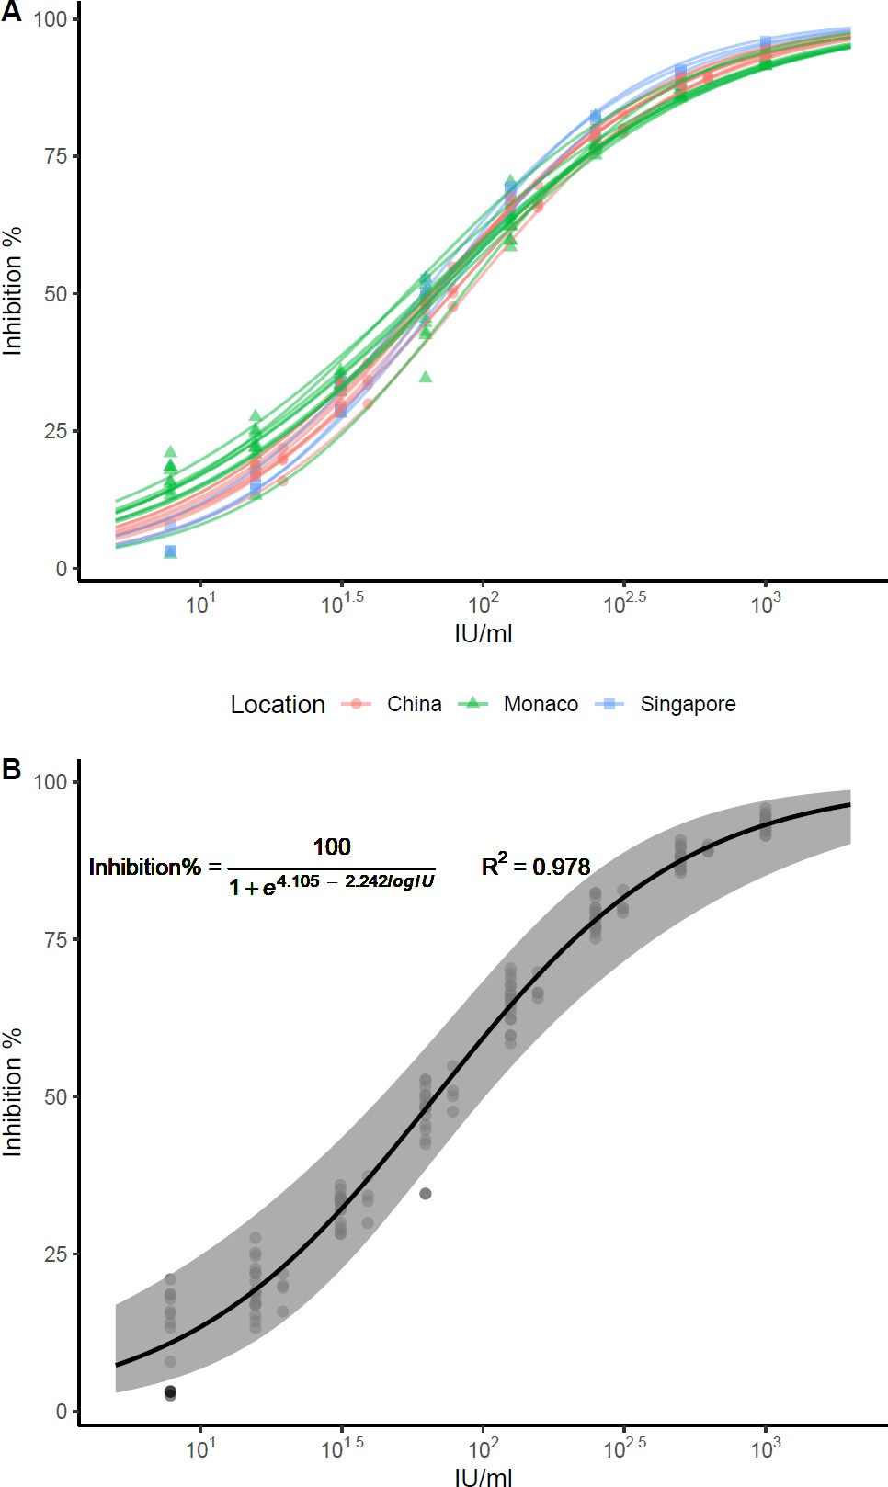
Figure 1. Calibration of International Standard using the cPass kit. Nine independent runs from China, nine from Monaco, and three from Singapore were used to perform the correlation of cPass inhibition % to IU/ml. Logistic regression modelling was performed by each independent replicate (A) or all data (B). The upper and lower 95% confident interval was plotted in grey shade. The modelled equation for IU/ml to inhibition % and a pseudo R2 (calculated by 1 - deviance/null.deviance ) was marked on the left upper corner.

