Definitions
Title: | COVID-19 Vaccination Statistics Definitions
Summary: | This file contains information on the number of vaccinations for COVID-19 delivered to English residents and all other individuals who have been vaccinated in England (including those living outside of England). All vaccinations included in this publication were administered during the period specified below and are recorded against the date of vaccination. The source of all vaccination data in this publication is DPS (Data Processing Service) Direct Flow.
Period: | Data to 12 November 2023
Source: | DPS (Data Processing Service) Direct Flow, NHS England
Basis: | England
Published: | 16 November 2023
Status: | Published

Data Definitions
All data on the number of people vaccinated in this publication are taken from DPS (Data Processing Service) Direct Flow, unless otherwise specified. This was previously the National Immunisation Management System (NIMS).
Data marked as DPS (Data Processing Service) Direct Flow NHS England' includes any vaccinations given in England, regardless of whether the recipient is alive or resident in England.
Where figures are shown for NHS geographies (region), these are based on the place of residence of the vaccinated individual. The health geographical boundaries used are defined as at July 2023.
Autumn 2023/24 vaccinations definition
The total autumn vaccinations figure includes any vaccination administered after the start of the autumn campaign on 11 September 2023 to any individuals in an eligible cohort.
NHS England estimates that approximately 21.5 million people will be eligible for an autumn booster during the campaign. This figure includes individuals who are in an eligible cohort and had a first dose vaccination prior to the start of the campaign. Eligible cohorts we report in this publication include adults aged 65 and over, immunosuppressed individuals aged 5 to 64, individuals in a clinical risk group aged 5 to 64 and frontline healthcare workers. There are approximately 25.5 million people that are in an eligible cohort.
Separate cohort figures are published for individuals in an eligible autumn vaccination cohorts:
Aged 65+ - In line with JCVI guidance, age is as at 31 March 2024, as recorded in the Master Patient Index. Therefore, some vaccinations delivered to this cohort will be to individuals who have not yet turned 65.
Immunosuppressed (aged 5-64) - The Immunosuppressed (IS) cohort reported in this publication is based on the CaaS cohort definition as outlined in the Green Book (chapter 14). This cohort is a subset of the 'in a clinical risk group' cohort. Please note that the IS cohort might fluctuate as individuals move in and out of this cohort.
In a clinical risk group (aged 5-64) - The 'in a clinical risk group' cohort reported in this publication is based on the CaaS cohort definition as outlined in the Green Book (chapter 14). Please note that the in a clinical at risk cohort might fluctuate as individuals move in and out of this cohort.
Frontline healthcare workers - These figures represent only those NHS healthcare workers who appear in the NHS Electronic Staff Record (ESR), were employed by an NHS Trust as at the extract date and are in an occupational group designated as a frontline healthcare worker. This covers directly employed staff in NHS Trusts who are paid through ESR, which will include some NHS Bank staff. The figures do not include data on staff that are not paid through ESR, or staff on ESR who could not be matched to DPS. It also does not include data on primary care staff or social care workers.
Care home residents are also eligible for an autumn vaccination during the campaign but are not reported in this publication. Information on care home residents will be published separately.
The figures include any vaccinations delivered in England, regardless of whether the individual is still alive or resident in England. Not all vaccinations delivered up to this date will be included in these figures. At 21 September 2023, 95.0% of vaccinations recorded in the DPS database were reported within 1 day of being administered and 97.9% of vaccinations were reported within 7 days.
Age definition
Age is as at the end of March 2024, as recorded in the Master Patient Index (MPI). This is to ensure vaccinations delivered to 64 year olds will be counted in this figure if they turn 65 by the end of March. Vaccinations to children will be counted as an autumn vaccination if they turn 5 before the start of the campaign on 11 September 2023 and are in an eligible cohort.
 |  | j

Links
JCVI advises on eligible groups for 2023 autumn booster - GOV.UK (www.gov.uk)

Autumn vaccinations by week
Title: | COVID-19 Autumn Vaccinations by Week of Vaccination
Summary: | The number of people who have had a 'Autumn' vaccination for COVID-19 in England since the start of the Autumn 2023 campaign, by week of vaccination.
Period1: | 11 September 2023 to 12 November 2023
Source: | DPS (Data Processing Service) Direct Flow, NHS England
Basis: | England
Published: | 16 November 2023
Status: | Published
Definitions: | The data in this release includes all individuals with a 'Autumn' vaccination administered in England, even if individuals are resident outside of England, do not have an NHS number or are no longer alive. This includes vaccinations administered as part of clinical trials.

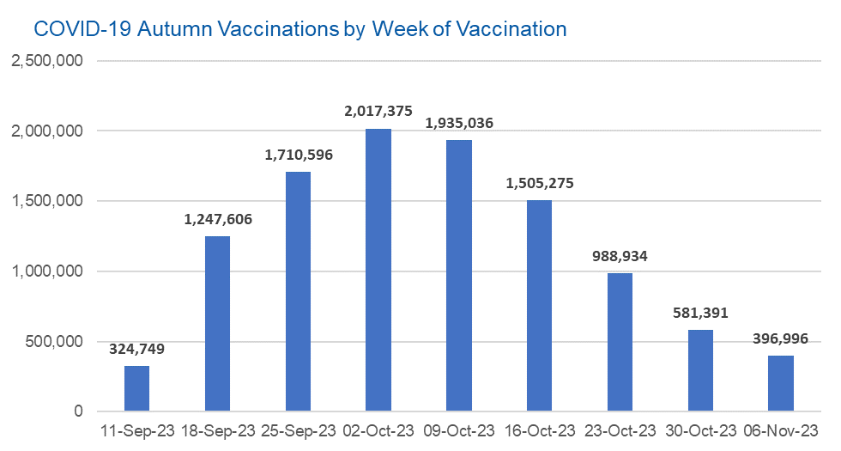

Week Commencing |  | Number of people who have had an Autumn vaccination to date | Cumulative number of people who have had an Autumn vaccination to date
Total |  | 10,707,958 | -
2023-09-11 |  | 324,749 | 324,749
2023-09-18 |  | 1,247,606 | 1,572,355
2023-09-25 |  | 1,710,596 | 3,282,951
2023-10-02 |  | 2,017,375 | 5,300,326
2023-10-09 |  | 1,935,036 | 7,235,362
2023-10-16 |  | 1,505,275 | 8,740,637
2023-10-23 |  | 988,934 | 9,729,571
2023-10-30 |  | 581,391 | 10,310,962
2023-11-06 |  | 396,996 | 10,707,958

Data quality notes: |  |  |  | In the week commencing 6 November 2023, 396,996 autumn vaccinations were delivered. This brings the total number of autumn vaccinations delivered to 10,707,958.
1. Data was extracted from the DPS (Data Processing Service) Direct Flow on 14 November 2023.
2. See 'Definitions' tab for more information.

Total vaccinations by week
Title: | COVID-19 Vaccinations by Week of Vaccination
Summary: | The number of COVID-19 vaccinations delivered in England, by week of vaccination.
Period1,2: | 8 December 2020 to 12 November 2023
Source: | DPS (Data Processing Service) Direct Flow, NHS England
Basis: | England
Published: | 16 November 2023
Status: | Published
Definitions: | These figures include all vaccinations administered in England, even if individuals vaccinated do not have an NHS number, are resident outside of England or are no longer alive.
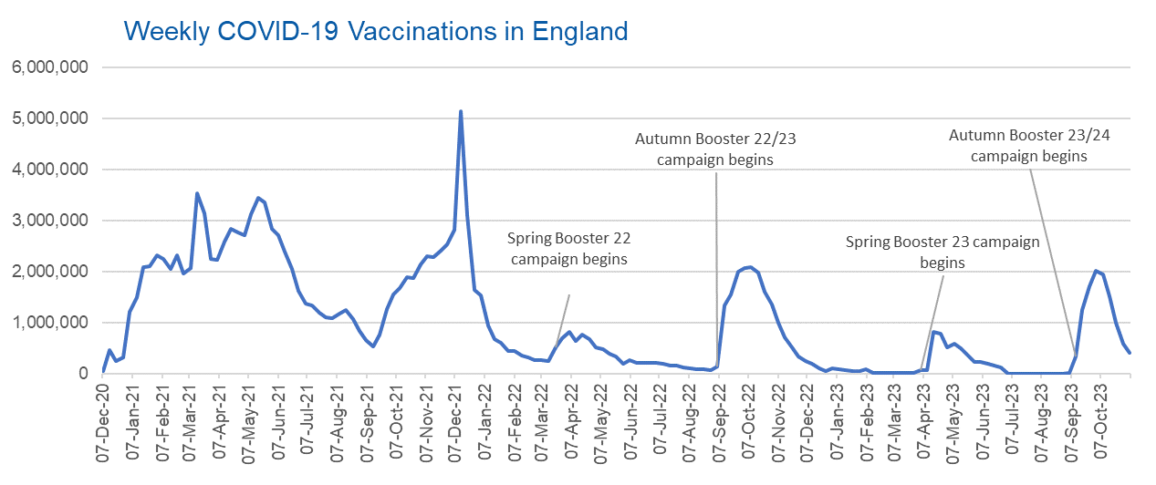

Week Commencing | Number of vaccinations delivered | Cumulative number of vaccinations delivered

Total | 156,361,940 | -
2020-12-07 | 54,723 | 54,723
2020-12-14 | 456,567 | 511,290
2020-12-21 | 243,434 | 754,724
2020-12-28 | 316,405 | 1,071,129
2021-01-04 | 1,213,225 | 2,284,354
2021-01-11 | 1,498,470 | 3,782,824
2021-01-18 | 2,090,093 | 5,872,917
2021-01-25 | 2,093,371 | 7,966,288
2021-02-01 | 2,311,250 | 10,277,538
2021-02-08 | 2,252,301 | 12,529,839
2021-02-15 | 2,050,453 | 14,580,292
2021-02-22 | 2,316,846 | 16,897,138
2021-03-01 | 1,956,566 | 18,853,704 | In the week commencing 6 November 2023, 396,996 vaccinations were delivered, taking the total number of COVID-19 vaccinations delivered to 156,361,940.
2021-03-08 | 2,067,356 | 20,921,060
2021-03-15 | 3,529,604 | 24,450,664
2021-03-22 | 3,136,518 | 27,587,182
2021-03-29 | 2,245,623 | 29,832,805
2021-04-05 | 2,221,546 | 32,054,351
2021-04-12 | 2,576,878 | 34,631,229
2021-04-19 | 2,831,905 | 37,463,134
2021-04-26 | 2,760,672 | 40,223,806
2021-05-03 | 2,705,346 | 42,929,152
2021-05-10 | 3,125,416 | 46,054,568
2021-05-17 | 3,447,611 | 49,502,179
2021-05-24 | 3,354,324 | 52,856,503
2021-05-31 | 2,832,925 | 55,689,428
2021-06-07 | 2,714,231 | 58,403,659
2021-06-14 | 2,380,690 | 60,784,349
2021-06-21 | 2,046,785 | 62,831,134
2021-06-28 | 1,625,049 | 64,456,183
2021-07-05 | 1,361,012 | 65,817,195
2021-07-12 | 1,334,611 | 67,151,806
2021-07-19 | 1,190,761 | 68,342,567
2021-07-26 | 1,108,545 | 69,451,112
2021-08-02 | 1,074,806 | 70,525,918
2021-08-09 | 1,175,633 | 71,701,551
2021-08-16 | 1,245,488 | 72,947,039
2021-08-23 | 1,062,831 | 74,009,870
2021-08-30 | 827,776 | 74,837,646
2021-09-06 | 645,917 | 75,483,563
2021-09-13 | 519,853 | 76,003,416
2021-09-20 | 760,138 | 76,763,554
2021-09-27 | 1,261,770 | 78,025,324
2021-10-04 | 1,547,799 | 79,573,123
2021-10-11 | 1,677,070 | 81,250,193
2021-10-18 | 1,884,765 | 83,134,958
2021-10-25 | 1,860,807 | 84,995,765
2021-11-01 | 2,137,702 | 87,133,467
2021-11-08 | 2,290,882 | 89,424,349
2021-11-15 | 2,288,941 | 91,713,290
2021-11-22 | 2,403,134 | 94,116,424
2021-11-29 | 2,527,264 | 96,643,688
2021-12-06 | 2,814,628 | 99,458,316
2021-12-13 | 5,145,090 | 104,603,406
2021-12-20 | 3,107,948 | 107,711,354
2021-12-27 | 1,637,189 | 109,348,543
2022-01-03 | 1,535,284 | 110,883,827
2022-01-10 | 936,741 | 111,820,568
2022-01-17 | 665,259 | 112,485,827
2022-01-24 | 595,782 | 113,081,609
2022-01-31 | 442,801 | 113,524,410
2022-02-07 | 447,056 | 113,971,466
2022-02-14 | 346,933 | 114,318,399
2022-02-21 | 318,434 | 114,636,833
2022-02-28 | 268,529 | 114,905,362
2022-03-07 | 251,544 | 115,156,906
2022-03-14 | 242,115 | 115,399,021
2022-03-21 | 510,306 | 115,909,327
2022-03-28 | 689,358 | 116,598,685
2022-04-04 | 820,303 | 117,418,988
2022-04-11 | 632,668 | 118,051,656
2022-04-18 | 753,175 | 118,804,831
2022-04-25 | 680,447 | 119,485,278
2022-05-02 | 512,427 | 119,997,705
2022-05-09 | 476,300 | 120,474,005
2022-05-16 | 386,673 | 120,860,678
2022-05-23 | 324,508 | 121,185,186
2022-05-30 | 183,950 | 121,369,136
2022-06-06 | 252,102 | 121,621,238
2022-06-13 | 203,886 | 121,825,124
2022-06-20 | 212,725 | 122,037,849
2022-06-27 | 214,411 | 122,252,260
2022-07-04 | 205,200 | 122,457,460
2022-07-11 | 188,826 | 122,646,286
2022-07-18 | 159,521 | 122,805,807
2022-07-25 | 155,177 | 122,960,984
2022-08-01 | 114,791 | 123,075,775
2022-08-08 | 93,979 | 123,169,754
2022-08-15 | 89,115 | 123,258,869
2022-08-22 | 82,026 | 123,340,895
2022-08-29 | 63,555 | 123,404,450
2022-09-05 | 134,332 | 123,538,782
2022-09-12 | 1,327,587 | 124,866,369
2022-09-19 | 1,556,022 | 126,422,391
2022-09-26 | 1,988,141 | 128,410,532
2022-10-03 | 2,066,962 | 130,477,494
2022-10-10 | 2,075,316 | 132,552,810
2022-10-17 | 1,984,878 | 134,537,688
2022-10-24 | 1,592,888 | 136,130,576
2022-10-31 | 1,352,126 | 137,482,702
2022-11-07 | 998,811 | 138,481,513
2022-11-14 | 702,905 | 139,184,418
2022-11-21 | 510,560 | 139,694,978
2022-11-28 | 337,858 | 140,032,836
2022-12-05 | 247,454 | 140,280,290
2022-12-12 | 184,108 | 140,464,398
2022-12-19 | 103,579 | 140,567,977
2022-12-26 | 46,825 | 140,614,802
2023-01-02 | 98,470 | 140,713,272
2023-01-09 | 85,976 | 140,799,248
2023-01-16 | 59,758 | 140,859,006
2023-01-23 | 53,897 | 140,912,903
2023-01-30 | 49,831 | 140,962,734
2023-02-06 | 85,480 | 141,048,214
2023-02-13 | 11,234 | 141,059,448
2023-02-20 | 6,525 | 141,065,973
2023-02-27 | 4,962 | 141,070,935
2023-03-06 | 4,074 | 141,075,009
2023-03-13 | 3,769 | 141,078,778
2023-03-20 | 3,262 | 141,082,040
2023-03-27 | 2,454 | 141,084,494
2023-04-03 | 64,013 | 141,148,507
2023-04-10 | 70,727 | 141,219,234
2023-04-17 | 822,857 | 142,042,091
2023-04-24 | 774,999 | 142,817,090
2023-05-01 | 506,621 | 143,323,711
2023-05-08 | 579,003 | 143,902,714
2023-05-15 | 484,380 | 144,387,094
2023-05-22 | 372,031 | 144,759,125
2023-05-29 | 219,040 | 144,978,165
2023-06-05 | 230,339 | 145,208,504
2023-06-12 | 185,280 | 145,393,784
2023-06-19 | 144,788 | 145,538,572
2023-06-26 | 111,427 | 145,649,999
2023-07-03 | 795 | 145,650,794
2023-07-10 | 300 | 145,651,094
2023-07-17 | 212 | 145,651,306
2023-07-24 | 252 | 145,651,558
2023-07-31 | 199 | 145,651,757
2023-08-07 | 193 | 145,651,950
2023-08-14 | 253 | 145,652,203
2023-08-21 | 301 | 145,652,504
2023-08-28 | 268 | 145,652,772
2023-09-04 | 1,210 | 145,653,982
2023-09-11 | 324,749 | 145,978,731
2023-09-18 | 1,247,606 | 147,226,337
2023-09-25 | 1,710,596 | 148,936,933
2023-10-02 | 2,017,375 | 150,954,308
2023-10-09 | 1,935,036 | 152,889,344
2023-10-16 | 1,505,275 | 154,394,619
2023-10-23 | 988,934 | 155,383,553
2023-10-30 | 581,391 | 155,964,944
2023-11-06 | 396,996 | 156,361,940

Data quality notes:
1. Data was extracted from the DPS (Data Processing Service) Direct Flow on 14 November 2023.
2. Note these figures may be updated as more information becomes available from local systems.
3. Due to a transfer of vaccination data from the National Immunisation Management System (NIMS) to DPS (Data Processing Service) the number of total vaccinations decreased when comparing our last weekly publication during the spring 2023 campaign on 13 July 2023 and the first weekly publication during the autumn campaign on 28 September 2023. This drop in vaccinations is under investigation.

