Frequency
Frequency
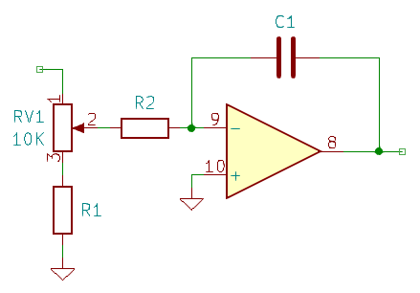
R1 | R2 | C1 | Fmin | Fmax
220R | 10K | 6N8 | 40 Hz | 2 kHz
51R | 15K | 1N2 | 27 Hz | ~7 kHz
68R | 10K | 2N2 | 40 Hz | 5.3 kHz

