Legend
Legend - CAN（FD） 参数说明 - CAN（FD）
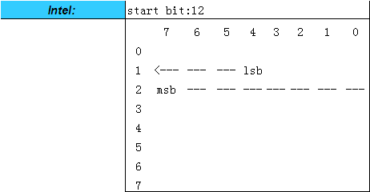
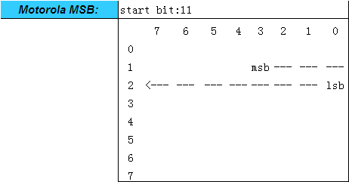
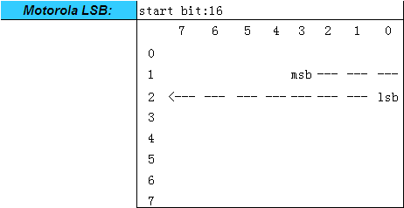

Property 属性 | Description 描述 | Remarks 备注
Msg Name 报文名称 | Message name 报文名称
Msg Type 报文类型 | Msg Type: CAN Standard, CAN Diag, CANFD Standard, CANFD Diag，CAN NM 报文类型：常规应用CAN报文，CAN诊断报文，常规应用CANFD报文，CANFD诊断报文，CAN 网络管理报文
Msg ID 报文标识符 | Message identifier 报文标识符
Msg Send Type 报文发送类型 | Send type for the message. 报文的发送类型 Send type:"Cycle", "Event", "IfActive", "CE" and "CA" 发送类型："Cycle", "Event", "IfActive", "CE" and "CA" | “ CE - Cycle and Event ” , " CA - Cycle if Active "
Msg Cycle Time (ms) 报文周期时间 | Cycle time of the message if it should be sent cyclically 报文发送周期时间（仅对周期性发送报文） | Unit: ms 单位：毫秒
Msg Length (Byte) 报文长度 | Byte length of the message 报文的字节长度
Signal Group Name 信号组名称 | Signal Group Name 信号组名称 | a complex data type. Inside a complex data type, there are one or more data elements (primitive data types), like in a C struct. The data consistency of such complex data types must be ensured. The complex data type will be decomposed into single signals. As these signals altogether need to be treated consistently, they are called signal group. 一种复杂数据类型，包括一个或多个数据元素（基本数据类型），就像C语言中的结构体Struct一样。这些复杂数据类型的数据一致性必须得到保证。这些复杂数据类型将被分解成单个信号，由于这些信号需要被一齐处理，因此称它们为信号组。
E2E Profile E2E算法 | E2E Profile E2E算法 | the adopted E2E protection algorithm profile of the signal group 信号组采用的E2E保护算法
Data ID 信号组标识符 | Data ID 信号组标识符 | Data ID is used to identify a signal group, and participates in the Checksum calculation. Please refer to <E2E communication protection requirements specification>. 用来唯一确定一个信号组，并参与到信号组Checksum的运算中，详见《E2E通信保护需求规范》
ASIL 功能安全等级要求 | ASIL 功能安全等级要求 | For this signal, the highest functional safety level the signal sender can achieve. 针对这个信号，信号发送方可以达到的最高的功能安全等级要求
Signal Name 信号名称 | Signal Name 信号名称 | 对于尾缀带ReservedSig或者信号描里标记Reserved的信号，为预留信号，暂没有与之相对的功能。报文发送时，预留信号需一直按照矩阵中规定的初始值进行发送。 对于信号组中的预留信号，如果信号组要计算Checksum，预留信号也要被包含在计算过程中。
Signal Description 信号描述 | Comment for the signal 信号描述
Byte Order 排列格式 | Description the byte order, intel or mortoral 描述了字节排布顺序 | Intel Motorola LSB Motorola MSB
Start Byte 起始字节
Start Bit 起始位
Signal Send Type 信号发送类型 | Send type for the signal 信号的发送类型 | Cycle OnWrite OnWriteWithRepetition OnChange OnChangeWithRepetition IfActive IfActiveWithRepetition.
Bit Length (Bit) 信号长度 | Bit length of the signal 信号的位长度
Date Type 数据类型 | Date type of the signal 信号的数据类型 Date type: Unsigned, Signed 数据类型：Unsigned, Signed
Resolution 精度 | Resolution value is to calculate the physical value of the signal. 十六进制值的比例因子是为了计算信号的物理值。 | The signal's conversion formula (Rasolution, Offset) is used to transform the hex value to a physical value or in the reverse direction. [Physical value] = ( [Hex value] * [Resolution] ) + [Offset] 使用信号的转换公式用来作为十六进制和物理值之间的相互转换。 [物理值] = ( [十六进制值] * [精度] ) + [偏移量]
Offset 偏移量 | Offset value is to calculate the physical value of the signal. 偏移量用来计算信号的物理值。
Signal Min. Value (phys) 物理最小值 | Physical minimum value of the signal in physical value 信号的物理最小值 | The "physical value" of a signal is the value of the physical quantity (e.g. speed, rpm, temperature, etc.) that represents the signal. 信号的物理值即这个信号所代表的物理量（例如：速度、转速、温度等）。
Signal Max. Value(phys) 物理最大值 | Physical maximum value of the signal in physical value 信号的物理最大值
Signal Min. Value (Hex) 总线最小值 | minimum value of the signal in Hex value 信号的总线最小值
Signal Max. Value(Hex) 总线值最大值 | maximum value of the signal in Hex value 信号的总线最大值
Initial Value(Hex) 初始值 | If no signal is plausible after network startup, the predefined value (i.e.Initial value, refer to the functional requirement) shall be sent. 如果在网络启动后没有可信的信号，预定义的值（即初始值，取决于功能需求）将被发送。 | 对于受E2E保护的信号，其初始值应为矩阵中规定的初始值； E2E Counter的初始值应为0x0； Checksum的初始值应为，与E2E保护的信号的初始值、信号组中预留信号的初始值和Counter的初始值对应的，预先计算的Checksum值。
Invalid Value(Hex) 无效值 | Invalid value in hex value 十六进制表示的无效值
Inactive Value(Hex) 非使能值 | Inactive value in hex value if the message sent type is ifActive and PA 十六进制表述的非使能值,仅用于使能型及周期使能型报文
Unit 单位 | Unit of the signal physical value 信号物理值的单位
Signal Value Description 信号值描述 | Hex-physics representation of the signal value 信号十六进制值所代表的物理值
Msg Cycle Time Fast(ms) 报文发送的快速周期(ms) | The fast cycle time of message if the Msg Send Type of message is not "Cycle" 当报文发送类型不为周期型时，报文发送的快速周期。
Msg Nr. Of Reption 报文快速发送的次数 | The reption number of message if the Msg Send Type of message is not "Cycle" 当报文发送类型不为周期型时，报文快速发送的次数。
Msg Delay Time(ms) 报文延时时间(ms) | The min time between the same ID message if the Msg Send Type of message is not "Cycle" 当报文发送类型不为周期型时，相同ID报文之间的最小间隔。

