1. Title Page
Instacart Grocery Basket Analysis

Project Name: Instacart Grocery Basket Analysis
Date: 08 September 2024
Analyst Name: Magdalena Hofbauer

Contents:
Population Flow
Consistency checks
Wrangling steps
Column derivations
Visualizations
Recommendations

2. Population Flow
Title page

Population flow

Exclusion flag
Condition: max_order <
Obervations to be removed:
Final total count of order_products_all:

Orders_products_combined
Orders_products_merged
Orders_products_all

Total: 32,404,859S
Total: 32.434.489
Total: 32,404,859

1.) The grey boxes in the first row of the population flow represent the original data sets as they were when you downloaded them. In the Total fields you need to add the count of the rows when you imported the data set into Jupyter.
2.) The second row of boxes (coloured) represents the data sets after you manipulated them, e.g., removed missing values and duplicates. In the Total fields you need to add the count of the rows after conducting these operations. This offers a visual oveview of how the data flows throughout the data consistency checks.
3.) The third row, where also the arrows are coloured, represents the merges you performed between the datasets. In the Total fields you need to add the count of the rows in the merged datasets, so that you end up with the final dataset (in the red box). Keep in mind the final dataset should be without exclusions (based on the exclusion flag).

3. Consistency checks
 |  |  |  | Title page
Consistency checks

Dataset | Missing values | Missing values treatment | Duplicates
orders | Column [days_since_prior_order]: 206.209 | Used a special marker (NaN) to indicate first orders and then created an additional column (first_order) to label these entries explicitly, -Using NaN as a marker for first orders keeps the original data intact and avoids introducing potentially misleading numerical values like -1, which might be misinterpreted in future analyses. -The first_order column clearly distinguishes between first-time customers ('First Order') and returning customers ('Repeat Customer'), providing an easily interpretable label." | no duplicates found
products | Column [Product_Name]: 16 | Filtered out the ones that aren’t missing into a subset dataframe: df_prods_clean
orders_products_prior | There were no missing values. | n/a | There were no duplicates.
customers | There were no missing values. | n/a | There were no duplicates.

4. Wrangling steps
 |  |  |  | Title page
Wrangling steps

Columns dropped | Columns renamed | Columns' type changed | Comment/Reason
column 'eval-set' |  |  | column contains system information that acts as a label for the entire data set. It has one value—prior—which indicates that this was the prior data set released by Instacart.
 | column 'order-dow' to 'orders_day_of_week' - now 'order_weekday' |  | not self-explanatory expression
 |  | variable 'order-id' from numeric value to ('str'/'o') | doesn’t represent real numeric values, rather, keys related to specific orders and users
 |  | variable 'user-id' from numeric value to ('str'/'o') | doesn’t represent real numeric values, rather, keys related to specific orders and users
column 'unnamed:0' |  |  | Likely an unnecessary index column
 | First Name': 'first_name', 'Surnam': 'last_name', 'STATE': 'state', 'Gender': 'gender', 'Age': 'age', 'date_joined': 'date_joined', 'n_dependants': 'num_dependents', 'fam_status': 'family_status', 'income': 'income' |  | Changed for uniform look of column labels
first_name (on customers) |  |  | First name and Surname are not relevant to the analysis. User_id is sufficient to identify each customer. Also due to data ethics, personal identifiers are not advised due to privacy reasons.
last_name (on customers)

5. Column derivations
 |  |  |  | Title page

Column derivations and aggregations

In this tab you should add tables below that the frequences of flags/label variables that you produced after deriving them. NB: don't do this for continuous variables, only for flags.
Dataset | New column | Column/s it was derived from | Conditions
ords_prods_merge | price_range | prices | Sort and display products into price ranges ("High-, Mid- and Low-Range Product"). Item price lower than or equal to $5 is “low-range product.” Item price above $5 but lower than or equal to $15, is “mid-range product.” Item price above $15, is “high-range product.”
ords_prods_merge | busiest_days | order_weekday | Labels ("Busiest Days", "Slowest Days" and "Regular Days" correspond with the two busiest days ( Saturday, Sunday) and two slowest days of the week (Wednesday, Thursday). For all other counts - Label "Regular Days"
ords_prods_merge | busiest_period_of_day | order_hour_of_day | Identify the busiest hours of the day - with periods of time labeled “Most orders,” “Average orders,” and “Fewest orders.” Most orders: Hour 10, Fewest orders: Hour 3
ords_prods_merge_new clms | max_order | max of user_id and order_number | This column is to determine maximum frequency of orders ('order_number') grouped by customer ('user_id').
ords_prods_merge_new clms | loyalty_flag | max_order | if max_order is >40, then labeled as 'Loyal customer'
 |  |  | if max_order is <=40 and >10, then labeled as "Regular customer'
 |  |  | if max_order is <=10, then labeled as 'New customer'
ords_prods_merge | user_spending | user_id, 'prices' | This gets the average price of product purchased, grouped by 'user_id'
ords_prods_merge | spending_flag | user_spending | If avg_purchase_price <10, then labeled as 'Low spender'
 |  |  | If avg_purchase_price >=10, then labeled as 'High spender'
ords_prods_merge | order_frequency | user_id', 'days_since_prior_order' | This gets the median 'days_since_prior_order' and groups by 'user_id'
ords_prods_merge | frequency_flag | order_frequency | If median_days >20, then labeled as 'Non-frequent customer'
 |  |  | If median_days >10 and <=20, then labeled as 'Regular customer'
 |  |  | If median_days <=10, then labeled as 'Frequent customer'
customer_orders.merged | region | state | 'Connecticut': 'Northeast', 'Maine': 'Northeast', 'Massachusetts': 'Northeast', 'New Hampshire': 'Northeast', 'Rhode Island': 'Northeast', 'Vermont': 'Northeast', 'New Jersey': 'Northeast', 'New York': 'Northeast', 'Pennsylvania': 'Northeast', 'Illinois': 'Midwest', 'Indiana': 'Midwest', 'Michigan': 'Midwest', 'Ohio': 'Midwest', 'Wisconsin': 'Midwest', 'Iowa': 'Midwest', 'Kansas': 'Midwest', 'Minnesota': 'Midwest', 'Missouri': 'Midwest', 'Nebraska': 'Midwest', 'North Dakota': 'Midwest', 'South Dakota': 'Midwest', 'Delaware': 'South', 'Florida': 'South', 'Georgia': 'South', 'Maryland': 'South', 'North Carolina': 'South', 'South Carolina': 'South', 'Virginia': 'South', 'Washington, D.C.': 'South', 'West Virginia': 'South', 'Alabama': 'South', 'Kentucky': 'South', 'Mississippi': 'South', 'Tennessee': 'South', 'Arkansas': 'South', 'Louisiana': 'South', 'Oklahoma': 'South', 'Texas': 'South', 'District of Columbia': 'South', 'Arizona': 'West', 'Colorado': 'West', 'Idaho': 'West', 'Montana': 'West', 'Nevada': 'West', 'New Mexico': 'West', 'Utah': 'West', 'Wyoming': 'West', 'Alaska': 'West', 'California': 'West', 'Hawaii': 'West', 'Oregon': 'West', 'Washington': 'West'
customer_orders.merged | exclusion flag | max_order | exclusion flag for customers with fewer than 5 orders
customer_orders.merged | customer_profile | age, department_id, num_dependents, income | Defined Customer Profiles Single Adult Age: 18-24; Income: Moderate to High; Dependents: 0; Shopping Preferences: Prefers "Alcohol," "Snacks," "Frozen," etc.; Shopping Time: Late evening, weekends. Young Parent Age: 25-40; Income: Moderate; Dependents: 1-3; Shopping Preferences: Prefers "Babies," "Dairy," "Cereal," etc.; Shopping Time: Morning, weekends. Senior: Age: 60+; Income: Moderate to Low; Dependents: 0 or 1; Shopping Preferences: Prefers "Health," "Produce," "Bakery," etc.; Shopping Time: Weekdays, early morning.
customer_orders.merged | age_group | age | if age >= 18 and age <= 24: result.append('Single Adult') elif age >= 25 and age <= 40: result.append('Young Parent') elif age >= 60: result.append('Senior') else: result.append('other')
customer_orders.merged | income_group | income | if income <= 49999: result.append('low income') elif income>=50000 and income<=99999: result.append('moderate income') elif income>=100000: result.append('high income')
customer_orders.merged | dependents_category | num_dependents | if dependents <= 1: result.append('small') elif dependents == 2: result.append('medium') elif dependents >= 3: result.append('large') else: result.append('No data')
df_final | day_category | order_weekday | day_mapping = {0: 'weekend', 1: 'weekend', 2: 'weekday', 3: 'weekday', 4: 'weekday', 5: 'weekday', 6: 'weekday'}

6. Visualizations
 |  |  | Title page

Visualisations

In this tab you should include all the visualtions from Exercises 4.9 and 4.10, alongside the questions from the project brief that they answer. Include any commentary on the relationship between different variables.

Key Question: The sales team needs to know what the busiest days of the week and hours of the day are (i.e., the days and times with the most orders) in order to schedule ads at times when there are fewer orders.

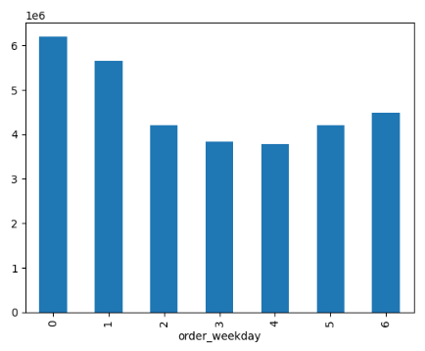
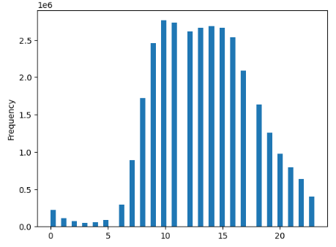
 |  |  |  | The histogram represents the distribution of orders placed throughout the day, as captured in the "order_hour_of_day" column. Each bar in the histogram shows the frequency of orders for each hour of the day, with the x-axis representing the hours (0-23) and the y-axis representing the frequency of orders. It shows that the majority of orders are placed between 10 AM and 3 PM, with a peak around 10 AM to 12 PM. There are significantly fewer orders during the early morning hours (midnight to 6 AM) and a steady decline in order frequency after 3 PM, with the lowest activity in the late evening. This pattern highlights the midday as the most active shopping period for customer.

 | Busiest Day of week | Saturday
 | Slowest Day of week: | Tuesday

Key Question: They also want to know whether there are particular times of the day when people spend the most money, as this might inform the type of products they advertise at these times.

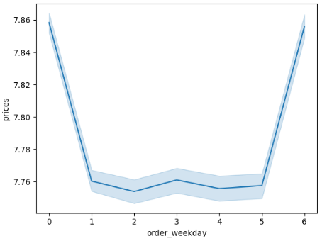
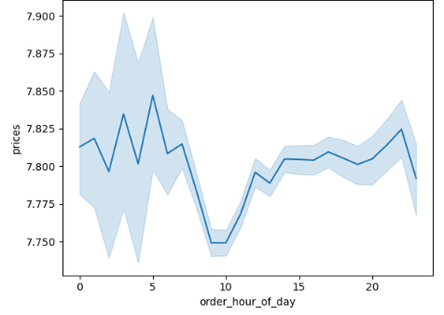
Spending Behavior by Time of Day
Peak Spending: There is a general trend where spending fluctuates throughout the day, with a notable dip during early morning hours (around 5–9 a.m.), followed by an increase in spending towards the late afternoon and evening (12 p.m.–9 p.m.).
Late Evening Spike: Another rise is seen between 7 p.m. and 9 p.m., indicating that customers tend to make higher-value purchases or more frequent orders later in the day.
Spending Behavior by Day of the Week
Weekend Trend: There is a clear rise in spending on weekends (Saturday and Sunday). On weekdays, spending is more stable and lower compared to weekends.
Weekday Low: The mid-week (Wednesday, Thursday) shows slightly less spending, and the spending curve bottoms out during these days

Key Question: Instacart has a lot of products with different price tags. Marketing and sales want to use simpler price range groupings to help direct their efforts.

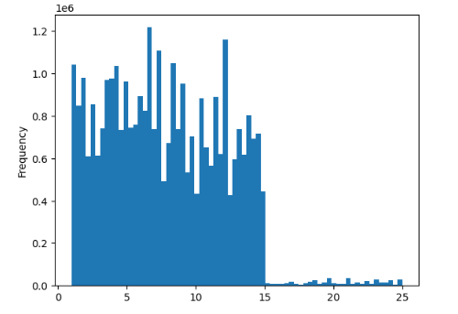
Spending Behavior by Time of Day
Most Frequent Prices: The majority of orders are for items priced between 0 and 5.
Decreasing Frequency: As the price increases, the frequency of orders decreases.
Rare High Prices: Items priced above 15 are rarely ordered.

Key Question: Are there certain types of products that are more popular than others? The marketing and sales teams want to know which departments have the highest frequency of product orders.

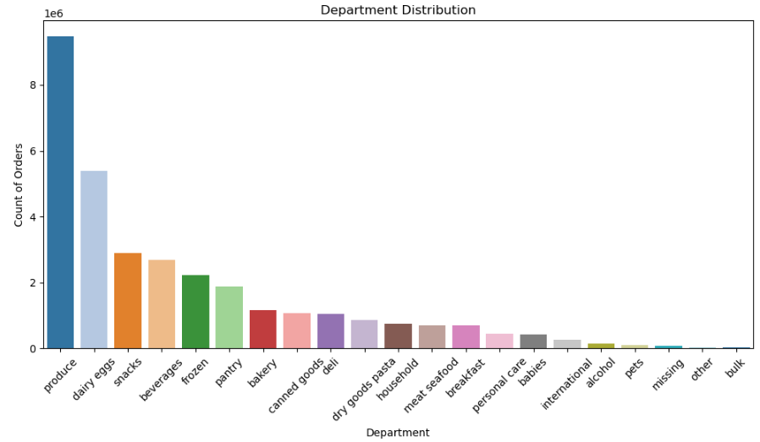
Produce: This department has the highest frequency of orders. It’s significantly more popular than any other department.
Dairy & Eggs: This is the second most popular department, though its order count is considerably lower than produce.
Snacks: Following dairy & eggs, snacks also have a high frequency of orders.
Beverages and Frozen: These departments have notable order counts but are less than dairy & eggs and snacks.

Key Question: What’s the distribution among users in regards to their brand loyalty (i.e., how often do they return to Instacart)?

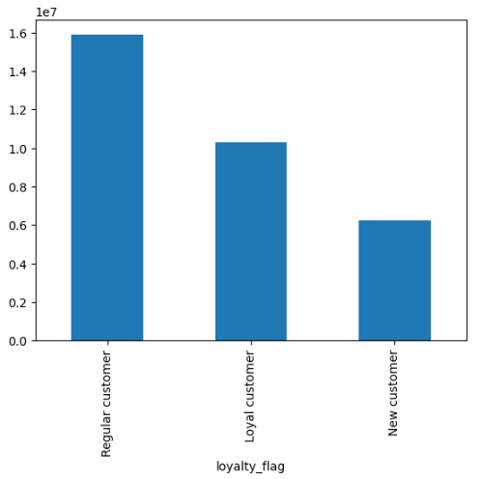
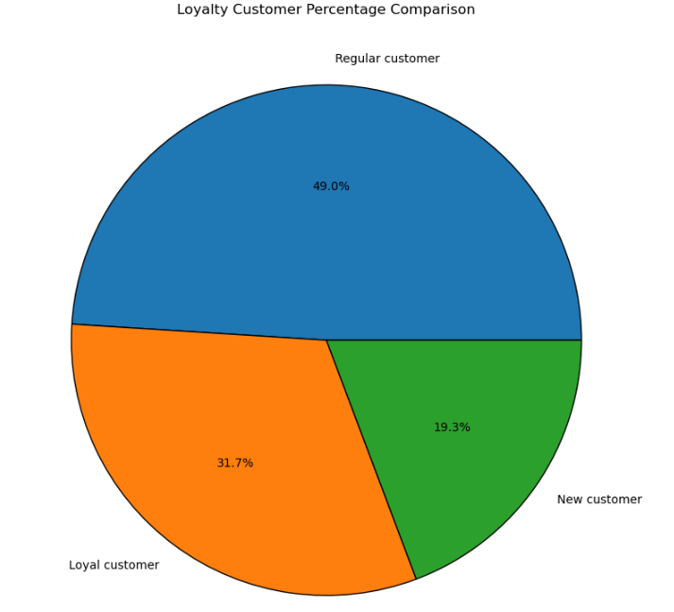
Loyalty Categories Definition
Loyal customer: Customer has ordered from instacart more than 40 times
Regular customer: Customer has ordered from Instacart between 11 and 40 times
New customer: Customer has ordered from Instacart 10 or fewer times

Regular Customers: Nearly half of Instacart’s user base consists of regular customers who shop frequently but may not be exclusively loyal to Instacart.
Loyal Customers: About one-third of the users are loyal customers who likely prioritize Instacart over other options consistently.
New Customers: A smaller portion, are new customers who have recently started using Instacart.

Key Question: Are there differences in ordering habits based on a customer’s loyalty status?

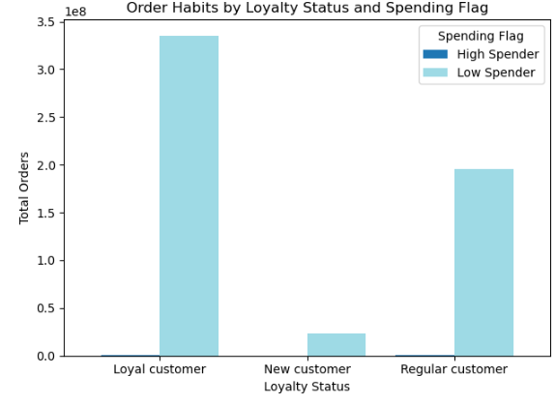
The bar chart displays ordering habits by customer loyalty status (loyal customer, new customer, regular customer) and spending behavior (high spender, low spender). From the chart, the following insights can be drawn:
Loyal Customers: The majority of the orders come from loyal customers, but these customers seem to be primarily low spenders. This suggests that while loyal customers frequently shop at Instacart, they tend to place smaller orders.
Regular Customers: Regular customers also contribute significantly to the total orders, and similar to loyal customers, most of them appear to be low spenders.
New Customers: New customers, unsurprisingly, place fewer orders, and their spending behavior seems to be skewed toward low spenders as well.

Key Question: Are there differences in ordering habits based on a customer’s region?

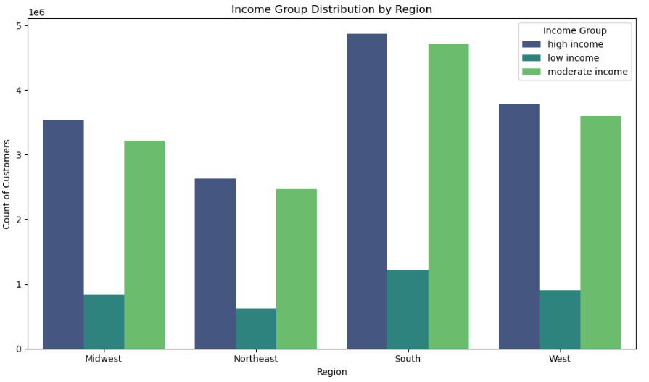
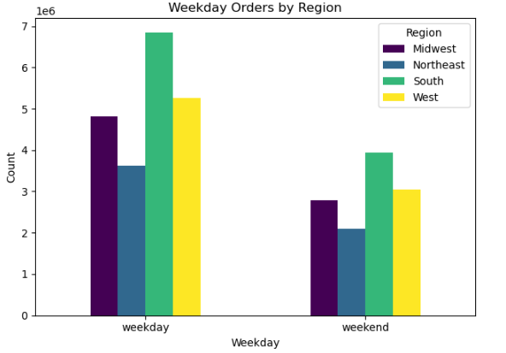
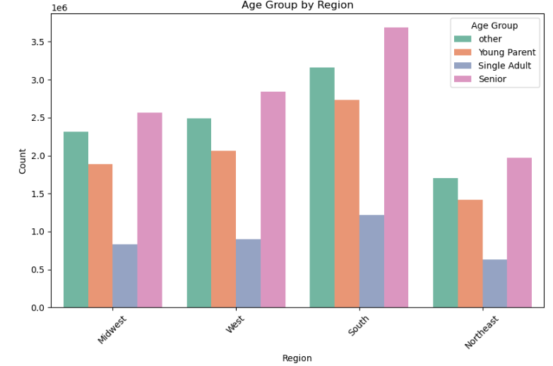

Key Observations:
Single Adults (18-24): This group has a moderate number of orders, with the North and South regions showing slightly higher numbers.
Young Parents (25-40): This group has the highest number of orders in all regions, particularly in the South.
Seniors (60+): This group places fewer orders overall, with the North region having the highest number among them.
Others: This category includes the remaining age groups and shows a balanced distribution across all regions, but with fewer orders compared to Young Parents
Key Observations:
Low Income (≤ $49,999): This group places fewer orders overall. The distribution is relatively even across all regions, but the North and South regions have slightly higher numbers.
Moderate Income ($50,000 - $99,999): This group shows a higher number of orders compared to the low-income group. The North and South regions again lead in the number of orders, with the East and West regions having fewer orders.
High Income (≥ $100,000): This group places the highest number of orders in all regions. The North and South regions have the most significant number of orders, indicating a strong presence of high-income customers in these areas.
Key Observations:
- Weekday orders are higher than weekend orders in all regions.
- The North region has the highest number of weekday orders.
- The South region shows a significant drop in orders during the weekend compared to weekdays.
- The East and West regions have a more balanced distribution between weekday and weekend orders, but still with more orders on weekdays.

Key Question: Is there a connection between age and family status in terms of ordering habits?

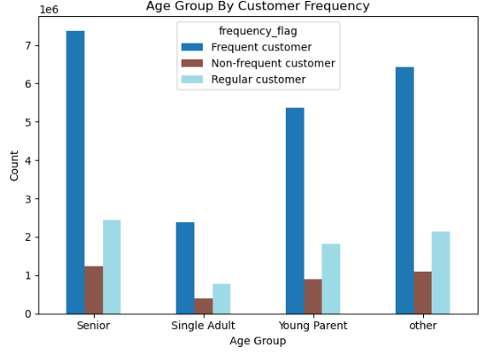
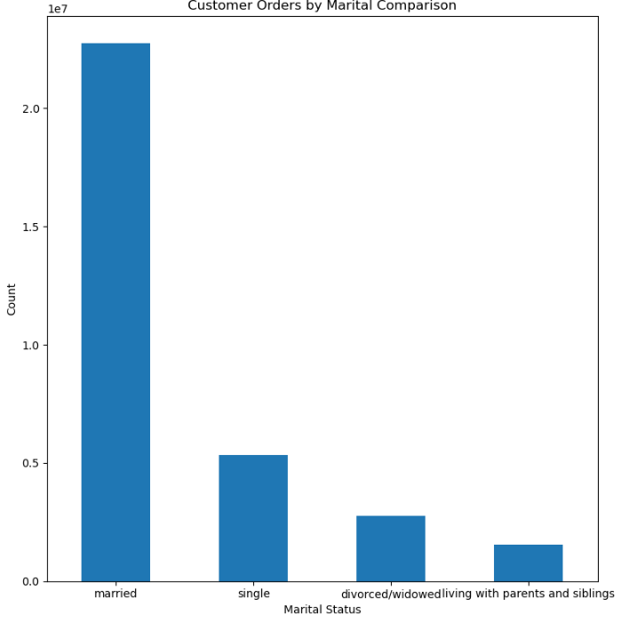
This graph compares the number of orders placed by married individuals versus those who are single, divorced, separated, widowed, or living with parents and siblings.
Key Observations:
Married Individuals: This group has a higher order count compared to the other groups, indicating that married individuals are more likely to place orders.
Single/Divorced/Separated/Widowed/With Parents and Siblings: This group has a lower order count, suggesting that their ordering habits are less frequent compared to married individuals.
Key Observations:
Seniors (60+): Have the highest count of both regular and frequent customers, indicating consistent and frequent ordering habits.
Single Adults (18-24): Have the lowest frequency for both regular and frequent customers, suggesting less consistent ordering habits.
Young Parents (25-40): Show a balanced distribution between regular and frequent customers, indicating regular ordering habits.
Others: Also show a balanced distribution, similar to Young Parents.

Key Question: What differences can you find in ordering habits of different customer profiles? Consider the price of orders, the frequency of orders, the products customers are ordering, and anything else you can think of.

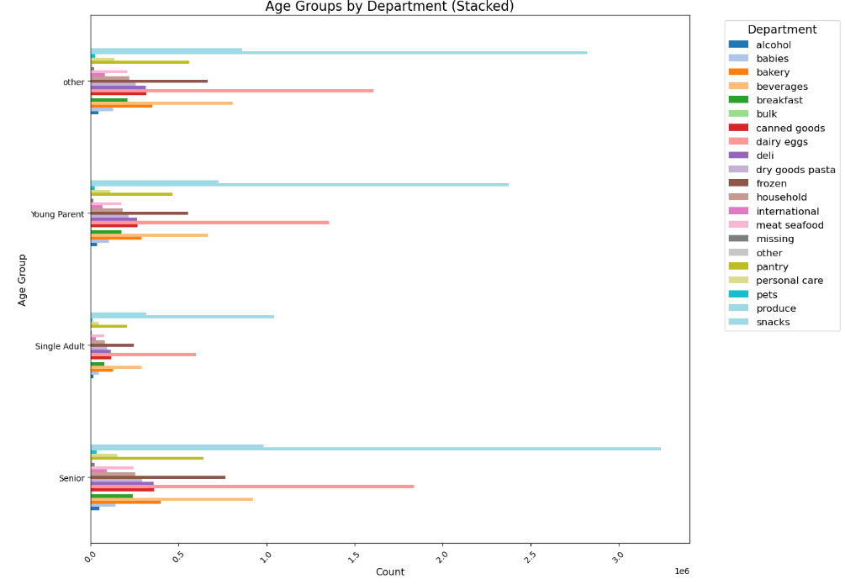
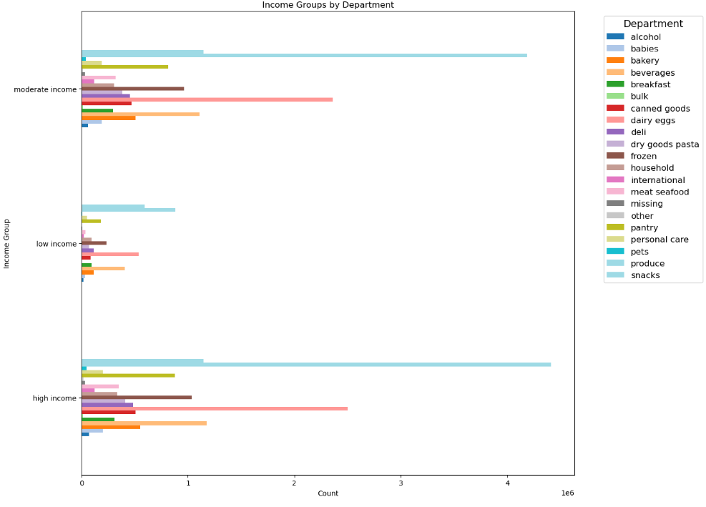

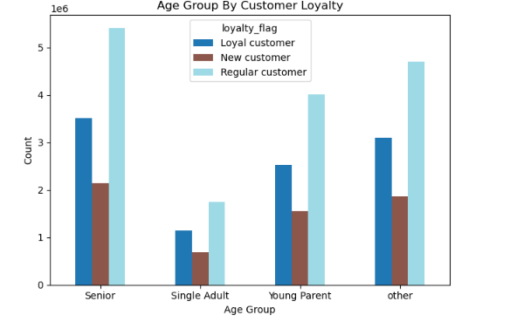

Key Observations: Produce is the most ordered category across all age and income groups.
Seniors prefer dairy eggs and have a high count of loyal customers.
Single Adults and Young Parents show a higher preference for snacks and beverages.
High-income customers order more from alcohol, beverages, and snacks.
New customers are more common among Single Adults and Seniors, while loyal customers are predominantly found among Seniors. Young Parents and the rest of the age group ("other").

7. Recommendations
 |  | Title page

Recommendations

In this tab you should include any recommendations you would made to Instacart in terms of their marketing strategy based on the questions posed in the brief. Every key question has been covered in the Tasks of the Exercises - here you need to add an item - a visualisation or table/crosstable that is showing the answer in the data, acompanied by a comment from you. Please, list the questions below and add the answer underneath.

Key Question | Recommendations
What days of the week and hours of the day are busiest? | The busiest day for Instacart orders is Saturday, while the slowest is Tuesday. Most orders are placed between 10 AM and 3 PM, peaking around 10 AM to 12 PM. To optimize marketing, schedule ads during early mornings and late evenings when order activity is low, and run promotions on Tuesdays to boost sales.
What times of the day do people spend the most money? | To boost sales, Instacart should focus on evening promotions, highlighting snacks and dinner-related items. Weekend promotions could target family or bulk purchases. Midweek, Instacart could offer discounts or special deals to encourage more shopping during slower periods
Are there certain types of products that are more popular than others? | Top 5 products are produce, dairy and eggs, snacks, beverages and frozen food. To boost sales, Instacart should keep promoting these since they are the most popular. They can also run special deals on less popular items like international foods and bulk products. Offering discounts on these items when customers buy popular ones, like produce, can help too. Additionally, using customer purchase history to send personalized deals and recommendations will enhance engagement and loyalty.
What’s the distribution among users in regards to their brand loyalty (i.e., how often do they return to Instacart)? | To boost brand loyalty, Instacart should focus on converting new customers into regulars by e.g. offering special promotions and a smooth onboarding experience. For regular customers, personalized marketing and loyalty programs can encourage them to become loyal users. Keep loyal customers engaged with exclusive benefits and excellent service.
Are there differences in ordering habits based on a customer's loyalty status? | Encourage Higher Spending Among Loyal Customers: Offer personalized promotions or bundle deals to increase cart size. Implement loyalty programs that reward larger purchases. Increase Repeat Orders from New Customers: Provide discounts on the second or third purchase to encourage returns. Send email reminders or notifications highlighting special offers. Boost Engagement with Regular Customers: Promote offers that encourage more frequent shopping. Encourage them to join loyalty programs for exclusive rewards.
Are there differences in ordering habits based on a customer's region? | >> Focus on Young Parents (25-40): Promote family-friendly products and services, such as baby products and household essentials. >> Target High-Income Customers (≥ $100,000): Highlight premium products, exclusive deals, and personalized services. Consider loyalty programs or premium memberships. >> Regional Promotions: Implement region-specific promotions, especially in the North and South regions, and partner with local businesses. >> Weekday vs. Weekend Strategies: Offer weekday-specific discounts to boost weekday orders and create special weekend deals to increase weekend engagement. >> Income-Based Offers: Provide budget-friendly options and discounts on essential items for low and moderate-income groups. >> Personalized Recommendations: Use data to offer personalized product recommendations based on customers’ past purchases and preferences.
Is there a connection between age and family status in terms of ordering habits? | >>Focus on loyalty programs and promotions for seniors. >>Highlight quick and easy meal solutions for single adults. >>Offer personalized shopping assistance and flexible delivery options for single parents. >>Provide premium product options and exclusive deals for high-income customers. >>Focus on budget-friendly options and essential categories for low and moderate-income groups. >>Utilize data to offer personalized product recommendations.
What differences can you find in ordering habits of different customer profiles? consider the price of orders, frequency of orders, products customers are ordering, and anything else you can think of. | Targeted Promotions: >>Produce and Snacks: Focus on promoting these categories as they are popular across all demographics. >>Dairy Products: Tailor marketing campaigns for seniors around dairy products. >>Snacks and Beverages: Target Single Adults and Young Parents with promotions in these categories. Income-Specific Offers: >>High-Income Customers: Create premium offers in alcohol and beverages. >>Low and Moderate-Income Groups: Provide budget-friendly options in essential categories like produce and personal care. Loyalty Programs: >>Seniors and Young Parents: Enhance loyalty programs to retain these highly loyal customer segments. >>Single Adults: Develop strategies to convert new customers into loyal ones, such as introductory offers and personalized recommendations. Personalized Recommendations: >>Utilize data to offer personalized product recommendations based on customers’ past purchases and preferences, enhancing the shopping experience and increasing customer loyalty.

