BugReport01
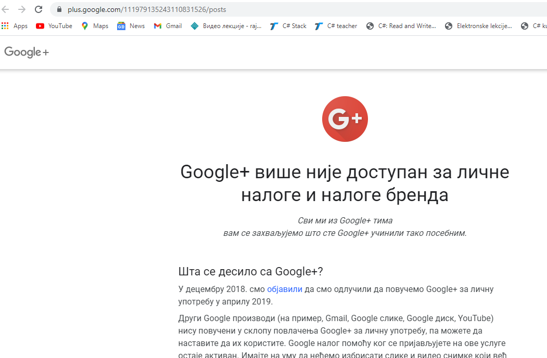
TESTER: Lenka Lalovic |  | DATE BUG SUBMITED:15.06.2021

BUG ID:01 | Icon for G+ account doesn't navigate to Google+ account
BUG DESCRIPTION | In section footer when we click on the google + account icon - it navigates us to a site with the content "Google+ is no longer available for personal and brand accounts"
ENVIRONMENT | Operating System: Windows 10 64-bit os
 | Browser:Google Chrome Version 90.0.4430.93

Steps to reproduce:
1 | Open Google Chrome browser
2 | Navigate to: http://automationpractice.com/index.php
3 | In footer section click on icon for Google+

Expected result: | We are navigate to Google+ account
Actual result: | We are navigate to info page about Google+ account

Screenshot demonstrating bug's behavior

