color image
Load rpf plate image
Use Circle tool. 75 w x 75 h
Then use Analyze > Histogram

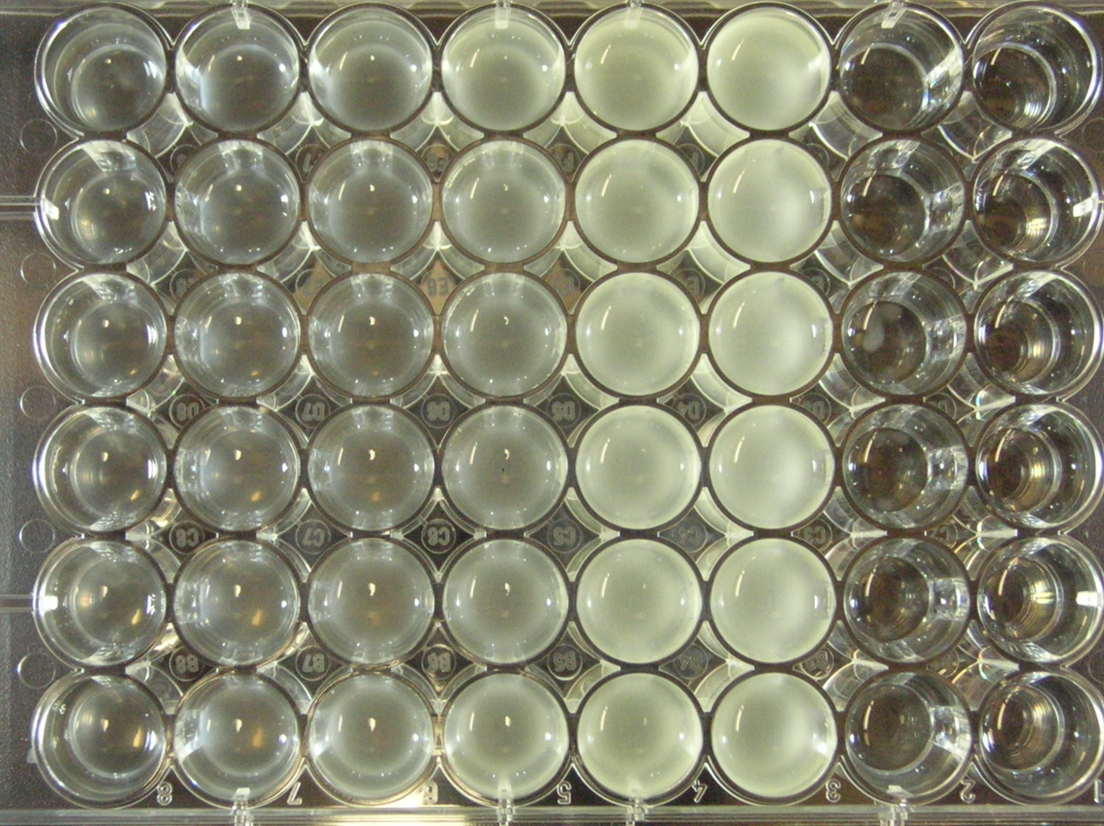
Well_Numb | Row | Column | rpf.conc | cell | N | Mean | Std | Min | Max | Mode
1 | A | 1 | 0.18 | yes | 4421 | 94.095 | 17.828 | 58 | 228 | 89
2 | A | 2 | 0.37 | yes | 4421 | 1053091 | 27.054 | 67 | 239 | 82
3 | A | 3 | 0.73 | yes | 4421 | 110.726 | 24.031 | 76 | 237 | 87
4 | A | 4 | 1.47 | yes | 4421 | 108.271 | 22.182 | 73 | 237 | 90
5 | A | 5 | 3 | yes | 4421 | 118.901 | 28.569 | 80 | 237 | 91
6 | A | 6 | 5.9 | yes | 4421 | 105.036 | 30.118 | 64 | 233 | 85
7 | A | 7 | 0 | yes | 4421 | 101.377 | 23.092 | 65 | 235 | 81
8 | A | 8 | 0 | no | 4221 | 101.689 | 17.09 | 73 | 240 | 90
9 | B | 1 | 0.18 | yes | 4221 | 106.204 | 16.671 | 85 | 239 | 95
10 | B | 2 | 0.37 | yes | 4221 | 113.175 | 18.422 | 88 | 240 | 102
11 | B | 3 | 0.73 | yes | 4421 | 118540 | 19.375 | 93 | 237 | 108
12 | B | 4 | 1.47 | yes | 4421 | 118.026 | 21.612 | 90 | 243 | 108
13 | B | 5 | 3 | yes | 4421 | 119.338 | 24.721 | 81 | 238 | 93
14 | B | 6 | 5.9 | yes | 4421 | 110.784 | 1.8623 | 86 | 240 | 96
15 | B | 7 | 0 | yes | 4421 | 104.07 | 15.475 | 83 | 240 | 95
16 | B | 8 | 0 | no | 4421 | 107.811 | 14.69 | 86 | 240 | 109
17 | C | 1 | 0.18 | yes | 4421 | 116.163 | 14.341 | 95 | 238 | 113
18 | C | 2 | 0.37 | yes | 4421 | 125.225 | 16.798 | 102 | 238 | 116
19 | C | 3 | 0.73 | yes | 4421 | 139.903 | 19.279 | 111 | 238 | 123
20 | C | 4 | 1.47 | yes | 4421 | 132.356 | 14.199 | 109 | 234 | 121
21 | C | 5 | 3 | yes | 4421 | 120.552 | 11.379 | 101 | 232 | 111
22 | C | 6 | 5.9 | yes | 4421 | 121.289 | 11.737 | 58 | 238 | 116
23 | C | 7 | 0 | yes | 4421 | 129.293 | 11.907 | 109 | 239 | 121
24 | C | 8 | 0 | no | 4421 | 134.593 | 13.383 | 111 | 240 | 128
25 | D | 1 | 0.18 | yes | 4421 | 152.791 | 13.745 | 130 | 236 | 139
26 | D | 2 | 0.37 | yes | 4421 | 153.548 | 12.49 | 130 | 188 | 139
27 | D | 3 | 0.73 | yes | 4421 | 160.675 | 11.934 | 140 | 193 | 148
28 | D | 4 | 1.47 | yes | 4421 | 159.414 | 10.185 | 139 | 190 | 149
29 | D | 5 | 3 | yes | 4421 | 158.74 | 11.819 | 137 | 191 | 147
30 | D | 6 | 5.9 | yes | 4421 | 154.396 | 17.796 | 123 | 218 | 136
31 | D | 7 | 0 | yes | 4421 | 172.36 | 16.714 | 142 | 210 | 169
32 | D | 8 | 0 | no | 4421 | 180.966 | 15.261 | 152 | 213 | 184
33 | E | 1 | 0.18 | yes | 4421 | 182.805 | 14.682 | 155 | 217 | 183
34 | E | 2 | 0.37 | yes | 4421 | 184.018 | 15.183 | 158 | 217 | 183
35 | E | 3 | 0.73 | yes | 4421 | 176.875 | 14.613 | 150 | 206 | 158
36 | E | 4 | 1.47 | yes | 4421 | 163.968 | 22.937 | 130 | 216 | 139
37 | E | 5 | 3 | yes | 4421 | 73.204 | 19.482 | 40 | 225 | 62
38 | E | 6 | 5.9 | yes | 4421 | 70.282 | 16.599 | 32 | 224 | 60
39 | E | 7 | 0 | yes | 4421 | 86.138 | 26.135 | 40 | 242 | 62
40 | E | 8 | 0 | no | 4421 | 76.009 | 20.403 | 41 | 228 | 65
41 | F | 1 | 0.18 | yes | 4421 | 78.388 | 23.78 | 37 | 242 | 63
42 | F | 2 | 0.37 | yes | 4421 | 81 | 19.305 | 45 | 217 | 88
43 | F | 3 | 0.73 | yes | 4421 | 81.955 | 37.907 | 34 | 252 | 65
44 | F | 4 | 1.47 | yes | 4421 | 87.838 | 43.527 | 35 | 247 | 55
45 | F | 5 | 3 | yes | 4421 | 88.758 | 37.02 | 39 | 239 | 61
46 | F | 6 | 5.9 | yes | 4421 | 90.145 | 39.537 | 33 | 244 | 57
47 | F | 7 | 0 | yes | 4421 | 102.236 | 45.891 | 41 | 247 | 65
48 | F | 8 | 0 | no | 4421 | 93.05 | 36.517 | 38 | 244 | 61

black and white image
Load rpf plate image
Use Circle tool. 75 w x 75 h
Then use Analyze > Histogram

Well_Numb | Row | Column | rpf.conc | cell | N | Mean | Std | Min | Max | Mode
1 | A | 1 | 0.18 | yes | 1976 | 136.365 |  |  |  |  | 14.952
2 | A | 2 | 0.37 | yes | 1976 | 138.342 |  |  |  |  | 16.929
3 | A | 3 | 0.73 | yes | 1976 | 148.383 |  |  |  |  | 26.97
4 | A | 4 | 1.47 | yes | 1976 | 179.39 |  |  |  |  | 57.977
5 | A | 5 | 3 | yes | 1976 | 192.649 |  |  |  |  | 71.236
6 | A | 6 | 5.9 | yes | 1976 | 206.768 |  |  |  |  | 85.355
7 | A | 7 | 0 | yes | 1976 | 127.151 |  |  |  |  | 5.738
8 | A | 8 | 0 | no | 1976 | 121.413 |  |  |  |  | 0
9 | B | 1 | 0.18 | yes | 1976 | 138.4 |  |  |  |  | 16.987
10 | B | 2 | 0.37 | yes | 1976 | 145.237 |  |  |  |  | 23.824
11 | B | 3 | 0.73 | yes | 1976 | 150.835 |  |  |  |  | 29.422
12 | B | 4 | 1.47 | yes | 1976 | 174.751 |  |  |  |  | 53.338
13 | B | 5 | 3 | yes | 1976 | 187.943 |  |  |  |  | 66.53
14 | B | 6 | 5.9 | yes | 1976 | 216.652 |  |  |  |  | 95.239
15 | B | 7 | 0 | yes | 1976 | 121.468 |  |  |  |  | 0.055
16 | B | 8 | 0 | no | 1976 | 115.401
17 | C | 1 | 0.18 | yes | 1976 | 147.221
18 | C | 2 | 0.37 | yes | 1976 | 151.83
19 | C | 3 | 0.73 | yes | 1976 | 149.735
20 | C | 4 | 1.47 | yes | 1976 | 167.426
21 | C | 5 | 3 | yes | 1976 | 195.615
22 | C | 6 | 5.9 | yes | 1976 | 213.666
23 | C | 7 | 0 | yes | 1976 | 114.564
24 | C | 8 | 0 | no | 1976 | 126.971
25 | D | 1 | 0.18 | yes | 1976 | 147.784
26 | D | 2 | 0.37 | yes | 1976 | 153.979
27 | D | 3 | 0.73 | yes | 1976 | 152.705
28 | D | 4 | 1.47 | yes | 1976 | 170.384
29 | D | 5 | 3 | yes | 1976 | 196.047
30 | D | 6 | 5.9 | yes | 1976 | 215.573
31 | D | 7 | 0 | yes | 1976 | 117.099
32 | D | 8 | 0 | no | 1976 | 113.363
33 | E | 1 | 0.18 | yes | 1976 | 152.546
34 | E | 2 | 0.37 | yes | 1976 | 157.792
35 | E | 3 | 0.73 | yes | 1976 | 161.177
36 | E | 4 | 1.47 | yes | 1976 | 177.915
37 | E | 5 | 3 | yes | 1976 | 192.965
38 | E | 6 | 5.9 | yes | 1976 | 207.068
39 | E | 7 | 0 | yes | 1976 | 125.148
40 | E | 8 | 0 | no | 1976 | 123.36
41 | F | 1 | 0.18 | yes | 1976 | 143.184
42 | F | 2 | 0.37 | yes | 1976 | 163.88
43 | F | 3 | 0.73 | yes | 1976 | 166.399
44 | F | 4 | 1.47 | yes | 1976 | 183.057
45 | F | 5 | 3 | yes | 1976 | 189.55
46 | F | 6 | 5.9 | yes | 1976 | 199.584
47 | F | 7 | 0 | yes | 1976 | 126.297
48 | F | 8 | 0 | no | 1976 | 121.74

