Sheet1
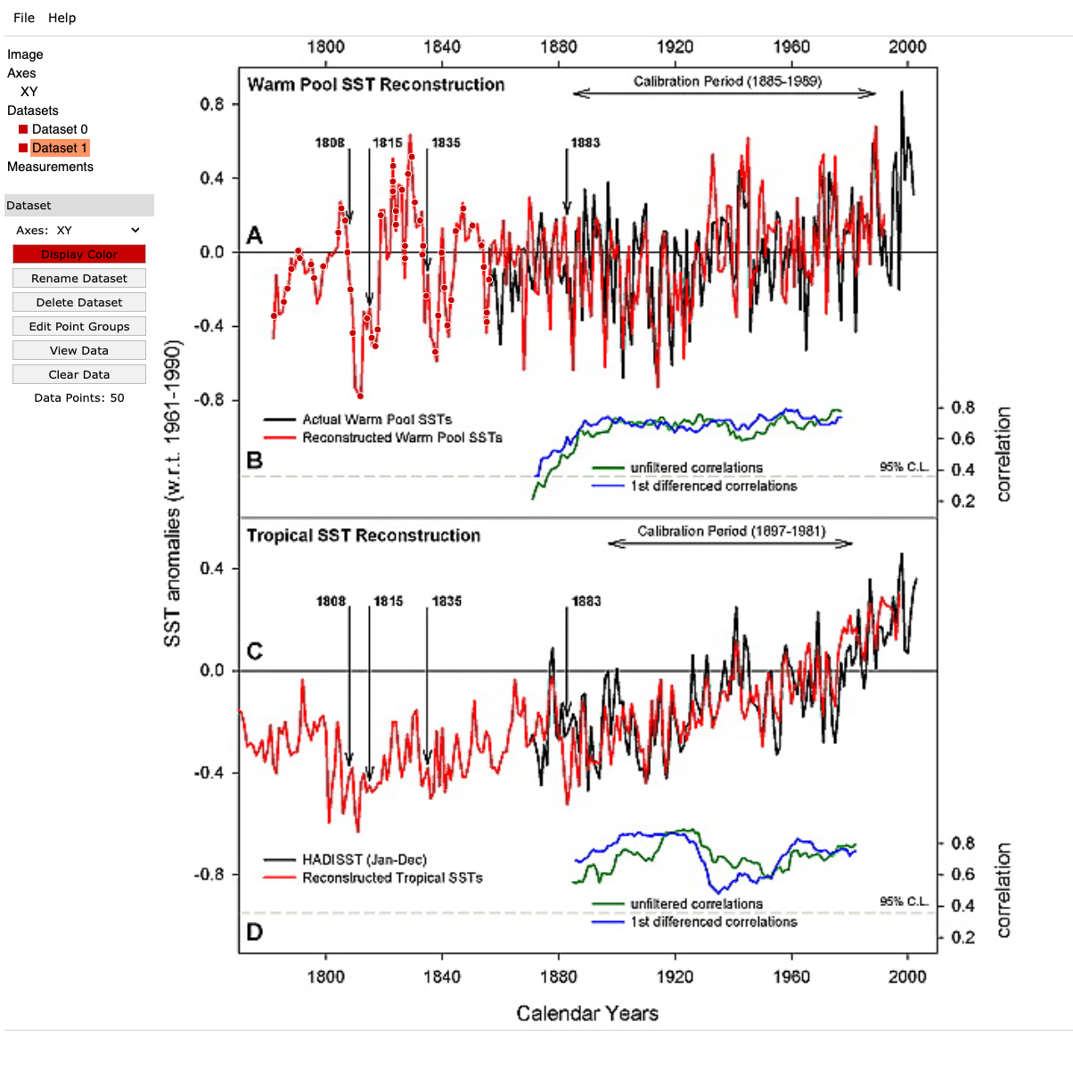
YearPlotDigitizer | YEAR ROUNDED | IPWP SST ANOM | Year | AVG_ANOM
1781.6816143 | 1782 | -0.46118949391 | 1782 | -0.46118949391
1782.599854 | 1783 | -0.12907008328 | 1783 | -0.12907008328
1784.1302534 | 1784 | -0.33122972454 | 1784 | -0.33122972454
1785.9667327 | 1786 | -0.19164330557 | 1786 | -0.19164330557
1787.803212 | 1788 | -0.052056886611 | 1788 | -0.052056886611
1790.2518511 | 1790 | 0.015329660474 | 1790 | 0.015329660474
1792.3944103 | 1792 | -0.1146301089 | 1792 | -0.1146301089
1794.8430493 | 1795 | -0.047243561819 | 1795 | -0.047243561819
1796.3734487 | 1796 | -0.26865650224 | 1796 | -0.26865650224
1798.8220878 | 1799 | -0.080936835362 | 1799 | -0.080936835362
1800.6585671 | 1801 | -0.013550288277 | 1801 | -0.013550288277
1803.7193659 | 1804 | 0.034582959641 | 1804 | 0.034582959641
1805.2497654 | 1805 | 0.27043587444 | 1805 | 0.27043587444
1808.0044843 | 1808 | -0.085750160154 | 1808 | -0.085750160154
1808.6166441 | 1809 | -0.25421652787 | 1809 | -0.35770301089
1808.922724 | 1809 | -0.46118949391 | 1810 | -0.35770301089
1809.5348837 | 1810 | -0.59114926329 | 1811 | -0.63928251121
1809.8409636 | 1810 | -0.68741575913 | 1812 | -0.63928251121
1810.7592033 | 1811 | -0.75961563101 | 1813 | -0.75961563101
1811.6774429 | 1812 | -0.78368225496 | 1814 | -0.59836925048
1812.2896027 | 1812 | -0.63446918642 | 1815 | -0.59836925048
1811.9835228 | 1812 | -0.51413606662 | 1817 | -0.59836925048
1811.9835228 | 1812 | -0.46118949391 | 1818 | -0.59836925048
1812.9017624 | 1813 | -0.32160307495 | 1819 | -0.32160307495
1814.126082 | 1814 | -0.41786957079 | 1821 | -0.41786957079
1814.7382417 | 1815 | -0.29753645099 | 1822 | -0.29753645099
1816.574721 | 1817 | -0.50450941704 | 1823 | -0.50450941704
1817.7990406 | 1818 | -0.36010967329 | 1824 | -0.12425675849
1817.7990406 | 1818 | -0.15795003203 | 1825 | -0.12425675849
1817.7990406 | 1818 | -0.047243561819 | 1826 | -0.12425675849
1818.4112003 | 1818 | 0.068276233184 | 1827 | -0.12425675849
1819.0233601 | 1819 | 0.22711595131 | 1828 | 0.22711595131
1820.5537595 | 1821 | -0.02317693786 | 1829 | -0.02317693786
1821.778079 | 1822 | 0.053836258808 | 1830 | 0.10437616912
1821.778079 | 1822 | 0.15491607944 | 1831 | 0.10437616912
1822.6963187 | 1823 | 0.27043587444 | 1832 | 0.39558231903
1822.6963187 | 1823 | 0.40520896861 | 1834 | 0.39558231903
1823.0023986 | 1823 | 0.51110211403 | 1835 | 0.39558231903
1823.6145583 | 1824 | 0.12122280589 | 1836 | 0.1789827034
1823.6145583 | 1824 | 0.2367426009 | 1838 | 0.1789827034
1824.532798 | 1825 | 0.3522623959 | 1840 | 0.3522623959
1826.3692773 | 1826 | 0.30412914798 | 1842 | 0.13806944266
1826.3692773 | 1826 | 0.1789827034 | 1843 | 0.13806944266
1826.3692773 | 1826 | 0.073089557976 | 1845 | 0.13806944266
1826.3692773 | 1826 | -0.0039236386931 | 1847 | 0.13806944266
1826.9814371 | 1827 | -0.10500345932 | 1848 | -0.12907008328
1826.9814371 | 1827 | -0.15313670724 | 1850 | -0.12907008328
1828.2057566 | 1828 | 0.35707572069 | 1852 | 0.35707572069
1829.1239962 | 1829 | 0.63143523382 | 1853 | 0.5279487508
1829.4300761 | 1829 | 0.42446226778 | 1854 | 0.5279487508
1829.736156 | 1830 | 0.32338244715 | 1855 | 0.27524919923
1830.3483158 | 1830 | 0.22711595131 | 1856 | 0.27524919923
1831.2665554 | 1831 | 0.13566278027
1832.490875 | 1832 | 0.21748930173
1834.0212744 | 1834 | 0.034582959641
1833.7151945 | 1834 | -0.056870211403
1834.0212744 | 1834 | -0.14832338245
1834.3273543 | 1834 | -0.36973632287
1834.939514 | 1835 | -0.10500345932
1835.8577537 | 1836 | -0.31197642537
1835.8577537 | 1836 | -0.413056246
1837.694233 | 1838 | -0.50450941704
1837.694233 | 1838 | -0.57670928892
1837.694233 | 1838 | -0.57670928892
1837.694233 | 1838 | -0.34566969891
1838.0003129 | 1838 | -0.22052325432
1838.0003129 | 1838 | -0.10019013453
1839.5307123 | 1840 | 0.029769634849
1840.142872 | 1840 | 0.10678283152
1842.2854312 | 1842 | -0.45156284433
1843.2036709 | 1843 | -0.17239000641
1844.7340703 | 1845 | -0.047243561819
1845.3462301 | 1845 | 0.14528942985
1846.8766295 | 1847 | 0.26080922486
1847.7948691 | 1848 | 0.073089557976
1849.9374283 | 1850 | 0.15972940423
1851.7739076 | 1852 | 0.15491607944
1853.304307 | 1853 | 0.044209609225
1853.6103869 | 1854 | -0.10500345932
1853.6103869 | 1854 | -0.27346982703
1854.8347064 | 1855 | -0.42268289558
1856.059026 | 1856 | -0.10019013453
1856.3651059 | 1856 | 0.034582959641

