1. Data e Scatterplot
Month | Rainfall (mm) | Umbrellas sold | Istruzioni
Jan | 82 | 15 | 1. Scatterplot
Feb | 92.5 | 25
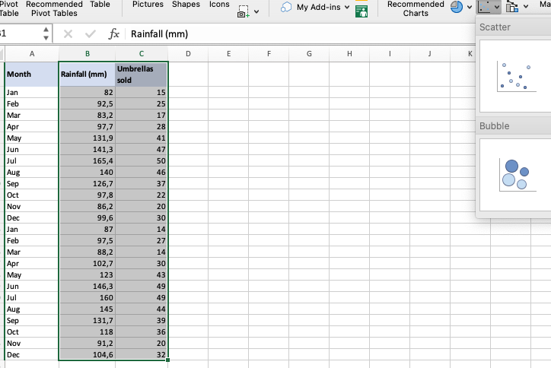
Mar | 83.2 | 17
Apr | 97.7 | 28
May | 131.9 | 41
Jun | 141.3 | 47
Jul | 165.4 | 50
Aug | 140 | 46
Sep | 126.7 | 37
Oct | 97.8 | 22
Nov | 86.2 | 20
Dec | 99.6 | 30
Jan | 87 | 14
Feb | 97.5 | 27
Mar | 88.2 | 14
Apr | 102.7 | 30
May | 123 | 43
Jun | 146.3 | 49
Jul | 160 | 49
Aug | 145 | 44
Sep | 131.7 | 39
Oct | 118 | 36
Nov | 91.2 | 20
Dec | 104.6 | 32
 |  |  | 2. Tasto DX sul grafico -> Add Trendline
 |  |  | 3. Tasto dx sulla linea di regressione -> Format Trendline -> Visualizza equazione di regressione

2. Attiva Add-in
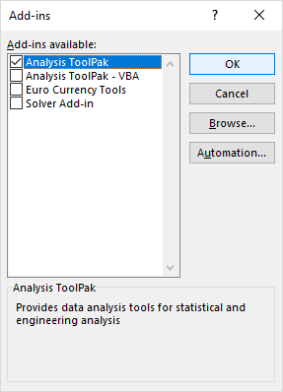
4. Installazione del Data Analysis Toolpack
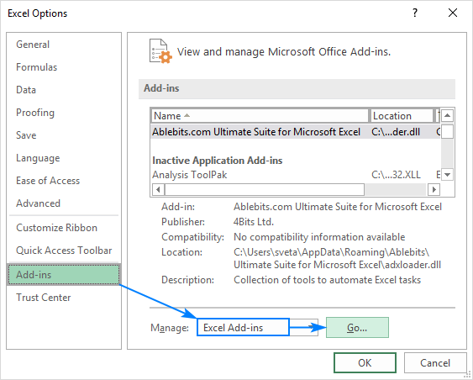

5. Attiva il Toolpak

3. Regressione Lineare
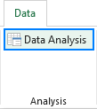
6. Da Data -> Data Analysis

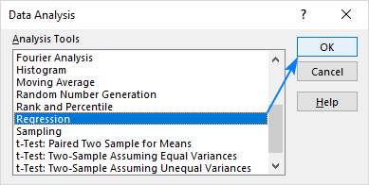
7. Seleziona Regressione

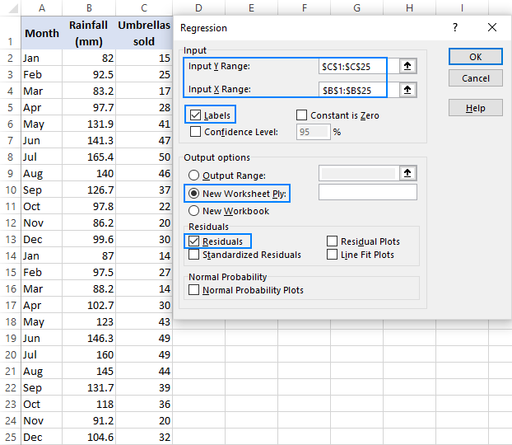
8. Impostazioni

9. Risultati nel quarto worksheet

4. Risultati
SUMMARY OUTPUT

Regression Statistics
Multiple R | 0.95766679848
R Square | 0.91712569691
Adjusted R Square | 0.91335868313
Standard Error | 7.6217578828
Observations | 24

ANOVA
 | df | SS | MS | F | Significance F
Regression | 1 | 14143.013332 | 14143.013332 | 243.46226248 | 2.2160430136E-13
Umbrellas sold Line Fit Plot
 | Rainfall (mm) | Predicted Rainfall (mm)
15 | 82 | 78.904532606
25 | 92.5 | 99.28504387
17 | 83.2 | 82.980634858
28 | 97.7 | 105.39919725
41 | 131.9 | 131.89386189
47 | 141.3 | 144.12216865
50 | 165.4 | 150.23632203
46 | 140 | 142.08411752
37 | 126.7 | 123.74165739
22 | 97.8 | 93.170890491
20 | 86.2 | 89.094788238
30 | 99.6 | 109.4752995
14 | 87 | 76.866481479
27 | 97.5 | 103.36114612
14 | 88.2 | 76.866481479
30 | 102.7 | 109.4752995
43 | 123 | 135.96996415
49 | 146.3 | 148.1982709
49 | 160 | 148.1982709
44 | 145 | 138.00801527
39 | 131.7 | 127.81775964
36 | 118 | 121.70360626
20 | 91.2 | 89.094788238
32 | 104.6 | 113.55140175
Residual | 22 | 1278.0062509 | 58.091193224
Total | 23 | 15421.019583

 | Coefficients | Standard Error | t Stat | P-value | Lower 95% | Upper 95% | Lower 95,0% | Upper 95,0%
Intercept | 48.333765709 | 4.4956210341 | 10.751298951 | 3.1799725818E-10 | 39.010418323 | 57.657113095 | 39.010418323 | 57.657113095
Umbrellas sold | 2.0380511264 | 0.13061686256 | 15.603277299 | 2.2160430136E-13 | 1.767168333 | 2.3089339199 | 1.767168333 | 2.3089339199

RESIDUAL OUTPUT |  |  |  | PROBABILITY OUTPUT

Normal Probability Plot
Observation | Predicted Rainfall (mm) | Residuals |  | Percentile | Rainfall (mm)
1 | 78.904532606 | 3.0954673944 |  | 2.0833333333 | 82
2 | 99.28504387 | -6.7850438698 |  | 6.25 | 83.2
3 | 82.980634858 | 0.21936514152 |  | 10.416666667 | 86.2
4 | 105.39919725 | -7.6991972491 |  | 14.583333333 | 87
5 | 131.89386189 | 0.0061381074169 |  | 18.75 | 88.2
6 | 144.12216865 | -2.8221686511 |  | 22.916666667 | 91.2
7 | 150.23632203 | 15.16367797 |  | 27.083333333 | 92.5
8 | 142.08411752 | -2.0841175247 |  | 31.25 | 97.5
9 | 123.74165739 | 2.9583426131 |  | 35.416666667 | 97.7
10 | 93.170890491 | 4.6291095094 |  | 39.583333333 | 97.8
11 | 89.094788238 | -2.8947882377 |  | 43.75 | 99.6
12 | 109.4752995 | -9.875299502 |  | 47.916666667 | 102.7
13 | 76.866481479 | 10.133518521 |  | 52.083333333 | 104.6
14 | 103.36114612 | -5.8611461227 |  | 56.25 | 118
15 | 76.866481479 | 11.333518521 |  | 60.416666667 | 123
16 | 109.4752995 | -6.775299502 |  | 64.583333333 | 126.7
17 | 135.96996415 | -12.969964145 |  | 68.75 | 131.7
18 | 148.1982709 | -1.898270904 |  | 72.916666667 | 131.9
19 | 148.1982709 | 11.801729096 |  | 77.083333333 | 140
20 | 138.00801527 | 6.9919847282 |  | 81.25 | 141.3
21 | 127.81775964 | 3.8822403603 |  | 85.416666667 | 145
22 | 121.70360626 | -3.7036062605 |  | 89.583333333 | 146.3
23 | 89.094788238 | 2.1052117623 |  | 93.75 | 160
24 | 113.55140175 | -8.9514017548 |  | 97.916666667 | 165.4

