Booklets
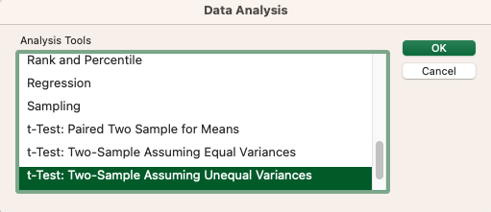
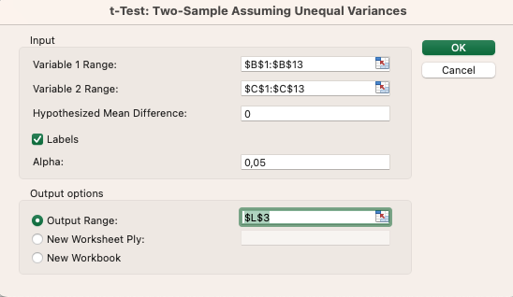
 | Booklet | No Booklet
 | 90 | 67
 | 85 | 90 |  |  |  | t-Test: Two-Sample Assuming Unequal Variances
 | 88 | 71
 | 89 | 95 |  |  |  |  | Booklet | No Booklet
 | 94 | 88 |  |  |  | Mean | 87.916666667 | 80.833333333
 | 91 | 83 |  |  |  | Variance | 16.265151515 | 104.15151515
 | 79 | 72 |  |  |  | Observations | 12 | 12
 | 83 | 66 |  |  |  | Hypothesized Mean Difference | 0
 | 87 | 75 |  |  |  | df | 14
 | 88 | 86 |  |  |  | t Stat | 2.2360679775
 | 91 | 93 |  |  |  | P(T<=t) one-tail | 0.021072895341
 | 90 | 84 |  |  |  | t Critical one-tail | 1.7613101358
 |  |  |  |  |  | P(T<=t) two-tail | 0.042145790682
Varianza | 16.265151515 | 104.15151515 | Rapporto Tra Varianze | 6.4033535165 | Quindi si usa il T-Test con Varianze Diverse | t Critical two-tail | 2.1447866879

 | Istruzioni

