Graph_2F
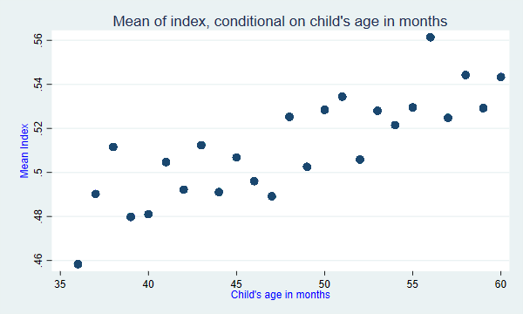
Graph 2F. Mean of the arithmetic index conditional on child's age in months

