python_gro_active_hours
Serial No | hours | no_of_chats
1 | 0 - 3 | 9
2 | 4 - 6 | 19
3 | 7 - 9 | 118
4 | 10 - 12 | 135
5 | 13 - 15 | 65
6 | 16 - 18 | 82
7 | 19 - 21 | 139
8 | 22 - 23 | 46

python_Popular_topics
topic | no_of_times
Career Development | 40
Python and monthly activities | 95
AI and Assistance | 102
Web Analytics and Data | 109
Social Inclusion | 267

Sheet1
type | message

Row Labels | Count of name
2023 | 311
June | 44
July | 76
August | 62
September | 47
October | 52
November | 15
December | 15
2024 | 301
January | 20
February | 80
March | 132
April | 62
May | 7
Grand Total | 612

type | message

Row Labels | Count of type
Joseph Ibezim | 18
Azih Margaret | 31
Uzodimma Ibeawuchi | 34
Amaobi Okeoma | 67
~klemz | 234

type | (Multiple Items)

Row Labels | Count of type
2023 | 16
July | 3
August | 5
September | 3
October | 3
November | 1
December | 1
2024 | 90
January | 1
February | 29
March | 39
April | 18
May | 3

type | left

Row Labels | Count of type
2023 | 5
June | 1 | 1 | 0 | 0 | 0 | 0 | 1 | 3 | 1 | 2 | 4 | 5
November | 1
December | 3
2024 | 12
January | 1
February | 2
March | 4
April | 5

type | message

Row Labels | Count of type
Tuesday | 52
Wednesday | 65
Thursday | 74
Sunday | 82
Monday | 101
Friday | 119
Saturday | 119

Row Labels | Count of name | Current No | 181
changed number | 3 | Joined | 106
others | 5 | left | 11
pinned a message | 6 | previous No | 85
added | 11 | %increase | 89%
left | 17 | active members
join request | 94
joined | 95
message | 612
Grand Total | 843

message | 613
joined | 95
join request | 94
left | 17
added | 11
pinned a message | 6
others | 5
changed number | 3

Min of datetime
2023-06-21 20:53:00

Max of datetime
2024-05-06 09:40:00

No of Days | chat per day
320 | 2

active members
189

No of weeks | chat per week
45 | 14

Sheet6
Row Labels | Count of name
Negative | 27
Neutral | 251
Posetive | 335
Grand Total | 613

Total

membership dashboard
Community Membership Dashboard
Current No | 181
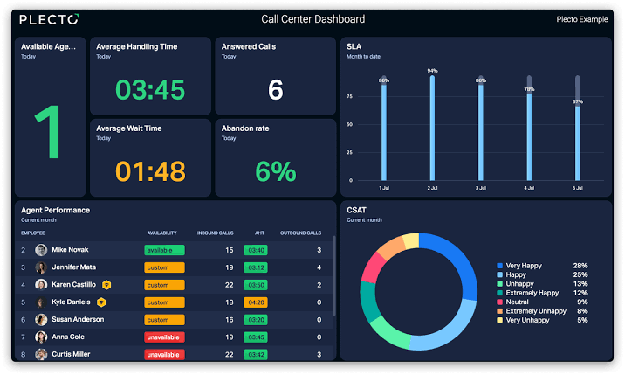
Duration
Current Membership
Initial Membership
Total Leavings
181
85
11
21st July, 23 - 6th May, 24
 | Total
June | 1
November | 1
December | 3
January | 1
February | 2
March | 4
April | 5
320
Total Joinings
days
89%
106

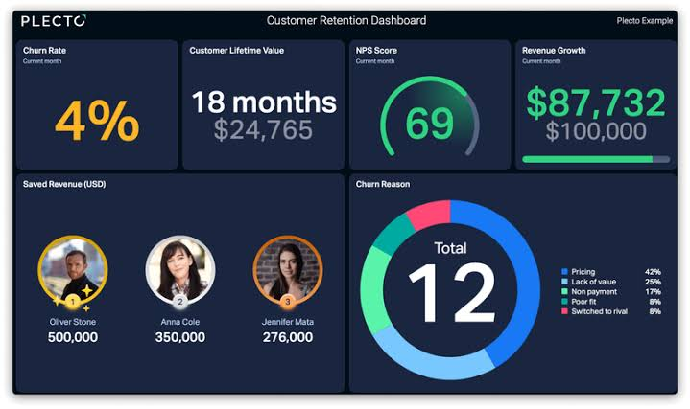
How persons joined the community
Brakedown of activities in the community
 | Total
July | 3
August | 5
September | 3
October | 3
November | 1
December | 1
January | 1
February | 29
March | 39
April | 18
May | 3
 | Total
changed number | 3
others | 5
pinned a message | 6
added | 11
left | 17
join request | 94
joined | 95
message | 612

activity dashboard
Chatting Activity Dashboard

Duration
Active Members
Total Number of chats
Average weekly chat engagement

72
612
14
21st July, 23 - 6th May, 24
320
days
40%
Average mothly chat engagement
Average daily chat engagement

68
2

Community activity over time
Most active members of the community by number of chats
 | Total
June | 44
July | 76
August | 62
September | 47
October | 52
November | 15
December | 15
January | 20
February | 80
March | 132
April | 62
May | 7
 | Total
Joseph Ibezim | 18
Azih Margaret | 31
Uzodimma Ibeawuchi | 34
Amaobi Okeoma | 67
~klemz | 234

chat activity dashboard
Chatting Activity Dashboard
Common chat topics

Duration
Sentiment Analysis
 | no_of_times
Career Development | 40
Python and monthly activities | 95
AI and Assistance | 102
Web Analytics and Data | 109
Social Inclusion | 267

 | Total
Negative | 27
Neutral | 251
Posetive | 335
21st July, 23 - 6th May, 24
320
days

Most active days of the week
Most active hours of the day
 | Total
Tuesday | 52
Wednesday | 65
Thursday | 74
Sunday | 82
Monday | 101
Friday | 119
Saturday | 119
0 - 3 | 9
4 - 6 | 19
7 - 9 | 118
10 - 12 | 135
13 - 15 | 65
16 - 18 | 82
19 - 21 | 139
22 - 23 | 46

