Sheet2
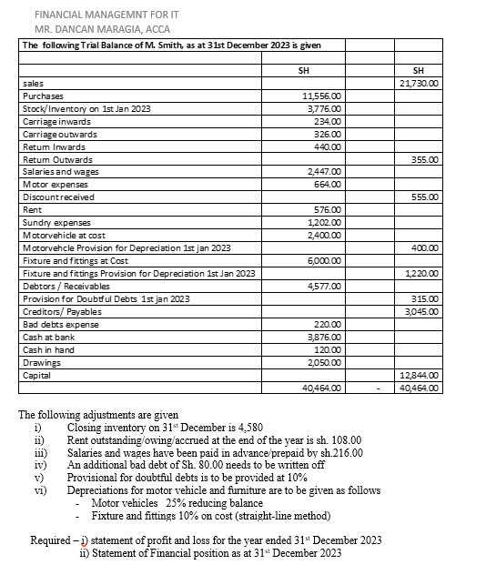

 |  |  |  |  | Sales |  | 21,730.00
 |  |  |  |  | Less Sales / return inwards |  | -440.00
 |  |  |  |  | Net Sales |  | 21,290.00

 |  |  |  |  | Less cost of Sales
 |  |  |  |  | Opening Inventory | 3,776.00
 |  |  |  |  | Add purchases | 11,556.00
 |  |  |  |  | add Carriage Inward | 234.00
 |  |  |  |  | Lessreturn outwards | -355.00
 |  |  |  |  | Less closing inventory | -4,580.00
 |  |  |  |  |  |  | -10,631.00
 |  |  |  |  | Gross profit |  | 10,659.00
 |  |  |  |  | Add other income
 |  |  |  |  | discount received |  | 555.00
 |  |  |  |  | Less other expense
 |  |  |  |  | Carriage outwards | 326.00
 |  |  |  |  | Slaries and wages (2447-216) | 2,231.00
 |  |  |  |  | Motor expense | 664.00
 |  |  |  |  | rent (576+108) | 684.00
 |  |  |  |  | sundry expense | 1,202.00
 |  |  |  |  | Bda debts expense ( 220+ 80) | 300.00
 |  |  |  |  | Incre in prov for Doubtf debts | 134.70
 |  |  |  |  | Deprceiation expense (500+600) | 1,100.00
 |  |  |  |  |  |  | -6,641.70
 |  |  |  |  | Profit for The period |  | 4,572.30

 |  |  |  |  | Statemnt of Financial Postion

 |  |  |  |  | Non currnet Assets | Cost | ACC depr | NBV
 |  |  |  |  | Fisture and fittings | 6,000.00 | 1,820.00 | 4,180.00
 |  |  |  |  | Motorvehicle | 2,400.00 | 900.00 | 1,500.00
 |  |  |  |  |  |  |  | 5,680.00
 |  |  |  |  | Current Assets
 |  |  |  |  | Closing inventory |  | 4,580.00
 |  |  |  | 449.70 | Prepayments |  | 216.00
 |  |  |  |  | Receivables (4577-80-449.70) |  | 4,047.30
 |  | Opening provision |  | -315.00 | Cash at bank |  | 3,876.00
 |  |  | Increase | 134.70 | Cash in hand |  | 120.00
 |  |  |  |  |  |  |  | 12,839.30
 |  |  |  |  | Total Assets |  |  | 18,519.30
Motor vehicle Depreciation | 25% *(2400-400) | 500.00
 |  |  |  |  | Capital
Fisture and fittings depreciation | 10*(6000) | 600.00 |  |  | Opening Capital |  | 12,844.00
 |  |  |  |  | Add profit for the year |  | 4,572.30
 |  |  |  |  | Less Drawings |  | -2,050.00
 |  |  |  |  | Closing Capital |  |  | 15,366.30

 |  |  |  |  | Current liabilite
 |  |  |  |  | Trade payable /creditir |  | 3,045.00
 |  |  |  |  | Accruals |  | 108.00
 |  |  |  |  |  |  |  | 3,153.00
 |  |  |  |  |  |  |  | 18,519.30

