Home page


Hire a specialist Excel company

* With 30 years' specialisation, be assured of continuity of support and commitment.
* We are not a freelancers portal.
* Be confident that you engage top-level, efficient consultants.
* Have applications built with standard components and conventions, which help with productivity, robustness and maintainability.

Case studies
See the capability of Excel for a wide range of applications
The capability is far more than most people are aware of.

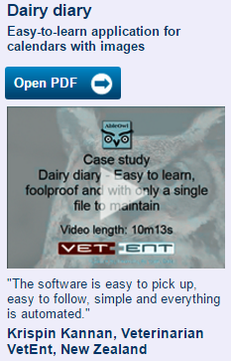
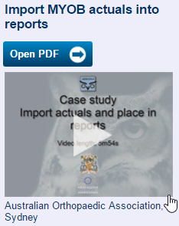

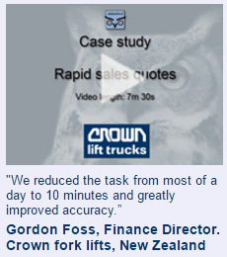

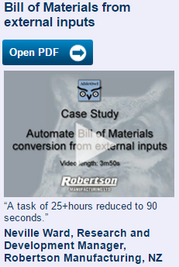
 | Warehouse map | Quotes using a cloud database

 | WADS | Alrick Healthcare

Invoicing and sales reporting | Hospital ward management | Telephone market research
 |  | survey answers

Webbline agriculture | Toowong Hospital | Market Eye

Logistics planning for | CRM | Other
shipments, stocks and multiple |  | There are many varied other
locations |  | projects, which you could speak to
 |  | our clients about. The projects
 |  | include:
 |  | * Project financial analysis
 |  | * Safety stock calculation interfacing with ERP
 |  | * Hotels financial reporting and budgeting
 |  | * Trial Balance download and reporting
 |  | * License revenue calculations for a local body
 |  | * Import of text files and manipulation of the data
 |  | * Loan finance repayments calculator
 |  | * Payroll budget
 |  | * Container loadout document from scanned barcodes.
 |  | * Phone company payments model

Trukai Industries | AbleOwl | Various

The process
Typically, there are four steps to a project

Initial free consultation

Give us the outline of what you need and we will give you an indication of pricing for different
options. During this consultation process, you might email us documents and files or you may
explain and show us what you need in an online meeting.

Stage 1 - Analysis and design


The devil is in the detail. We need to ask you lots of questions about the detail. The process
often reveals items overlooked in the initial discussions. At the end of this stage, we should
be able to provide you a reasonably accurate estimate for development. Accurate for custom IT
developments is normally within 25%. There may be alternative designs and options, which
we will also provide estimates for.


Unless the requirement is simple, there is much work in this critical stage and we need to
charge for it. We will provide a rough estimate for this stage.

Stage 2 - Development

We develop the application, provide you with instruction and let you test. We make fixes and
changes as required.

Stage 3 - Ongoing support

Applications have a settling in period in which issues arrive. We normally get online, view
any issue on your computer and fix it then.

The skill
Many skills are needed for successful projects


Excel has a huge number of features that a developer can use in creating an application.
Knowing all the features enables rapid development. Some features work much
better than others for certain requirements. Some features, such as Conditional
Formatting, that work well at a small scale but not at large scale. Some features are
slow or not so reliable and, therefore, are usually best avoided.

So, while simple applications don't need great skill, more complicated and larger scale
ones do. Paul Oulton, the principal consultant of AbleOwl, has 30 years specialisation with
Excel. He works with the younger consultants to review the approaches they plan to use
and directs them to other approaches if need be.

Some applications benefit from not storing data on spreadsheets but in a database
instead. In that way, there is only one source for a particular value, which is easily
extracted to a spreadsheet that needs it. Such transfer of data to and from a database,
transparent to the user, needs additional skill beyond that of Excel alone.

Emailing updated versions of spreadsheets can result in users working off outdated versions.
That issue is easily solved by us by using an external database to store the latest spreadsheet
versions, which, transparent to the user, update automatically when they open an application.


People move on and another at AbleOwl or the client company needs to continue with certain
applications. That task is difficult if each developer applies their own or no conventions. So, all
applications developed by AbleOwl use the ESP conventions. In addition to making the application
easier to understand for others, ESP conventions and standard components enable much
greater development and usage productivity.

For more information on ESP, see the free online course and learn in detail with part 1 of the | http://www.ableowl.com/Genie/Download/AddIn.aspx
Certified Professional in Excel for Finance study and qualification. | http://www.ableowl.com/products/Qualification/qualificationad10.aspx


An understanding of the different functions of a business such as Finance, Operations, HR,
Marketing, Sales, Engineering, R&D, Production, Purchasing, Admin, IT and so on helps.
After many of years of creating a wide variety of applications for different functions, we have
gained an understanding of many functional areas.

The case for Excel
Excel outperforms other software

Excel applications developed by experienced Excel IT professionals are a world apart from those developed by users.


There are sometimes the needs below, which users would have difficulty implementing:
* If there is a need for a single data repositry accessible from multiple locations, Excel can implement that by using a database such as SQL Server as a back end. Such databases can be rented cheaply in the cloud.
* In a multi-user application, there can be a need to provide application updates automatically, that is, not by emailing updates.
* Securing an application from unwanted change or access.

Benefits of Excel solutions are many:
* Because of its extensive functionality, the applications developed in Excel are sophisticated.
* Excel provides long-term solutions due to its longetivity and stable platform. | Pie chart of costs: Development, Maintenance, User time, Software v. Other software.
* It is possible to allow users to make changes and additions that in other software would not be practicable.
* The speed and hence the cost of developing applications is a small fraction of that for other software.

About
About AbleOwl

AbleOwl are a centre of expertise in Microsoft Excel.


AbleOwl provide:
* 30+ years experience in creating Excel applications for clients.


* Certified Professional in Excel for Finance study and qualification.

* 60 1-hour webinar recordings with detailed manuals all at a level above beginner.

* Broadest range of over 20 Excel courses.


* ESP (Excel Standardisation Programme): A set of conventions, standard
components and tools to rapidly develop Excel applications.
Utilise the free GenieMini add-in to implement that and do the free online course.

* Hotline support.

Contact
 | Contact

 | AbleOwl 100 Wilshire Blvd., Suite 700 Santa Monica, CA 90401 +1 310.917.1000 Tel +1 310.917.1001 Fax
 | admin@ableowl.com

 | Email address:

 | Country: | Please select a country

 | Phone(optional):

 | Message text details about project or enquiry:
Submit

Countries list
 | USA
 | Canada
 | Australia
 | New Zealand
 | UK
 | Ireland
 | South Africa
 | Singapore
 | Hong Kong
 | India
 | list of other countries

