Scene1
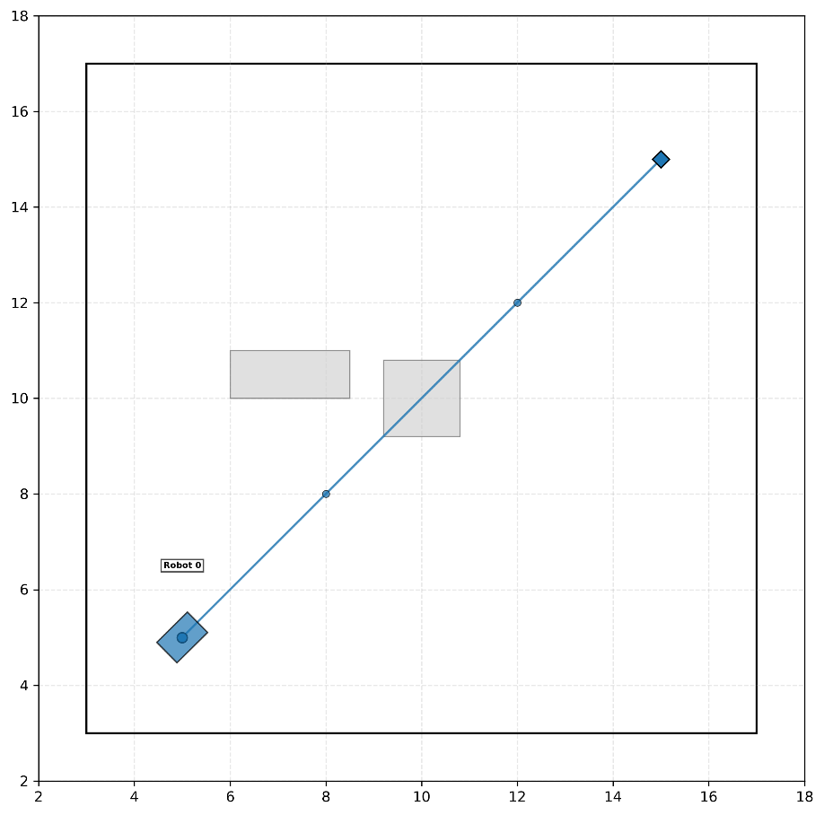
Scenario | Computing Arch | Traj Share Type | Latency (ms) | Success Rate | Failure |  | Avg Execution Time(s) | Deviation (m) | Smoothness |  | Solver
 |  |  |  |  | Timeout Rate | Collision Rate |  |  | Linear Acc(m/s²) | Angular Acc(rad/s²) | Solver Call Count | Convergence Rate
Scene 1 | Parellel | TRUE | 0 | 100% | 0% | 0% | 33.38 | 1.19 | 0.0939 | 0.0310 | 19 | 98%
 | Parellel | FALSE | 0 | 100% | 0% | 0% | 35.58 | 1.06 | 0.0008 | 0.0066 | 20 | 98%
 | Sync | TRUE | 0 | 100% | 0% | 0% | 32.51 | 0.95 | 0.0011 | 0.0090 | 56 | 98%
 | Sync | FALSE | 0 | 100% | 0% | 0% | 32.42 | 1.14 | 0.0016 | 0.0117 | 57 | 99%
 | Parellel | TRUE | 1000 | 100% | 0% | 0% | 35.61 | 1.47 | 0.0787 | 0.0362 | 22 | 99%
 | Parellel | FALSE | 1000 | 100% | 0% | 0% | 35.58 | 1.15 | 0.0008 | 0.0065 | 22 | 99%
 | Sync | TRUE | 1000 | 100% | 0% | 0% | 36.25 | 1.11 | 0.0009 | 0.0069 | 72 | 99%
 | Sync | FALSE | 1000 | 100% | 0% | 0% | 34.09 | 1.08 | 0.0010 | 0.0074 | 69 | 99%

Scene2
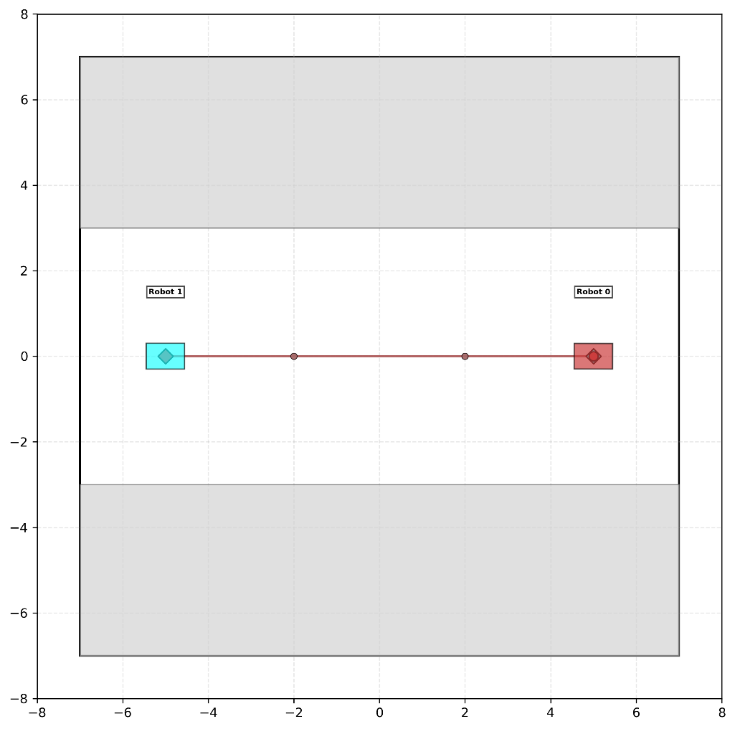
Scenario | Computing Arch | Traj Share Type | Latency (ms) | Success Rate | Failure |  | Avg Execution Time(s) | Deviation (m) | Smoothness |  | Solver
 |  |  |  |  | Timeout Rate | Collision Rate |  |  | Linear Acc(m/s²) | Angular Acc(rad/s²) | Solver Call Count | Convergence Rate
Scene 2 | Parellel | TRUE | 0 | 100% | 0% | 0% | 35.39 | 0.43 | 0.0006 | 0.0022 | 27 | 98%
 | Parellel | FALSE | 0 | 95% | 0% | 5% | 41.48 | 0.31 | 0.0002 | 0.0009 | 24 | 85%
 | Sync | TRUE | 0 | 95% | 5% | 0% | 34.89 | 0.40 | 0.0006 | 0.0024 | 68 | 99%
 | Sync | FALSE | 0 | 100% | 0% | 0% | 58.41 | 0.38 | 0.0001 | 0.0005 | 43 | 85%
 | Parellel | TRUE | 1000 | 85% | 15% | 0% | 38.73 | 0.55 | 0.0005 | 0.0017 | 29 | 97%
 | Parellel | FALSE | 1000 | 95% | 0% | 5% | 43.54 | 0.35 | 0.0002 | 0.0009 | 26 | 86%
 | Sync | TRUE | 1000 | 100% | 0% | 0% | 31.34 | 0.38 | 0.0005 | 0.0018 | 58 | 99%
 | Sync | FALSE | 1000 | 90% | 5% | 5% | 58.89 | 0.37 | 0.0002 | 0.0008 | 35 | 79%

Scene3A
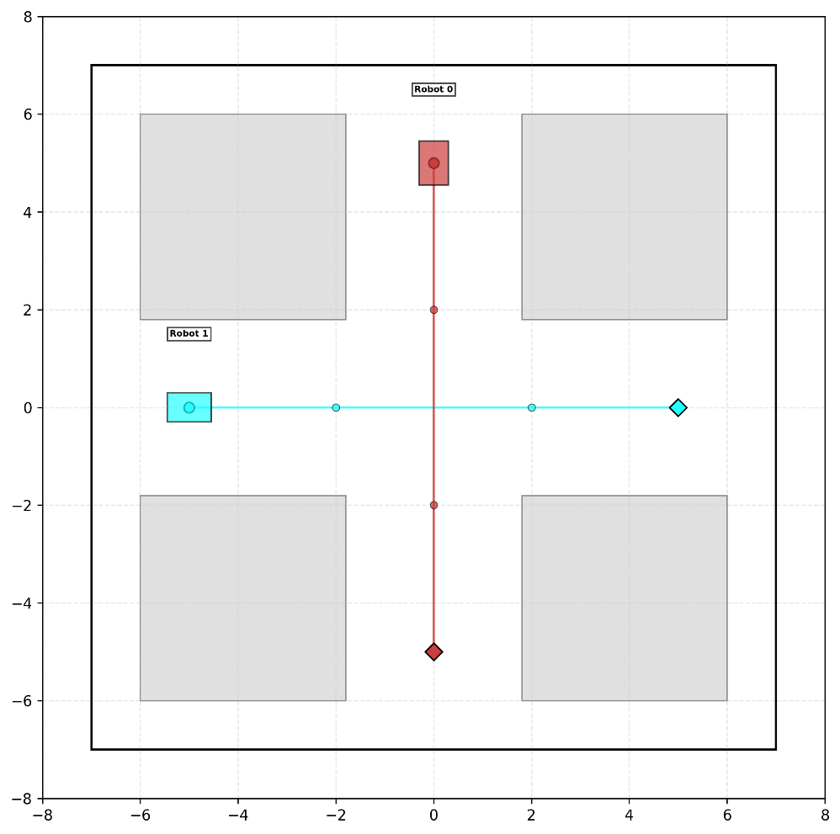
Scenario | Computing Arch | Traj Share Type | Latency (ms) | Success Rate | Failure |  | Avg Execution Time(s) | Deviation (m) | Smoothness |  | Solver
 |  |  |  |  | Timeout Rate | Collision Rate |  |  | Linear Acc(m/s²) | Angular Acc(rad/s²) | Solver Call Count | Convergence Rate
Scene 3A | Parellel | TRUE | 0 | 95% | 0% | 5% | 30.16 | 0.39 | 0.0007 | 0.0030 | 23 | 93%
 | Parellel | FALSE | 0 | 85% | 10% | 5% | 38.38 | 0.27 | 0.0009 | 0.0013 | 21 | 81%
 | Sync | TRUE | 0 | 95% | 5% | 0% | 30.47 | 0.37 | 0.0010 | 0.0040 | 41 | 96%
 | Sync | FALSE | 0 | 90% | 0% | 10% | 35.56 | 0.26 | 0.0004 | 0.0007 | 33 | 87%
 | Parellel | TRUE | 1000 | 95% | 5% | 0% | 37.59 | 0.36 | 0.0007 | 0.0023 | 30 | 84%
 | Parellel | FALSE | 1000 | 100% | 0% | 0% | 30.39 | 0.14 | 0.0001 | 0.0004 | 12 | 90%
 | Sync | TRUE | 1000 | 95% | 5% | 0% | 40.09 | 0.65 | 0.0008 | 0.0039 | 40 | 91%
 | Sync | FALSE | 1000 | 90% | 0% | 10% | 40.64 | 0.28 | 0.0005 | 0.0010 | 34 | 93%

Scene3B
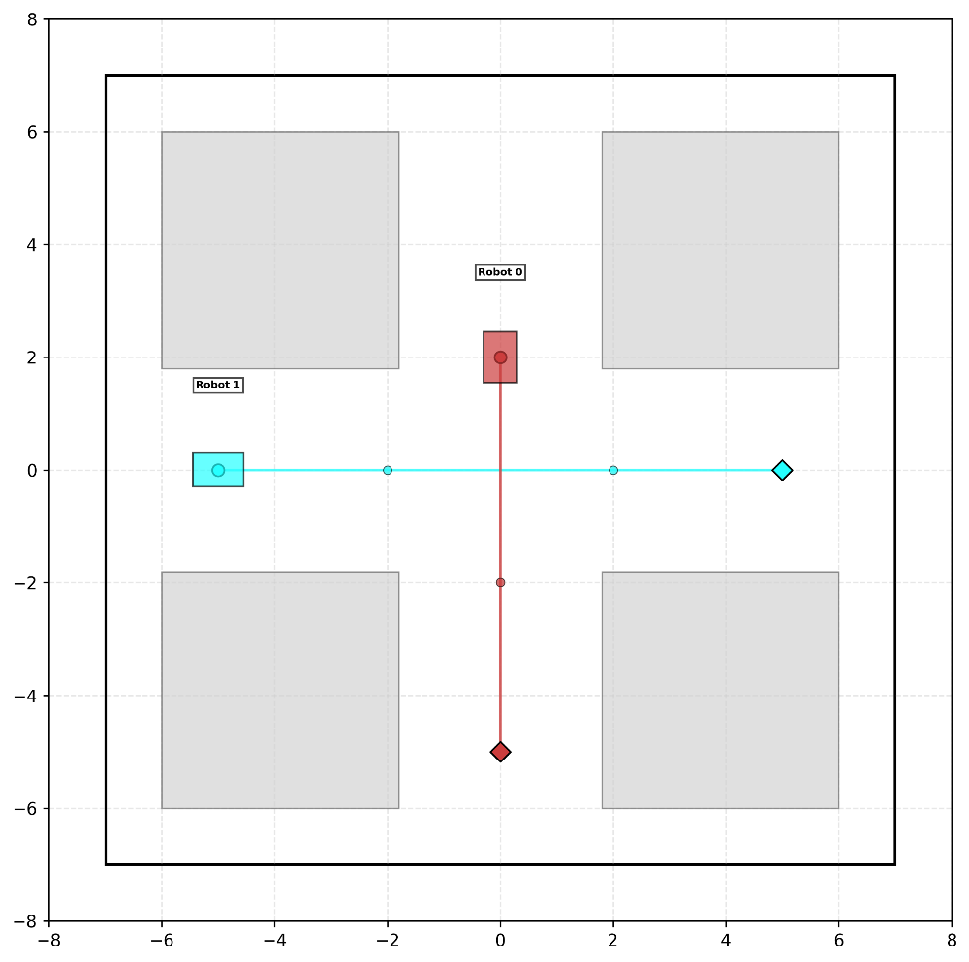
Scenario | Computing Arch | Traj Share Type | Latency (ms) | Success Rate | Failure |  | Avg Execution Time(s) | Deviation (m) | Smoothness |  | Solver
 |  |  |  |  | Timeout Rate | Collision Rate |  |  | Linear Acc(m/s²) | Angular Acc(rad/s²) | Solver Call Count | Convergence Rate
Scene 3B | Parellel | TRUE | 0 | 95% | 5% | 0% | 26.41 | 0.18 | 0.0130 | 0.0170 | 15 | 86%
 | Parellel | FALSE | 0 | 100% | 0% | 0% | 16.81 | 0.00 | 0.0000 | 0.0000 | 0 | 100%
 | Sync | TRUE | 0 | 85% | 10% | 5% | 30.46 | 0.28 | 0.0007 | 0.0019 | 36 | 89%
 | Sync | FALSE | 0 | 100% | 0% | 0% | 16.91 | 0.00 | 0.0000 | 0.0000 | 0 | 100%
 | Parellel | TRUE | 1000 | 100% | 0% | 0% | 21.17 | 0.09 | 0.0138 | 0.0283 | 8 | 91%
 | Parellel | FALSE | 1000 | 100% | 0% | 0% | 16.80 | 0.00 | 0.0000 | 0.0000 | 0 | NA
 | Sync | TRUE | 1000 | 100% | 0% | 0% | 32.97 | 0.17 | 0.0004 | 0.0012 | 34 | 91%
 | Sync | FALSE | 1000 | 100% | 0% | 0% | 16.91 | 0.00 | 0.0000 | 0.0000 | 0 | NA

Scene4
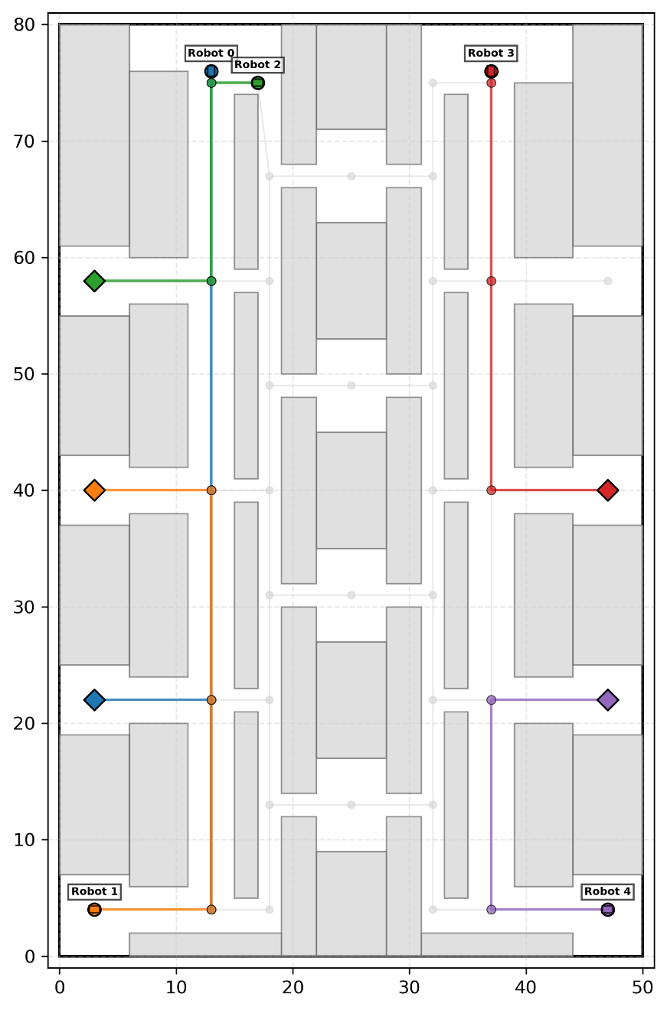
Scenario | Computing Arch | Traj Share Type | Latency (ms) | Success Rate | Failure |  | Avg Execution Time(s) | Deviation (m) | Smoothness |  | Solver
 |  |  |  |  | Timeout Rate | Collision Rate |  |  | Linear Acc(m/s²) | Angular Acc(rad/s²) | Solver Call Count | Convergence Rate
Scene 4 | Parellel | TRUE | 0 | 95% | 5% | 0% | 116.14 | 5.26 | 0.0467 | 0.0001 | 75 | 98%
 | Parellel | FALSE | 0 | 0% | 0% | 0% | 0.00 | 0.00 | 0.0000 | 0.0000 | 0 | 0%
 | Sync | TRUE | 0 | 90% | 10% | 0% | 114.23 | 3.64 | 0.0400 | 0.0001 | 119 | 99%
 | Sync | FALSE | 0 | 85% | 15% | 0% | 118.66 | 4.73 | 0.0390 | 0.0000 | 88 | 99%
 | Parellel | TRUE | 1000 | 100% | 0% | 0% | 121.15 | 7.71 | 0.0434 | 0.0000 | 90 | 98%
 | Parellel | FALSE | 1000 | 0% | 0% | 0% | 0.00 | 0.00 | 0.0000 | 0.0000 | 0 | 0%
 | Sync | TRUE | 1000 | 100% | 0% | 0% | 117.34 | 2.88 | 0.0310 | 0.0001 | 131 | 99%
 | Sync | FALSE | 1000 | 80% | 5% | 15% | 130.27 | 4.81 | 0.0308 | 0.0000 | 153 | 99%

Scene5
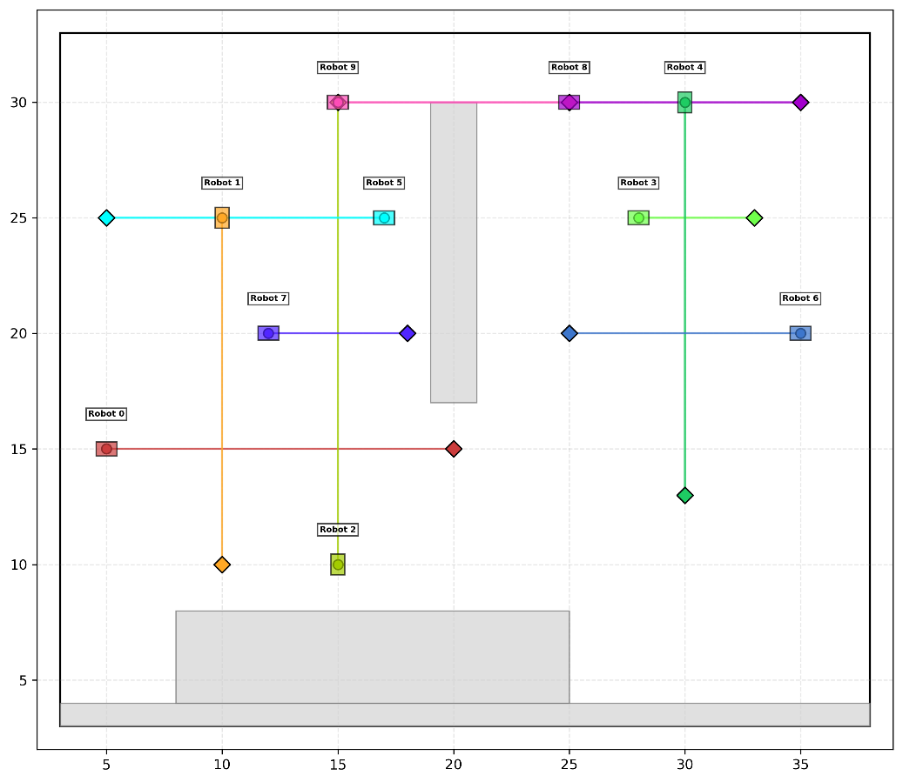
Scenario | Computing Arch | Traj Share Type | Latency (ms) | Success Rate | Failure |  | Avg Execution Time(s) | Deviation (m) | Smoothness |  | Solver
 |  |  |  |  | Timeout Rate | Collision Rate |  |  | Linear Acc(m/s²) | Angular Acc(rad/s²) | Solver Call Count | Convergence Rate
Scene 5 | Parellel | TRUE | 0 | 95% | 0% | 5% | 119.49 | 47.10 | 0.0293 | 0.0007 | 575 | 100%
 | Parellel | FALSE | 0 | 95% | 0% | 5% | 116.91 | 47.12 | 0.0274 | 0.0007 | 269 | 100%
 | Sync | TRUE | 0 | #REF! | #REF! | #REF! | #REF! | #REF! | #REF! | #REF! | #REF! | #REF!
 | Sync | FALSE | 0 | 95% | 5% | 0% | 61.25 | 48.19 | 0.0397 | 0.0003 | 73 | 99%
 | Parellel | TRUE | 1000 | 95% | 5% | 0% | 121.23 | 48.59 | 0.0328 | 0.0012 | 563 | 99%
 | Parellel | FALSE | 1000 | 0% | 0% | 0% | 0.00 | 0.00 | 0.0000 | 0.0000 | 0 | 0%
 | Sync | TRUE | 1000 | 95% | 5% | 0% | 114.31 | 46.99 | 0.0234 | 0.0006 | 268 | 100%
 | Sync | FALSE | 1000 | 80% | 20% | 0% | 64.03 | 47.58 | 0.0362 | 0.0008 | 85 | 97%

