Sheet1
Time (Secs) | CHAN1 | CHAN2
-0.0005 | -0.0853021568 | -0.0860553344
-0.000499 | -0.00490016 | -0.0860553344
-0.000498 | 0.0755018368 | -0.4880653952
-0.000497 | -0.0853021568 | -0.2870603648
-0.000496 | -0.0853021568 | -0.2870603648
-0.000495 | -0.0853021568 | -0.2870603648
-0.000494 | -0.00490016 | -0.2870603648
-0.000493 | -0.00490016 | -0.2870603648
-0.000492 | -0.00490016 | -0.0860553344
-0.000491 | -0.0853021568 | -0.2870603648
-0.00049 | -0.0853021568 | -0.2870603648
-0.000489 | -0.00490016 | -0.2870603648
DSO-X 2024A 10:44, 10/16/2020
 | CHAN1 | CHAN2
-0.0005 | -0.0853021568 | -0.0860553344
-0.000499 | -0.00490016 | -0.0860553344
-0.000498 | 0.0755018368 | -0.4880653952
-0.000497 | -0.0853021568 | -0.2870603648
-0.000496 | -0.0853021568 | -0.2870603648
-0.000495 | -0.0853021568 | -0.2870603648
-0.000494 | -0.00490016 | -0.2870603648
-0.000493 | -0.00490016 | -0.2870603648
-0.000492 | -0.00490016 | -0.0860553344
-0.000491 | -0.0853021568 | -0.2870603648
-0.00049 | -0.0853021568 | -0.2870603648
-0.000489 | -0.00490016 | -0.2870603648
-0.000488 | -0.0853021568 | -0.2870603648
-0.000487 | -0.0853021568 | -0.4880653952
-0.000486 | -0.00490016 | -0.2870603648
-0.000485 | -0.00490016 | -0.0860553344
-0.000484 | -0.00490016 | -0.0860553344
-0.000483 | -0.00490016 | -0.0860553344
-0.000482 | -0.0853021568 | -0.2870603648
-0.000481 | -0.0853021568 | -0.2870603648
-0.00048 | -0.00490016 | -0.0860553344
-0.000479 | -0.00490016 | -0.2870603648
-0.000478 | -0.0853021568 | -0.2870603648
-0.000477 | -0.00490016 | -0.2870603648
-0.000476 | -0.00490016 | -0.2870603648
-0.000475 | -0.00490016 | -0.2870603648
-0.000474 | -0.00490016 | -0.0860553344
-0.000473 | -0.0853021568 | -0.2870603648
-0.000472 | -0.00490016 | -0.0860553344
-0.000471 | -0.00490016 | -0.2870603648
-0.00047 | -0.00490016 | -0.0860553344
-0.000469 | -0.00490016 | -0.2870603648
-0.000468 | -0.00490016 | -0.0860553344
-0.000467 | -0.00490016 | -0.2870603648
-0.000466 | -0.00490016 | -0.2870603648
-0.000465 | -0.0853021568 | -0.0860553344
-0.000464 | 0.0755018368 | -0.2870603648
-0.000463 | -0.00490016 | -0.0860553344
-0.000462 | -0.0853021568 | -0.2870603648
-0.000461 | -0.00490016 | -0.2870603648
-0.00046 | -0.0853021568 | -0.2870603648
-0.000459 | 0.0755018368 | -0.2870603648
-0.000458 | -0.00490016 | -0.2870603648
-0.000457 | -0.00490016 | -0.0860553344
-0.000456 | -0.00490016 | -0.2870603648
-0.000455 | -0.00490016 | -0.2870603648
-0.000454 | -0.0853021568 | -0.2870603648
-0.000453 | -0.00490016 | -0.0860553344
-0.000452 | -0.00490016 | -0.2870603648
-0.000451 | -0.00490016 | -0.2870603648
...
-0.000488 | -0.0853021568 | -0.2870603648
-0.000487 | -0.0853021568 | -0.4880653952
-0.000486 | -0.00490016 | -0.2870603648
-0.000485 | -0.00490016 | -0.0860553344
-0.000484 | -0.00490016 | -0.0860553344
-0.000483 | -0.00490016 | -0.0860553344
-0.000482 | -0.0853021568 | -0.2870603648
-0.000481 | -0.0853021568 | -0.2870603648
-0.00048 | -0.00490016 | -0.0860553344
-0.000479 | -0.00490016 | -0.2870603648
-0.000478 | -0.0853021568 | -0.2870603648
-0.000477 | -0.00490016 | -0.2870603648
-0.000476 | -0.00490016 | -0.2870603648
-0.000475 | -0.00490016 | -0.2870603648
-0.000474 | -0.00490016 | -0.0860553344
-0.000473 | -0.0853021568 | -0.2870603648
-0.000472 | -0.00490016 | -0.0860553344
-0.000471 | -0.00490016 | -0.2870603648
-0.00047 | -0.00490016 | -0.0860553344
-0.000469 | -0.00490016 | -0.2870603648
-0.000468 | -0.00490016 | -0.0860553344
-0.000467 | -0.00490016 | -0.2870603648
-0.000466 | -0.00490016 | -0.2870603648
-0.000465 | -0.0853021568 | -0.0860553344
-0.000464 | 0.0755018368 | -0.2870603648
-0.000463 | -0.00490016 | -0.0860553344
-0.000462 | -0.0853021568 | -0.2870603648
-0.000461 | -0.00490016 | -0.2870603648
-0.00046 | -0.0853021568 | -0.2870603648
-0.000459 | 0.0755018368 | -0.2870603648
-0.000458 | -0.00490016 | -0.2870603648
-0.000457 | -0.00490016 | -0.0860553344
-0.000456 | -0.00490016 | -0.2870603648
-0.000455 | -0.00490016 | -0.2870603648
-0.000454 | -0.0853021568 | -0.2870603648
-0.000453 | -0.00490016 | -0.0860553344
-0.000452 | -0.00490016 | -0.2870603648
-0.000451 | -0.00490016 | -0.2870603648
-0.00045 | -0.00490016 | -0.2870603648
-0.000449 | -0.00490016 | -0.2870603648
-0.000448 | -0.0853021568 | -0.2870603648
-0.000447 | -0.00490016 | -0.0860553344
-0.000446 | -0.00490016 | -0.0860553344
-0.000445 | -0.0853021568 | -0.0860553344
-0.000444 | -0.00490016 | -0.2870603648
-0.000443 | -0.00490016 | -0.2870603648
-0.000442 | -0.00490016 | -0.2870603648
-0.000441 | -0.00490016 | -0.2870603648
-0.00044 | -0.00490016 | -0.2870603648
-0.000439 | -0.0853021568 | -0.2870603648
-0.000438 | -0.00490016 | -0.2870603648
-0.000437 | -0.00490016 | -0.0860553344
-0.000436 | 0.0755018368 | -0.2870603648
-0.000435 | -0.00490016 | -0.2870603648
-0.000434 | -0.0853021568 | -0.2870603648
-0.000433 | -0.0853021568 | -0.0860553344
-0.000432 | -0.00490016 | -0.4880653952
-0.000431 | 0.0755018368 | -0.2870603648
-0.00043 | -0.0853021568 | -0.2870603648
-0.000429 | -0.0853021568 | -0.4880653952
-0.000428 | -0.0853021568 | -0.0860553344
-0.000427 | -0.00490016 | -0.2870603648
-0.000426 | -0.00490016 | -0.2870603648
-0.000425 | -0.00490016 | -0.2870603648
-0.000424 | -0.00490016 | -0.0860553344
-0.000423 | -0.00490016 | -0.4880653952
-0.000422 | -0.0853021568 | -0.2870603648
-0.000421 | -0.0853021568 | -0.0860553344
-0.00042 | -0.00490016 | -0.2870603648
-0.000419 | -0.0853021568 | -0.0860553344
-0.000418 | -0.0853021568 | -0.2870603648
-0.000417 | -0.0853021568 | -0.2870603648
-0.000416 | -0.0853021568 | -0.0860553344
-0.000415 | -0.0853021568 | -0.0860553344
-0.000414 | -0.0853021568 | -0.2870603648
-0.000413 | -0.00490016 | -0.2870603648
-0.000412 | -0.00490016 | -0.2870603648
-0.000411 | -0.0853021568 | -0.0860553344
-0.00041 | -0.00490016 | -0.2870603648
-0.000409 | -0.0853021568 | -0.2870603648
-0.000408 | -0.00490016 | -0.2870603648
-0.000407 | -0.00490016 | -0.2870603648
-0.000406 | -0.0853021568 | -0.2870603648
-0.000405 | -0.00490016 | -0.2870603648
-0.000404 | -0.00490016 | -0.2870603648
-0.000403 | -0.0853021568 | -0.2870603648
-0.000402 | -0.0853021568 | -0.0860553344
-0.000401 | -0.0853021568 | -0.2870603648
-0.0004 | -0.00490016 | -0.2870603648
-0.000399 | -0.00490016 | -0.2870603648
-0.000398 | -0.00490016 | -0.2870603648
-0.000397 | -0.0853021568 | -0.0860553344
-0.000396 | -0.00490016 | -0.0860553344
-0.000395 | -0.0853021568 | -0.0860553344
-0.000394 | -0.00490016 | -0.2870603648
-0.000393 | 0.0755018368 | -0.2870603648
-0.000392 | -0.0853021568 | -0.2870603648
-0.000391 | -0.0853021568 | -0.2870603648
-0.00039 | -0.0853021568 | -0.2870603648
-0.000389 | -0.00490016 | -0.4880653952
-0.000388 | -0.0853021568 | -0.0860553344
-0.000387 | -0.00490016 | -0.2870603648
-0.000386 | 0.0755018368 | -0.2870603648
-0.000385 | -0.00490016 | -0.2870603648
-0.000384 | -0.00490016 | -0.2870603648
-0.000383 | -0.00490016 | -0.0860553344
-0.000382 | -0.00490016 | -0.0860553344
-0.000381 | -0.00490016 | -0.2870603648
-0.00038 | -0.00490016 | -0.2870603648
-0.000379 | -0.00490016 | -0.0860553344
-0.000378 | 0.0755018368 | -0.2870603648
-0.000377 | -0.0853021568 | -0.2870603648
-0.000376 | -0.00490016 | -0.0860553344
-0.000375 | -0.0853021568 | -0.2870603648
-0.000374 | -0.00490016 | -0.2870603648
-0.000373 | -0.00490016 | -0.2870603648
-0.000372 | -0.00490016 | -0.2870603648
-0.000371 | -0.00490016 | -0.2870603648
-0.00037 | -0.00490016 | -0.2870603648
-0.000369 | -0.00490016 | -0.2870603648
-0.000368 | -0.00490016 | -0.2870603648
-0.000367 | -0.0853021568 | -0.2870603648
-0.000366 | 0.0755018368 | -0.2870603648
-0.000365 | -0.00490016 | -0.4880653952
-0.000364 | -0.0853021568 | -0.4880653952
-0.000363 | -0.00490016 | -0.0860553344
-0.000362 | -0.0853021568 | -0.0860553344
-0.000361 | -0.0853021568 | -0.2870603648
-0.00036 | -0.00490016 | -0.0860553344
-0.000359 | -0.00490016 | -0.2870603648
-0.000358 | 0.0755018368 | -0.2870603648
-0.000357 | -0.00490016 | -0.2870603648
-0.000356 | -0.00490016 | -0.2870603648
-0.000355 | -0.0853021568 | -0.2870603648
-0.000354 | -0.0853021568 | -0.0860553344
-0.000353 | -0.0853021568 | -0.2870603648
-0.000352 | -0.00490016 | -0.2870603648
-0.000351 | -0.0853021568 | -0.2870603648
-0.00035 | -0.0853021568 | -0.0860553344
-0.000349 | -0.00490016 | -0.2870603648
-0.000348 | -0.00490016 | -0.2870603648
-0.000347 | -0.0853021568 | -0.2870603648
-0.000346 | -0.00490016 | -0.2870603648
-0.000345 | 0.0755018368 | -0.2870603648
-0.000344 | -0.00490016 | -0.2870603648
-0.000343 | -0.00490016 | -0.2870603648
-0.000342 | 0.0755018368 | -0.2870603648
-0.000341 | -0.00490016 | -0.4880653952
-0.00034 | -0.0853021568 | -0.2870603648
-0.000339 | -0.00490016 | -0.0860553344
-0.000338 | -0.00490016 | -0.0860553344
-0.000337 | -0.00490016 | -0.0860553344
-0.000336 | -0.0853021568 | -0.2870603648
-0.000335 | -0.0853021568 | -0.0860553344
-0.000334 | -0.0853021568 | -0.2870603648
-0.000333 | -0.00490016 | -0.0860553344
-0.000332 | -0.00490016 | -0.0860553344
-0.000331 | -0.0853021568 | -0.2870603648
-0.00033 | -0.0853021568 | -0.2870603648
-0.000329 | -0.00490016 | -0.2870603648
-0.000328 | -0.0853021568 | -0.2870603648
-0.000327 | -0.00490016 | -0.0860553344
-0.000326 | -0.00490016 | -0.2870603648
-0.000325 | 0.0755018368 | -0.2870603648
-0.000324 | -0.0853021568 | -0.4880653952
-0.000323 | -0.00490016 | -0.2870603648
-0.000322 | -0.0853021568 | -0.2870603648
-0.000321 | -0.0853021568 | -0.0860553344
-0.00032 | -0.00490016 | -0.2870603648
-0.000319 | -0.0853021568 | -0.2870603648
-0.000318 | -0.00490016 | -0.2870603648
-0.000317 | -0.00490016 | -0.0860553344
-0.000316 | -0.0853021568 | -0.2870603648
-0.000315 | -0.00490016 | -0.4880653952
-0.000314 | -0.0853021568 | -0.2870603648
-0.000313 | -0.00490016 | -0.2870603648
-0.000312 | -0.00490016 | -0.0860553344
-0.000311 | -0.00490016 | -0.2870603648
-0.00031 | -0.0853021568 | -0.2870603648
-0.000309 | 0.0755018368 | -0.2870603648
-0.000308 | -0.0853021568 | -0.2870603648
-0.000307 | -0.00490016 | -0.2870603648
-0.000306 | -0.00490016 | -0.4880653952
-0.000305 | -0.0853021568 | -0.4880653952
-0.000304 | -0.00490016 | -0.2870603648
-0.000303 | -0.00490016 | -0.2870603648
-0.000302 | -0.0853021568 | -0.0860553344
-0.000301 | -0.00490016 | -0.2870603648
-0.0003 | -0.00490016 | -0.0860553344
-0.000299 | -0.00490016 | -0.2870603648
-0.000298 | -0.0853021568 | -0.0860553344
-0.000297 | -0.00490016 | -0.2870603648
-0.000296 | -0.00490016 | -0.2870603648
-0.000295 | -0.00490016 | -0.0860553344
-0.000294 | -0.00490016 | -0.0860553344
-0.000293 | -0.00490016 | -0.2870603648
-0.000292 | -0.00490016 | -0.0860553344
-0.000291 | -0.00490016 | -0.2870603648
-0.00029 | -0.00490016 | -0.2870603648
-0.000289 | -0.00490016 | -0.4880653952
-0.000288 | 0.0755018368 | -0.2870603648
-0.000287 | 0.0755018368 | -0.2870603648
-0.000286 | -0.00490016 | -0.0860553344
-0.000285 | -0.00490016 | -0.2870603648
-0.000284 | -0.0853021568 | -0.4880653952
-0.000283 | -0.0853021568 | -0.2870603648
-0.000282 | -0.00490016 | -0.2870603648
-0.000281 | -0.0853021568 | -0.0860553344
-0.00028 | -0.00490016 | -0.0860553344
-0.000279 | -0.00490016 | -0.2870603648
-0.000278 | -0.00490016 | -0.2870603648
-0.000277 | -0.00490016 | -0.2870603648
-0.000276 | -0.00490016 | -0.2870603648
-0.000275 | -0.00490016 | -0.0860553344
-0.000274 | -0.00490016 | -0.2870603648
-0.000273 | -0.00490016 | -0.2870603648
-0.000272 | -0.0853021568 | -0.2870603648
-0.000271 | -0.0853021568 | -0.0860553344
-0.00027 | -0.0853021568 | -0.4880653952
-0.000269 | -0.0853021568 | -0.2870603648
-0.000268 | -0.00490016 | -0.2870603648
-0.000267 | -0.0853021568 | -0.0860553344
-0.000266 | -0.00490016 | -0.0860553344
-0.000265 | -0.0853021568 | -0.2870603648
-0.000264 | -0.00490016 | -0.2870603648
-0.000263 | -0.0853021568 | -0.0860553344
-0.000262 | -0.0853021568 | -0.2870603648
-0.000261 | -0.00490016 | -0.4880653952
-0.00026 | -0.00490016 | -0.0860553344
-0.000259 | -0.0853021568 | -0.0860553344
-0.000258 | -0.0853021568 | -0.2870603648
-0.000257 | -0.0853021568 | -0.2870603648
-0.000256 | -0.0853021568 | -0.2870603648
-0.000255 | -0.0853021568 | -0.0860553344
-0.000254 | -0.00490016 | -0.2870603648
-0.000253 | -0.00490016 | -0.2870603648
-0.000252 | -0.00490016 | -0.2870603648
-0.000251 | -0.00490016 | -0.2870603648
-0.00025 | 0.0755018368 | -0.0860553344
-0.000249 | -0.00490016 | -0.2870603648
-0.000248 | -0.00490016 | -0.2870603648
-0.000247 | -0.0853021568 | -0.2870603648
-0.000246 | -0.0853021568 | -0.2870603648
-0.000245 | 0.0755018368 | -0.4880653952
-0.000244 | -0.0853021568 | -0.2870603648
-0.000243 | -0.00490016 | -0.2870603648
-0.000242 | -0.0853021568 | -0.2870603648
-0.000241 | -0.00490016 | -0.0860553344
-0.00024 | -0.0853021568 | -0.0860553344
-0.000239 | -0.0853021568 | -0.2870603648
-0.000238 | -0.00490016 | -0.0860553344
-0.000237 | 0.0755018368 | -0.2870603648
-0.000236 | -0.0853021568 | -0.0860553344
-0.000235 | -0.0853021568 | -0.2870603648
-0.000234 | -0.0853021568 | -0.2870603648
-0.000233 | -0.00490016 | -0.2870603648
-0.000232 | -0.0853021568 | -0.0860553344
-0.000231 | 0.0755018368 | -0.2870603648
-0.00023 | -0.00490016 | -0.0860553344
-0.000229 | -0.0853021568 | -0.2870603648
-0.000228 | -0.00490016 | -0.4880653952
-0.000227 | -0.0853021568 | -0.2870603648
-0.000226 | -0.0853021568 | -0.4880653952
-0.000225 | -0.00490016 | -0.2870603648
-0.000224 | -0.00490016 | -0.2870603648
-0.000223 | -0.0853021568 | -0.2870603648
-0.000222 | 0.0755018368 | -0.4880653952
-0.000221 | -0.00490016 | -0.2870603648
-0.00022 | -0.00490016 | -0.4880653952
-0.000219 | -0.00490016 | -0.0860553344
-0.000218 | -0.0853021568 | -0.2870603648
-0.000217 | -0.00490016 | -0.2870603648
-0.000216 | 0.0755018368 | -0.2870603648
-0.000215 | -0.00490016 | -0.0860553344
-0.000214 | -0.0853021568 | -0.2870603648
-0.000213 | -0.00490016 | -0.2870603648
-0.000212 | -0.00490016 | -0.0860553344
-0.000211 | -0.0853021568 | -0.2870603648
-0.00021 | -0.0853021568 | -0.2870603648
-0.000209 | -0.00490016 | -0.0860553344
-0.000208 | -0.0853021568 | -0.2870603648
-0.000207 | -0.00490016 | -0.2870603648
-0.000206 | -0.00490016 | -0.2870603648
-0.000205 | -0.00490016 | -0.2870603648
-0.000204 | -0.0853021568 | -0.2870603648
-0.000203 | -0.0853021568 | -0.2870603648
-0.000202 | -0.00490016 | -0.2870603648
-0.000201 | -0.00490016 | -0.0860553344
-0.0002 | -0.00490016 | -0.2870603648
-0.000199 | -0.0853021568 | -0.4880653952
-0.000198 | -0.0853021568 | -0.2870603648
-0.000197 | -0.00490016 | -0.2870603648
-0.000196 | -0.0853021568 | -0.0860553344
-0.000195 | -0.0853021568 | -0.0860553344
-0.000194 | -0.00490016 | -0.2870603648
-0.000193 | -0.00490016 | -0.2870603648
-0.000192 | -0.00490016 | -0.2870603648
-0.000191 | -0.00490016 | -0.0860553344
-0.00019 | -0.00490016 | -0.2870603648
-0.000189 | -0.0853021568 | -0.0860553344
-0.000188 | -0.00490016 | -0.2870603648
-0.000187 | -0.0853021568 | -0.2870603648
-0.000186 | -0.00490016 | -0.2870603648
-0.000185 | -0.00490016 | -0.2870603648
-0.000184 | -0.00490016 | -0.2870603648
-0.000183 | -0.0853021568 | -0.0860553344
-0.000182 | -0.00490016 | -0.0860553344
-0.000181 | -0.00490016 | -0.2870603648
-0.00018 | -0.00490016 | -0.2870603648
-0.000179 | -0.1657041536 | -0.2870603648
-0.000178 | -0.00490016 | -0.2870603648
-0.000177 | -0.00490016 | -0.2870603648
-0.000176 | -0.00490016 | -0.2870603648
-0.000175 | -0.0853021568 | -0.2870603648
-0.000174 | -0.0853021568 | -0.2870603648
-0.000173 | -0.00490016 | -0.0860553344
-0.000172 | -0.0853021568 | -0.0860553344
-0.000171 | -0.00490016 | -0.2870603648
-0.00017 | -0.00490016 | -0.2870603648
-0.000169 | -0.0853021568 | -0.0860553344
-0.000168 | -0.0853021568 | -0.2870603648
-0.000167 | -0.0853021568 | -0.0860553344
-0.000166 | -0.00490016 | -0.2870603648
-0.000165 | -0.0853021568 | -0.0860553344
-0.000164 | -0.00490016 | -0.0860553344
-0.000163 | -0.00490016 | -0.2870603648
-0.000162 | -0.00490016 | -0.0860553344
-0.000161 | -0.00490016 | -0.0860553344
-0.00016 | -0.00490016 | -0.2870603648
-0.000159 | -0.00490016 | -0.2870603648
-0.000158 | -0.0853021568 | -0.4880653952
-0.000157 | -0.0853021568 | -0.0860553344
-0.000156 | -0.00490016 | -0.2870603648
-0.000155 | -0.00490016 | -0.2870603648
-0.000154 | -0.0853021568 | -0.2870603648
-0.000153 | -0.0853021568 | -0.2870603648
-0.000152 | -0.0853021568 | -0.4880653952
-0.000151 | -0.00490016 | -0.2870603648
-0.00015 | -0.0853021568 | -0.2870603648
-0.000149 | -0.0853021568 | -0.0860553344
-0.000148 | -0.00490016 | -0.2870603648
-0.000147 | -0.00490016 | -0.2870603648
-0.000146 | -0.00490016 | -0.2870603648
-0.000145 | -0.00490016 | -0.2870603648
-0.000144 | -0.00490016 | -0.2870603648
-0.000143 | -0.00490016 | -0.2870603648
-0.000142 | -0.00490016 | -0.2870603648
-0.000141 | -0.00490016 | -0.2870603648
-0.00014 | -0.0853021568 | -0.2870603648
-0.000139 | -0.00490016 | -0.2870603648
-0.000138 | -0.0853021568 | -0.2870603648
-0.000137 | -0.00490016 | -0.0860553344
-0.000136 | -0.00490016 | -0.4880653952
-0.000135 | 0.0755018368 | -0.2870603648
-0.000134 | -0.0853021568 | -0.4880653952
-0.000133 | -0.0853021568 | -0.2870603648
-0.000132 | -0.00490016 | -0.2870603648
-0.000131 | -0.0853021568 | -0.0860553344
-0.00013 | -0.0853021568 | -0.2870603648
-0.000129 | -0.00490016 | -0.2870603648
-0.000128 | -0.00490016 | -0.0860553344
-0.000127 | -0.0853021568 | -0.2870603648
-0.000126 | -0.00490016 | -0.2870603648
-0.000125 | -0.0853021568 | -0.2870603648
-0.000124 | -0.0853021568 | -0.0860553344
-0.000123 | -0.0853021568 | -0.2870603648
-0.000122 | -0.00490016 | -0.2870603648
-0.000121 | -0.00490016 | -0.0860553344
-0.00012 | -0.0853021568 | -0.0860553344
-0.000119 | -0.00490016 | -0.2870603648
-0.000118 | -0.0853021568 | -0.0860553344
-0.000117 | -0.00490016 | -0.2870603648
-0.000116 | -0.00490016 | -0.2870603648
-0.000115 | -0.0853021568 | -0.2870603648
-0.000114 | -0.0853021568 | -0.2870603648
-0.000113 | -0.0853021568 | -0.2870603648
-0.000112 | -0.00490016 | -0.2870603648
-0.000111 | -0.0853021568 | -0.2870603648
-0.00011 | -0.0853021568 | -0.2870603648
-0.000109 | -0.00490016 | -0.2870603648
-0.000108 | -0.00490016 | -0.2870603648
-0.000107 | -0.00490016 | -0.2870603648
-0.000106 | 0.0755018368 | -0.0860553344
-0.000105 | -0.00490016 | -0.4880653952
-0.000104 | -0.00490016 | -0.2870603648
-0.000103 | -0.0853021568 | -0.0860553344
-0.000102 | -0.00490016 | -0.2870603648
-0.000101 | -0.0853021568 | -0.2870603648
-0.0001 | -0.00490016 | -0.0860553344
-0.000099 | -0.0853021568 | -0.2870603648
-0.000098 | -0.0853021568 | -0.2870603648
-0.000097 | 0.0755018368 | -0.2870603648
-0.000096 | -0.0853021568 | -0.2870603648
-0.000095 | -0.0853021568 | -0.2870603648
-0.000094 | -0.0853021568 | -0.2870603648
-0.000093 | -0.0853021568 | -0.0860553344
-0.000092 | -0.00490016 | -0.2870603648
-0.000091 | -0.00490016 | -0.0860553344
-0.00009 | -0.00490016 | -0.2870603648
-0.000089 | -0.00490016 | -0.0860553344
-0.000088 | -0.00490016 | -0.2870603648
-0.000087 | -0.0853021568 | -0.0860553344
-0.000086 | -0.00490016 | -0.0860553344
-0.000085 | -0.0853021568 | -0.2870603648
-0.000084 | -0.00490016 | -0.0860553344
-0.000083 | -0.0853021568 | -0.0860553344
-0.000082 | -0.00490016 | -0.2870603648
-0.000081 | -0.0853021568 | -0.2870603648
-0.00008 | -0.0853021568 | -0.0860553344
-0.000079 | -0.00490016 | -0.4880653952
-0.000078 | -0.00490016 | -0.2870603648
-0.000077 | -0.0853021568 | -0.4880653952
-0.000076 | -0.0853021568 | -0.2870603648
-0.000075 | 0.0755018368 | -0.2870603648
-0.000074 | -0.00490016 | -0.2870603648
-0.000073 | -0.0853021568 | -0.2870603648
-0.000072 | -0.0853021568 | -0.0860553344
-0.000071 | -0.00490016 | -0.2870603648
-0.00007 | -0.00490016 | -0.0860553344
-0.000069 | 0.0755018368 | -0.2870603648
-0.000068 | -0.0853021568 | -0.2870603648
-0.000067 | -0.00490016 | -0.2870603648
-0.000066 | -0.00490016 | -0.2870603648
-0.000065 | -0.00490016 | -0.0860553344
-0.000064 | 0.0755018368 | -0.2870603648
-0.000063 | -0.0853021568 | -0.2870603648
-0.000062 | -0.0853021568 | -0.2870603648
-0.000061 | -0.00490016 | -0.2870603648
-0.00006 | 0.0755018368 | -0.0860553344
-0.000059 | -0.00490016 | -0.2870603648
-0.000058 | -0.0853021568 | -0.0860553344
-0.000057 | 0.0755018368 | -0.2870603648
-0.000056 | -0.00490016 | -0.2870603648
-0.000055 | -0.00490016 | -0.0860553344
-0.000054 | 0.0755018368 | -0.4880653952
-0.000053 | -0.00490016 | -0.2870603648
-0.000052 | -0.00490016 | -0.0860553344
-0.000051 | 0.0755018368 | -0.2870603648
-0.00005 | -0.0853021568 | -0.0860553344
-0.000049 | -0.00490016 | -0.0860553344
-0.000048 | -0.0853021568 | -0.0860553344
-0.000047 | -0.0853021568 | -0.0860553344
-0.000046 | -0.0853021568 | -0.2870603648
-0.000045 | -0.00490016 | -0.0860553344
-0.000044 | -0.00490016 | -0.2870603648
-0.000043 | -0.0853021568 | -0.2870603648
-0.000042 | -0.00490016 | -0.2870603648
-0.000041 | -0.00490016 | -0.0860553344
-0.00004 | -0.00490016 | -0.0860553344
-0.000039 | -0.00490016 | -0.2870603648
-0.000038 | -0.0853021568 | -0.2870603648
-0.000037 | -0.0853021568 | -0.2870603648
-0.000036 | -0.00490016 | -0.0860553344
-0.000035 | -0.0853021568 | -0.2870603648
-0.000034 | -0.00490016 | -0.0860553344
-0.000033 | -0.00490016 | -0.2870603648
-0.000032 | 0.0755018368 | -0.2870603648
-0.000031 | -0.0853021568 | -0.2870603648
-0.00003 | -0.0853021568 | -0.2870603648
-0.000029 | -0.0853021568 | -0.2870603648
-0.000028 | -0.0853021568 | -0.0860553344
-0.000027 | -0.00490016 | -0.2870603648
-0.000026 | -0.0853021568 | -0.2870603648
-0.000025 | -0.00490016 | -0.0860553344
-0.000024 | -0.00490016 | -0.2870603648
-0.000023 | -0.00490016 | -0.2870603648
-0.000022 | -0.00490016 | -0.2870603648
-0.000021 | -0.00490016 | -0.2870603648
-0.00002 | -0.0853021568 | -0.2870603648
-0.000019 | -0.00490016 | -0.2870603648
-0.000018 | -0.00490016 | -0.2870603648
-0.000017 | -0.0853021568 | -0.2870603648
-0.000016 | -0.0853021568 | -0.0860553344
-0.000015 | 0.0755018368 | -0.0860553344
-0.000014 | -0.0853021568 | -0.2870603648
-0.000013 | -0.0853021568 | -0.0860553344
-0.000012 | -0.0853021568 | -0.0860553344
-0.000011 | -0.0853021568 | -0.2870603648
-0.00001 | -0.00490016 | -0.2870603648
-0.000009 | -0.00490016 | -0.2870603648
-0.000008 | -0.0853021568 | -0.2870603648
-0.000007 | -0.00490016 | -0.2870603648
-0.000006 | -0.00490016 | -0.4880653952
-0.000005 | -0.0853021568 | -0.0860553344
-0.000004 | -0.0853021568 | -0.2870603648
-0.000003 | -0.0853021568 | -0.0860553344
-0.000002 | -0.0853021568 | -0.2870603648
-0.000001 | -0.00490016 | -0.0860553344
-3.3034284943E-20 | -0.00490016 | -0.0860553344
0.000001 | -0.00490016 | -0.2870603648
0.000002 | -0.0853021568 | -0.2870603648
0.000003 | -0.00490016 | -0.2870603648
0.000004 | -0.00490016 | -0.0860553344
0.000005 | -0.0853021568 | -0.0860553344
0.000006 | -0.00490016 | -0.0860553344
0.000007 | -0.0853021568 | -0.2870603648
0.000008 | -0.00490016 | -0.2870603648
0.000009 | -0.00490016 | -0.0860553344
0.00001 | -0.00490016 | -0.2870603648
0.000011 | -0.00490016 | -0.2870603648
0.000012 | -0.00490016 | -0.2870603648
0.000013 | -0.00490016 | -0.0860553344
0.000014 | -0.0853021568 | -0.2870603648
0.000015 | -0.00490016 | -0.0860553344
0.000016 | -0.0853021568 | -0.2870603648
0.000017 | -0.0853021568 | -0.2870603648
0.000018 | -0.0853021568 | -0.2870603648
0.000019 | -0.00490016 | -0.2870603648
0.00002 | -0.0853021568 | -0.2870603648
0.000021 | -0.00490016 | -0.2870603648
0.000022 | -0.0853021568 | -0.0860553344
0.000023 | -0.00490016 | -0.4880653952
0.000024 | -0.0853021568 | -0.0860553344
0.000025 | -0.0853021568 | -0.0860553344
0.000026 | -0.00490016 | -0.2870603648
0.000027 | -0.0853021568 | -0.2870603648
0.000028 | -0.00490016 | -0.0860553344
0.000029 | -0.0853021568 | -0.2870603648
0.00003 | -0.00490016 | -0.4880653952
0.000031 | -0.00490016 | -0.2870603648
0.000032 | -0.00490016 | -0.2870603648
0.000033 | -0.0853021568 | -0.2870603648
0.000034 | -0.0853021568 | -0.4880653952
0.000035 | -0.0853021568 | -0.2870603648
0.000036 | -0.00490016 | -0.2870603648
0.000037 | -0.0853021568 | -0.2870603648
0.000038 | -0.00490016 | -0.2870603648
0.000039 | 0.0755018368 | -0.0860553344
0.00004 | -0.00490016 | -0.2870603648
0.000041 | -0.00490016 | -0.2870603648
0.000042 | -0.00490016 | -0.2870603648
0.000043 | -0.0853021568 | -0.2870603648
0.000044 | -0.0853021568 | -0.2870603648
0.000045 | 0.0755018368 | -0.2870603648
0.000046 | -0.00490016 | -0.0860553344
0.000047 | -0.00490016 | -0.2870603648
0.000048 | -0.00490016 | -0.0860553344
0.000049 | -0.0853021568 | -0.2870603648
0.00005 | 0.0755018368 | -0.2870603648
0.000051 | -0.00490016 | -0.2870603648
0.000052 | -0.0853021568 | -0.2870603648
0.000053 | -0.00490016 | -0.2870603648
0.000054 | -0.00490016 | -0.0860553344
0.000055 | -0.0853021568 | -0.2870603648
0.000056 | -0.00490016 | -0.0860553344
0.000057 | 0.0755018368 | -0.2870603648
0.000058 | -0.00490016 | -0.2870603648
0.000059 | -0.00490016 | -0.2870603648
0.00006 | -0.0853021568 | -0.0860553344
0.000061 | -0.00490016 | -0.2870603648
0.000062 | -0.00490016 | -0.0860553344
0.000063 | 0.0755018368 | -0.2870603648
0.000064 | -0.00490016 | -0.2870603648
0.000065 | -0.0853021568 | -0.2870603648
0.000066 | -0.0853021568 | -0.2870603648
0.000067 | -0.00490016 | -0.2870603648
0.000068 | -0.00490016 | -0.2870603648
0.000069 | -0.00490016 | -0.2870603648
0.00007 | -0.00490016 | -0.2870603648
0.000071 | -0.0853021568 | -0.2870603648
0.000072 | -0.0853021568 | -0.0860553344
0.000073 | -0.0853021568 | -0.2870603648
0.000074 | -0.0853021568 | -0.2870603648
0.000075 | -0.00490016 | -0.2870603648
0.000076 | -0.00490016 | -0.0860553344
0.000077 | 0.0755018368 | -0.0860553344
0.000078 | -0.0853021568 | -0.2870603648
0.000079 | -0.00490016 | -0.0860553344
0.00008 | -0.0853021568 | -0.0860553344
0.000081 | -0.00490016 | -0.0860553344
0.000082 | -0.0853021568 | -0.2870603648
0.000083 | -0.00490016 | -0.2870603648
0.000084 | 0.0755018368 | -0.2870603648
0.000085 | 0.0755018368 | -0.2870603648
0.000086 | -0.00490016 | -0.0860553344
0.000087 | -0.00490016 | -0.0860553344
0.000088 | -0.00490016 | -0.0860553344
0.000089 | -0.00490016 | -0.2870603648
0.00009 | -0.0853021568 | -0.2870603648
0.000091 | -0.00490016 | -0.2870603648
0.000092 | -0.0853021568 | -0.4880653952
0.000093 | -0.00490016 | -0.2870603648
0.000094 | -0.0853021568 | -0.4880653952
0.000095 | -0.00490016 | -0.2870603648
0.000096 | -0.00490016 | -0.2870603648
0.000097 | -0.00490016 | -0.2870603648
0.000098 | -0.0853021568 | -0.0860553344
0.000099 | -0.00490016 | -0.2870603648
0.0001 | -0.0853021568 | -0.4880653952
0.000101 | -0.00490016 | -0.0860553344
0.000102 | -0.00490016 | -0.0860553344
0.000103 | -0.00490016 | -0.2870603648
0.000104 | -0.0853021568 | -0.2870603648
0.000105 | -0.00490016 | -0.2870603648
0.000106 | -0.0853021568 | -0.2870603648
0.000107 | -0.00490016 | -0.2870603648
0.000108 | 0.0755018368 | -0.2870603648
0.000109 | -0.0853021568 | -0.4880653952
0.00011 | -0.00490016 | -0.2870603648
0.000111 | -0.0853021568 | -0.2870603648
0.000112 | -0.00490016 | -0.2870603648
0.000113 | -0.00490016 | -0.2870603648
0.000114 | 0.0755018368 | -0.0860553344
0.000115 | -0.0853021568 | -0.2870603648
0.000116 | -0.0853021568 | -0.0860553344
0.000117 | -0.0853021568 | -0.2870603648
0.000118 | -0.00490016 | -0.2870603648
0.000119 | -0.00490016 | -0.2870603648
0.00012 | -0.0853021568 | -0.0860553344
0.000121 | -0.0853021568 | -0.2870603648
0.000122 | -0.0853021568 | -0.2870603648
0.000123 | -0.0853021568 | -0.2870603648
0.000124 | -0.0853021568 | -0.2870603648
0.000125 | -0.0853021568 | -0.2870603648
0.000126 | -0.00490016 | -0.2870603648
0.000127 | -0.00490016 | -0.2870603648
0.000128 | -0.1657041536 | -0.2870603648
0.000129 | -0.0853021568 | -0.0860553344
0.00013 | -0.0853021568 | -0.0860553344
0.000131 | -0.00490016 | -0.2870603648
0.000132 | -0.00490016 | -0.0860553344
0.000133 | -0.00490016 | -0.2870603648
0.000134 | 0.0755018368 | -0.2870603648
0.000135 | -0.00490016 | -0.0860553344
0.000136 | -0.0853021568 | -0.0860553344
0.000137 | -0.0853021568 | -0.2870603648
0.000138 | -0.00490016 | -0.0860553344
0.000139 | -0.00490016 | -0.2870603648
0.00014 | -0.00490016 | -0.2870603648
0.000141 | -0.00490016 | -0.0860553344
0.000142 | -0.0853021568 | -0.2870603648
0.000143 | -0.00490016 | -0.2870603648
0.000144 | -0.00490016 | -0.2870603648
0.000145 | -0.00490016 | -0.2870603648
0.000146 | -0.00490016 | -0.0860553344
0.000147 | -0.00490016 | -0.0860553344
0.000148 | -0.0853021568 | -0.2870603648
0.000149 | -0.00490016 | -0.2870603648
0.00015 | -0.00490016 | -0.2870603648
0.000151 | -0.00490016 | -0.2870603648
0.000152 | -0.00490016 | -0.2870603648
0.000153 | -0.00490016 | -0.0860553344
0.000154 | -0.0853021568 | -0.2870603648
0.000155 | -0.00490016 | -0.0860553344
0.000156 | -0.00490016 | -0.2870603648
0.000157 | -0.00490016 | -0.2870603648
0.000158 | -0.00490016 | -0.2870603648
0.000159 | -0.00490016 | -0.2870603648
0.00016 | -0.0853021568 | -0.2870603648
0.000161 | -0.00490016 | -0.2870603648
0.000162 | -0.00490016 | -0.2870603648
0.000163 | -0.00490016 | -0.2870603648
0.000164 | -0.00490016 | -0.2870603648
0.000165 | -0.0853021568 | -0.2870603648
0.000166 | -0.00490016 | -0.2870603648
0.000167 | -0.00490016 | -0.2870603648
0.000168 | -0.00490016 | -0.0860553344
0.000169 | -0.00490016 | -0.2870603648
0.00017 | -0.0853021568 | -0.2870603648
0.000171 | -0.00490016 | -0.0860553344
0.000172 | -0.00490016 | -0.2870603648
0.000173 | -0.0853021568 | -0.2870603648
0.000174 | -0.0853021568 | -0.0860553344
0.000175 | -0.00490016 | -0.2870603648
0.000176 | -0.00490016 | -0.2870603648
0.000177 | -0.00490016 | -0.2870603648
0.000178 | 0.0755018368 | -0.2870603648
0.000179 | -0.0853021568 | -0.2870603648
0.00018 | -0.00490016 | -0.2870603648
0.000181 | -0.00490016 | -0.2870603648
0.000182 | -0.00490016 | -0.2870603648
0.000183 | 0.0755018368 | -0.2870603648
0.000184 | -0.0853021568 | -0.2870603648
0.000185 | -0.00490016 | -0.2870603648
0.000186 | -0.0853021568 | -0.0860553344
0.000187 | -0.0853021568 | -0.2870603648
0.000188 | -0.00490016 | -0.2870603648
0.000189 | -0.00490016 | -0.2870603648
0.00019 | -0.0853021568 | -0.2870603648
0.000191 | -0.0853021568 | -0.0860553344
0.000192 | -0.00490016 | -0.2870603648
0.000193 | -0.00490016 | -0.2870603648
0.000194 | -0.00490016 | -0.2870603648
0.000195 | -0.00490016 | -0.2870603648
0.000196 | -0.00490016 | -0.2870603648
0.000197 | -0.00490016 | -0.2870603648
0.000198 | -0.00490016 | -0.2870603648
0.000199 | -0.0853021568 | -0.2870603648
0.0002 | -0.0853021568 | -0.2870603648
0.000201 | -0.00490016 | -0.2870603648
0.000202 | -0.00490016 | -0.2870603648
0.000203 | -0.0853021568 | -0.2870603648
0.000204 | -0.0853021568 | -0.2870603648
0.000205 | -0.0853021568 | -0.2870603648
0.000206 | -0.0853021568 | -0.2870603648
0.000207 | -0.0853021568 | -0.2870603648
0.000208 | -0.00490016 | -0.0860553344
0.000209 | -0.00490016 | -0.2870603648
0.00021 | -0.0853021568 | -0.2870603648
0.000211 | -0.00490016 | -0.2870603648
0.000212 | -0.0853021568 | -0.2870603648
0.000213 | -0.00490016 | -0.2870603648
0.000214 | -0.00490016 | -0.2870603648
0.000215 | -0.00490016 | -0.2870603648
0.000216 | -0.00490016 | -0.2870603648
0.000217 | -0.00490016 | -0.2870603648
0.000218 | -0.00490016 | -0.0860553344
0.000219 | -0.00490016 | -0.4880653952
0.00022 | -0.00490016 | -0.0860553344
0.000221 | -0.0853021568 | -0.4880653952
0.000222 | -0.0853021568 | -0.0860553344
0.000223 | -0.00490016 | -0.2870603648
0.000224 | -0.00490016 | -0.0860553344
0.000225 | -0.00490016 | -0.2870603648
0.000226 | -0.00490016 | -0.2870603648
0.000227 | -0.0853021568 | -0.0860553344
0.000228 | -0.00490016 | -0.2870603648
0.000229 | -0.0853021568 | -0.2870603648
0.00023 | -0.00490016 | -0.2870603648
0.000231 | -0.00490016 | -0.2870603648
0.000232 | -0.00490016 | -0.2870603648
0.000233 | -0.0853021568 | -0.2870603648
0.000234 | -0.00490016 | -0.2870603648
0.000235 | -0.0853021568 | -0.2870603648
0.000236 | -0.00490016 | -0.0860553344
0.000237 | -0.0853021568 | -0.0860553344
0.000238 | -0.0853021568 | -0.2870603648
0.000239 | -0.1657041536 | -0.0860553344
0.00024 | -0.0853021568 | -0.2870603648
0.000241 | -0.0853021568 | -0.0860553344
0.000242 | -0.00490016 | -0.2870603648
0.000243 | -0.00490016 | -0.4880653952
0.000244 | -0.00490016 | -0.2870603648
0.000245 | -0.00490016 | 0.114949696
0.000246 | -0.0853021568 | -0.0860553344
0.000247 | -0.0853021568 | -0.2870603648
0.000248 | -0.00490016 | -0.2870603648
0.000249 | 0.0755018368 | -0.2870603648
0.00025 | -0.00490016 | -0.2870603648
0.000251 | -0.0853021568 | -0.0860553344
0.000252 | -0.00490016 | -0.2870603648
0.000253 | -0.0853021568 | -0.2870603648
0.000254 | -0.0853021568 | -0.2870603648
0.000255 | -0.00490016 | -0.0860553344
0.000256 | -0.00490016 | -0.2870603648
0.000257 | -0.00490016 | -0.2870603648
0.000258 | 0.0755018368 | -0.2870603648
0.000259 | -0.00490016 | -0.2870603648
0.00026 | -0.0853021568 | -0.2870603648
0.000261 | -0.00490016 | -0.0860553344
0.000262 | -0.00490016 | -0.2870603648
0.000263 | -0.0853021568 | -0.2870603648
0.000264 | -0.0853021568 | -0.2870603648
0.000265 | -0.0853021568 | -0.2870603648
0.000266 | -0.0853021568 | -0.2870603648
0.000267 | -0.00490016 | -0.2870603648
0.000268 | -0.00490016 | -0.2870603648
0.000269 | -0.00490016 | -0.2870603648
0.00027 | -0.00490016 | -0.2870603648
0.000271 | -0.00490016 | -0.2870603648
0.000272 | -0.0853021568 | -0.2870603648
0.000273 | -0.00490016 | -0.4880653952
0.000274 | -0.0853021568 | -0.2870603648
0.000275 | -0.00490016 | -0.2870603648
0.000276 | -0.00490016 | -0.2870603648
0.000277 | -0.0853021568 | -0.2870603648
0.000278 | -0.00490016 | -0.2870603648
0.000279 | -0.00490016 | -0.2870603648
0.00028 | -0.00490016 | -0.0860553344
0.000281 | -0.00490016 | -0.2870603648
0.000282 | -0.0853021568 | -0.4880653952
0.000283 | -0.0853021568 | -0.2870603648
0.000284 | -0.0853021568 | -0.2870603648
0.000285 | -0.0853021568 | -0.2870603648
0.000286 | -0.00490016 | -0.2870603648
0.000287 | -0.00490016 | -0.0860553344
0.000288 | -0.0853021568 | -0.0860553344
0.000289 | -0.1657041536 | -0.2870603648
0.00029 | -0.00490016 | -0.0860553344
0.000291 | -0.00490016 | -0.2870603648
0.000292 | -0.0853021568 | -0.2870603648
0.000293 | -0.00490016 | -0.0860553344
0.000294 | -0.00490016 | -0.2870603648
0.000295 | -0.0853021568 | -0.2870603648
0.000296 | -0.00490016 | -0.2870603648
0.000297 | -0.00490016 | -0.0860553344
0.000298 | -0.00490016 | -0.2870603648
0.000299 | -0.00490016 | -0.2870603648
0.0003 | -0.0853021568 | -0.2870603648
0.000301 | -0.00490016 | -0.0860553344
0.000302 | -0.0853021568 | -0.2870603648
0.000303 | -0.0853021568 | -0.2870603648
0.000304 | -0.00490016 | -0.2870603648
0.000305 | -0.0853021568 | -0.2870603648
0.000306 | -0.00490016 | -0.0860553344
0.000307 | -0.0853021568 | -0.0860553344
0.000308 | -0.00490016 | -0.2870603648
0.000309 | -0.0853021568 | -0.2870603648
0.00031 | -0.00490016 | -0.2870603648
0.000311 | -0.0853021568 | -0.2870603648
0.000312 | -0.0853021568 | -0.2870603648
0.000313 | -0.0853021568 | -0.0860553344
0.000314 | -0.00490016 | -0.2870603648
0.000315 | -0.0853021568 | -0.2870603648
0.000316 | -0.00490016 | -0.2870603648
0.000317 | -0.0853021568 | -0.2870603648
0.000318 | -0.00490016 | -0.2870603648
0.000319 | -0.0853021568 | -0.2870603648
0.00032 | -0.00490016 | -0.2870603648
0.000321 | -0.00490016 | -0.2870603648
0.000322 | -0.1657041536 | -0.2870603648
0.000323 | -0.00490016 | -0.2870603648
0.000324 | -0.00490016 | -0.2870603648
0.000325 | -0.0853021568 | -0.2870603648
0.000326 | -0.0853021568 | -0.2870603648
0.000327 | -0.00490016 | -0.2870603648
0.000328 | -0.00490016 | -0.2870603648
0.000329 | -0.0853021568 | -0.0860553344
0.00033 | -0.00490016 | -0.2870603648
0.000331 | -0.00490016 | -0.2870603648
0.000332 | -0.00490016 | -0.2870603648
0.000333 | -0.0853021568 | -0.2870603648
0.000334 | -0.0853021568 | -0.2870603648
0.000335 | -0.0853021568 | -0.2870603648
0.000336 | -0.00490016 | -0.0860553344
0.000337 | -0.0853021568 | -0.2870603648
0.000338 | -0.0853021568 | -0.2870603648
0.000339 | -0.00490016 | -0.2870603648
0.00034 | -0.0853021568 | -0.0860553344
0.000341 | -0.0853021568 | -0.0860553344
0.000342 | -0.0853021568 | -0.0860553344
0.000343 | -0.0853021568 | -0.2870603648
0.000344 | -0.00490016 | -0.2870603648
0.000345 | -0.00490016 | -0.2870603648
0.000346 | -0.00490016 | -0.2870603648
0.000347 | -0.0853021568 | -0.2870603648
0.000348 | -0.0853021568 | -0.2870603648
0.000349 | -0.0853021568 | -0.2870603648
0.00035 | -0.00490016 | -0.0860553344
0.000351 | -0.00490016 | -0.2870603648
0.000352 | -0.00490016 | -0.0860553344
0.000353 | -0.0853021568 | -0.2870603648
0.000354 | -0.00490016 | -0.0860553344
0.000355 | -0.0853021568 | -0.2870603648
0.000356 | -0.00490016 | -0.2870603648
0.000357 | -0.0853021568 | -0.2870603648
0.000358 | -0.0853021568 | -0.2870603648
0.000359 | -0.00490016 | -0.2870603648
0.00036 | -0.0853021568 | -0.2870603648
0.000361 | -0.0853021568 | -0.0860553344
0.000362 | -0.0853021568 | -0.4880653952
0.000363 | -0.0853021568 | -0.2870603648
0.000364 | -0.00490016 | -0.2870603648
0.000365 | -0.0853021568 | -0.2870603648
0.000366 | -0.0853021568 | -0.2870603648
0.000367 | -0.0853021568 | -0.0860553344
0.000368 | -0.0853021568 | -0.2870603648
0.000369 | -0.0853021568 | -0.2870603648
0.00037 | -0.0853021568 | -0.0860553344
0.000371 | -0.0853021568 | -0.2870603648
0.000372 | -0.00490016 | -0.0860553344
0.000373 | -0.0853021568 | -0.2870603648
0.000374 | -0.0853021568 | -0.2870603648
0.000375 | -0.00490016 | -0.2870603648
0.000376 | -0.00490016 | -0.2870603648
0.000377 | -0.00490016 | -0.2870603648
0.000378 | -0.0853021568 | -0.2870603648
0.000379 | -0.0853021568 | -0.2870603648
0.00038 | -0.00490016 | -0.0860553344
0.000381 | -0.0853021568 | -0.2870603648
0.000382 | -0.00490016 | -0.2870603648
0.000383 | -0.0853021568 | -0.2870603648
0.000384 | -0.0853021568 | -0.2870603648
0.000385 | -0.00490016 | -0.4880653952
0.000386 | -0.0853021568 | -0.2870603648
0.000387 | -0.00490016 | -0.2870603648
0.000388 | -0.00490016 | -0.0860553344
0.000389 | -0.0853021568 | -0.2870603648
0.00039 | -0.00490016 | -0.2870603648
0.000391 | -0.0853021568 | -0.2870603648
0.000392 | -0.00490016 | -0.2870603648
0.000393 | -0.00490016 | -0.2870603648
0.000394 | 0.0755018368 | -0.2870603648
0.000395 | -0.0853021568 | -0.4880653952
0.000396 | -0.0853021568 | -0.2870603648
0.000397 | -0.00490016 | -0.2870603648
0.000398 | -0.0853021568 | -0.2870603648
0.000399 | -0.00490016 | -0.2870603648
0.0004 | -0.00490016 | -0.2870603648
0.000401 | -0.0853021568 | -0.0860553344
0.000402 | -0.00490016 | -0.0860553344
0.000403 | -0.00490016 | -0.2870603648
0.000404 | -0.00490016 | -0.2870603648
0.000405 | -0.00490016 | -0.2870603648
0.000406 | -0.00490016 | -0.0860553344
0.000407 | -0.00490016 | -0.0860553344
0.000408 | -0.00490016 | -0.2870603648
0.000409 | -0.0853021568 | -0.2870603648
0.00041 | -0.00490016 | -0.2870603648
0.000411 | 0.0755018368 | -0.2870603648
0.000412 | -0.00490016 | -0.2870603648
0.000413 | -0.0853021568 | -0.2870603648
0.000414 | -0.0853021568 | -0.0860553344
0.000415 | -0.00490016 | -0.2870603648
0.000416 | -0.0853021568 | -0.0860553344
0.000417 | -0.00490016 | -0.0860553344
0.000418 | 0.0755018368 | -0.0860553344
0.000419 | -0.1657041536 | -0.0860553344
0.00042 | -0.0853021568 | -0.2870603648
0.000421 | -0.00490016 | -0.0860553344
0.000422 | -0.00490016 | 0.114949696
0.000423 | -0.00490016 | -0.0860553344
0.000424 | -0.00490016 | -0.0860553344
0.000425 | -0.00490016 | -0.2870603648
0.000426 | -0.00490016 | -0.2870603648
0.000427 | -0.0853021568 | -0.2870603648
0.000428 | -0.0853021568 | -0.2870603648
0.000429 | -0.00490016 | -0.4880653952
0.00043 | 0.0755018368 | -0.2870603648
0.000431 | -0.0853021568 | -0.2870603648
0.000432 | -0.00490016 | -0.0860553344
0.000433 | -0.00490016 | -0.2870603648
0.000434 | -0.0853021568 | -0.2870603648
0.000435 | -0.0853021568 | -0.2870603648
0.000436 | -0.0853021568 | -0.2870603648
0.000437 | -0.00490016 | -0.2870603648
0.000438 | -0.00490016 | -0.2870603648
0.000439 | -0.0853021568 | -0.2870603648
0.00044 | -0.00490016 | -0.2870603648
0.000441 | 0.0755018368 | -0.4880653952
0.000442 | 0.0755018368 | -0.2870603648
0.000443 | -0.00490016 | -0.0860553344
0.000444 | -0.00490016 | -0.2870603648
0.000445 | -0.00490016 | -0.2870603648
0.000446 | -0.0853021568 | -0.2870603648
0.000447 | -0.0853021568 | -0.2870603648
0.000448 | -0.0853021568 | -0.0860553344
0.000449 | -0.0853021568 | -0.0860553344
0.00045 | -0.0853021568 | -0.2870603648
0.000451 | -0.0853021568 | -0.4880653952
0.000452 | -0.00490016 | -0.2870603648
0.000453 | -0.00490016 | -0.2870603648
0.000454 | -0.0853021568 | -0.2870603648
0.000455 | -0.0853021568 | -0.0860553344
0.000456 | -0.0853021568 | -0.0860553344
0.000457 | -0.00490016 | -0.2870603648
0.000458 | -0.00490016 | -0.2870603648
0.000459 | -0.00490016 | -0.0860553344
0.00046 | -0.00490016 | -0.2870603648
0.000461 | -0.0853021568 | -0.2870603648
0.000462 | -0.0853021568 | 0.114949696
0.000463 | 0.0755018368 | -0.2870603648
0.000464 | -0.00490016 | -0.2870603648
0.000465 | -0.00490016 | -0.0860553344
0.000466 | -0.0853021568 | -0.0860553344
0.000467 | -0.0853021568 | -0.2870603648
0.000468 | -0.00490016 | -0.2870603648
0.000469 | -0.00490016 | -0.0860553344
0.00047 | -0.00490016 | -0.0860553344
0.000471 | -0.00490016 | -0.0860553344
0.000472 | -0.0853021568 | -0.2870603648
0.000473 | -0.00490016 | -0.2870603648
0.000474 | -0.0853021568 | -0.2870603648
0.000475 | 0.0755018368 | -0.2870603648
0.000476 | -0.00490016 | -0.2870603648
0.000477 | -0.00490016 | -0.2870603648
0.000478 | -0.0853021568 | -0.2870603648
0.000479 | -0.0853021568 | -0.2870603648
0.00048 | -0.0853021568 | -0.2870603648
0.000481 | -0.00490016 | -0.2870603648
0.000482 | -0.00490016 | -0.2870603648
0.000483 | -0.00490016 | -0.0860553344
0.000484 | -0.00490016 | -0.2870603648
0.000485 | -0.0853021568 | -0.2870603648
0.000486 | -0.00490016 | -0.2870603648
0.000487 | -0.0853021568 | -0.2870603648
0.000488 | -0.00490016 | -0.2870603648
0.000489 | -0.00490016 | -0.2870603648
0.00049 | 0.0755018368 | -0.2870603648
0.000491 | -0.0853021568 | -0.2870603648
0.000492 | -0.0853021568 | -0.2870603648
0.000493 | -0.0853021568 | -0.4880653952
0.000494 | -0.00490016 | -0.2870603648
0.000495 | -0.00490016 | -0.2870603648
0.000496 | -0.00490016 | -0.2870603648
0.000497 | -0.00490016 | -0.2870603648
0.000498 | -0.00490016 | -0.0860553344
0.000499 | -0.00490016 | -0.2870603648

Sheet2
Time (Secs) | CHAN1 | CHAN2
-0.0025 | -0.50643843008 | -0.45863692096 | v3
-0.002495 | -0.52653893312 | -0.45863692096
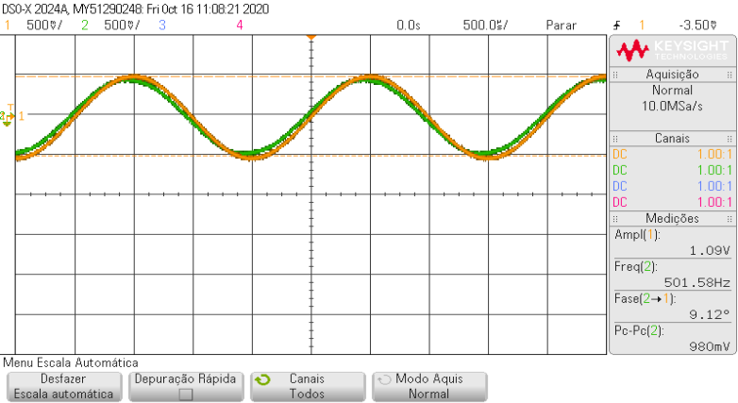
-0.00249 | -0.48633792704 | -0.478737424
-0.002485 | -0.50643843008 | -0.43853641792
-0.00248 | -0.52653893312 | -0.45863692096
-0.002475 | -0.52653893312 | -0.43853641792
-0.00247 | -0.52653893312 | -0.43853641792
-0.002465 | -0.52653893312 | -0.43853641792
-0.00246 | -0.50643843008 | -0.45863692096
-0.002455 | -0.50643843008 | -0.43853641792
-0.00245 | -0.50643843008 | -0.43853641792
-0.002445 | -0.50643843008 | -0.43853641792
DSO-X 2024A 10:48, 10/16/2020
 | CHAN1 | CHAN2
-0.0025 | -0.50643843008 | -0.45863692096
-0.002495 | -0.52653893312 | -0.45863692096
-0.00249 | -0.48633792704 | -0.478737424
-0.002485 | -0.50643843008 | -0.43853641792
-0.00248 | -0.52653893312 | -0.45863692096
-0.002475 | -0.52653893312 | -0.43853641792
-0.00247 | -0.52653893312 | -0.43853641792
-0.002465 | -0.52653893312 | -0.43853641792
-0.00246 | -0.50643843008 | -0.45863692096
-0.002455 | -0.50643843008 | -0.43853641792
-0.00245 | -0.50643843008 | -0.43853641792
-0.002445 | -0.50643843008 | -0.43853641792
-0.00244 | -0.52653893312 | -0.43853641792
-0.002435 | -0.48633792704 | -0.43853641792
-0.00243 | -0.48633792704 | -0.41843591488
-0.002425 | -0.50643843008 | -0.43853641792
-0.00242 | -0.48633792704 | -0.41843591488
-0.002415 | -0.48633792704 | -0.41843591488
-0.00241 | -0.48633792704 | -0.41843591488
-0.002405 | -0.50643843008 | -0.41843591488
-0.0024 | -0.48633792704 | -0.41843591488
-0.002395 | -0.48633792704 | -0.39833541184
-0.00239 | -0.48633792704 | -0.41843591488
-0.002385 | -0.466237424 | -0.41843591488
-0.00238 | -0.48633792704 | -0.39833541184
-0.002375 | -0.466237424 | -0.41843591488
-0.00237 | -0.466237424 | -0.39833541184
-0.002365 | -0.44613692096 | -0.39833541184
-0.00236 | -0.48633792704 | -0.39833541184
-0.002355 | -0.44613692096 | -0.39833541184
-0.00235 | -0.44613692096 | -0.39833541184
-0.002345 | -0.466237424 | -0.3782349088
-0.00234 | -0.44613692096 | -0.3782349088
-0.002335 | -0.42603641792 | -0.3782349088
-0.00233 | -0.44613692096 | -0.35813440576
-0.002325 | -0.44613692096 | -0.35813440576
-0.00232 | -0.42603641792 | -0.35813440576
-0.002315 | -0.40593591488 | -0.3782349088
-0.00231 | -0.42603641792 | -0.35813440576
-0.002305 | -0.42603641792 | -0.35813440576
-0.0023 | -0.40593591488 | -0.33803390272
-0.002295 | -0.38583541184 | -0.35813440576
-0.00229 | -0.40593591488 | -0.33803390272
-0.002285 | -0.40593591488 | -0.33803390272
-0.00228 | -0.40593591488 | -0.31793339968
-0.002275 | -0.38583541184 | -0.29783289664
-0.00227 | -0.3657349088 | -0.29783289664
-0.002265 | -0.3657349088 | -0.31793339968
-0.00226 | -0.38583541184 | -0.29783289664
-0.002255 | -0.3657349088 | -0.29783289664
...
-0.00244 | -0.52653893312 | -0.43853641792
-0.002435 | -0.48633792704 | -0.43853641792
-0.00243 | -0.48633792704 | -0.41843591488
-0.002425 | -0.50643843008 | -0.43853641792
-0.00242 | -0.48633792704 | -0.41843591488
-0.002415 | -0.48633792704 | -0.41843591488
-0.00241 | -0.48633792704 | -0.41843591488
-0.002405 | -0.50643843008 | -0.41843591488
-0.0024 | -0.48633792704 | -0.41843591488
-0.002395 | -0.48633792704 | -0.39833541184
-0.00239 | -0.48633792704 | -0.41843591488
-0.002385 | -0.466237424 | -0.41843591488
-0.00238 | -0.48633792704 | -0.39833541184
-0.002375 | -0.466237424 | -0.41843591488
-0.00237 | -0.466237424 | -0.39833541184
-0.002365 | -0.44613692096 | -0.39833541184
-0.00236 | -0.48633792704 | -0.39833541184
-0.002355 | -0.44613692096 | -0.39833541184
-0.00235 | -0.44613692096 | -0.39833541184
-0.002345 | -0.466237424 | -0.3782349088
-0.00234 | -0.44613692096 | -0.3782349088
-0.002335 | -0.42603641792 | -0.3782349088
-0.00233 | -0.44613692096 | -0.35813440576
-0.002325 | -0.44613692096 | -0.35813440576
-0.00232 | -0.42603641792 | -0.35813440576
-0.002315 | -0.40593591488 | -0.3782349088
-0.00231 | -0.42603641792 | -0.35813440576
-0.002305 | -0.42603641792 | -0.35813440576
-0.0023 | -0.40593591488 | -0.33803390272
-0.002295 | -0.38583541184 | -0.35813440576
-0.00229 | -0.40593591488 | -0.33803390272
-0.002285 | -0.40593591488 | -0.33803390272
-0.00228 | -0.40593591488 | -0.31793339968
-0.002275 | -0.38583541184 | -0.29783289664
-0.00227 | -0.3657349088 | -0.29783289664
-0.002265 | -0.3657349088 | -0.31793339968
-0.00226 | -0.38583541184 | -0.29783289664
-0.002255 | -0.3657349088 | -0.29783289664
-0.00225 | -0.3657349088 | -0.29783289664
-0.002245 | -0.34563440576 | -0.29783289664
-0.00224 | -0.34563440576 | -0.2777323936
-0.002235 | -0.34563440576 | -0.2777323936
-0.00223 | -0.34563440576 | -0.2777323936
-0.002225 | -0.32553390272 | -0.25763189056
-0.00222 | -0.34563440576 | -0.25763189056
-0.002215 | -0.28533289664 | -0.25763189056
-0.00221 | -0.28533289664 | -0.21743088448
-0.002205 | -0.28533289664 | -0.23753138752
-0.0022 | -0.30543339968 | -0.21743088448
-0.002195 | -0.30543339968 | -0.21743088448
-0.00219 | -0.28533289664 | -0.21743088448
-0.002185 | -0.28533289664 | -0.21743088448
-0.00218 | -0.28533289664 | -0.21743088448
-0.002175 | -0.2652323936 | -0.1772298784
-0.00217 | -0.24513189056 | -0.19733038144
-0.002165 | -0.24513189056 | -0.1772298784
-0.00216 | -0.24513189056 | -0.15712937536
-0.002155 | -0.24513189056 | -0.15712937536
-0.00215 | -0.22503138752 | -0.15712937536
-0.002145 | -0.22503138752 | -0.15712937536
-0.00214 | -0.22503138752 | -0.13702887232
-0.002135 | -0.20493088448 | -0.13702887232
-0.00213 | -0.20493088448 | -0.11692836928
-0.002125 | -0.20493088448 | -0.13702887232
-0.00212 | -0.1647298784 | -0.11692836928
-0.002115 | -0.1647298784 | -0.09682786624
-0.00211 | -0.1647298784 | -0.11692836928
-0.002105 | -0.1647298784 | -0.09682786624
-0.0021 | -0.14462937536 | -0.0767273632
-0.002095 | -0.1647298784 | -0.0767273632
-0.00209 | -0.14462937536 | -0.05662686016
-0.002085 | -0.12452887232 | -0.05662686016
-0.00208 | -0.12452887232 | -0.05662686016
-0.002075 | -0.10442836928 | -0.05662686016
-0.00207 | -0.10442836928 | -0.03652635712
-0.002065 | -0.10442836928 | -0.03652635712
-0.00206 | -0.08432786624 | -0.03652635712
-0.002055 | -0.08432786624 | -0.03652635712
-0.00205 | -0.08432786624 | 0.00367464896
-0.002045 | -0.08432786624 | -0.01642585408
-0.00204 | -0.04412686016 | 0.00367464896
-0.002035 | -0.04412686016 | 0.00367464896
-0.00203 | -0.04412686016 | 0.023775152
-0.002025 | -0.02402635712 | 0.04387565504
-0.00202 | -0.04412686016 | 0.04387565504
-0.002015 | -0.02402635712 | 0.04387565504
-0.00201 | -0.02402635712 | 0.04387565504
-0.002005 | -0.00392585408 | 0.04387565504
-0.002 | -0.00392585408 | 0.06397615808
-0.001995 | 0.01617464896 | 0.06397615808
-0.00199 | 0.036275152 | 0.06397615808
-0.001985 | 0.01617464896 | 0.08407666112
-0.00198 | 0.036275152 | 0.08407666112
-0.001975 | 0.036275152 | 0.10417716416
-0.00197 | 0.05637565504 | 0.10417716416
-0.001965 | 0.07647615808 | 0.14437817024
-0.00196 | 0.07647615808 | 0.1242776672
-0.001955 | 0.09657666112 | 0.1242776672
-0.00195 | 0.09657666112 | 0.1242776672
-0.001945 | 0.09657666112 | 0.14437817024
-0.00194 | 0.09657666112 | 0.14437817024
-0.001935 | 0.11667716416 | 0.16447867328
-0.00193 | 0.09657666112 | 0.16447867328
-0.001925 | 0.1367776672 | 0.16447867328
-0.00192 | 0.1367776672 | 0.18457917632
-0.001915 | 0.1367776672 | 0.18457917632
-0.00191 | 0.1367776672 | 0.20467967936
-0.001905 | 0.1367776672 | 0.18457917632
-0.0019 | 0.15687817024 | 0.20467967936
-0.001895 | 0.15687817024 | 0.20467967936
-0.00189 | 0.19707917632 | 0.20467967936
-0.001885 | 0.17697867328 | 0.2247801824
-0.00188 | 0.17697867328 | 0.24488068544
-0.001875 | 0.19707917632 | 0.24488068544
-0.00187 | 0.21717967936 | 0.24488068544
-0.001865 | 0.21717967936 | 0.24488068544
-0.00186 | 0.2372801824 | 0.26498118848
-0.001855 | 0.2372801824 | 0.26498118848
-0.00185 | 0.25738068544 | 0.24488068544
-0.001845 | 0.25738068544 | 0.26498118848
-0.00184 | 0.25738068544 | 0.28508169152
-0.001835 | 0.25738068544 | 0.30518219456
-0.00183 | 0.25738068544 | 0.30518219456
-0.001825 | 0.27748118848 | 0.28508169152
-0.00182 | 0.27748118848 | 0.28508169152
-0.001815 | 0.29758169152 | 0.3252826976
-0.00181 | 0.29758169152 | 0.30518219456
-0.001805 | 0.29758169152 | 0.3252826976
-0.0018 | 0.29758169152 | 0.3252826976
-0.001795 | 0.31768219456 | 0.3252826976
-0.00179 | 0.29758169152 | 0.36548370368
-0.001785 | 0.31768219456 | 0.34538320064
-0.00178 | 0.3377826976 | 0.34538320064
-0.001775 | 0.31768219456 | 0.34538320064
-0.00177 | 0.3377826976 | 0.36548370368
-0.001765 | 0.3377826976 | 0.36548370368
-0.00176 | 0.3377826976 | 0.36548370368
-0.001755 | 0.35788320064 | 0.36548370368
-0.00175 | 0.35788320064 | 0.38558420672
-0.001745 | 0.37798370368 | 0.36548370368
-0.00174 | 0.37798370368 | 0.36548370368
-0.001735 | 0.37798370368 | 0.38558420672
-0.00173 | 0.37798370368 | 0.38558420672
-0.001725 | 0.39808420672 | 0.40568470976
-0.00172 | 0.39808420672 | 0.40568470976
-0.001715 | 0.37798370368 | 0.38558420672
-0.00171 | 0.39808420672 | 0.4257852128
-0.001705 | 0.39808420672 | 0.40568470976
-0.0017 | 0.39808420672 | 0.4257852128
-0.001695 | 0.41818470976 | 0.40568470976
-0.00169 | 0.4382852128 | 0.4257852128
-0.001685 | 0.41818470976 | 0.4257852128
-0.00168 | 0.4382852128 | 0.4257852128
-0.001675 | 0.4382852128 | 0.44588571584
-0.00167 | 0.41818470976 | 0.44588571584
-0.001665 | 0.45838571584 | 0.44588571584
-0.00166 | 0.4382852128 | 0.44588571584
-0.001655 | 0.45838571584 | 0.44588571584
-0.00165 | 0.4382852128 | 0.44588571584
-0.001645 | 0.45838571584 | 0.44588571584
-0.00164 | 0.47848621888 | 0.46598621888
-0.001635 | 0.47848621888 | 0.44588571584
-0.00163 | 0.47848621888 | 0.44588571584
-0.001625 | 0.47848621888 | 0.46598621888
-0.00162 | 0.49858672192 | 0.44588571584
-0.001615 | 0.47848621888 | 0.44588571584
-0.00161 | 0.47848621888 | 0.46598621888
-0.001605 | 0.47848621888 | 0.46598621888
-0.0016 | 0.47848621888 | 0.46598621888
-0.001595 | 0.49858672192 | 0.44588571584
-0.00159 | 0.49858672192 | 0.46598621888
-0.001585 | 0.49858672192 | 0.44588571584
-0.00158 | 0.47848621888 | 0.44588571584
-0.001575 | 0.49858672192 | 0.46598621888
-0.00157 | 0.49858672192 | 0.44588571584
-0.001565 | 0.47848621888 | 0.46598621888
-0.00156 | 0.51868722496 | 0.44588571584
-0.001555 | 0.49858672192 | 0.46598621888
-0.00155 | 0.51868722496 | 0.44588571584
-0.001545 | 0.49858672192 | 0.48608672192
-0.00154 | 0.538787728 | 0.44588571584
-0.001535 | 0.51868722496 | 0.44588571584
-0.00153 | 0.49858672192 | 0.44588571584
-0.001525 | 0.51868722496 | 0.44588571584
-0.00152 | 0.51868722496 | 0.46598621888
-0.001515 | 0.49858672192 | 0.46598621888
-0.00151 | 0.51868722496 | 0.44588571584
-0.001505 | 0.49858672192 | 0.46598621888
-0.0015 | 0.49858672192 | 0.44588571584
-0.001495 | 0.49858672192 | 0.44588571584
-0.00149 | 0.51868722496 | 0.44588571584
-0.001485 | 0.538787728 | 0.4257852128
-0.00148 | 0.51868722496 | 0.44588571584
-0.001475 | 0.49858672192 | 0.44588571584
-0.00147 | 0.51868722496 | 0.44588571584
-0.001465 | 0.49858672192 | 0.4257852128
-0.00146 | 0.49858672192 | 0.4257852128
-0.001455 | 0.51868722496 | 0.44588571584
-0.00145 | 0.51868722496 | 0.44588571584
-0.001445 | 0.51868722496 | 0.44588571584
-0.00144 | 0.49858672192 | 0.40568470976
-0.001435 | 0.51868722496 | 0.44588571584
-0.00143 | 0.49858672192 | 0.4257852128
-0.001425 | 0.51868722496 | 0.4257852128
-0.00142 | 0.49858672192 | 0.40568470976
-0.001415 | 0.49858672192 | 0.4257852128
-0.00141 | 0.49858672192 | 0.4257852128
-0.001405 | 0.49858672192 | 0.40568470976
-0.0014 | 0.49858672192 | 0.40568470976
-0.001395 | 0.49858672192 | 0.38558420672
-0.00139 | 0.47848621888 | 0.40568470976
-0.001385 | 0.47848621888 | 0.40568470976
-0.00138 | 0.47848621888 | 0.40568470976
-0.001375 | 0.47848621888 | 0.40568470976
-0.00137 | 0.47848621888 | 0.38558420672
-0.001365 | 0.45838571584 | 0.38558420672
-0.00136 | 0.45838571584 | 0.38558420672
-0.001355 | 0.47848621888 | 0.36548370368
-0.00135 | 0.45838571584 | 0.36548370368
-0.001345 | 0.45838571584 | 0.36548370368
-0.00134 | 0.45838571584 | 0.36548370368
-0.001335 | 0.4382852128 | 0.36548370368
-0.00133 | 0.45838571584 | 0.34538320064
-0.001325 | 0.4382852128 | 0.36548370368
-0.00132 | 0.4382852128 | 0.36548370368
-0.001315 | 0.45838571584 | 0.34538320064
-0.00131 | 0.4382852128 | 0.34538320064
-0.001305 | 0.41818470976 | 0.34538320064
-0.0013 | 0.41818470976 | 0.3252826976
-0.001295 | 0.41818470976 | 0.34538320064
-0.00129 | 0.39808420672 | 0.3252826976
-0.001285 | 0.41818470976 | 0.3252826976
-0.00128 | 0.41818470976 | 0.30518219456
-0.001275 | 0.39808420672 | 0.30518219456
-0.00127 | 0.39808420672 | 0.30518219456
-0.001265 | 0.37798370368 | 0.28508169152
-0.00126 | 0.35788320064 | 0.28508169152
-0.001255 | 0.35788320064 | 0.28508169152
-0.00125 | 0.35788320064 | 0.26498118848
-0.001245 | 0.35788320064 | 0.26498118848
-0.00124 | 0.3377826976 | 0.26498118848
-0.001235 | 0.31768219456 | 0.26498118848
-0.00123 | 0.35788320064 | 0.24488068544
-0.001225 | 0.35788320064 | 0.24488068544
-0.00122 | 0.3377826976 | 0.2247801824
-0.001215 | 0.31768219456 | 0.2247801824
-0.00121 | 0.29758169152 | 0.2247801824
-0.001205 | 0.29758169152 | 0.2247801824
-0.0012 | 0.29758169152 | 0.2247801824
-0.001195 | 0.29758169152 | 0.20467967936
-0.00119 | 0.29758169152 | 0.18457917632
-0.001185 | 0.27748118848 | 0.20467967936
-0.00118 | 0.25738068544 | 0.18457917632
-0.001175 | 0.27748118848 | 0.18457917632
-0.00117 | 0.25738068544 | 0.16447867328
-0.001165 | 0.25738068544 | 0.16447867328
-0.00116 | 0.2372801824 | 0.16447867328
-0.001155 | 0.25738068544 | 0.16447867328
-0.00115 | 0.2372801824 | 0.1242776672
-0.001145 | 0.2372801824 | 0.1242776672
-0.00114 | 0.2372801824 | 0.1242776672
-0.001135 | 0.21717967936 | 0.10417716416
-0.00113 | 0.19707917632 | 0.10417716416
-0.001125 | 0.19707917632 | 0.10417716416
-0.00112 | 0.19707917632 | 0.08407666112
-0.001115 | 0.17697867328 | 0.08407666112
-0.00111 | 0.17697867328 | 0.08407666112
-0.001105 | 0.17697867328 | 0.08407666112
-0.0011 | 0.17697867328 | 0.08407666112
-0.001095 | 0.15687817024 | 0.06397615808
-0.00109 | 0.1367776672 | 0.06397615808
-0.001085 | 0.1367776672 | 0.04387565504
-0.00108 | 0.1367776672 | 0.023775152
-0.001075 | 0.1367776672 | 0.04387565504
-0.00107 | 0.09657666112 | 0.023775152
-0.001065 | 0.11667716416 | 0.00367464896
-0.00106 | 0.09657666112 | 0.023775152
-0.001055 | 0.07647615808 | 0.00367464896
-0.00105 | 0.09657666112 | -0.01642585408
-0.001045 | 0.07647615808 | 0.00367464896
-0.00104 | 0.05637565504 | -0.01642585408
-0.001035 | 0.036275152 | -0.03652635712
-0.00103 | 0.036275152 | -0.03652635712
-0.001025 | 0.036275152 | -0.05662686016
-0.00102 | 0.01617464896 | -0.03652635712
-0.001015 | 0.01617464896 | -0.05662686016
-0.00101 | -0.00392585408 | -0.0767273632
-0.001005 | 0.01617464896 | -0.0767273632
-0.001 | -0.00392585408 | -0.0767273632
-0.000995 | -0.00392585408 | -0.0767273632
-0.00099 | -0.02402635712 | -0.0767273632
-0.000985 | -0.00392585408 | -0.11692836928
-0.00098 | -0.02402635712 | -0.11692836928
-0.000975 | -0.04412686016 | -0.09682786624
-0.00097 | -0.0642273632 | -0.11692836928
-0.000965 | -0.0642273632 | -0.11692836928
-0.00096 | -0.08432786624 | -0.15712937536
-0.000955 | -0.0642273632 | -0.13702887232
-0.00095 | -0.08432786624 | -0.15712937536
-0.000945 | -0.10442836928 | -0.15712937536
-0.00094 | -0.10442836928 | -0.1772298784
-0.000935 | -0.12452887232 | -0.1772298784
-0.00093 | -0.10442836928 | -0.1772298784
-0.000925 | -0.12452887232 | -0.19733038144
-0.00092 | -0.14462937536 | -0.19733038144
-0.000915 | -0.14462937536 | -0.19733038144
-0.00091 | -0.14462937536 | -0.21743088448
-0.000905 | -0.14462937536 | -0.19733038144
-0.0009 | -0.14462937536 | -0.21743088448
-0.000895 | -0.18483038144 | -0.23753138752
-0.00089 | -0.18483038144 | -0.21743088448
-0.000885 | -0.18483038144 | -0.25763189056
-0.00088 | -0.1647298784 | -0.23753138752
-0.000875 | -0.20493088448 | -0.23753138752
-0.00087 | -0.18483038144 | -0.25763189056
-0.000865 | -0.22503138752 | -0.25763189056
-0.00086 | -0.22503138752 | -0.25763189056
-0.000855 | -0.20493088448 | -0.25763189056
-0.00085 | -0.22503138752 | -0.2777323936
-0.000845 | -0.2652323936 | -0.29783289664
-0.00084 | -0.24513189056 | -0.2777323936
-0.000835 | -0.24513189056 | -0.33803390272
-0.00083 | -0.2652323936 | -0.29783289664
-0.000825 | -0.2652323936 | -0.29783289664
-0.00082 | -0.28533289664 | -0.33803390272
-0.000815 | -0.28533289664 | -0.33803390272
-0.00081 | -0.28533289664 | -0.33803390272
-0.000805 | -0.30543339968 | -0.33803390272
-0.0008 | -0.30543339968 | -0.33803390272
-0.000795 | -0.32553390272 | -0.33803390272
-0.00079 | -0.32553390272 | -0.35813440576
-0.000785 | -0.32553390272 | -0.35813440576
-0.00078 | -0.32553390272 | -0.3782349088
-0.000775 | -0.32553390272 | -0.3782349088
-0.00077 | -0.32553390272 | -0.3782349088
-0.000765 | -0.34563440576 | -0.35813440576
-0.00076 | -0.3657349088 | -0.3782349088
-0.000755 | -0.3657349088 | -0.3782349088
-0.00075 | -0.3657349088 | -0.39833541184
-0.000745 | -0.3657349088 | -0.39833541184
-0.00074 | -0.3657349088 | -0.39833541184
-0.000735 | -0.38583541184 | -0.39833541184
-0.00073 | -0.38583541184 | -0.39833541184
-0.000725 | -0.40593591488 | -0.41843591488
-0.00072 | -0.40593591488 | -0.41843591488
-0.000715 | -0.40593591488 | -0.41843591488
-0.00071 | -0.40593591488 | -0.41843591488
-0.000705 | -0.40593591488 | -0.43853641792
-0.0007 | -0.42603641792 | -0.43853641792
-0.000695 | -0.42603641792 | -0.43853641792
-0.00069 | -0.40593591488 | -0.41843591488
-0.000685 | -0.42603641792 | -0.41843591488
-0.00068 | -0.42603641792 | -0.45863692096
-0.000675 | -0.44613692096 | -0.43853641792
-0.00067 | -0.44613692096 | -0.43853641792
-0.000665 | -0.466237424 | -0.43853641792
-0.00066 | -0.44613692096 | -0.43853641792
-0.000655 | -0.466237424 | -0.45863692096
-0.00065 | -0.466237424 | -0.45863692096
-0.000645 | -0.466237424 | -0.43853641792
-0.00064 | -0.466237424 | -0.45863692096
-0.000635 | -0.48633792704 | -0.43853641792
-0.00063 | -0.466237424 | -0.43853641792
-0.000625 | -0.48633792704 | -0.45863692096
-0.00062 | -0.48633792704 | -0.45863692096
-0.000615 | -0.48633792704 | -0.43853641792
-0.00061 | -0.48633792704 | -0.45863692096
-0.000605 | -0.48633792704 | -0.45863692096
-0.0006 | -0.48633792704 | -0.478737424
-0.000595 | -0.50643843008 | -0.45863692096
-0.00059 | -0.50643843008 | -0.45863692096
-0.000585 | -0.50643843008 | -0.45863692096
-0.00058 | -0.50643843008 | -0.45863692096
-0.000575 | -0.50643843008 | -0.45863692096
-0.00057 | -0.50643843008 | -0.478737424
-0.000565 | -0.50643843008 | -0.45863692096
-0.00056 | -0.50643843008 | -0.45863692096
-0.000555 | -0.48633792704 | -0.45863692096
-0.00055 | -0.50643843008 | -0.45863692096
-0.000545 | -0.50643843008 | -0.45863692096
-0.00054 | -0.50643843008 | -0.478737424
-0.000535 | -0.50643843008 | -0.45863692096
-0.00053 | -0.50643843008 | -0.45863692096
-0.000525 | -0.52653893312 | -0.45863692096
-0.00052 | -0.52653893312 | -0.45863692096
-0.000515 | -0.50643843008 | -0.478737424
-0.00051 | -0.52653893312 | -0.45863692096
-0.000505 | -0.50643843008 | -0.478737424
-0.0005 | -0.50643843008 | -0.45863692096
-0.000495 | -0.50643843008 | -0.43853641792
-0.00049 | -0.50643843008 | -0.45863692096
-0.000485 | -0.50643843008 | -0.45863692096
-0.00048 | -0.48633792704 | -0.41843591488
-0.000475 | -0.50643843008 | -0.43853641792
-0.00047 | -0.50643843008 | -0.43853641792
-0.000465 | -0.50643843008 | -0.43853641792
-0.00046 | -0.48633792704 | -0.43853641792
-0.000455 | -0.48633792704 | -0.43853641792
-0.00045 | -0.50643843008 | -0.45863692096
-0.000445 | -0.50643843008 | -0.43853641792
-0.00044 | -0.50643843008 | -0.43853641792
-0.000435 | -0.50643843008 | -0.41843591488
-0.00043 | -0.48633792704 | -0.43853641792
-0.000425 | -0.50643843008 | -0.41843591488
-0.00042 | -0.50643843008 | -0.43853641792
-0.000415 | -0.50643843008 | -0.41843591488
-0.00041 | -0.50643843008 | -0.39833541184
-0.000405 | -0.50643843008 | -0.41843591488
-0.0004 | -0.48633792704 | -0.41843591488
-0.000395 | -0.50643843008 | -0.41843591488
-0.00039 | -0.48633792704 | -0.41843591488
-0.000385 | -0.466237424 | -0.41843591488
-0.00038 | -0.466237424 | -0.39833541184
-0.000375 | -0.44613692096 | -0.39833541184
-0.00037 | -0.466237424 | -0.39833541184
-0.000365 | -0.48633792704 | -0.39833541184
-0.00036 | -0.466237424 | -0.3782349088
-0.000355 | -0.44613692096 | -0.3782349088
-0.00035 | -0.466237424 | -0.39833541184
-0.000345 | -0.44613692096 | -0.3782349088
-0.00034 | -0.42603641792 | -0.3782349088
-0.000335 | -0.42603641792 | -0.3782349088
-0.00033 | -0.40593591488 | -0.35813440576
-0.000325 | -0.42603641792 | -0.35813440576
-0.00032 | -0.42603641792 | -0.35813440576
-0.000315 | -0.42603641792 | -0.3782349088
-0.00031 | -0.42603641792 | -0.33803390272
-0.000305 | -0.42603641792 | -0.35813440576
-0.0003 | -0.40593591488 | -0.33803390272
-0.000295 | -0.40593591488 | -0.35813440576
-0.00029 | -0.42603641792 | -0.31793339968
-0.000285 | -0.40593591488 | -0.31793339968
-0.00028 | -0.40593591488 | -0.29783289664
-0.000275 | -0.38583541184 | -0.31793339968
-0.00027 | -0.38583541184 | -0.31793339968
-0.000265 | -0.3657349088 | -0.29783289664
-0.00026 | -0.38583541184 | -0.2777323936
-0.000255 | -0.3657349088 | -0.2777323936
-0.00025 | -0.3657349088 | -0.29783289664
-0.000245 | -0.3657349088 | -0.25763189056
-0.00024 | -0.34563440576 | -0.2777323936
-0.000235 | -0.32553390272 | -0.25763189056
-0.00023 | -0.3657349088 | -0.25763189056
-0.000225 | -0.32553390272 | -0.25763189056
-0.00022 | -0.30543339968 | -0.25763189056
-0.000215 | -0.30543339968 | -0.25763189056
-0.00021 | -0.30543339968 | -0.25763189056
-0.000205 | -0.32553390272 | -0.23753138752
-0.0002 | -0.30543339968 | -0.23753138752
-0.000195 | -0.28533289664 | -0.21743088448
-0.00019 | -0.30543339968 | -0.21743088448
-0.000185 | -0.2652323936 | -0.19733038144
-0.00018 | -0.28533289664 | -0.19733038144
-0.000175 | -0.28533289664 | -0.19733038144
-0.00017 | -0.2652323936 | -0.1772298784
-0.000165 | -0.24513189056 | -0.15712937536
-0.00016 | -0.22503138752 | -0.1772298784
-0.000155 | -0.24513189056 | -0.15712937536
-0.00015 | -0.22503138752 | -0.13702887232
-0.000145 | -0.22503138752 | -0.15712937536
-0.00014 | -0.22503138752 | -0.13702887232
-0.000135 | -0.22503138752 | -0.13702887232
-0.00013 | -0.20493088448 | -0.11692836928
...

Sheet3
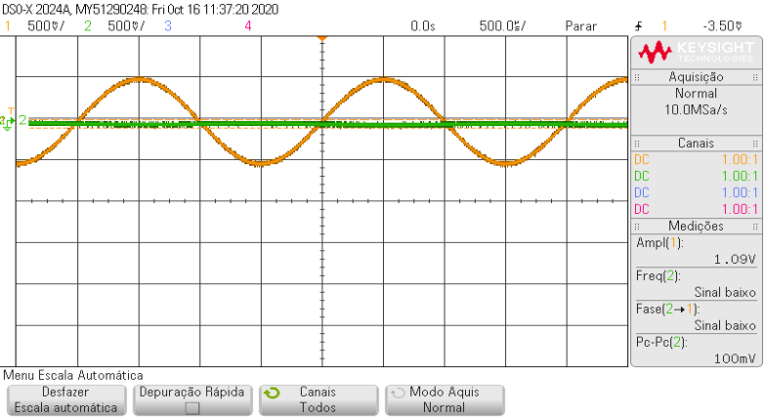
 |  |  |  |  | 500
v3 |  |  |  | v2 |  |  |  |  | v1
 | Time (Secs) | CHAN1 | CHAN2
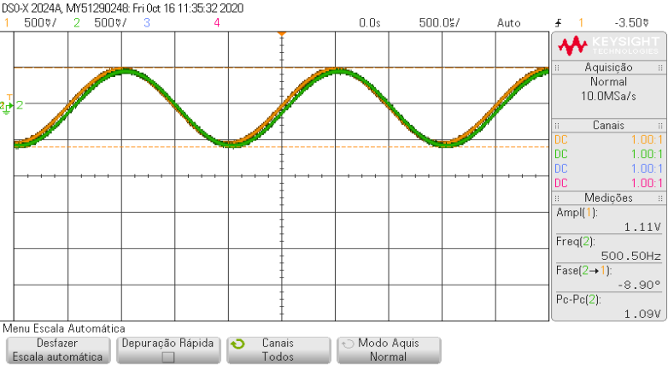
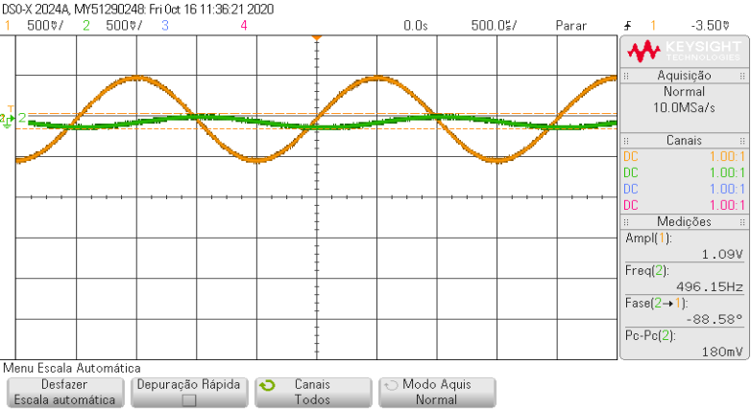
 | -0.0025 | -0.50643843008 | -0.52653893312 |  |  | Time (Secs) | CHAN1 | CHAN2
 | -0.002495 | -0.52653893312 | -0.52653893312 |  |  | -0.0025 | -0.52653893312 | -0.00392585408
 | -0.00249 | -0.52653893312 | -0.54663943616 |  |  | -0.002495 | -0.52653893312 | -0.02402635712
 | -0.002485 | -0.50643843008 | -0.54663943616 |  |  | -0.00249 | -0.50643843008 | -0.00392585408
 | -0.00248 | -0.52653893312 | -0.54663943616 |  |  | -0.002485 | -0.50643843008 | -0.02402635712
 | -0.002475 | -0.50643843008 | -0.54663943616 |  |  | -0.00248 | -0.52653893312 | -0.02402635712
 | -0.00247 | -0.52653893312 | -0.52653893312 |  |  | -0.002475 | -0.52653893312 | -0.02402635712
 | -0.002465 | -0.50643843008 | -0.54663943616 |  |  | -0.00247 | -0.50643843008 | -0.02402635712
 | -0.00246 | -0.52653893312 | -0.52653893312 |  |  | -0.002465 | -0.50643843008 | -0.02402635712
 | -0.002455 | -0.50643843008 | -0.54663943616 |  |  | -0.00246 | -0.48633792704 | -0.02402635712
DSO-X 2024A 11:15, 10/16/2020
 | CHAN1 | CHAN2
-0.0025 | -0.50643843008 | -0.52653893312
-0.002495 | -0.52653893312 | -0.52653893312
-0.00249 | -0.52653893312 | -0.54663943616
-0.002485 | -0.50643843008 | -0.54663943616
-0.00248 | -0.52653893312 | -0.54663943616
-0.002475 | -0.50643843008 | -0.54663943616
-0.00247 | -0.52653893312 | -0.52653893312
-0.002465 | -0.50643843008 | -0.54663943616
-0.00246 | -0.52653893312 | -0.52653893312
-0.002455 | -0.50643843008 | -0.54663943616
-0.00245 | -0.50643843008 | -0.5667399392
-0.002445 | -0.50643843008 | -0.54663943616
-0.00244 | -0.50643843008 | -0.5667399392
-0.002435 | -0.50643843008 | -0.54663943616
-0.00243 | -0.52653893312 | -0.54663943616
-0.002425 | -0.50643843008 | -0.52653893312
-0.00242 | -0.50643843008 | -0.54663943616
-0.002415 | -0.50643843008 | -0.54663943616
-0.00241 | -0.48633792704 | -0.54663943616
-0.002405 | -0.48633792704 | -0.54663943616
-0.0024 | -0.48633792704 | -0.54663943616
-0.002395 | -0.50643843008 | -0.54663943616
-0.00239 | -0.48633792704 | -0.54663943616
-0.002385 | -0.48633792704 | -0.54663943616
-0.00238 | -0.48633792704 | -0.54663943616
-0.002375 | -0.44613692096 | -0.54663943616
-0.00237 | -0.48633792704 | -0.52653893312
-0.002365 | -0.466237424 | -0.52653893312
-0.00236 | -0.44613692096 | -0.52653893312
-0.002355 | -0.466237424 | -0.52653893312
-0.00235 | -0.466237424 | -0.52653893312
-0.002345 | -0.466237424 | -0.50643843008
-0.00234 | -0.44613692096 | -0.52653893312
-0.002335 | -0.44613692096 | -0.50643843008
-0.00233 | -0.44613692096 | -0.48633792704
-0.002325 | -0.42603641792 | -0.50643843008
-0.00232 | -0.44613692096 | -0.50643843008
-0.002315 | -0.42603641792 | -0.48633792704
-0.00231 | -0.42603641792 | -0.50643843008
-0.002305 | -0.40593591488 | -0.48633792704
-0.0023 | -0.40593591488 | -0.48633792704
-0.002295 | -0.40593591488 | -0.48633792704
-0.00229 | -0.40593591488 | -0.466237424
-0.002285 | -0.40593591488 | -0.466237424
-0.00228 | -0.40593591488 | -0.466237424
-0.002275 | -0.38583541184 | -0.466237424
-0.00227 | -0.38583541184 | -0.44613692096
-0.002265 | -0.38583541184 | -0.466237424
-0.00226 | -0.38583541184 | -0.44613692096
-0.002255 | -0.3657349088 | -0.44613692096
...
DSO-X 2024A 11:16, 10/16/2020
 | CHAN1 | CHAN2
-0.0025 | -0.52653893312 | -0.00392585408
-0.002495 | -0.52653893312 | -0.02402635712
-0.00249 | -0.50643843008 | -0.00392585408
-0.002485 | -0.50643843008 | -0.02402635712
-0.00248 | -0.52653893312 | -0.02402635712
-0.002475 | -0.52653893312 | -0.02402635712
-0.00247 | -0.50643843008 | -0.02402635712
-0.002465 | -0.50643843008 | -0.02402635712
-0.00246 | -0.48633792704 | -0.02402635712
-0.002455 | -0.50643843008 | -0.04412686016
-0.00245 | -0.48633792704 | -0.04412686016
-0.002445 | -0.50643843008 | -0.02402635712
-0.00244 | -0.50643843008 | -0.04412686016
-0.002435 | -0.48633792704 | -0.04412686016
-0.00243 | -0.50643843008 | -0.02402635712
-0.002425 | -0.50643843008 | -0.02402635712
-0.00242 | -0.50643843008 | -0.04412686016
-0.002415 | -0.50643843008 | -0.04412686016
-0.00241 | -0.50643843008 | -0.02402635712
-0.002405 | -0.50643843008 | -0.04412686016
-0.0024 | -0.50643843008 | -0.04412686016
-0.002395 | -0.48633792704 | -0.04412686016
-0.00239 | -0.48633792704 | -0.04412686016
-0.002385 | -0.466237424 | -0.0642273632
-0.00238 | -0.48633792704 | -0.04412686016
-0.002375 | -0.466237424 | -0.04412686016
-0.00237 | -0.48633792704 | -0.04412686016
-0.002365 | -0.466237424 | -0.04412686016
-0.00236 | -0.466237424 | -0.04412686016
-0.002355 | -0.466237424 | -0.0642273632
-0.00235 | -0.44613692096 | -0.04412686016
-0.002345 | -0.44613692096 | -0.0642273632
-0.00234 | -0.466237424 | -0.08432786624
-0.002335 | -0.44613692096 | -0.04412686016
-0.00233 | -0.44613692096 | -0.0642273632
-0.002325 | -0.44613692096 | -0.08432786624
-0.00232 | -0.44613692096 | -0.0642273632
-0.002315 | -0.40593591488 | -0.0642273632
-0.00231 | -0.40593591488 | -0.0642273632
-0.002305 | -0.44613692096 | -0.0642273632
-0.0023 | -0.40593591488 | -0.0642273632
-0.002295 | -0.42603641792 | -0.08432786624
-0.00229 | -0.40593591488 | -0.0642273632
-0.002285 | -0.38583541184 | -0.08432786624
-0.00228 | -0.42603641792 | -0.04412686016
-0.002275 | -0.38583541184 | -0.0642273632
-0.00227 | -0.40593591488 | -0.0642273632
-0.002265 | -0.3657349088 | -0.08432786624
-0.00226 | -0.3657349088 | -0.0642273632
-0.002255 | -0.3657349088 | -0.08432786624
...
DSO-X 2024A 11:17, 10/16/2020
 | CHAN1 | CHAN2
-0.0025 | -0.52653893312 | -0.00392585408
-0.002495 | -0.50643843008 | -0.02402635712
-0.00249 | -0.50643843008 | -0.02402635712
-0.002485 | -0.50643843008 | -0.02402635712
-0.00248 | -0.52653893312 | -0.02402635712
-0.002475 | -0.52653893312 | -0.02402635712
-0.00247 | -0.50643843008 | -0.02402635712
-0.002465 | -0.50643843008 | -0.02402635712
-0.00246 | -0.50643843008 | -0.02402635712
-0.002455 | -0.50643843008 | -0.02402635712
-0.00245 | -0.50643843008 | -0.02402635712
-0.002445 | -0.48633792704 | -0.02402635712
-0.00244 | -0.50643843008 | -0.02402635712
-0.002435 | -0.50643843008 | -0.02402635712
-0.00243 | -0.50643843008 | -0.02402635712
-0.002425 | -0.50643843008 | -0.02402635712
-0.00242 | -0.52653893312 | -0.04412686016
-0.002415 | -0.48633792704 | -0.02402635712
-0.00241 | -0.50643843008 | -0.00392585408
-0.002405 | -0.48633792704 | -0.02402635712
-0.0024 | -0.466237424 | -0.02402635712
-0.002395 | -0.48633792704 | -0.02402635712
-0.00239 | -0.48633792704 | -0.04412686016
-0.002385 | -0.48633792704 | -0.00392585408
-0.00238 | -0.48633792704 | -0.00392585408
-0.002375 | -0.466237424 | -0.04412686016
-0.00237 | -0.48633792704 | -0.02402635712
-0.002365 | -0.466237424 | -0.00392585408
-0.00236 | -0.466237424 | -0.00392585408
-0.002355 | -0.466237424 | -0.00392585408
-0.00235 | -0.466237424 | -0.02402635712
-0.002345 | -0.44613692096 | -0.02402635712
-0.00234 | -0.466237424 | -0.04412686016
-0.002335 | -0.42603641792 | -0.02402635712
-0.00233 | -0.42603641792 | -0.02402635712
-0.002325 | -0.44613692096 | -0.00392585408
-0.00232 | -0.44613692096 | -0.02402635712
-0.002315 | -0.42603641792 | -0.04412686016
-0.00231 | -0.42603641792 | -0.02402635712
-0.002305 | -0.40593591488 | -0.02402635712
-0.0023 | -0.40593591488 | -0.04412686016
-0.002295 | -0.40593591488 | -0.00392585408
-0.00229 | -0.40593591488 | -0.02402635712
-0.002285 | -0.42603641792 | -0.04412686016
-0.00228 | -0.38583541184 | -0.02402635712
-0.002275 | -0.38583541184 | -0.02402635712
-0.00227 | -0.3657349088 | -0.04412686016
-0.002265 | -0.38583541184 | -0.02402635712
-0.00226 | -0.38583541184 | -0.02402635712
-0.002255 | -0.3657349088 | -0.02402635712
...
 | -0.00245 | -0.50643843008 | -0.5667399392 |  |  | -0.002455 | -0.50643843008 | -0.04412686016
 | -0.002445 | -0.50643843008 | -0.54663943616 |  |  | -0.00245 | -0.48633792704 | -0.04412686016
 | -0.00244 | -0.50643843008 | -0.5667399392 |  |  | -0.002445 | -0.50643843008 | -0.02402635712 |  | Time (Secs) | CHAN1 | CHAN2
 | -0.002435 | -0.50643843008 | -0.54663943616 |  |  | -0.00244 | -0.50643843008 | -0.04412686016 |  | -0.0025 | -0.52653893312 | -0.00392585408
 | -0.00243 | -0.52653893312 | -0.54663943616 |  |  | -0.002435 | -0.48633792704 | -0.04412686016 |  | -0.002495 | -0.50643843008 | -0.02402635712
 | -0.002425 | -0.50643843008 | -0.52653893312 |  |  | -0.00243 | -0.50643843008 | -0.02402635712 |  | -0.00249 | -0.50643843008 | -0.02402635712
 | -0.00242 | -0.50643843008 | -0.54663943616 |  |  | -0.002425 | -0.50643843008 | -0.02402635712 |  | -0.002485 | -0.50643843008 | -0.02402635712
 | -0.002415 | -0.50643843008 | -0.54663943616 |  |  | -0.00242 | -0.50643843008 | -0.04412686016 |  | -0.00248 | -0.52653893312 | -0.02402635712
 | -0.00241 | -0.48633792704 | -0.54663943616 |  |  | -0.002415 | -0.50643843008 | -0.04412686016 |  | -0.002475 | -0.52653893312 | -0.02402635712
 | -0.002405 | -0.48633792704 | -0.54663943616 |  |  | -0.00241 | -0.50643843008 | -0.02402635712 |  | -0.00247 | -0.50643843008 | -0.02402635712
 | -0.0024 | -0.48633792704 | -0.54663943616 |  |  | -0.002405 | -0.50643843008 | -0.04412686016 |  | -0.002465 | -0.50643843008 | -0.02402635712
 | -0.002395 | -0.50643843008 | -0.54663943616 |  |  | -0.0024 | -0.50643843008 | -0.04412686016 |  | -0.00246 | -0.50643843008 | -0.02402635712
 | -0.00239 | -0.48633792704 | -0.54663943616 |  |  | -0.002395 | -0.48633792704 | -0.04412686016 |  | -0.002455 | -0.50643843008 | -0.02402635712
 | -0.002385 | -0.48633792704 | -0.54663943616 |  |  | -0.00239 | -0.48633792704 | -0.04412686016 |  | -0.00245 | -0.50643843008 | -0.02402635712
 | -0.00238 | -0.48633792704 | -0.54663943616 |  |  | -0.002385 | -0.466237424 | -0.0642273632 |  | -0.002445 | -0.48633792704 | -0.02402635712
 | -0.002375 | -0.44613692096 | -0.54663943616 |  |  | -0.00238 | -0.48633792704 | -0.04412686016 |  | -0.00244 | -0.50643843008 | -0.02402635712
 | -0.00237 | -0.48633792704 | -0.52653893312 |  |  | -0.002375 | -0.466237424 | -0.04412686016 |  | -0.002435 | -0.50643843008 | -0.02402635712
 | -0.002365 | -0.466237424 | -0.52653893312 |  |  | -0.00237 | -0.48633792704 | -0.04412686016 |  | -0.00243 | -0.50643843008 | -0.02402635712
 | -0.00236 | -0.44613692096 | -0.52653893312 |  |  | -0.002365 | -0.466237424 | -0.04412686016 |  | -0.002425 | -0.50643843008 | -0.02402635712
 | -0.002355 | -0.466237424 | -0.52653893312 |  |  | -0.00236 | -0.466237424 | -0.04412686016 |  | -0.00242 | -0.52653893312 | -0.04412686016
 | -0.00235 | -0.466237424 | -0.52653893312 |  |  | -0.002355 | -0.466237424 | -0.0642273632 |  | -0.002415 | -0.48633792704 | -0.02402635712
 | -0.002345 | -0.466237424 | -0.50643843008 |  |  | -0.00235 | -0.44613692096 | -0.04412686016 |  | -0.00241 | -0.50643843008 | -0.00392585408
 | -0.00234 | -0.44613692096 | -0.52653893312 |  |  | -0.002345 | -0.44613692096 | -0.0642273632 |  | -0.002405 | -0.48633792704 | -0.02402635712
 | -0.002335 | -0.44613692096 | -0.50643843008 |  |  | -0.00234 | -0.466237424 | -0.08432786624 |  | -0.0024 | -0.466237424 | -0.02402635712
 | -0.00233 | -0.44613692096 | -0.48633792704 |  |  | -0.002335 | -0.44613692096 | -0.04412686016 |  | -0.002395 | -0.48633792704 | -0.02402635712
 | -0.002325 | -0.42603641792 | -0.50643843008 |  |  | -0.00233 | -0.44613692096 | -0.0642273632 |  | -0.00239 | -0.48633792704 | -0.04412686016
...

Sheet4
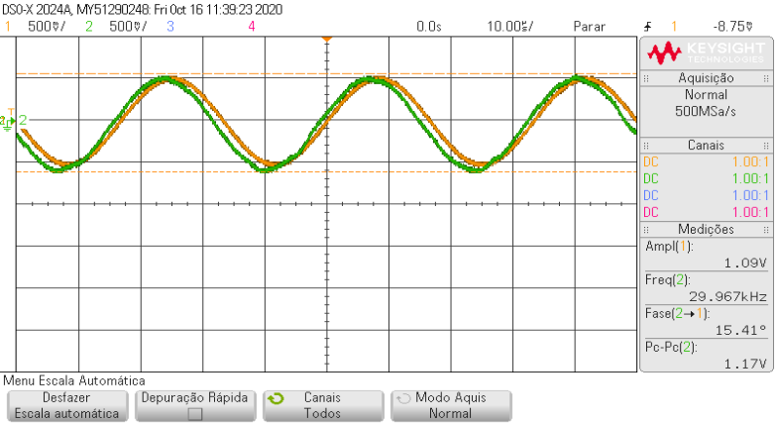
30000
v1
 |  |  | v2 |  |  |  | v3
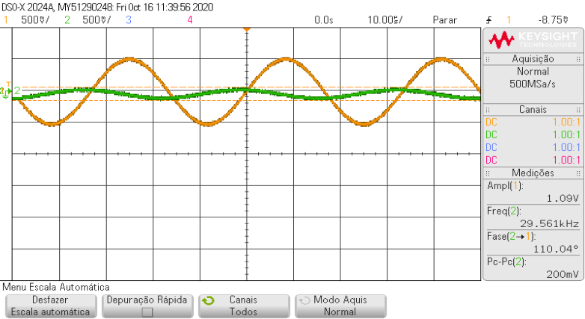
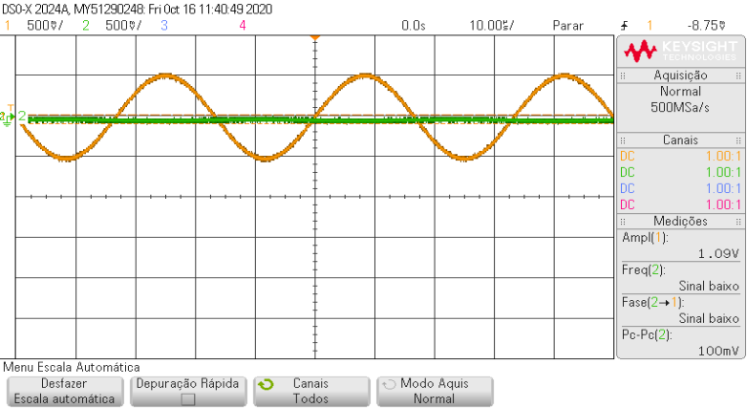

DSO-X 2024A 11:21, 10/16/2020
DSO-X 2024A 11:19, 10/16/2020
DSO-X 2024A 11:20, 10/16/2020
Time (Secs) | CHAN1 | CHAN2
-0.00005 | 0.016275152 | -0.16337937536 |  | Time (Secs) | CHAN1 | CHAN2 |  | Time (Secs) | CHAN1 | CHAN2
-0.0000499 | 0.016275152 | -0.16337937536 |  | -0.00005 | 0.016275152 | -0.10307786624 |  | -0.00005 | -0.00382535104 | -0.02267585408
-0.0000498 | -0.00382535104 | -0.1834798784 |  | -0.0000499 | -0.02392585408 | -0.12317836928 |  | -0.0000499 | -0.00382535104 | -0.04277635712
-0.0000497 | -0.02392585408 | -0.1834798784 |  | -0.0000498 | -0.02392585408 | -0.10307786624 |  | -0.0000498 | -0.02392585408 | -0.02267585408
-0.0000496 | -0.02392585408 | -0.1834798784 |  | -0.0000497 | -0.02392585408 | -0.0829773632 |  | -0.0000497 | -0.04402635712 | -0.02267585408
-0.0000495 | -0.02392585408 | -0.1834798784 |  | -0.0000496 | -0.04402635712 | -0.0829773632 |  | -0.0000496 | -0.02392585408 | -0.04277635712
-0.0000494 | -0.04402635712 | -0.22368088448 |  | -0.0000495 | -0.06412686016 | -0.10307786624 |  | -0.0000495 | -0.04402635712 | -0.02267585408
-0.0000493 | -0.06412686016 | -0.22368088448 |  | -0.0000494 | -0.06412686016 | -0.10307786624 |  | -0.0000494 | -0.06412686016 | -0.02267585408
-0.0000492 | -0.04402635712 | -0.22368088448 |  | -0.0000493 | -0.06412686016 | -0.10307786624 |  | -0.0000493 | -0.06412686016 | -0.02267585408
-0.0000491 | -0.06412686016 | -0.22368088448 |  | -0.0000492 | -0.06412686016 | -0.0829773632 |  | -0.0000492 | -0.06412686016 | -0.02267585408
-0.000049 | -0.0842273632 | -0.24378138752 |  | -0.0000491 | -0.0842273632 | -0.0829773632 |  | -0.0000491 | -0.0842273632 | -0.02267585408
-0.0000489 | -0.10432786624 | -0.24378138752 |  | -0.000049 | -0.0842273632 | -0.10307786624 |  | -0.000049 | -0.10432786624 | -0.02267585408
-0.0000488 | -0.10432786624 | -0.26388189056 |  | -0.0000489 | -0.10432786624 | -0.10307786624 |  | -0.0000489 | -0.10432786624 | -0.02267585408
-0.0000487 | -0.10432786624 | -0.26388189056 |  | -0.0000488 | -0.12442836928 | -0.10307786624 |  | -0.0000488 | -0.12442836928 | -0.04277635712
-0.0000486 | -0.12442836928 | -0.26388189056 |  | -0.0000487 | -0.10432786624 | -0.10307786624 |  | -0.0000487 | -0.12442836928 | -0.02267585408
-0.0000485 | -0.12442836928 | -0.2839823936 |  | -0.0000486 | -0.14452887232 | -0.10307786624 |  | -0.0000486 | -0.12442836928 | -0.02267585408
-0.0000484 | -0.14452887232 | -0.2839823936 |  | -0.0000485 | -0.14452887232 | -0.10307786624 |  | -0.0000485 | -0.14452887232 | -0.02267585408
-0.0000483 | -0.14452887232 | -0.30408289664 |  | -0.0000484 | -0.16462937536 | -0.10307786624 |  | -0.0000484 | -0.14452887232 | -0.04277635712
-0.0000482 | -0.14452887232 | -0.30408289664 |  | -0.0000483 | -0.16462937536 | -0.0829773632 |  | -0.0000483 | -0.16462937536 | -0.04277635712
-0.0000481 | -0.16462937536 | -0.32418339968 |  | -0.0000482 | -0.16462937536 | -0.0829773632 |  | -0.0000482 | -0.1847298784 | -0.02267585408
-0.000048 | -0.16462937536 | -0.32418339968 |  | -0.0000481 | -0.1847298784 | -0.0829773632 |  | -0.0000481 | -0.16462937536 | -0.02267585408
-0.0000479 | -0.1847298784 | -0.34428390272 |  | -0.000048 | -0.20483038144 | -0.10307786624 |  | -0.000048 | -0.1847298784 | -0.02267585408
-0.0000478 | -0.20483038144 | -0.34428390272 |  | -0.0000479 | -0.20483038144 | -0.0829773632 |  | -0.0000479 | -0.1847298784 | -0.02267585408
-0.0000477 | -0.20483038144 | -0.3844849088 |  | -0.0000478 | -0.20483038144 | -0.10307786624 |  | -0.0000478 | -0.20483038144 | -0.04277635712
 |  |  |  |  |  |  |  | -0.0000477 | -0.20483038144 | -0.02267585408
...

Sheet5
3.39
v3 |  |  |  | v2 |  |  | v1
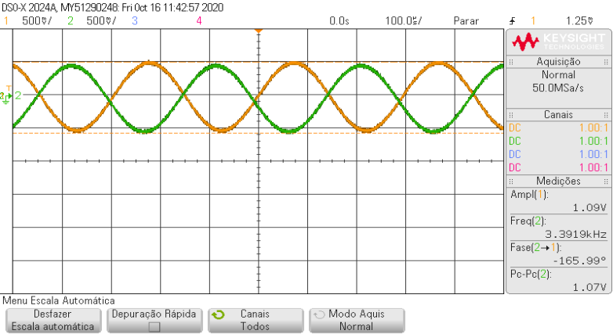
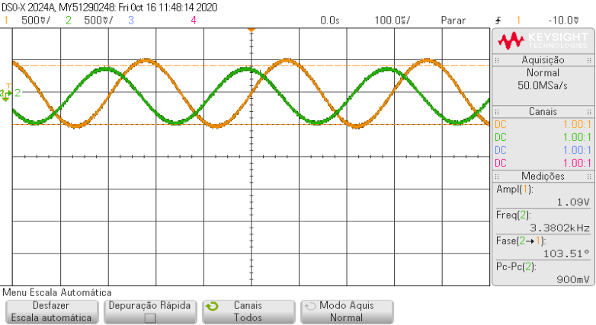
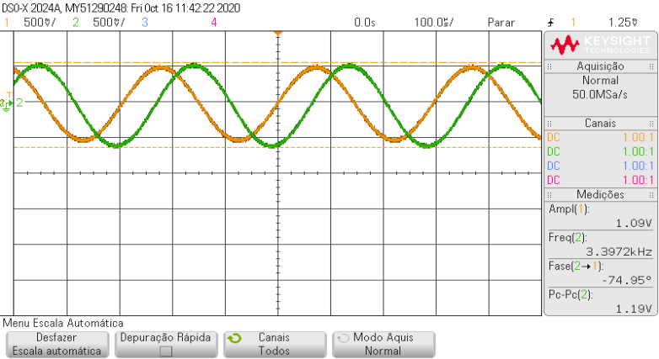

DSO-X 2024A 11:28, 10/16/2020
DSO-X 2024A 11:23, 10/16/2020
DSO-X 2024A 11:22, 10/16/2020
 |  |  |  |  |  |  | Time (Secs) | CHAN1 | CHAN2
 |  |  |  | Time (Secs) | CHAN1 | CHAN2 | -0.0005 | 0.47733672192 | -0.25763189056
 | Time (Secs) | CHAN1 | CHAN2 | -0.0005 | 0.48858672192 | -0.45863692096 | -0.000499 | 0.47733672192 | -0.25763189056
 | -0.0005 | 0.48858672192 | 0.26498118848 | -0.000499 | 0.48858672192 | -0.43853641792 | -0.000498 | 0.47733672192 | -0.2777323936
 | -0.000499 | 0.48858672192 | 0.30518219456 | -0.000498 | 0.46848621888 | -0.43853641792 | -0.000497 | 0.49743722496 | -0.2777323936
 | -0.000498 | 0.46848621888 | 0.30518219456 | -0.000497 | 0.46848621888 | -0.43853641792 | -0.000496 | 0.45723621888 | -0.2777323936
 | -0.000497 | 0.46848621888 | 0.3252826976 | -0.000496 | 0.44838571584 | -0.43853641792 | -0.000495 | 0.47733672192 | -0.2777323936
 | -0.000496 | 0.44838571584 | 0.34538320064 | -0.000495 | 0.44838571584 | -0.43853641792 | -0.000494 | 0.45723621888 | -0.31793339968
 | -0.000495 | 0.44838571584 | 0.3252826976 | -0.000494 | 0.44838571584 | -0.41843591488 | -0.000493 | 0.45723621888 | -0.31793339968
 | -0.000494 | 0.44838571584 | 0.34538320064 | -0.000493 | 0.46848621888 | -0.39833541184 | -0.000492 | 0.43713571584 | -0.31793339968
 | -0.000493 | 0.44838571584 | 0.36548370368 | -0.000492 | 0.44838571584 | -0.3782349088 | -0.000491 | 0.43713571584 | -0.31793339968
 | -0.000492 | 0.4282852128 | 0.36548370368 | -0.000491 | 0.44838571584 | -0.3782349088 | -0.00049 | 0.43713571584 | -0.31793339968
 | -0.000491 | 0.4282852128 | 0.36548370368 | -0.00049 | 0.4282852128 | -0.35813440576 | -0.000489 | 0.4170352128 | -0.33803390272
 | -0.00049 | 0.4282852128 | 0.36548370368 | -0.000489 | 0.4282852128 | -0.35813440576 | -0.000488 | 0.43713571584 | -0.33803390272
 | -0.000489 | 0.4282852128 | 0.38558420672 | -0.000488 | 0.4282852128 | -0.35813440576 | -0.000487 | 0.4170352128 | -0.3782349088
 | -0.000488 | 0.4282852128 | 0.40568470976 | -0.000487 | 0.40818470976 | -0.35813440576 | -0.000486 | 0.4170352128 | -0.35813440576
 | -0.000487 | 0.40818470976 | 0.38558420672 | -0.000486 | 0.40818470976 | -0.35813440576 | -0.000485 | 0.39693470976 | -0.35813440576
 | -0.000486 | 0.38808420672 | 0.40568470976 | -0.000485 | 0.38808420672 | -0.35813440576 | -0.000484 | 0.39693470976 | -0.3782349088
 | -0.000485 | 0.38808420672 | 0.40568470976 | -0.000484 | 0.38808420672 | -0.31793339968 | -0.000483 | 0.39693470976 | -0.35813440576
 | -0.000484 | 0.38808420672 | 0.4257852128 | -0.000483 | 0.38808420672 | -0.33803390272 | -0.000482 | 0.39693470976 | -0.3782349088
 | -0.000483 | 0.36798370368 | 0.44588571584 | -0.000482 | 0.36798370368 | -0.29783289664 | -0.000481 | 0.37683420672 | -0.3782349088
 | -0.000482 | 0.38808420672 | 0.44588571584 | -0.000481 | 0.36798370368 | -0.31793339968 | -0.00048 | 0.37683420672 | -0.3782349088
 | -0.000481 | 0.36798370368 | 0.44588571584 | -0.00048 | 0.36798370368 | -0.29783289664 | -0.000479 | 0.37683420672 | -0.3782349088
 | -0.00048 | 0.36798370368 | 0.46598621888 | -0.000479 | 0.34788320064 | -0.2777323936 | -0.000478 | 0.37683420672 | -0.3782349088
 | -0.000479 | 0.34788320064 | 0.46598621888 | -0.000478 | 0.3277826976 | -0.2777323936
 | -0.000478 | 0.36798370368 | 0.46598621888 | -0.000477 | 0.3277826976 | -0.2777323936
 | -0.000477 | 0.34788320064 | 0.46598621888 | -0.000476 | 0.34788320064 | -0.25763189056
...

Sheet6
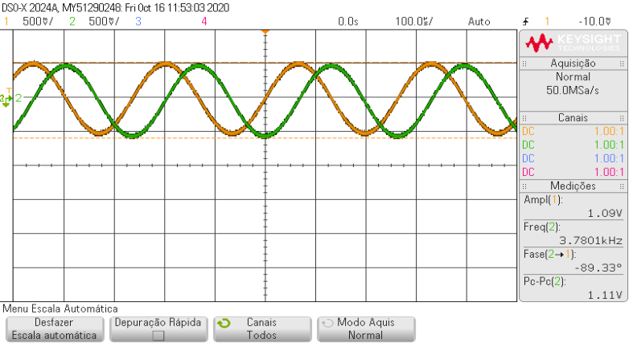
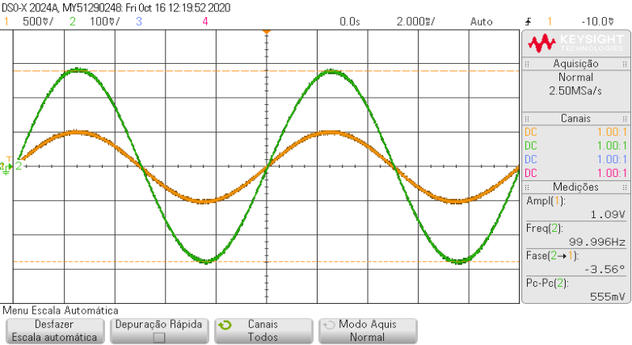
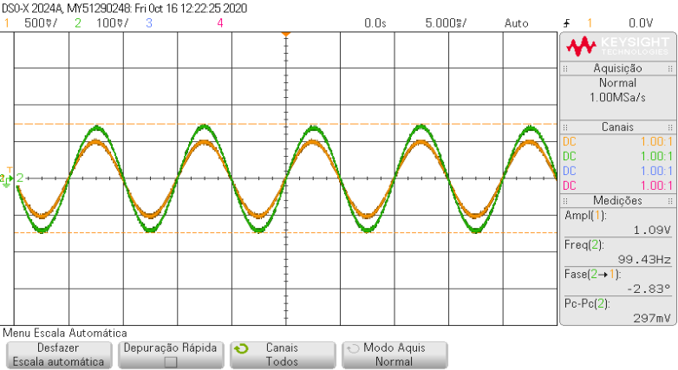
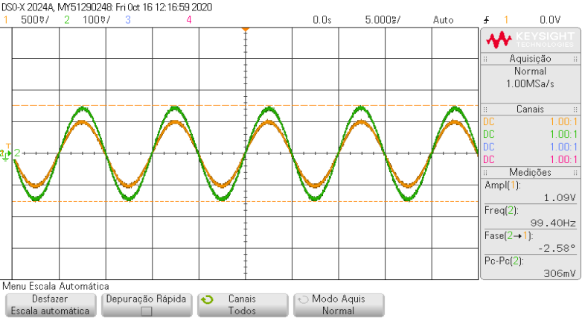
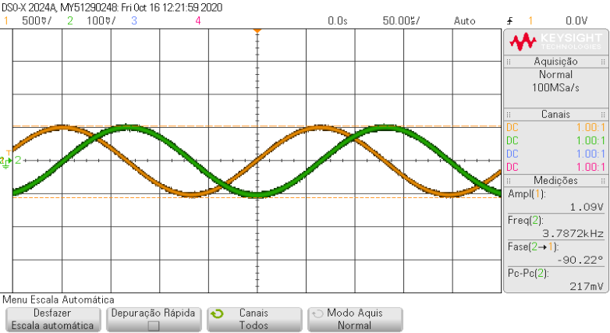
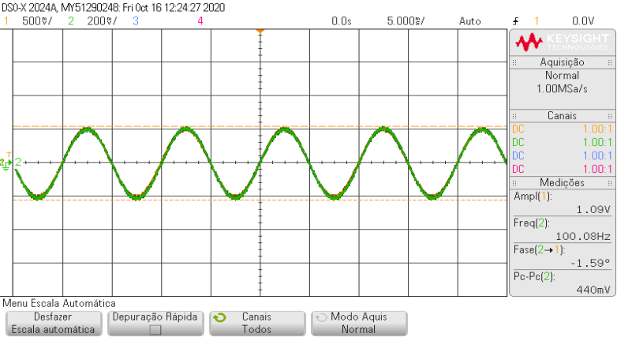
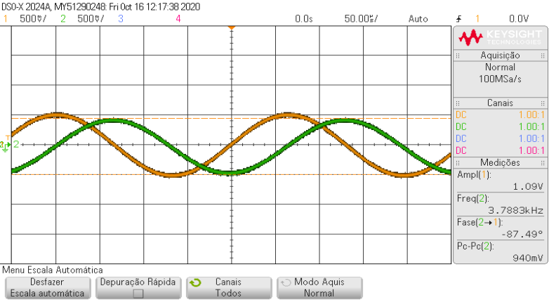
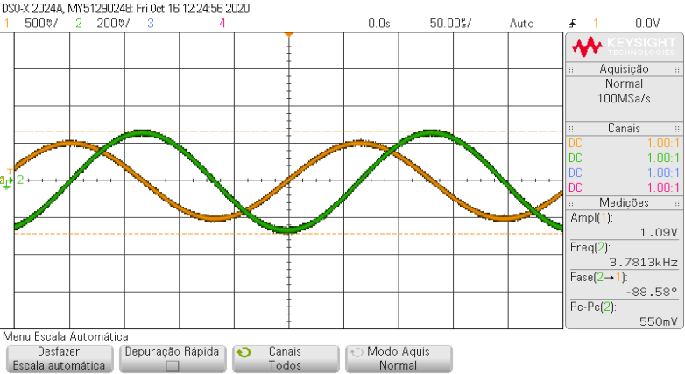
3.79 v1

Sheet7
tt

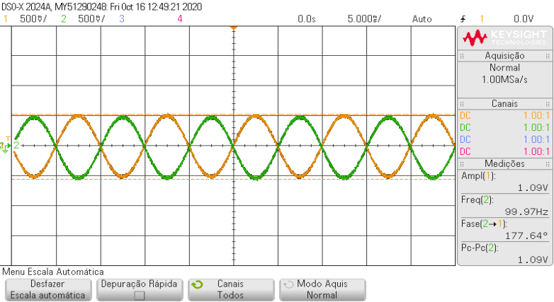

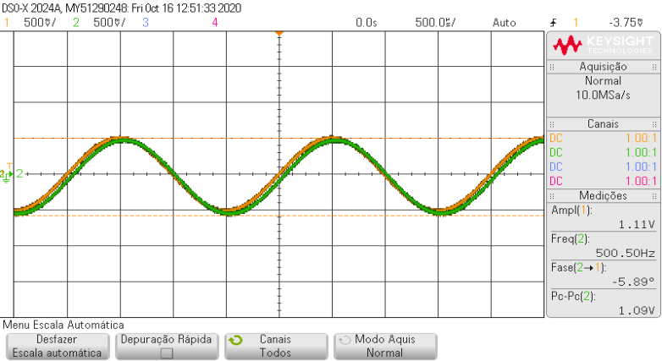
500
v2 | v3
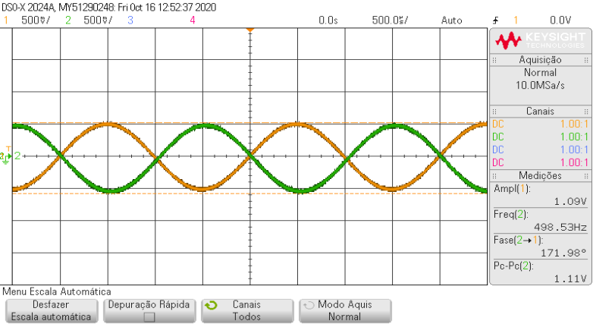

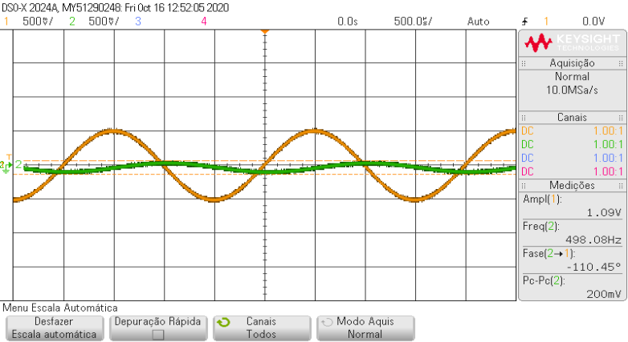
v1

30000
v3 |  | v2
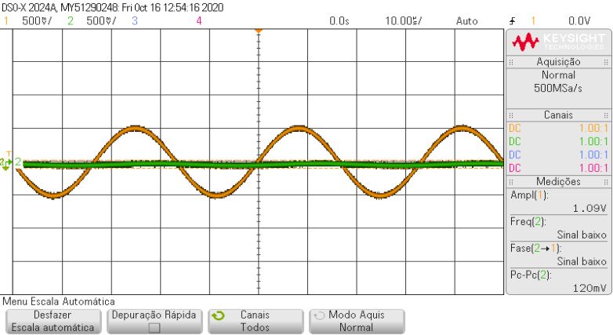
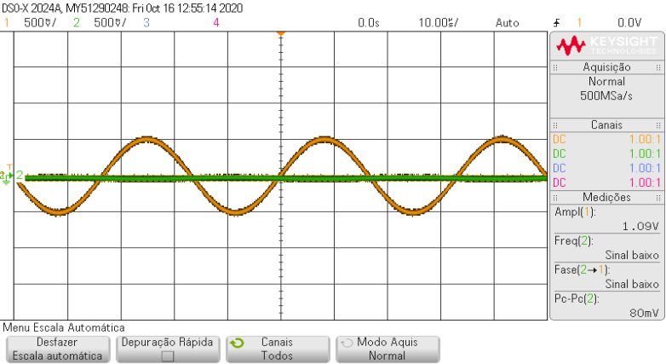

v1
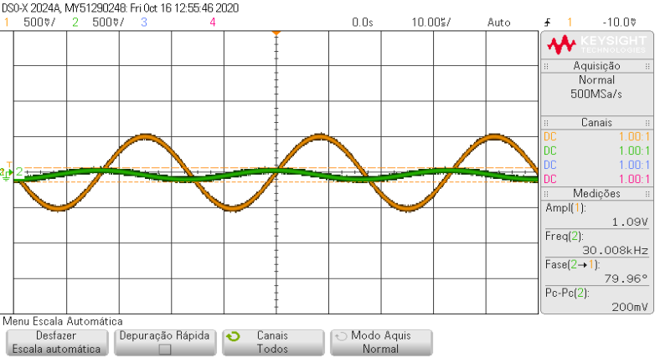

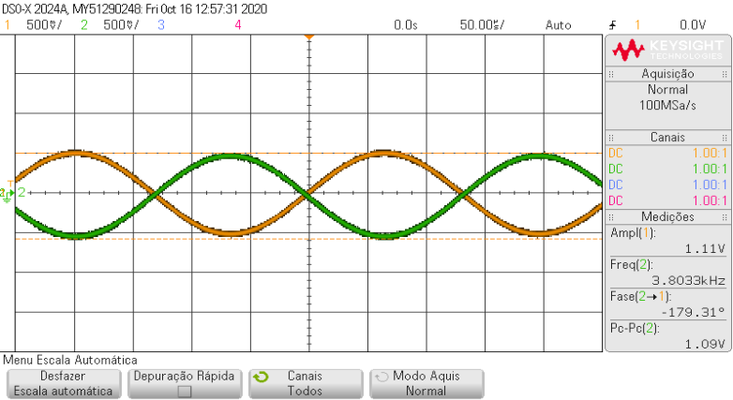
3800
v1 | v2


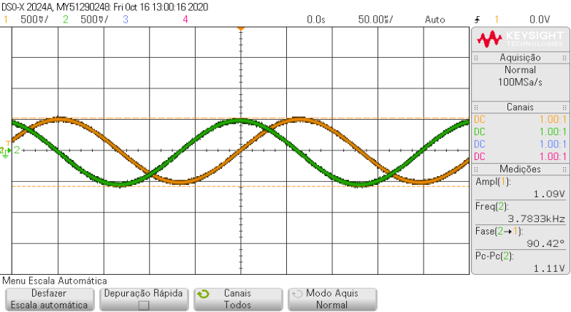
v3

