MANCHESTER
Gender |  | Age Distribution
Female | 48%
Male | 52% | 25-34 | 24%
 |  | 55-64 | 18%
 |  | 35-44 | 17%
Popular Devices |  | 45-54 | 17%
Mobile | 33% | 65+ | 14%
Desktop | 65% | 18-24 | 10%
Tablet/Ipad | 2%
 |  |  | 100%

 | 100%
Gender
Popular Devices

AGE DISTRIBUTION
INTERESTS
Interest
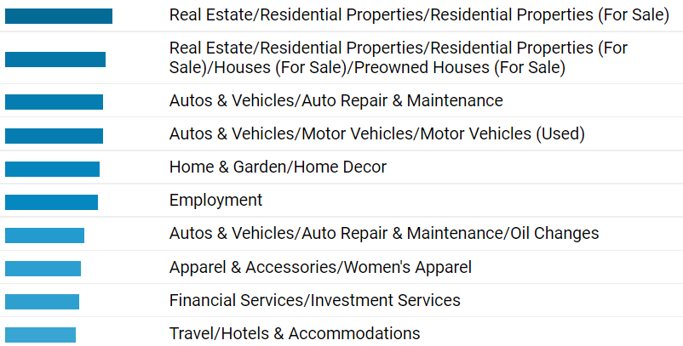
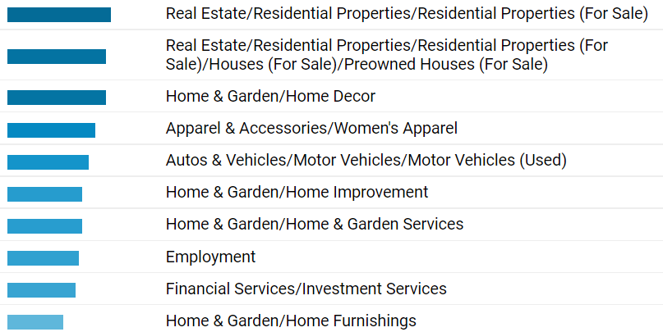
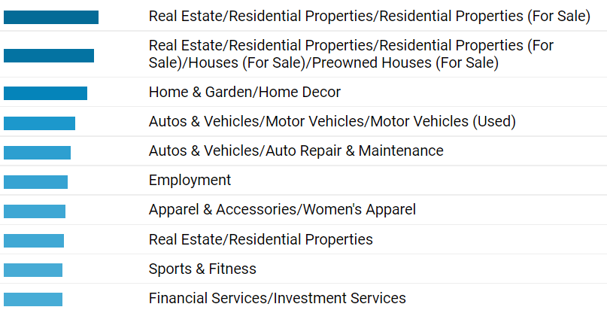

 |  |  |  | d

CT
Gender |  | Age Distribution
Female | 48%
Male | 52% | 35-44 | 23%
 |  | 25-34 | 21%
 |  | 45-54 | 19%
Popular Devices |  | 55-64 | 13%
Mobile | 37% | 18-24 | 13%
Desktop | 61% | 65+ | 12%
Tablet/Ipad | 2%
 |  |  | 100%

 | 100%
Gender
Popular Devices

AGE DISTRIBUTION
INTERESTS
Interest

MA
Gender |  | Age Distribution
Female | 49%
Male | 51% | 25-34 | 25%
 |  | 35-44 | 18%
 |  | 55-64 | 17%
Popular Devices |  | 45-54 | 16%
Mobile | 54% | 65+ | 14%
Desktop | 44% | 18-24 | 11%
Tablet/Ipad | 2%
 |  |  | 100%

 | 100%
Gender
Popular Devices

AGE DISTRIBUTION
INTERESTS
Interest

Boston
Gender |  | Age Distribution
Female | 47%
Male | 53% | 25-34 | 22%
 |  | 35-44 | 21%
 |  | 45-54 | 17%
Popular Devices |  | 18-24 | 14%
Mobile | 37% | 55-64 | 14%
Desktop | 61% | 65+ | 11%
Tablet/Ipad | 2%
 |  |  | 100%

 | 100%
Gender
Popular Devices

AGE DISTRIBUTION
INTERESTS
Interest

hudson
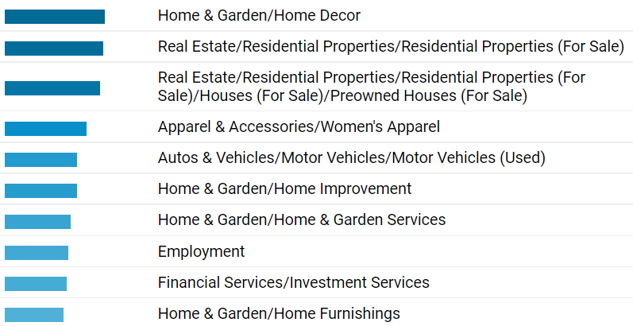
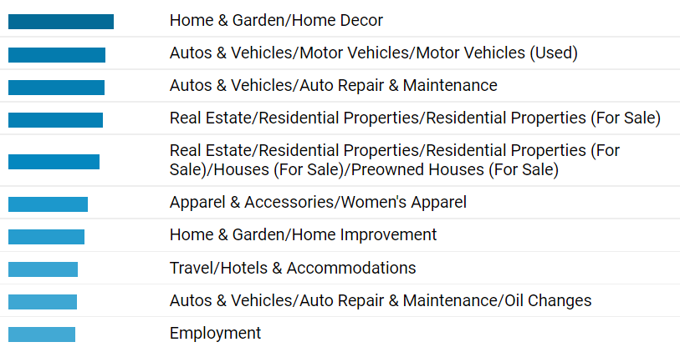
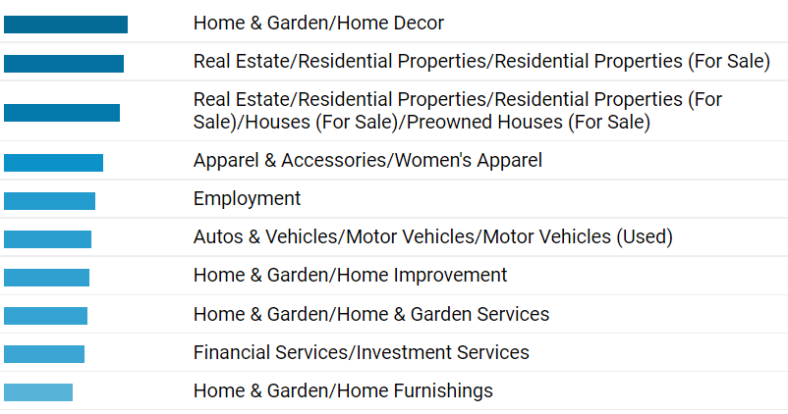
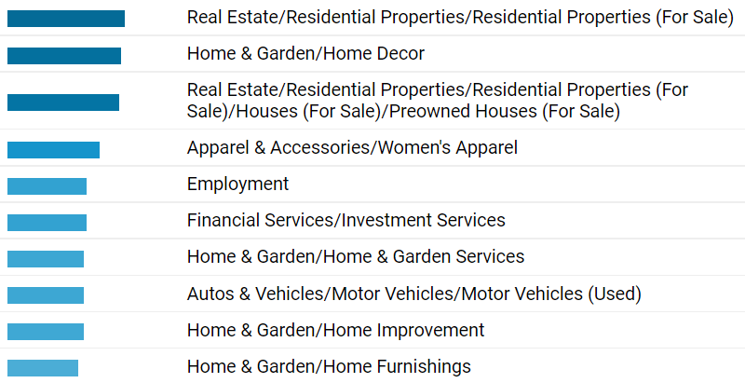
Gender |  | Age Distribution
Female | 48%
Male | 52% | 25-34 | 25%
 |  | 35-44 | 18%
 |  | 45-54 | 17%
Popular Devices |  | 55-64 | 15%
Mobile | 50% | 65+ | 13%
Desktop | 48% | 18-24 | 11%
Tablet/Ipad | 2%
 |  |  | 100%

Gender
Popular Devices

AGE DISTRIBUTION
INTERESTS
Interest

Rochester
Gender |  | Age Distribution
Female | 54%
Male | 46% | 25-34 | 25%
 |  | 55-64 | 19%
 |  | 65+ | 18%
Popular Devices |  | 45-54 | 17%
Mobile | 42% | 35-44 | 16%
Desktop | 54% | 18-24 | 7%
Tablet/Ipad | 3%

Gender
Popular Devices

AGE DISTRIBUTION
INTERESTS
Interest

LONG ISLAND
Gender |  | Age Distribution
Female | 45%
Male | 55% | 25-34 | 23%
 |  | 35-44 | 22%
 |  | 45-54 | 17%
Popular Devices |  | 18-24 | 15%
Mobile | 36% | 55-64 | 13%
Desktop | 63% | 65+ | 9%
Tablet/Ipad | 1%

Gender
Popular Devices

AGE DISTRIBUTION
INTERESTS
Interest

ALBANY
Gender |  | Age Distribution
Female | 49%
Male | 51% | 25-34 | 22%
 |  | 35-44 | 18%
 |  | 45-54 | 18%
Popular Devices |  | 55-64 | 17%
Mobile | 44% | 65+ | 16%
Desktop | 53% | 18-24 | 9%
Tablet/Ipad | 3%

Gender
Popular Devices

AGE DISTRIBUTION
INTERESTS
Interest

Buffalo
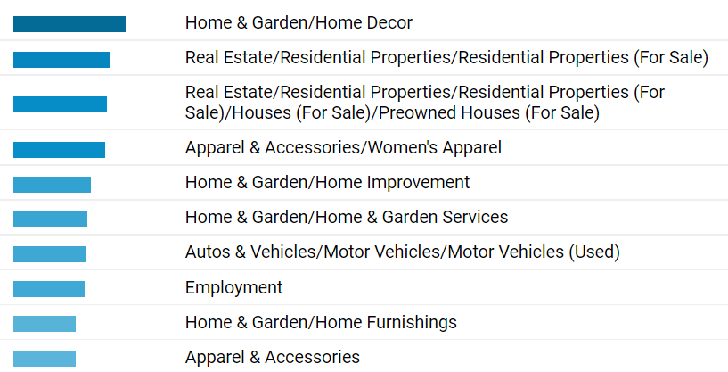
Age Distribution

25-34 | 22%
55-64 | 19%
35-44 | 17%
65+ | 17%
45-54 | 16%
18-24 | 8%

Gender
Female | 40%
Male | 60%

Popular Devices
Mobile | 40%
Desktop | 58%
Tablet/Ipad | 3%

Gender
Popular Devices

AGE DISTRIBUTION
INTERESTS
Interest

