SGD
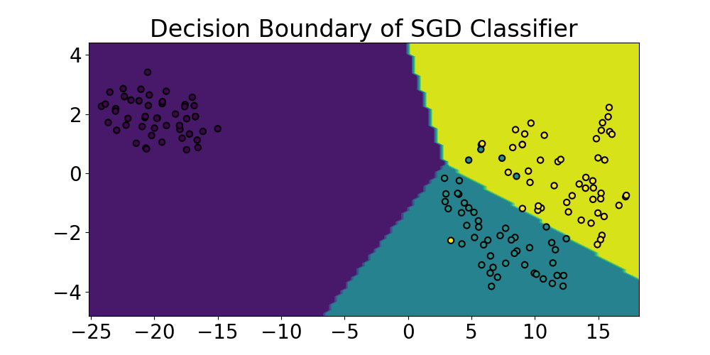
 | Setosa | Versicolor | Virginica | accuracy | macro avg | weighted avg
precision | 1 | 0.78571428571 | 0.92307692308 | 0.89473684211 | 0.90293040293 | 0.9019664546
recall | 1 | 0.91666666667 | 0.8 | 0.89473684211 | 0.90555555556 | 0.89473684211
f1-score | 1 | 0.84615384615 | 0.85714285714 | 0.89473684211 | 0.9010989011 | 0.8950260266
support | 11 | 12 | 15 | 0.89473684211 | 38 | 38

LinearSVC
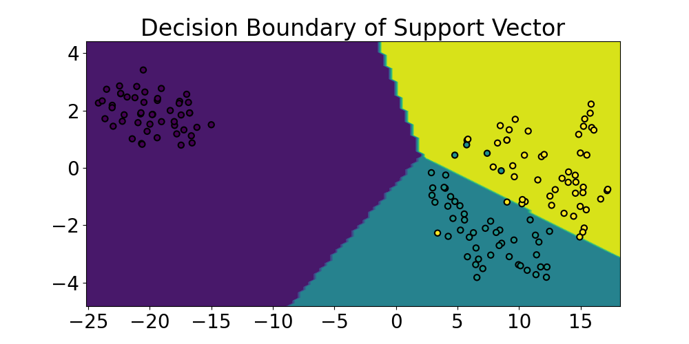
 | Setosa | Versicolor | Virginica | accuracy | macro avg | weighted avg
precision | 1 | 0.8 | 1 | 0.92105263158 | 0.93333333333 | 0.93684210526
recall | 1 | 1 | 0.8 | 0.92105263158 | 0.93333333333 | 0.92105263158
f1-score | 1 | 0.88888888889 | 0.88888888889 | 0.92105263158 | 0.92592592593 | 0.92105263158
support | 11 | 12 | 15 | 0.92105263158 | 38 | 38

MLP Neural Network
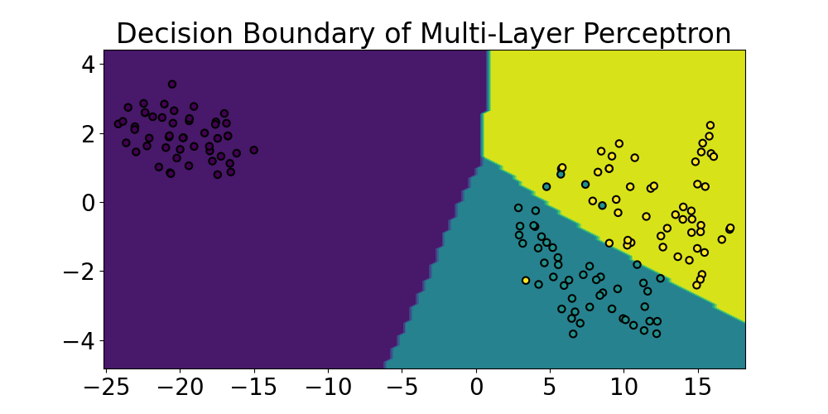
 | Setosa | Versicolor | Virginica | accuracy | macro avg | weighted avg
precision | 1 | 0.8 | 1 | 0.92105263158 | 0.93333333333 | 0.93684210526
recall | 1 | 1 | 0.8 | 0.92105263158 | 0.93333333333 | 0.92105263158
f1-score | 1 | 0.88888888889 | 0.88888888889 | 0.92105263158 | 0.92592592593 | 0.92105263158
support | 11 | 12 | 15 | 0.92105263158 | 38 | 38

Gaussian Process
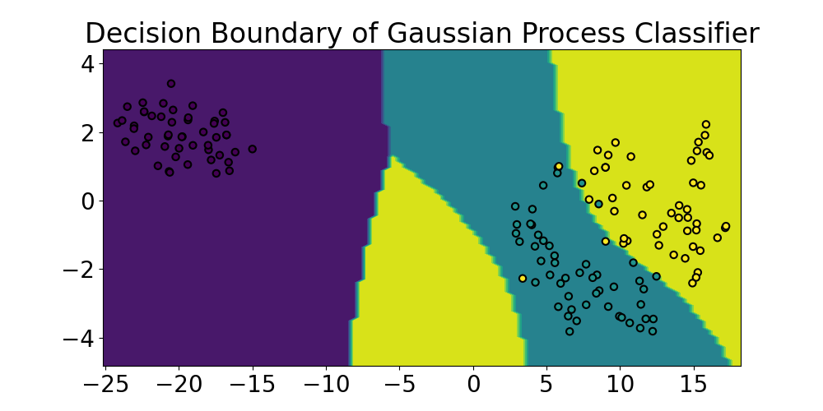
 | Setosa | Versicolor | Virginica | accuracy | macro avg | weighted avg
precision | 1 | 0.84615384615 | 0.92857142857 | 0.92105263158 | 0.92490842491 | 0.92322151533
recall | 1 | 0.91666666667 | 0.86666666667 | 0.92105263158 | 0.92777777778 | 0.92105263158
f1-score | 1 | 0.88 | 0.89655172414 | 0.92105263158 | 0.92551724138 | 0.92127041742
support | 11 | 12 | 15 | 0.92105263158 | 38 | 38

