Sheet
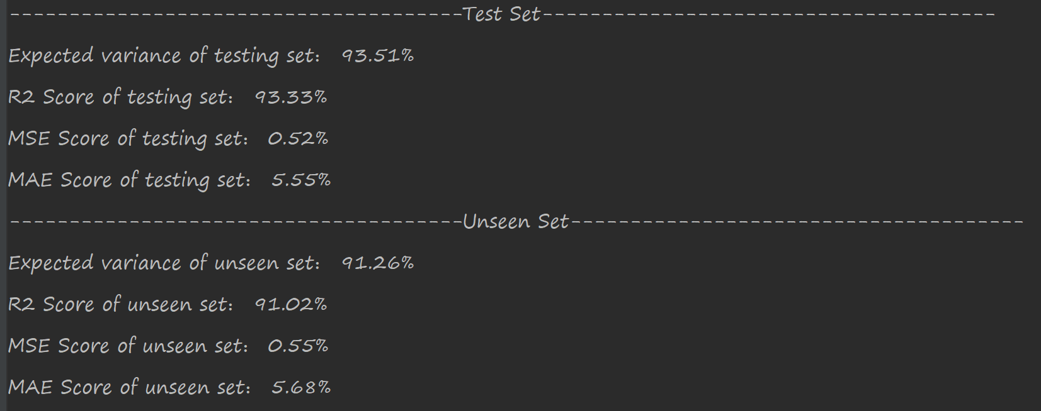

{'unit1': 7, 'w1_mean': 0.026253736374684797, 'w1_stddev': 0.0005499325152459427, 'L1_1': 0.0002895471583688295, 'L2_1': 0.0268912412560826, 'activation1': 'selu', 'dropout': 0.0002511201703215652, 'unit2': 3, 'w2_mean': 0.0012027332244570795, 'w2_stddev': 0.10248592977812443, 'activation2': 'selu', 'gaussian': 0.10403460147780352, 'unit3': 2, 'w3_mean': 0.0320003901124061, 'w3_stddev': 0.0008241061701840502, 'activation3': 'selu', 'w4_mean': 0.0037703397461657114, 'w4_stddev': 0.003276426815875337, 'learning_rate': 0.00019289117272577159}

