WelcomeView
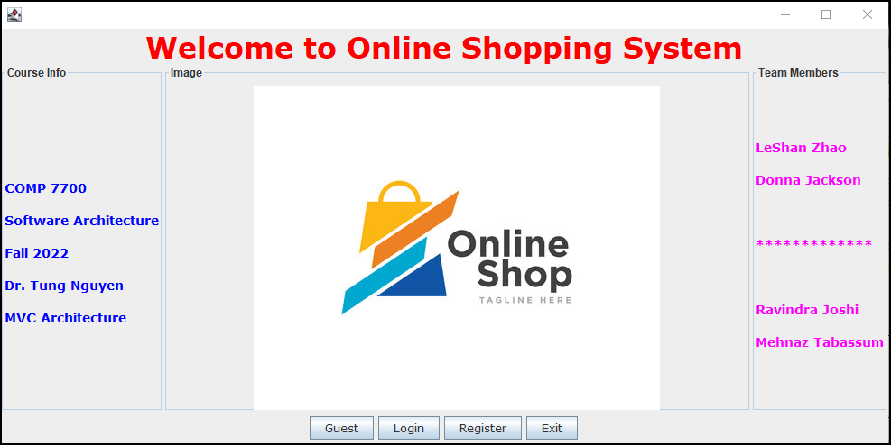
0 | 1 | 2 | 3 | 4 | 5 | 6 | 7 | 8 | 9 | 10
1 | Welcome to the Online Shopping System
2
3
4 | COMP 7700 |  |  |  | LeShan Zhao
5 | Software Architecture |  |  |  | Donna Jackson
6 | Fall 2022 |  |  |  | Mehnaz Tabassum
7 | MVC Architecture |  |  |  | Ravindra Joshi
8
9
Guest
10 | Guest | Login | Register | Exit

LoginView
0 | 1 | 2 | 3 | 4 | 5 | 6 | 7 | 8 | 9 | 10
1 | Online Shopping System Login Screen
2
3 |  | Username:
4
5 |  | Password:
6
7
8
9
Login
Back
10

RegisterViewScreen
0 | 1 | 2 | 3 | 4 | 5 | 6 | 7 | 8 | 9 | 10
1 | Registration Screen
2
3
4 |  | Not Implemented yet
5
6
7
8
9
Register
Back
10

SearchView
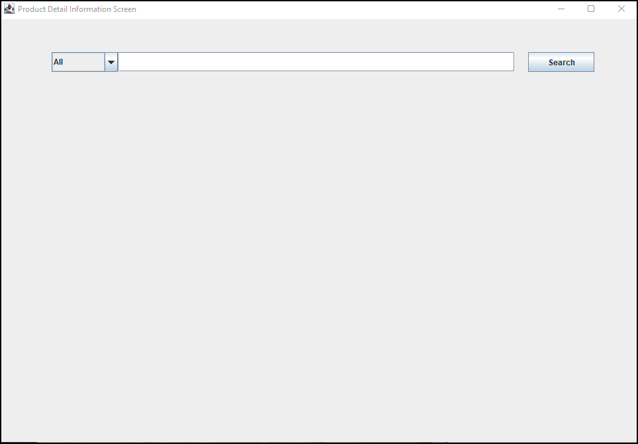
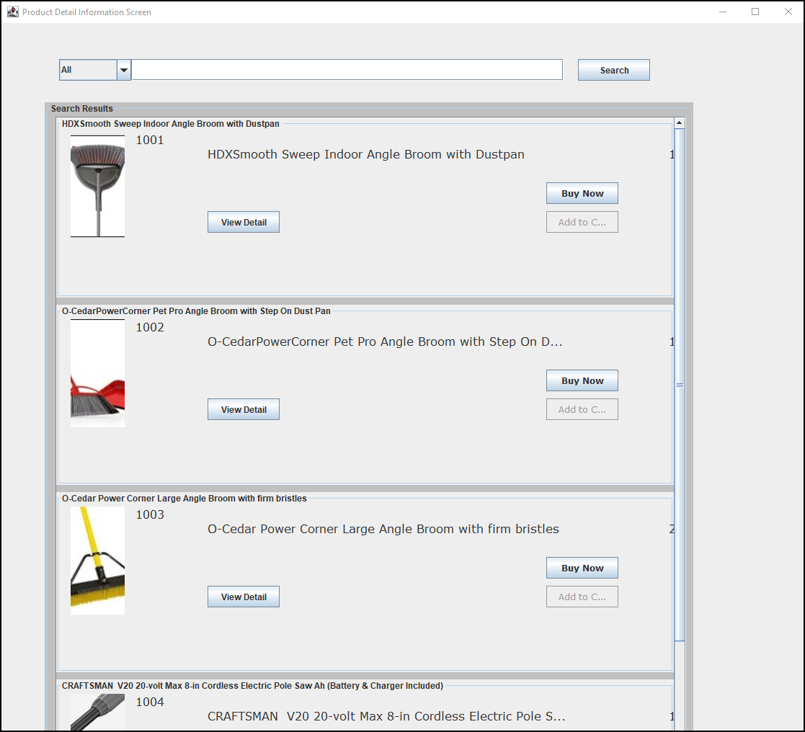
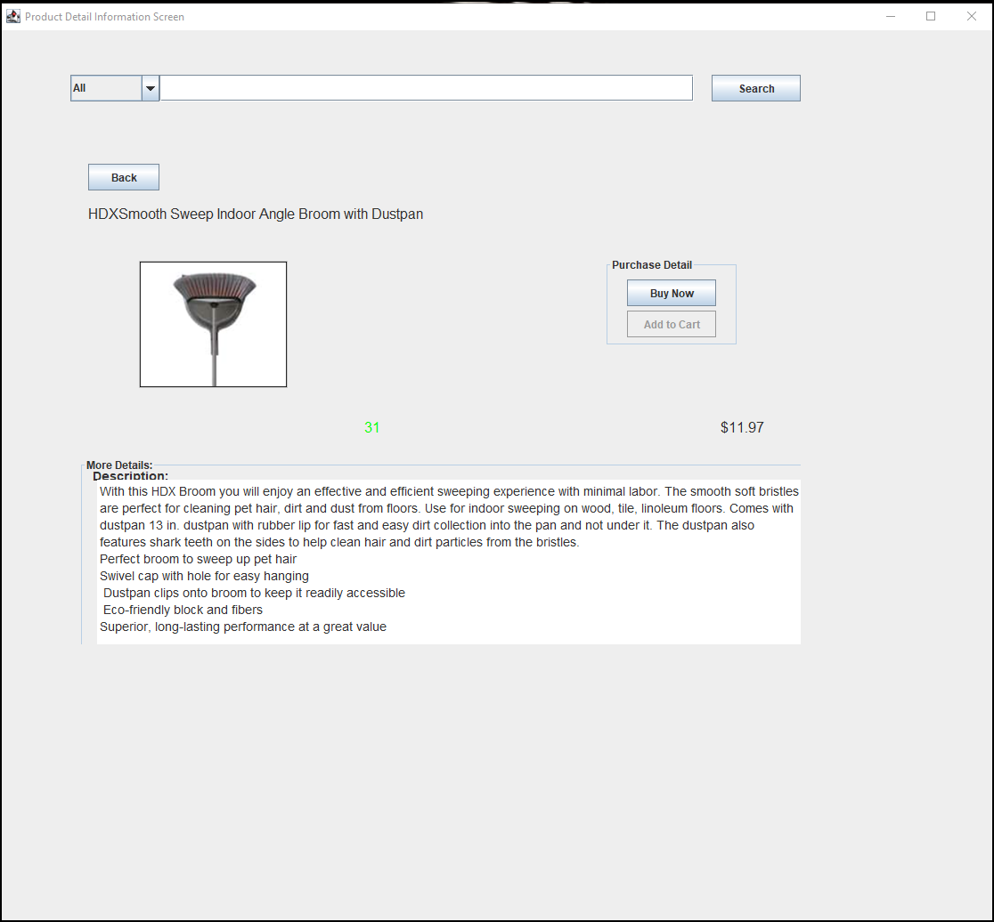
Search
0 | 1 | 2 | 3 | 4 | 5 | 6 | 7
1 | Search View
2 |  | All
3
Subpanel of search result
Search Results
4
5
subpanel of search result
6
7
8
9
10 |  | Product Details
11
12
13
14
15

CheckoutView
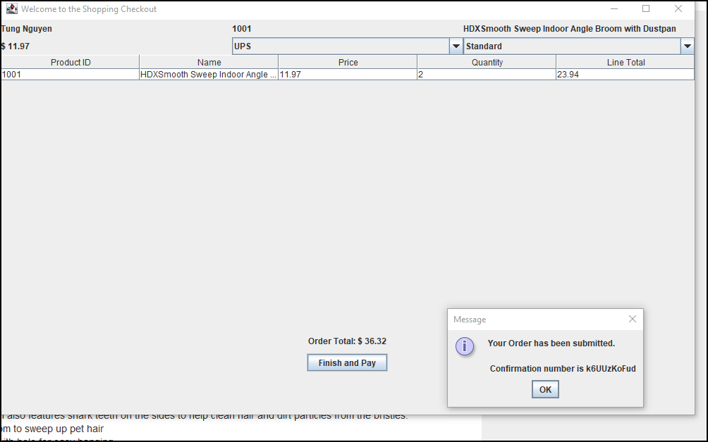
Checkout

