Sheet1
Time-series data | Data colected over a sequence of time intervals. Daily, Weekly, Monthly
 | Stock-prise
 | weather
 | Sales

Charateristic of TimeSeries data | Chronological Order | If we have daily order data then in betweeen we don't get monthly data. Simply time data is in same order
 | Sequential order | Today's data influence tomorrows data
 | Temporal components | Trend, Seasonality, Cycle or not, Noise
 | Constant data | Continous data, without any missing values
 | Dynamic Nature | Externl variables which influence the Time series data

Time Series Analysis | Pull meaningful insights about patters & Treand
 | Understanding the past data
 | Forcasting the Future

Time Series Decomposition
Time Series is decomposed into | Trend | LongTerm direction. (Sales increasing from low to up) Types:- Upward Trend & Downward Trend | Seasonality & Cyclic=>
 | Sesonality | Patterns which repeat after some fixed time/Interval.
 | Cyclic | Patterns which repeat not in fixed time/Interval.
 | Resudiual/Noise | Sudden/Random fluction of Data. Anomalies detection(Try to forcast residual) is used to calculate Noise.

Types of Decomposition (classical) | 1) Additive * TimeSeries Data = Treand_at_time_t + Sesonality_at_time_t + Residual_at_time_t * simply:- In Additive decomposition, we get time series data on adding trend, Sesonality & Residual at time t | * Sesonality is not praportional to the Trend. * Meaning-> As trend is increasing, Sesonality Values does not increases. Or no seasonal variation.
 | 2) Multiplicative * TimeSeries Data = Treand_at_time_t * Sesonality_at_time_t * Residual_at_time_t * simply:- In Multiplicative decomposition, we get time series data on multiplying trend, Sesonality & Residual at time t | * Sesonality is praportional to the Trend. * Meaning-> As trend is increasing, Sesonality Values is also increasing

STL Decomposition | Can be performed using LOESS method LOESS-> Locally estimated scatterplot smoothing STL-> Seasonal-Trend decomposition
 | Used when there are too much outliers in Time Series data.
 | How STL is different from classical decomposition? | Graphs in row 1 shows acual data * Trend is similar in both Classical & STL.(refer graphs in row 2) * Classical assumes that data has fixed seasonal patterns But STL shows actual seasonality in data (refer graphs in row 3). * Classical is easily influenced by outliers/residual But STL does not get influeced by Outlier (refer graphs in row 4) | 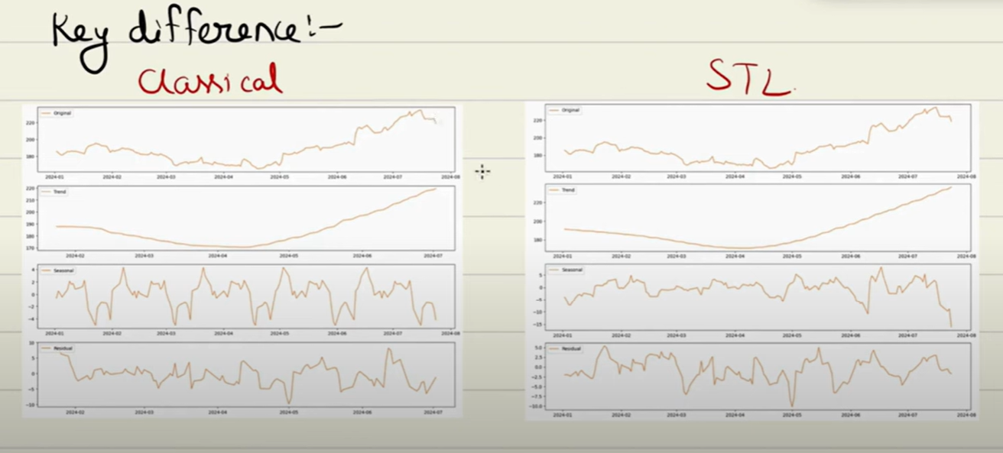
 | STL can only handle Additive timeSeries models
 | Therefore we use STL -> Additive decomposition & Classical for Multiplicative models

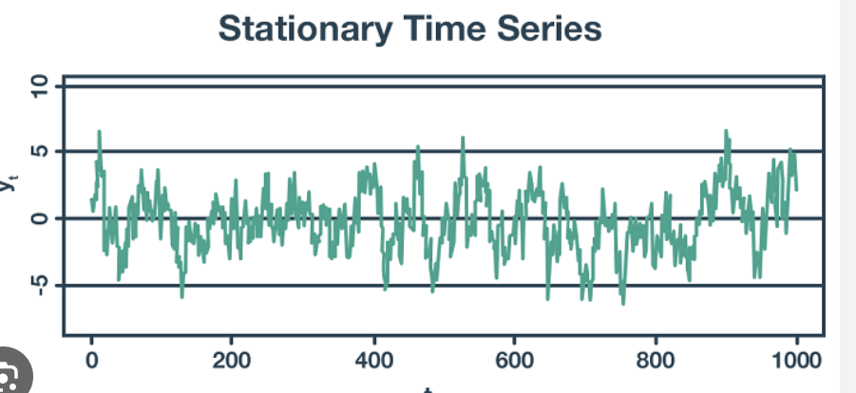
Stationarity
Data is stationarity when | Mean is constant over time
 | Variance is constant over time | Spread of data
 | Autocorelation is constant over time | Corelation with itself


Why it is important to make data stationary before applying ARIMA, SARIMA.. | By making data stationary * We are able to capture statiostical properties of data(mean, variance, autocovariance (or autocorrelation), Trend, Seasonality). * Therefore we are able to predict for future data/ Forcast * Forcasting model required stationary data.

Types of stationarity | Weak Stationarity | Mean, Variance & Autocorelation is constant
 | Strong Stationarity | Mean, Variance, Autocorelation is constant and Joint probability distribution remains unchaged when shifted along any time period
In practical terms, strong stationarity is a very stringent condition and is often harder to achieve or verify in real-world time series data. Most models, such as ARMA or ARIMA, typically only require weak stationarity, which focuses on the mean, variance, and autocovariance, not the entire distribution.
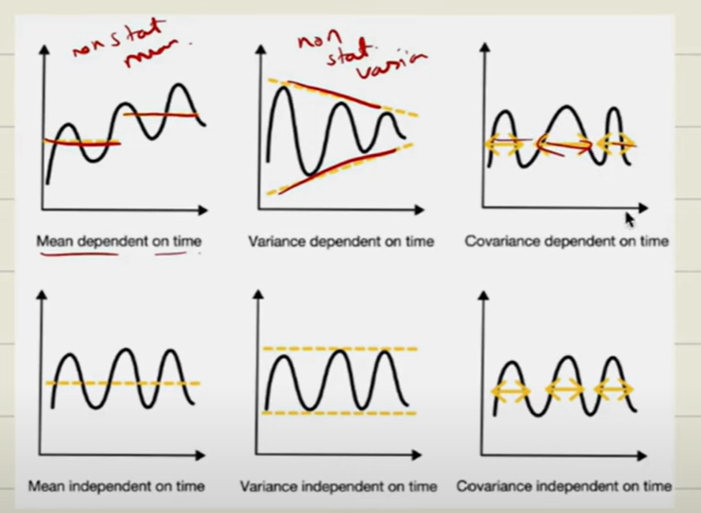

 |  | Last 3 graphs are example of strick stationary---->

 | If a data is strictly stationary then it will be weak stationary too

Test for Data whether Stationary or not | 1) ADF Test (Augmented Dickey-Fuller test) | * Checks presence of unit root (non-stationary trend). * We check using hypothesis testing=> Null hypothesis -> Presence of unit root or non-stationary trend Alternative hypothesis -> Stationary ** If p-value <0.05(Significance Value) then Stationary; Accepts Alternative hypothesis ** If ADF statistics < Critical value then Reject Null hypothesis
 | 2) KPSS Test (Kwiatkowski–Phillips–Schmidt–Shin) | Fits a constant mean model on the time-seirs data. And then measures variance of the cummilative sum of residuals * Null Hypo -> Stationary * Alter Hypo -> Non-stationary * If p-value <0.05 then Non Stationary * If KPSS > Critical Value Non-Stationary
 | 3) KS Test | * Checks data is Strictly Stationary or not? * Compares cummulative distribution of two samples * If p-value > 0.05 then no difference in distribution. Therefore, strictly stationary. | 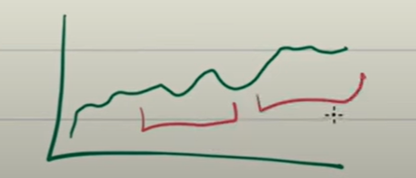

Making Non-Stationary to Stationary Data | Differencing | Here we remove trend and sesonality. Differece b/w => past value - Current value. First order differencing Second order differencing
 | Transformation | If we have a data in which variance is too much then we can reduce variance using Tranformation. | 1) Logarithmic -> we calculate log of data 2) Power -> we apply power transformation/ square root 3) Box-Cox -> Combination of Power and Logrithmic transformation
 | Detrending | Removing trend component | 1) Linear detrending -> We fit/built a regression line on the time series data And if we subtract data points from line & trend at a time t. Then we'll get seasonal data. 2) Moving Average -> We perform sum of datapoint of window size & divide it by window size
 | Seasonal adjustment | Removing Sesonal Component using STL decomposition | We get a sesonal component in STL decomposition. We can reduce this component from the time series data to make it a stationary data.

White noise and Random Walk
White noise | No pattern, No trend & no Seasonality
 | Properties | 1) Same Mean 2) Constant variance 3) no autocaorelation
 | This is complete random, therefore time series modeling not possible
Random Walk | It is Cummative pattern
 | Todays value is highly dependent on yesterdays value
 | The error value we get get along with todaysvalue is called White noise as->
 | This I predictable
 | mean & Variance chang over time
 | No predictable pattern until we make it stationary using 1st order diffrencing
 | Identifying White noise or not? | 1) Visually - > constant mean? Constant variance?correlation or not? 2) ACF & PCF 3) Ljung Box test - > Used to check Autocorrelation If p-value> 0.05 then White noise if p-value<0.05 then Random walk

 |  |  | When to use
AR | Uses past values to predict future values AR(1) |  | Past value pe dependent hai
MA | Uses past error terms (residuals) MA(1) or MA(2) |  | Fluctuations bhaut hai
ARMA | AR + MA ARMA(p,q) | Capture Temporal dependencies & error term | Past value pe dependent + Fluctuations
ARIMA | I involves diffrencing order * ARIMA(p,d,q) p-> AR; d-> diffrencing order; q->MA | Removed trend and sesonality and make data stationary | If we perform diffrenctial
SARIMA | S-> Seasnal ARIMA model SARIMA(p,d,q)(P,D,Q)m P,D,Q -> order of seasonal m -> period(kitne mahineme repeat ho raha hai data) |  | If Seasonality is present in data

Granger Causality Test | Checks if x caused y or not? | One time series can predict other time series or not

Smoothing methods
Importance of Smoothing | To reduce noise Good for high flutuated time series data. Also for trend identification
Types | Moving average
 | Exponential smoothing | Single -->Can be used with data with no trend or seasonality Double or Holts linear -> Can be used with Data with TRend Triple or Holts winter --> Can be used with data with Trend & Seasonality

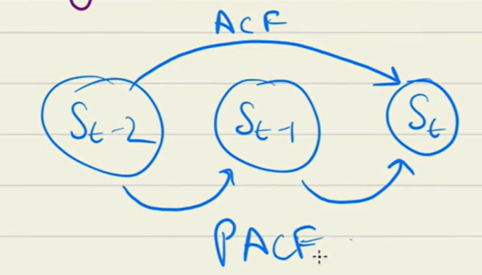
ACF & PACF
ACF | Autocorrelation | Corelation with itself
PACF | Partial autocorelation

