Posters

BIG-TITLE POSTERS
Representative covers; one version per title.

Red Dead Redemption 2 | Mass Effect 2
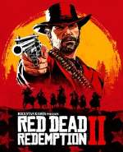 | 

Grand Theft Auto V | God of War
 | 

BioShock | The Witcher 3: Wild Hunt
 | 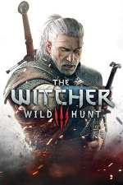

The Last of Us | Elden Ring
 | 

Clair Obscur: Expedition 33

