ProbArc
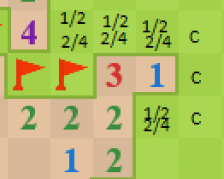
 |  |  |  |  |  |  |  |  |  | problematic
Enter |  |  |  | Exit |  |  |  | N - X > 0 | and | u - (N - X) > 0 | Exit | prob == 1/2 + 1/2 | N-X-1 == 0 | N-X-1 == u-2 |  | prob == 2/3 + 2/3 | N-X-1 == 0 | prob == 3/4 + 3/4 | N-X-1 == 0
N | X | u | Prob | N | X | u | Prob | TRUE |  | TRUE | u > 2 | 1.5 | 0 | 0 | 4 | 1.5 | 0 | 1.5 | 0
3 | 1 | 4 | 0.5 | 1 | 0 | 6 | 1.5 | 2 |  | 2 | TRUE | FALSE | TRUE | FALSE |  | FALSE | TRUE | TRUE | TRUE
 |  |  |  |  |  |  |  |  |  |  |  | prob == 1/2+1/2+1/2 | Clear | Flag |  | prob == 2/3+2/3+2/3 | Clear | prob == 3/4+3/4+3/4 | Clear
0.16666666667 | 1/6 |  |  |  |  |  |  |  |  |  |  | 1.5 |  |  |  | 1.5 |  | 1.5
 |  |  |  |  |  |  |  |  |  |  |  | TRUE |  |  |  | FALSE |  | FALSE

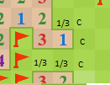
 |  |  |  |  |  |  |  |  |  | problematic
Enter |  |  |  | Exit |  |  |  | N - X > 0 | and | u - (N - X) == 1 | Exit | prob == 1/2 + 1/2 | N-X-1 == 0 | N-X-1 == u-2 |  | prob == 2/3 + 2/3 | N-X-1 == 0 | prob == 3/4 + 3/4 | N-X-1 == 0
N | X | u | Prob | N | X | u | Prob | TRUE |  | FALSE | u > 2 | 0.66666666667 | 0 | 0 | 4 | 0.66666666667 | 0 | 0.66666666667 | 0
3 | 2 | 3 | 0.33333333333 | 1 | 0 | 6 | 0.66666666667 | 1 |  | 2 | TRUE | FALSE | TRUE | FALSE |  | FALSE | TRUE | FALSE | TRUE
 |  |  |  |  |  |  |  |  |  |  |  |  | Clear | Flag |  |  | Clear |  | Clear

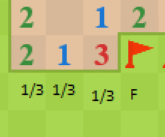
Enter |  |  |  | Exit |  |  |  | N - X > 0 | and | u - (N - X) == 1
N | X | u | Prob | N | X | u | Prob | TRUE |  | FALSE | Will catch after above is cleared on 1/2 prob
1 | 0 | 3 | 0.33333333333 | 3 | 1 | 3 | 0.66666666667 | 1 |  | 2
Enter |  |  |  | Exit |  |  |  | N - X > 0 | and | u - (N - X) == 1 | Exit | prob == 1/2 + 1/2 | N-X-1 == 0 | N-X-1 == u-2 |  | prob == 2/3 + 2/3 | N-X-1 == 0 | prob == 3/4 + 3/4 | N-X-1 == 0
N | X | u | Prob | N | X | u | Prob | TRUE |  | TRUE | u > 2 | 1 | 0 | 0 | 1 | 1 | 0 | 1 | 0
1 | 0 | 2 | 0.5 | 3 | 1 | 3 | 1 | 1 |  | 1 | TRUE | TRUE | TRUE | FALSE |  | FALSE | TRUE | FALSE | TRUE
 |  |  |  |  |  |  |  |  |  |  |  |  | Clear | Flag |  |  | Clear |  | Clear

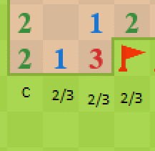
Enter |  |  |  | Exit |  |  |  | N - X > 0 | and | u - (N - X) == 1 | Exit | prob == 1/2 + 1/2 | N-X-1 == 0 | N-X-1 == u-2 |  | prob == 2/3 + 2/3 | N-X-1 == 0 | prob == 3/4 + 3/4 | N-X-1 == 0
N | X | u | Prob | N | X | u | Prob | TRUE |  | TRUE | u > 2 | 1.3333333333 | 0 | 0 | 1 | 1.3333333333 | 0 | 1.3333333333 | 0
3 | 1 | 3 | 0.66666666667 | 1 | 0 | 3 | 1.3333333333 | 2 |  | 1 | TRUE | FALSE | TRUE | FALSE |  | TRUE | TRUE | FALSE | TRUE
 |  |  |  |  |  |  |  |  |  |  |  |  | Clear | Flag |  |  | Clear |  | Clear

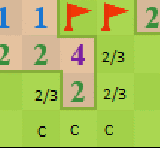
Enter |  |  |  | Exit |  |  |  | N - X > 0 | and | u - (N - X) > 0 | Exit | prob == 1/2 + 1/2 | N-X-1 == 0 | N-X-1 == u-2 |  | prob == 2/3 + 2/3 | N-X-1 == 0 | prob == 3/4 + 3/4 | N-X-1 == 0
N | X | u | Prob | N | X | u | Prob | TRUE |  | TRUE | u > 2 | 2 | 0 | 0 | 4 | 2 | 0 | 2 | 0
4 | 2 | 3 | 0.66666666667 | 2 | 0 | 6 | 2 | 2 |  | 1 | TRUE | FALSE | TRUE | FALSE |  | FALSE | TRUE | FALSE | TRUE
 |  |  |  |  |  |  |  |  |  |  |  | prob == 1/2+1/2+1/2 | Clear | Flag |  | prob == 2/3+2/3+2/3 | Clear | prob == 3/4+3/4+3/4 | Clear
 |  |  |  |  |  |  |  |  |  |  |  | 2 |  |  |  | 2 |  | 2
 |  |  |  |  |  |  |  |  |  |  |  | FALSE |  |  |  | TRUE |  | FALSE

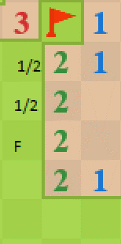
Enter |  |  |  | Exit |  |  |  | N - X > 0 | and | u - (N - X) == 1 | Exit | prob == 1/2 + 1/2 | N-X-1 == 0 | N-X-1 == u-2 |  | prob == 2/3 + 2/3 | N-X-1 == 0 | prob == 3/4 + 3/4 | N-X-1 == 0
N | X | u | Prob | N | X | u | Prob | TRUE |  | TRUE | u > 2 | 1 | 0 | 0 | 1 | 1 | 0 | 1 | 0
2 | 1 | 2 | 0.5 | 2 | 0 | 3 | 1 | 1 |  | 1 | TRUE | TRUE | TRUE | FALSE |  | FALSE | TRUE | FALSE | TRUE
 |  |  |  |  |  |  |  |  |  |  |  |  | Clear | Flag |  |  | Clear |  | Clear

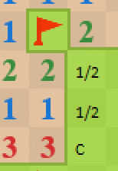
Enter |  |  |  | Exit |  |  |  | N - X > 0 | and | u - (N - X) == 1 | Exit | prob == 1/2 + 1/2 | N-X-1 == 0 | N-X-1 == u-2 |  | prob == 2/3 + 2/3 | N-X-1 == 0 | prob == 3/4 + 3/4 | N-X-1 == 0
N | X | u | Prob | N | X | u | Prob | TRUE |  | TRUE | u > 2 | 1 | 0 | 0 | 1 | 1 | 0 | 1 | 0
2 | 1 | 2 | 0.5 | 1 | 0 | 3 | 1 | 1 |  | 1 | TRUE | TRUE | TRUE | FALSE |  | FALSE | TRUE | FALSE | TRUE
 |  |  |  |  |  |  |  |  |  |  |  |  | Clear | Flag |  |  | Clear |  | Clear

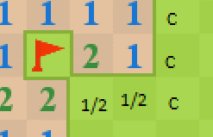
Enter |  |  |  | Exit |  |  |  | N - X > 0 | and | u - (N - X) == 1 | Exit | prob == 1/2 + 1/2 | N-X-1 == 0 | N-X-1 == u-2 |  | prob == 2/3 + 2/3 | N-X-1 == 0 | prob == 3/4 + 3/4 | N-X-1 == 0
N | X | u | Prob | N | X | u | Prob | TRUE |  | TRUE | u > 2 | 1 | 0 | 0 | 3 | 1 | 0 | 1 | 0
2 | 1 | 2 | 0.5 | 1 | 0 | 5 | 1 | 1 |  | 1 | TRUE | TRUE | TRUE | FALSE |  | FALSE | TRUE | FALSE | TRUE
 |  |  |  |  |  |  |  |  |  |  |  |  | Clear | Flag |  |  | Clear |  | Clear

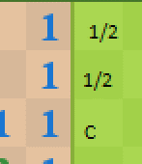
Enter |  |  |  | Exit |  |  |  | N - X > 0 | and | u - (N - X) == 1 | Exit | prob == 1/2 + 1/2 | N-X-1 == 0 | N-X-1 == u-2 |  | prob == 2/3 + 2/3 | N-X-1 == 0 | prob == 3/4 + 3/4 | N-X-1 == 0
N | X | u | Prob | N | X | u | Prob | TRUE |  | TRUE | u > 2 | 1 | 0 | 0 | 1 | 1 | 0 | 1 | 0
1 | 0 | 2 | 0.5 | 1 | 0 | 3 | 1 | 1 |  | 1 | TRUE | TRUE | TRUE | FALSE |  | FALSE | TRUE | FALSE | TRUE
 |  |  |  |  |  |  |  |  |  |  |  |  | Clear | Flag |  |  | Clear |  | Clear

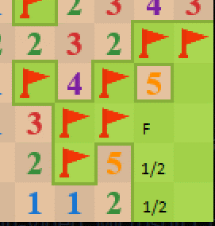
Enter |  |  |  | Exit |  |  |  | N - X > 0 | and | u - (N - X) == 1 | Exit | prob == 1/2 + 1/2 | N-X-1 == 0 | N-X-1 == u-2 |  | prob == 2/3 + 2/3 | N-X-1 == 0 | prob == 3/4 + 3/4 | N-X-1 == 0
N | X | u | Prob | N | X | u | Prob | TRUE |  | TRUE | u > 2 | 1 | 0 | 0 | 1 | 1 | 0 | 1 | 0
2 | 1 | 2 | 0.5 | 5 | 3 | 3 | 1 | 1 |  | 1 | TRUE | TRUE | TRUE | FALSE |  | FALSE | TRUE | FALSE | TRUE
 |  |  |  |  |  |  |  |  |  |  |  |  | Clear | Flag |  |  | Clear |  | Clear

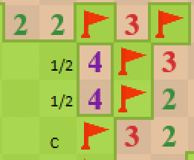
Enter |  |  |  | Exit |  |  |  | N - X > 0 | and | u - (N - X) == 1 | Exit | prob == 1/2 + 1/2 | N-X-1 == 0 | N-X-1 == u-2 |  | prob == 2/3 + 2/3 | N-X-1 == 0 | prob == 3/4 + 3/4 | N-X-1 == 0
N | X | u | Prob | N | X | u | Prob | TRUE |  | TRUE | u > 2 | 1 | 0 | 0 | 1 | 1 | 0 | 1 | 0
4 | 3 | 2 | 0.5 | 4 | 3 | 3 | 1 | 1 |  | 1 | TRUE | TRUE | TRUE | FALSE |  | FALSE | TRUE | FALSE | TRUE
 |  |  |  |  |  |  |  |  |  |  |  |  | Clear | Flag |  |  | Clear |  | Clear

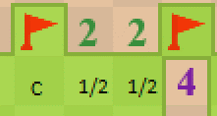
Enter |  |  |  | Exit |  |  |  | N - X > 0 | and | u - (N - X) == 1 | Exit | prob == 1/2 + 1/2 | N-X-1 == 0 | N-X-1 == u-2 |  | prob == 2/3 + 2/3 | N-X-1 == 0 | prob == 3/4 + 3/4 | N-X-1 == 0
N | X | u | Prob | N | X | u | Prob | TRUE |  | TRUE | u > 2 | 1 | 0 | 0 | 1 | 1 | 0 | 1 | 0
2 | 1 | 2 | 0.5 | 2 | 1 | 3 | 1 | 1 |  | 1 | TRUE | TRUE | TRUE | FALSE |  | FALSE | TRUE | FALSE | TRUE
 |  |  |  |  |  |  |  |  |  |  |  | prob == 1/2+1/2+1/2 | Clear | Flag |  | prob == 2/3+2/3+2/3 | Clear | prob == 3/4+3/4+3/4 | Clear
 |  |  |  |  |  |  |  |  |  |  |  | 1 |  |  |  | 1 |  | 1
 |  |  |  |  |  |  |  |  |  |  |  | FALSE |  |  |  | FALSE |  | FALSE

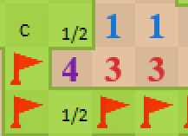
Enter |  |  |  | Exit |  |  |  | N - X > 0 | and | u - (N - X) == 1 | Exit | prob == 1/2 + 1/2 | N-X-1 == 0 | N-X-1 == u-2 |  | prob == 2/3 + 2/3 | N-X-1 == 0 | prob == 3/4 + 3/4 | N-X-1 == 0
N | X | u | Prob | N | X | u | Prob | TRUE |  | TRUE | u > 2 | 1 | 0 | 0 | 1 | 1 | 0 | 1 | 0
3 | 2 | 2 | 0.5 | 4 | 3 | 3 | 1 | 1 |  | 1 | TRUE | TRUE | TRUE | FALSE |  | FALSE | TRUE | FALSE | TRUE
 |  |  |  |  |  |  |  |  |  |  |  | prob == 1/2+1/2+1/2 | Clear | Flag |  | prob == 2/3+2/3+2/3 | Clear | prob == 3/4+3/4+3/4 | Clear
 |  |  |  |  |  |  |  |  |  |  |  | 1 |  |  |  | 1 |  | 1
 |  |  |  |  |  |  |  |  |  |  |  | FALSE |  |  |  | FALSE |  | FALSE

 |  |  |  |  |  |  |  | get the number of mines the parent is missing (confirm it's equal to the # of mines the child is touching) if the # of mines the child is touching = the N of the child, clear any extra empties.

Prob1
 | Prob 1

 |  |  | Parent |  | u | N-X |  | Child |  | u | N-X
 |  |  | N | X | pU | pXrem | Prob | N | X | cU | cXrem | countProbTouch | chance |  | clear | flag
3 |  | C3 | 3 | 1 | 4 | 2 | 0.5 | 1 | 0 | 6 | 1 | 3 | 1.5 | 1 or 2 | 3
 |  |  | 1 | 0 | 6 | 1 | 0.16666666667 | 3 | 1 | 4 | 2 | 3 | 0.5 |  |  | 1

 |  | C2

 |  |  |  |  |  |  |  |  |  |  | 2
 |  | C4 |  |  |  |  |  |  |  |  |  |  |  |  |  |  | F1

 |  |  |  |  |  |  |  |  |  |  | 3
 |  |  |  |  |  | 1.3333333333
 |  |  |  |  |  |  |  |  |  |  |  |  |  |  |  |  | F2
 |  | C5
 |  |  |  |  |  |  |  |  |  |  | 4

 |  | C1

 |  |  |  |  |  |  |  |  |  |  | 5
 |  |  |  |  |  |  |  |  |  |  |  |  |  |  |  |  | F2

 |  | C1

 |  | C1 |  |  |  |  |  |  |  |  |  |  |  |  |  |  | F3

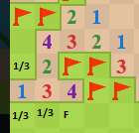

 |  | C6
 |  |  |  |  |  |  |  |  |  |  |  |  |  |  |  |  | F5

Prob3_Compund
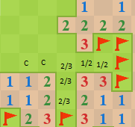

3 with 2 mines has 1 mine left for 2 empties
the 3 next to it then has 2 mines for 3 empties
the 2 across the empties is then touching all 2 mines of that 3, and thus any other empty is a clear

Prob_Massive
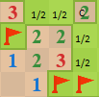

c1

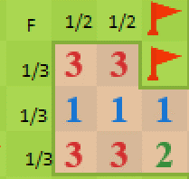
 | x2
 | Enter1 |  |  |  | Enter2 |  |  |  | Exit
 | N | X | u | Prob | N | X | u | Prob | N | X | u | Prob
f1 | 3 | 2 | 2 | 0.5 | 1 | 0 | 3 | 0.33333333333 | 3 | 1 | 5 | 1

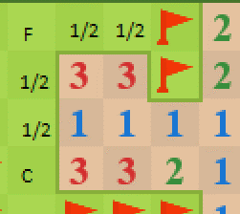
 | Prob3, compound/massive?
 | x2_2
 | Enter1 |  |  |  | Enter2 |  |  |  | Exit
Prob3, compound/massive? | N | X | u | Prob | N | X | u | Prob | N | X | u | Prob
 | 3 | 2 | 2 | 0.5 | 3 | 1 | 2 | 1 | 1 | 0 | 3 | 1

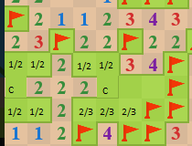

c2 [2/3]

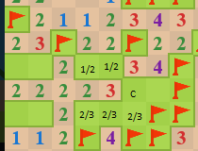

 |  |  |  |  |  | 276 checks
c3
 |  |  |  |  |  | 1 | 2 | 2 | 3 | 3 | 4 | 4 | 5 | 5 | 6 | 6 | 7 | 7 | 8 | 8 | 9 | 9 | 10 | 10 | 11 | 11 | 12 | 12 | 13 | 13 | 14 | 14 | 15 | 15 | 16 | 16 | 17 | 17 | 18 | 18 | 19 | 19 | 20 | 20 | 21 | 21 | 22 | 22 | 23 | 23 | 24
 |  |  |  |  |  |  | 3 |  | 4 |  | 5 |  | 6 |  | 7 |  | 8 |  | 9 |  | 10 |  | 11 |  | 12 |  | 13 |  | 14 |  | 15 |  | 16 |  | 17 |  | 18 |  | 19 |  | 20 |  | 21 |  | 22 |  | 23 |  | 24
 |  |  |  |  |  |  | 4 |  | 5 |  | 6 |  | 7 |  | 8 |  | 9 |  | 10 |  | 11 |  | 12 |  | 13 |  | 14 |  | 15 |  | 16 |  | 17 |  | 18 |  | 19 |  | 20 |  | 21 |  | 22 |  | 23 |  | 24
 |  |  |  |  |  |  | 5 |  | 6 |  | 7 |  | 8 |  | 9 |  | 10 |  | 11 |  | 12 |  | 13 |  | 14 |  | 15 |  | 16 |  | 17 |  | 18 |  | 19 |  | 20 |  | 21 |  | 22 |  | 23 |  | 24

 |  |  |  |  |  |  | 6 |  | 7 |  | 8 |  | 9 |  | 10 |  | 11 |  | 12 |  | 13 |  | 14 |  | 15 |  | 16 |  | 17 |  | 18 |  | 19 |  | 20 |  | 21 |  | 22 |  | 23 |  | 24
 |  |  |  |  |  |  | 7 |  | 8 |  | 9 |  | 10 |  | 11 |  | 12 |  | 13 |  | 14 |  | 15 |  | 16 |  | 17 |  | 18 |  | 19 |  | 20 |  | 21 |  | 22 |  | 23 |  | 24
 |  |  |  |  |  |  | 8 |  | 9 |  | 10 |  | 11 |  | 12 |  | 13 |  | 14 |  | 15 |  | 16 |  | 17 |  | 18 |  | 19 |  | 20 |  | 21 |  | 22 |  | 23 |  | 24
f2 |  |  |  |  |  |  | 9 |  | 10 |  | 11 |  | 12 |  | 13 |  | 14 |  | 15 |  | 16 |  | 17 |  | 18 |  | 19 |  | 20 |  | 21 |  | 22 |  | 23 |  | 24
 |  | above 3 covered ? |  |  |  |  | 10 |  | 11 |  | 12 |  | 13 |  | 14 |  | 15 |  | 16 |  | 17 |  | 18 |  | 19 |  | 20 |  | 21 |  | 22 |  | 23 |  | 24
 |  |  |  |  |  |  | 11 |  | 12 |  | 13 |  | 14 |  | 15 |  | 16 |  | 17 |  | 18 |  | 19 |  | 20 |  | 21 |  | 22 |  | 23 |  | 24
 |  |  |  |  |  |  | 12 |  | 13 |  | 14 |  | 15 |  | 16 |  | 17 |  | 18 |  | 19 |  | 20 |  | 21 |  | 22 |  | 23 |  | 24
 |  |  |  |  |  |  | 13 |  | 14 |  | 15 |  | 16 |  | 17 |  | 18 |  | 19 |  | 20 |  | 21 |  | 22 |  | 23 |  | 24
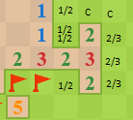
 |  |  |  |  |  |  | 14 |  | 15 |  | 16 |  | 17 |  | 18 |  | 19 |  | 20 |  | 21 |  | 22 |  | 23 |  | 24
 |  |  |  |  |  |  | 15 |  | 16 |  | 17 |  | 18 |  | 19 |  | 20 |  | 21 |  | 22 |  | 23 |  | 24
 |  |  |  |  |  |  | 16 |  | 17 |  | 18 |  | 19 |  | 20 |  | 21 |  | 22 |  | 23 |  | 24
c4 |  |  |  |  |  |  | 17 |  | 18 |  | 19 |  | 20 |  | 21 |  | 22 |  | 23 |  | 24
 |  |  |  |  |  |  | 18 |  | 19 |  | 20 |  | 21 |  | 22 |  | 23 |  | 24
 |  |  |  |  |  |  | 19 |  | 20 |  | 21 |  | 22 |  | 23 |  | 24
 |  |  |  |  |  |  | 20 |  | 21 |  | 22 |  | 23 |  | 24
 |  |  |  |  |  |  | 21 |  | 22 |  | 23 |  | 24
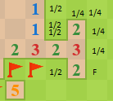
 |  |  |  |  |  |  | 22 |  | 23 |  | 24
 |  |  |  |  |  |  | 23 |  | 24
f3 |  |  |  |  |  |  | 24

