Architecture Solution
Fill out this section to document and understand the data architecture needs. This will help ensure that:
- Data Engineers (DE) can design based on the documented data architecture requirements.
- Data Transfer Patterns are clearly defined in a dropdown for Data Analysts to understand.
- Volume information assists Data Architects in designing table partitioning.
- Service Level Agreements (SLA) outline the criticality and job completion times, ensuring data is refreshed in a timely manner.
** iIf you have any questions, please work with the Data Architect or Data Quality team to complete this section. questions work with Data Architect and fill this out
** iF questions work with Data Architect and fill this out
ONBOARDING QUESTIONS | ANSWERS
Data Sourcing Pattern | Streaming
Data Transfer Pattern
Data Load Pattern (Kill/Fill, Incremental) | Append
Data Consumption pattern | Reports/Extracts/APIs
Reporting / Analytic Tools | PowerBI/Tableau/Dremio/Maxis APIs
Data Archiving – What is the ILM for the data? | Based on Data ILM requirements
Criticality on project level | P2
Does it contain any PII data/sensitive data? | No
Data volume of the consumption layer | Very Small
Does the project need additional storage? | No
SLA | TBD
Customers | Fleet Report Users
Licensing: does it require any license? | No
Any Known Security Deviations/ Vulnerabilities/ Technical Remediation’s | No
Is Change Data Capture (CDC) Required ? | No
Business Justification for CDC | No
Is the project leveraging an existing Enterprise Data Asset | No

Data Dictionary
Important
Provide
1) ER schema name - By Source
2) Entity Name
3) Attribute Name
3) Attribute Business Defintion
5) Analytic Grouping
SCHEMA NAME | ENTITY NAME | ENTITY DEFINITION | ATTRIBUTE NAME | ATTRIBUTE DEFINITION | DATA TYPE | COLUMN LENGTH | ANALYTIC GROUPING
dev_dl_edge_base_dcfpa_171749_base_dcfpa_avista | fleet_oos_stg |  | Rpt_Dt | Date of the report | DATE
dev_dl_edge_base_dcfpa_171749_base_dcfpa_avista | fleet_oos_stg |  | Sales_Thru_Dt | Selling Day | DATE
dev_dl_edge_base_dcfpa_171749_base_dcfpa_avista | fleet_oos_stg |  | Day_Sales_Cnt | Daily Sales | INT
dev_dl_edge_base_dcfpa_171749_base_dcfpa_avista | fleet_oos_stg |  | Mth_To_Day_Sales_Cnt | MTD Sales | INT
dev_dl_edge_base_dcfpa_171749_base_dcfpa_avista | fleet_oos_stg |  | Rpt_mth | Report Month | DATE
dev_dl_edge_base_dcfpa_171749_base_dcfpa_avista | fleet_oos_stg |  | Rpt_Mth_Desc | Description of report month | VARCHAR(500)

Data Integration Requirements
Fill out this section to document and understand the data integration requirements. This will help ensure that:
Data Engineers (DE) can design and implement the integration processes based on the documented requirements.
Data cleansing, transformation, and integration steps are clearly defined to prepare data for advanced analytics efforts.
Integrated Table Definitions provide a clear mapping of columns, their types (derived vs. mapped), and descriptions.
Source Tables are identified and described to ensure accurate data sourcing and integration.
Revision Logs are maintained to track changes and updates to the document, ensuring transparency and version control.
Analytic Variable/Dataset Specification
This document describes steps needed to prepare data for use in an advanced analytics effort. The data may need to be cleansed, transformed and/or integrated for the effort.
Integrated Table Definition
Table Name | Column Name | Column Type (derived vs mapped) | Description |  | Formula
fleet_oos_stg | Rpt_Dt | mapped | Date of the report
fleet_oos_stg | Sales_Thru_Dt | mapped | Selling Day
fleet_oos_stg | Day_Sales_Cnt | mapped | Daily Sales
fleet_oos_stg | Mth_To_Day_Sales_Cnt | mapped | MTD Sales
fleet_oos_stg | rpt_mth | derived | Report Month
fleet_oos_stg | rpt_mth_desc | derived | Description of the report months

Source Tables
Source Name |  | Table Name | Description

marketing360_public |  | .fs_vsna_dim_selling_day_report_lkup | sales calendar
dev_dl_edge_base_dcfpa_171749_base_dcfpa_avista |  | fleet_oos_stg | Fleet OOS Data

Revision Log
Record an entry summarizing the changes made to the document. Highlight the changes reflecting by the current revision.
Version No. | Revision Date | Updated By |  | Revision Comments
1 | 2023-04-12 | Levi Gagne
2 | 2023-05-07 | Levi Gagne |  | Added Daily sales tab as well as updated all the required tabs
3 | 2023-05-18 | Levi Gagne |  | Added Erwin Diagram, Changed source table and target table. Added historical data tabs and updated filter tab.

Data Flow
Provide a simple Data flow digram
Data Flow how data flows and arrives in Target System
Hadoop
Greenplum

fs_fleet_out_of_stock
marketing360_public
-fs_vsna_dim_selling_day_report_lkup
dev_dl_edge_base_dcfpa_171749_base_dcfpa_avista
-fleet_oos_stg

Report

Logical Data Model
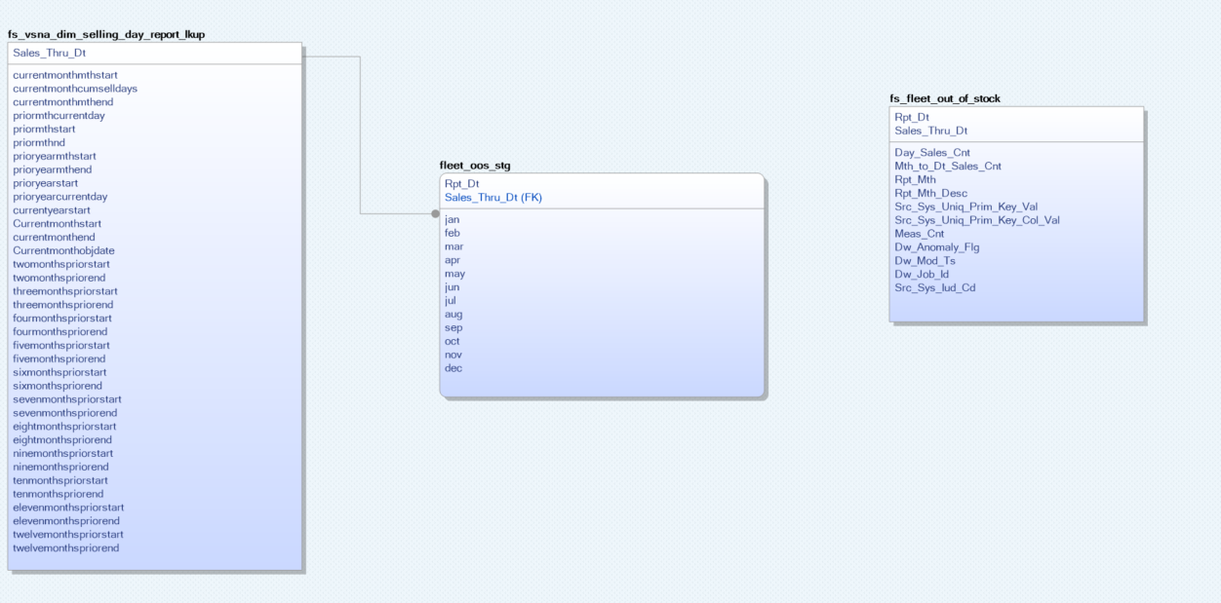
Logical

Provide Logical ER digram and Physical ER digram
** iF questions work with Data Modeler/Architect and fill this out
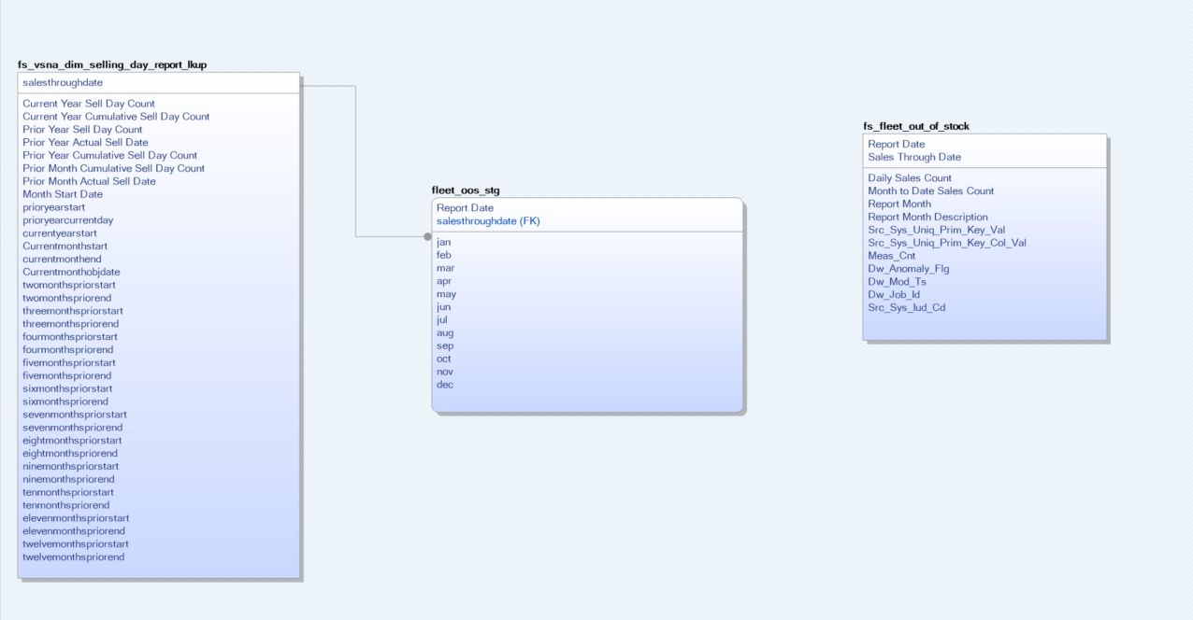

Physical

Daily_Sales_SQL_current_date
--Daily Fleet Sales
-- Fleet OOS
With rtl_sales_thru as (select salesthroughdate as sell_dt,
currentmonthmthstart as cur_mth_start_dt,
currentmonthmthend as cur_mth_end_dt,
--priormthstart as pr_mth_start_dt,
--priormthcurrentday as pr_mth_same_sell_day_dt,
priormthstart as pr_mth_start_dt,
priormthend as pr_mth_end_dt,
currentyearstart as curr_yr_bgn_dt,
--prioryearmthstart as pr_yr_mth_start,
--prioryearmthend as pr_yr_mth_end,
prioryearstart as pr_yr_start,
--prioryearcurrentday as pr_yr_cur_dt
twomonthspriorstart as two_mth_pr_start_dt,
twomonthspriorend as two_mth_pr_end_dt,
threemonthspriorstart as three_mth_pr_start_dt,
threemonthspriorend as three_mth_pr_end_dt,
fourmonthspriorstart as four_mth_pr_start_dt,
fourmonthspriorend as four_mth_pr_end_dt,
fivemonthspriorstart as five_mth_pr_start_dt,
fivemonthspriorend as five_mth_pr_end_dt,
sixmonthspriorstart as six_mth_pr_start_dt,
sixmonthspriorend as six_mth_pr_end_dt,
sevenmonthspriorstart as seven_mth_pr_start_dt,
sevenmonthspriorend as seven_mth_pr_end_dt,
eightmonthspriorstart as eight_mth_pr_start_dt,
eightmonthspriorend as eight_mth_pr_end_dt,
ninemonthspriorstart as nine_mth_pr_start_dt,
ninemonthspriorend as nine_mth_pr_end_dt,
tenmonthspriorstart as ten_mth_pr_start_dt,
tenmonthspriorend as ten_mth_pr_end_dt,
elevenmonthspriorstart as eleven_mth_pr_start_dt,
elevenmonthspriorend as eleven_mth_pr_end_dt,
twelvemonthspriorstart as twelve_mth_pr_start_dt,
twelvemonthspriorend as twelve_mth_pr_end_dt
from marketing360_public.fs_vsna_dim_selling_day_report_lkup
where salesthroughdate = to_date(current_date)), --this query grabs the rtl_sales_thru date
isas as (select fcst_modl_cd, segment_desc, dt_added, rpt_model_name from (
SELECT row_number() over (partition by ddid.rpt_model_name, ddid.fcst_modl_cd ORDER BY ddid.rpt_model_name, ddid.fcst_modl_cd, ddid.rpt_sort, ddid.dw_mod_ts DESC ) as row_num,
ddid.fcst_modl_cd, ddid.rpt_model_name, ddid.modl_cd, ddid.segment_desc, ddid.dt_added
FROM marketing360_public.fs_vsna_dim_dsr_isas_dim ddid
where ddid.report_desc = 'FLT SLS'
and sell_src in (11,12,13,48)
) models where row_num = 1),
pre_day as (
Select
fd.rpt_dt,
fd.sales_through_dt,
Sum(Case
when fd.sales_through_dt = date_sub(to_date(rtl_sales_thru.curr_yr_bgn_dt), 1) then 0
when fd.sales_through_dt = date_sub(to_date(rtl_sales_thru.pr_yr_start), 1) then 0
Else fd.jan
END) as Jan_MTD_Sales,
sum(fd.feb) as Feb_MTD_Sales,
sum(fd.mar) as Mar_MTD_Sales,
sum(fd.apr) as Apr_MTD_Sales,
sum(fd.may) as May_MTD_Sales,
sum(fd.jun) as Jun_MTD_Sales,
sum(fd.jul) as Jul_MTD_Sales,
sum(fd.aug) as Aug_MTD_Sales,
sum(fd.sep) as Sep_MTD_Sales,
sum(fd.oct) as Oct_MTD_Sales,
sum(fd.nov) as Nov_MTD_Sales
--sum(fd.dec) as Dec_MTD_Sales
from dev_dl_edge_base_dcfpa_171749_base_dcfpa_avista.fleet_oos_stg fd, rtl_sales_thru
Where fd.sales_through_dt <= date_sub(to_date(rtl_sales_thru.sell_dt), 1)
and fd.sales_through_dt >= date_sub(to_date(rtl_sales_thru.pr_yr_start), 1)
group by fd.rpt_dt,fd.sales_through_dt
),
curr_day as (
Select
fd.rpt_dt,
fd.sales_through_dt,
fd.rpt_dt as daily_sales_rpt_dt,
sum(fd.jan) as Jan_MTD_Sales,
sum(fd.feb) as Feb_MTD_Sales,
sum(fd.mar) as Mar_MTD_Sales,
sum(fd.apr) as Apr_MTD_Sales,
sum(fd.may) as May_MTD_Sales,
sum(fd.jun) as Jun_MTD_Sales,
sum(fd.jul) as Jul_MTD_Sales,
sum(fd.aug) as Aug_MTD_Sales,
sum(fd.sep) as Sep_MTD_Sales,
sum(fd.oct) as Oct_MTD_Sales,
sum(fd.nov) as Nov_MTD_Sales
--sum(fd.dec) as Dec_MTD_Sales
from dev_dl_edge_base_dcfpa_171749_base_dcfpa_avista.fleet_oos_stg fd, rtl_sales_thru
Where fd.sales_through_dt <= to_date(rtl_sales_thru.sell_dt)
and fd.sales_through_dt >= to_date(rtl_sales_thru.pr_yr_start)
group by fd.rpt_dt, fd.sales_through_dt
)
--Current Day
Select
f.rpt_dt,
sum(f.May_MTD_Sales - pd.May_MTD_Sales) as Daily_Sales
from curr_day f, rtl_sales_thru
left join pre_day pd
ON (
(date_format(to_date(pd.rpt_dt), 'EEE') = 'Sun' and f.rpt_dt = date_sub(to_date(pd.rpt_dt), -2))
OR (date_format(to_date(pd.rpt_dt), 'EEE') <> 'Sun' and f.rpt_dt = date_sub(to_date(pd.rpt_dt), -1))
)
Where f.rpt_dt = rtl_sales_thru.sell_dt
GROUP BY
f.rpt_dt

MTD_Sales_SQL_current_date
-- MTD Fleet OOS Sales
With rtl_sales_thru as (select salesthroughdate as sell_dt,
currentmonthmthstart as cur_mth_start_dt,
--priormthstart as pr_mth_start_dt,
priormthcurrentday as pr_mth_same_sell_day_dt,
priormthstart as pr_mth_start_dt,
priormthend as pr_mth_end_dt,
currentyearstart as curr_yr_bgn_dt
--prioryearmthstart as pr_yr_mth_start
--prioryearmthend as pr_yr_mth_end,
--prioryearstart as pr_yr_start,
--prioryearcurrentday as pr_yr_cur_dt,
from marketing360_public.fs_vsna_dim_selling_day_report_lkup
where salesthroughdate = to_date(current_date)), --this query grabs the rtl_sales_thru date
isas as (select fcst_modl_cd, segment_desc, dt_added, rpt_model_name from (
SELECT row_number() over (partition by ddid.rpt_model_name, ddid.fcst_modl_cd ORDER BY ddid.rpt_model_name, ddid.fcst_modl_cd, ddid.rpt_sort, ddid.dw_mod_ts DESC ) as row_num,
ddid.fcst_modl_cd, ddid.rpt_model_name, ddid.modl_cd, ddid.segment_desc, ddid.dt_added
FROM marketing360_public.fs_vsna_dim_dsr_isas_dim ddid
where ddid.report_desc = 'FLT SLS'
and sell_src in (11,12,13,48)
) models where row_num = 1)
--Current Month
Select
sum(f.may) as MTD_Sales
from dev_dl_edge_base_dcfpa_171749_base_dcfpa_avista.fleet_oos f, rtl_sales_thru
Where f.rpt_dt = rtl_sales_thru.sell_dt

