figure_2_1
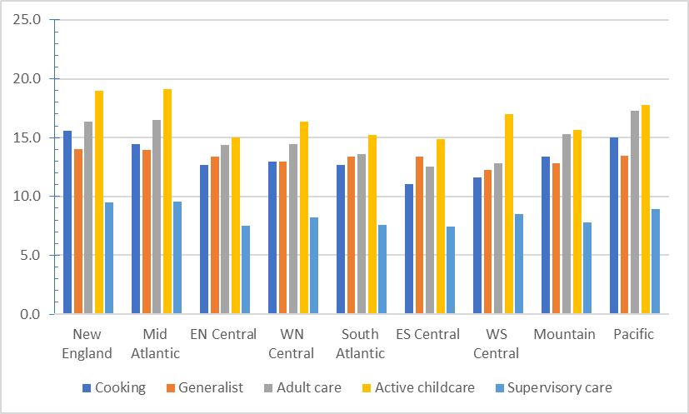

figure_3_2
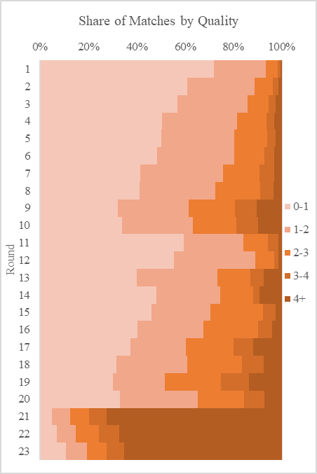
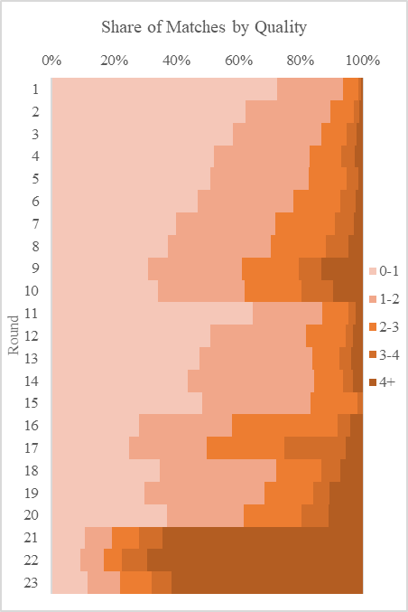
Matching quality by round in the matching of the CE Interview and CE Diary samples with ATUS (based on the shares of the matching distance in each round)
No Small Cells
CE Interview | CE Diary
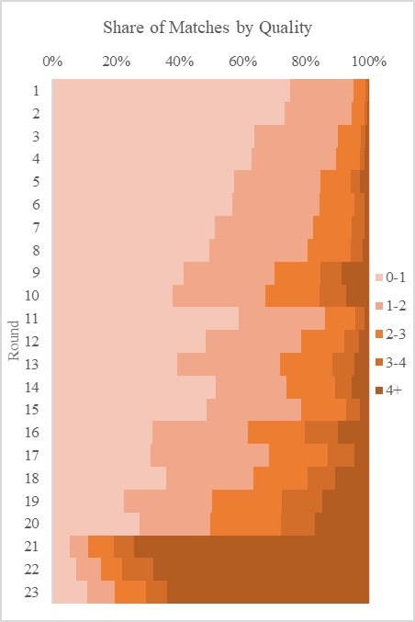
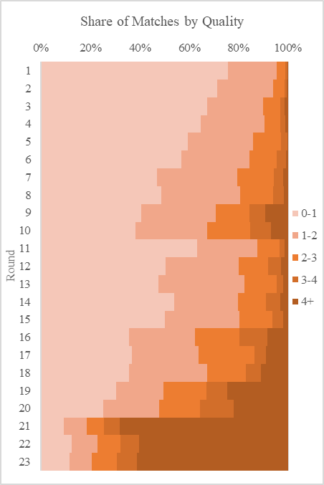

With Small cells
CE Interview | CE Diary

figure_3_3
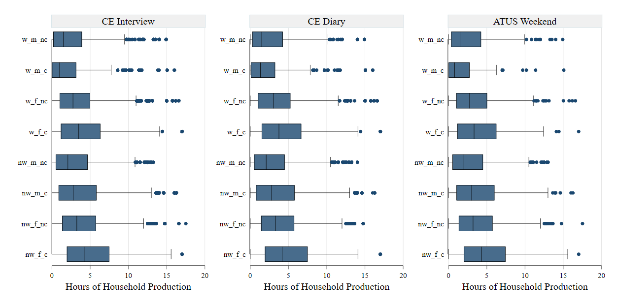
Box Plots: Distribution of daily hours of household production on weekdays and weekends, imputed vs. observed, statistical matching (double matching method without small cells)
Weekdays
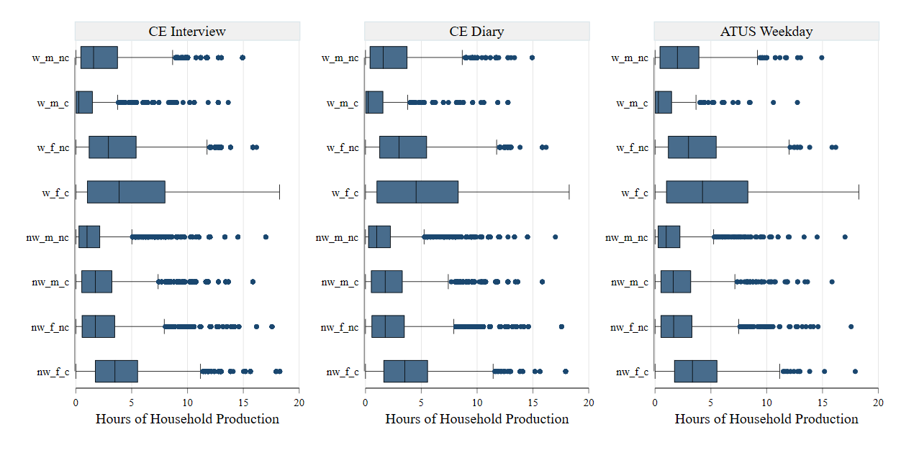

Weekends

figure_3_4
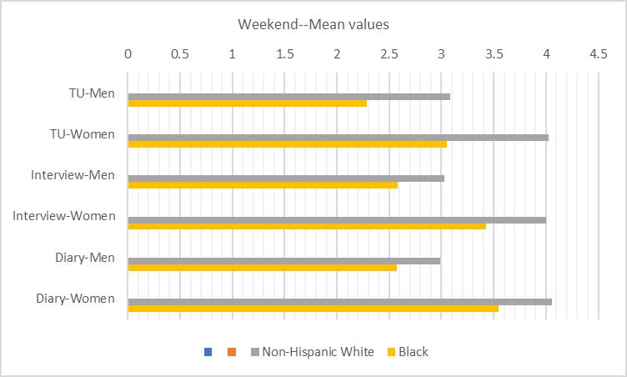
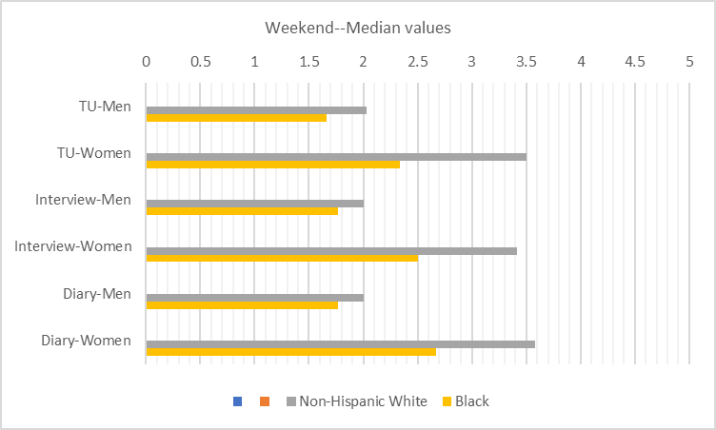
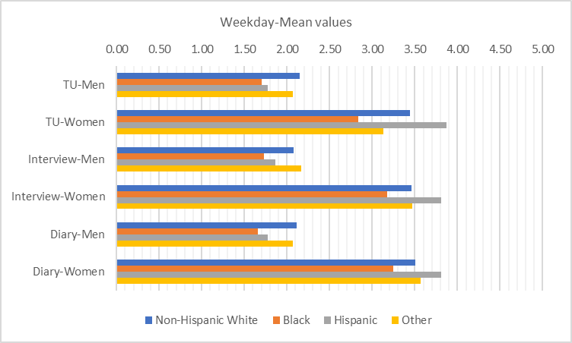
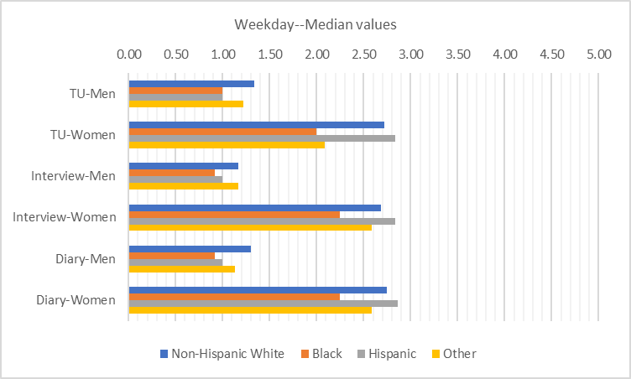
Actual (ATUS) values compared to imputed values, by sex and race/ethnicity (daily hours)

figure_3_5
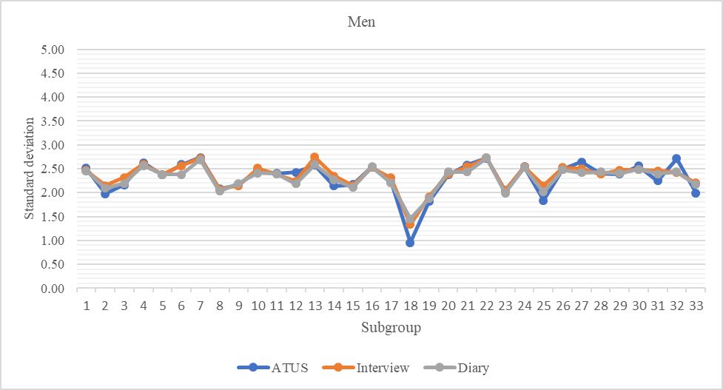
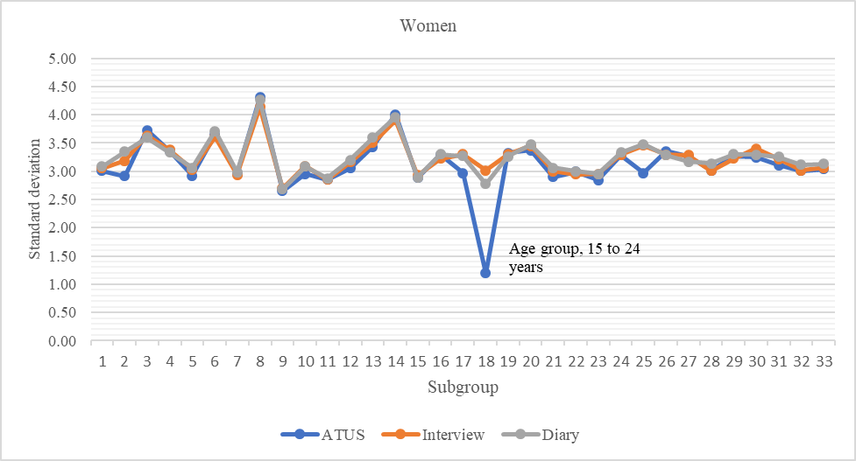
ATUS weekday standard deviation compared to standard deviation in the matched weekday samples, by sex, subgroup, and sample

figure_3_6
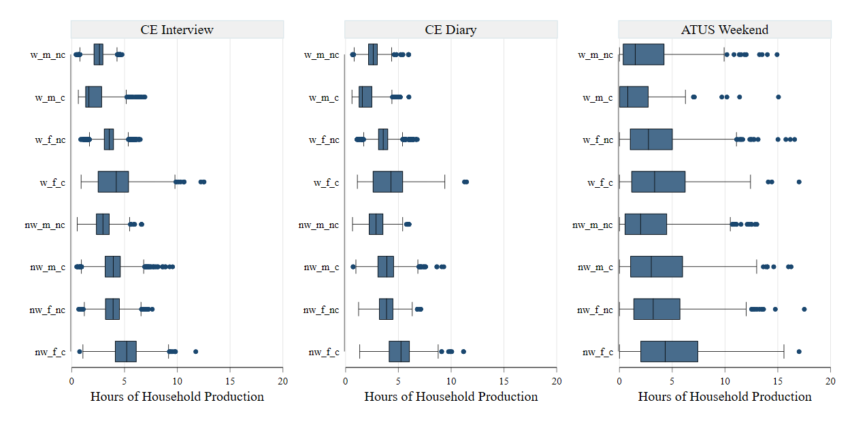
Box Plots: Distribution of daily hours of household production on weekdays and weekends, imputed vs. observed, imputation by prediction (regression prediction)

Weekday
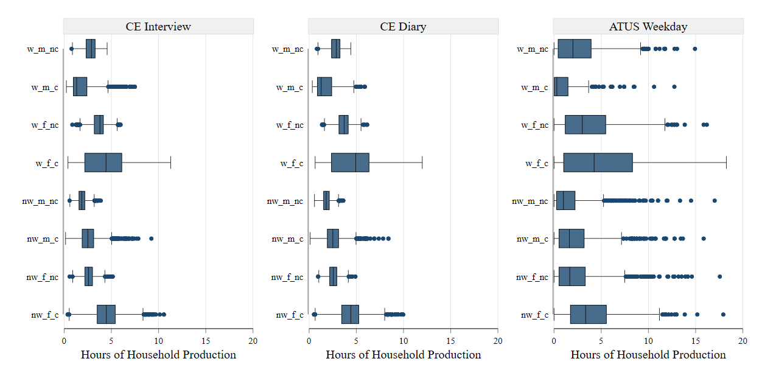

Weekend

figure_3_7
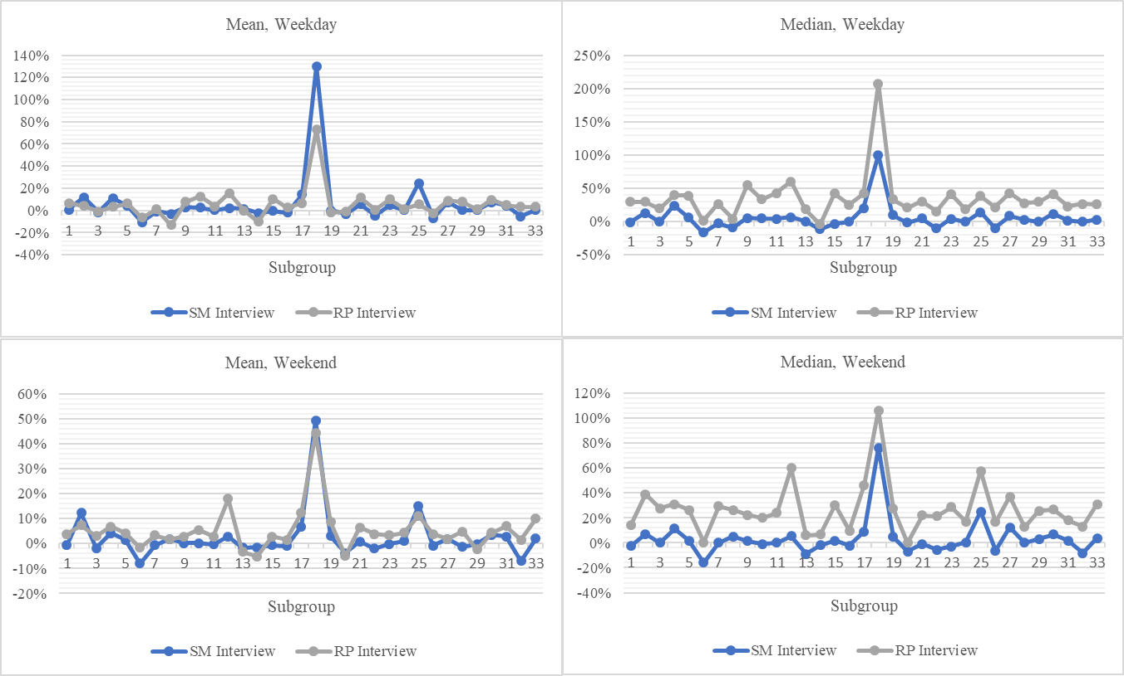
Percentage deviation of the imputed CE Interview sample statistic from the ATUS statistic: comparison of statistical matching (SM) and regression-prediction (RP) for subgroups of women, by statistic and diary day

figure_3_8
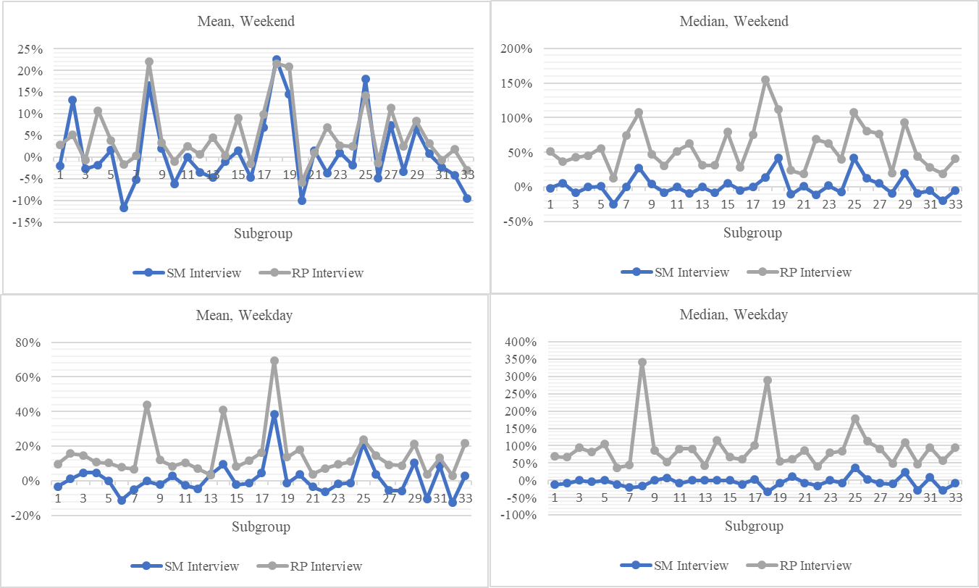
Percentage deviation of the imputed CE Interview sample statistic from the ATUS statistic: comparison of statistical matching (SM) and regression-prediction (RP) for subgroups of men, by statistic and diary day

figure_3_9
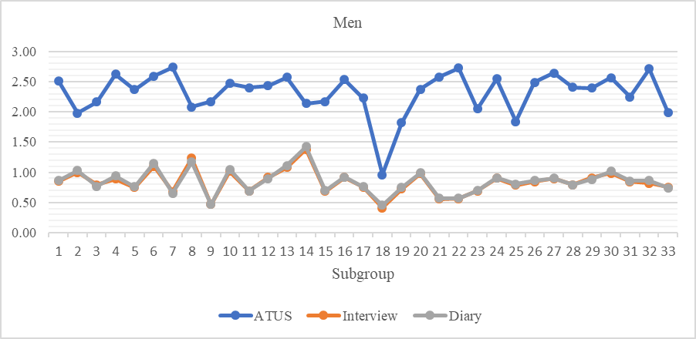
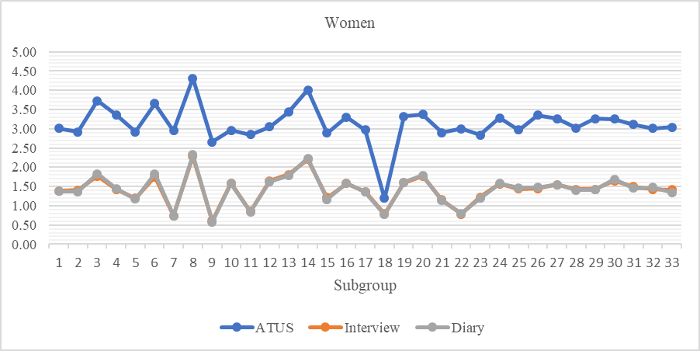
ATUS weekday standard deviation compared to imputed weekday standard deviation in the CE samples using regression-prediction (RP method), by sex, subgroup, and sample

figure_3_10
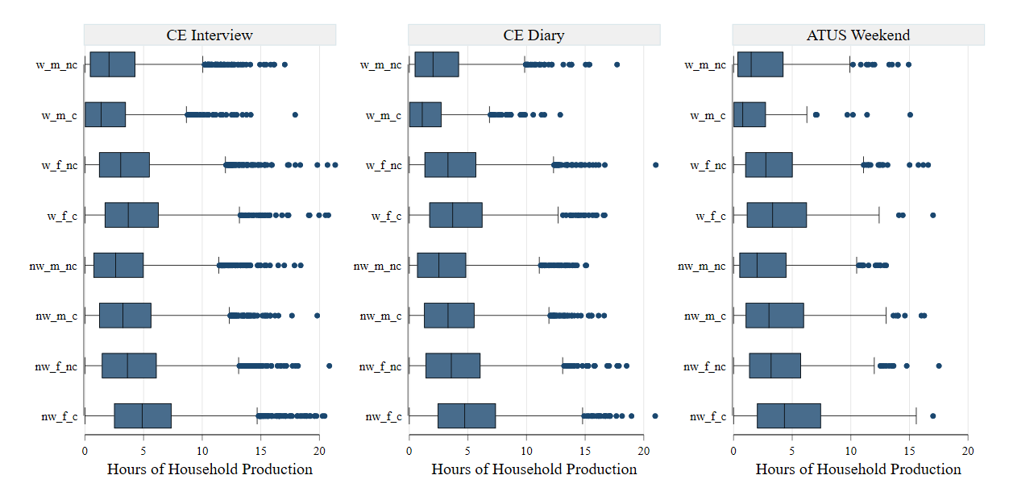
Box Plots: Distribution of daily hours of household production on weekdays and weekends, imputed vs. observed, imputation by prediction (MI method)
Weekdays
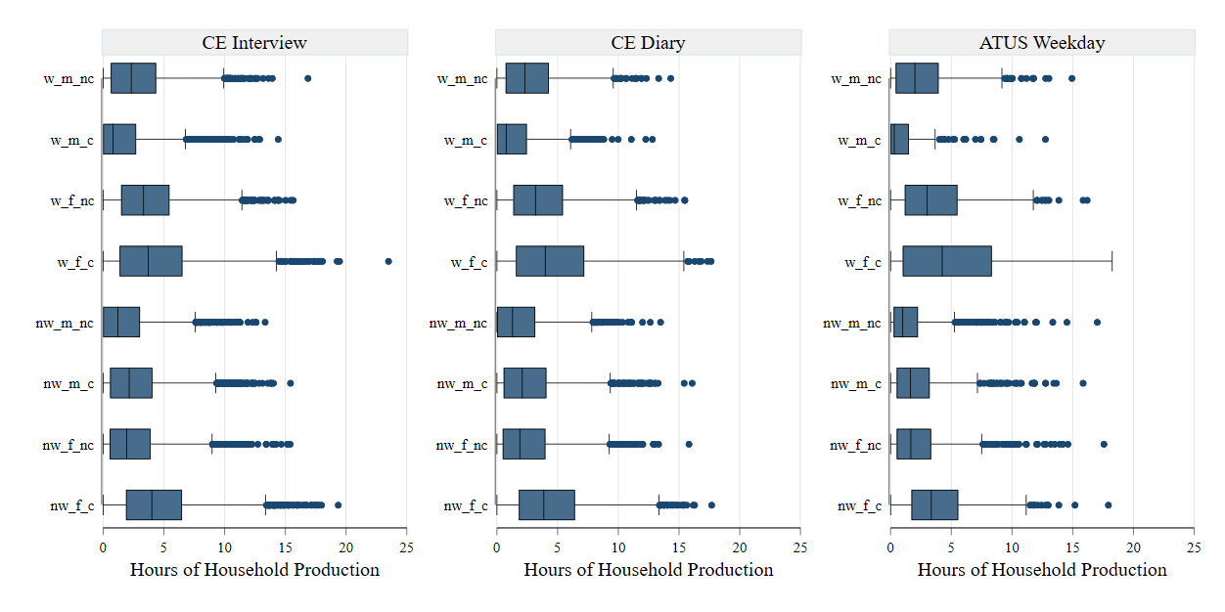

Weekends

figure_3_11
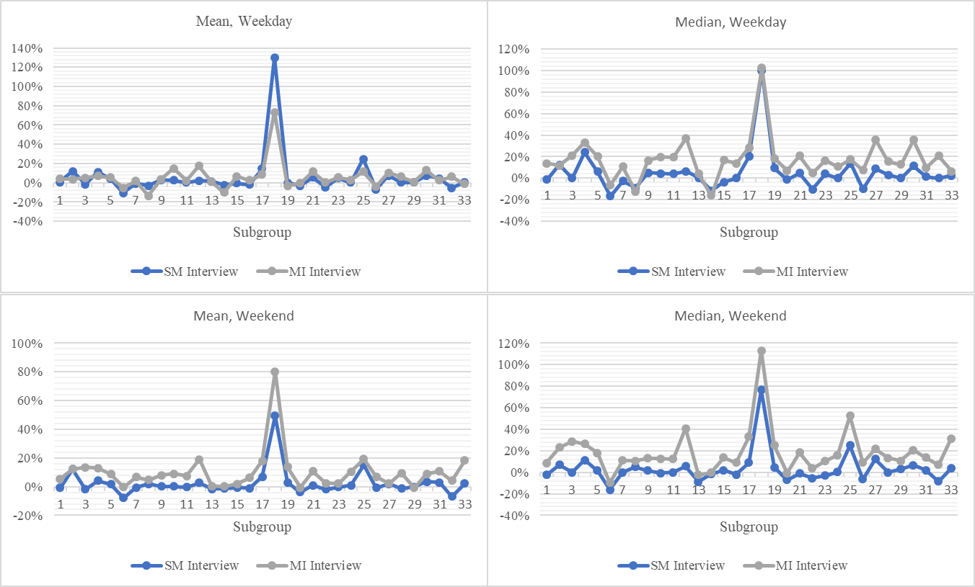
Percentage deviation of the imputed CE Interview sample statistic from the ATUS statistic: comparison of statistical matching (SM) and multiple imputation (MI) for subgroups of women, by statistic and diary day

figure_3_12
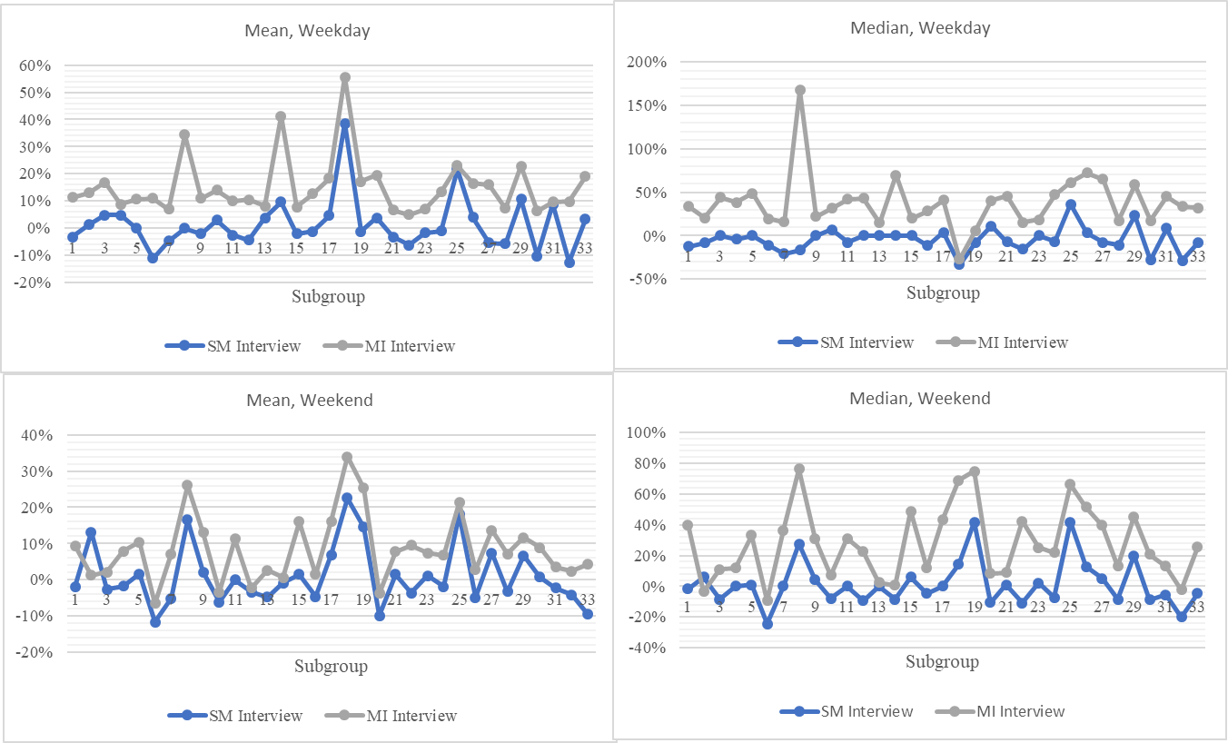
Percentage deviation of the imputed CE Interview sample statistic from the ATUS statistic: comparison of statistical matching (SM) and multiple imputation (MI) for subgroups of men, by statistic and diary day

figure_3_13
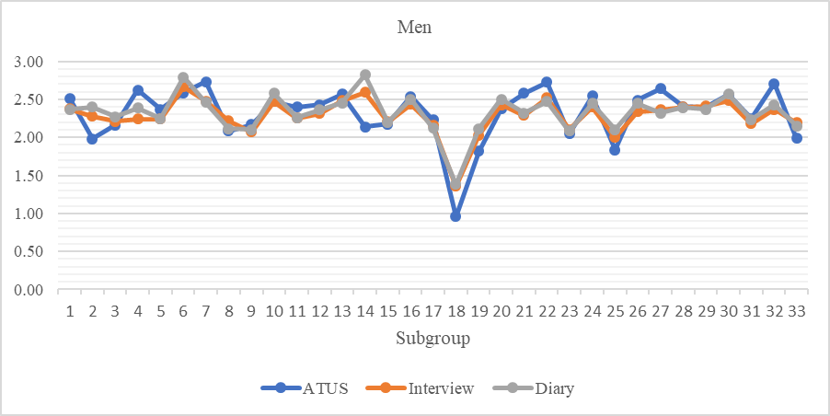
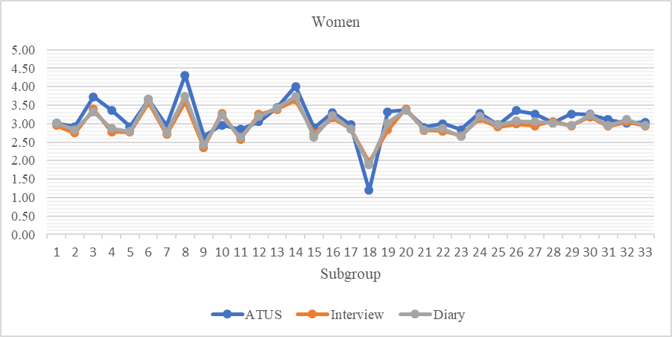
ATUS weekday standard deviation compared to imputed weekday standard deviation in the CE samples using multiple imputation (MI method), by sex, subgroup and sample

figure_3_14
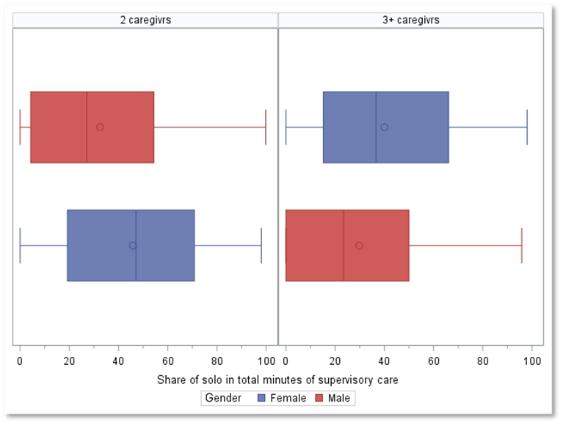
Share of daily supervisory childcare time spent alone (solo) by gender and number of caregivers in the household (percent)

figure_5_1
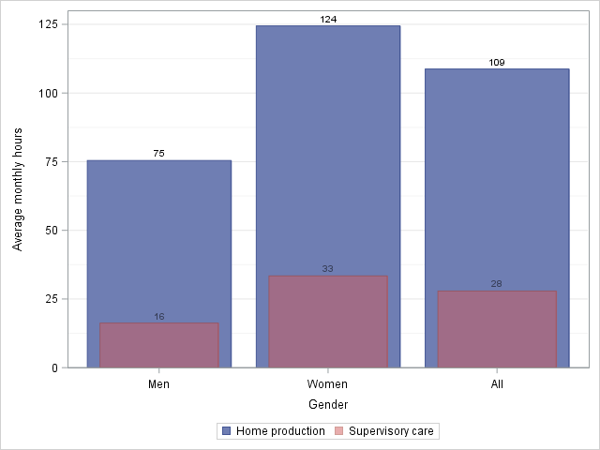
Average monthly hours of home production and supervisory care by persons 15 years and over by gender, 2019

figure_5_2
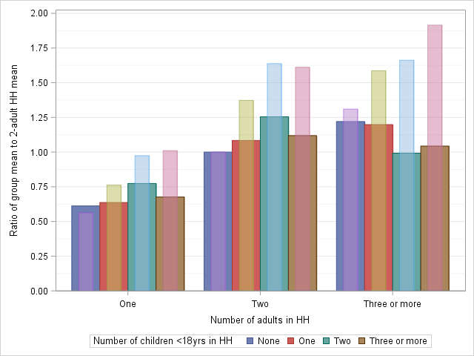
Relative average expenditures by the number of adults and children in the household, standard vs. augmented expenditure definition, 2019

figure_5_3
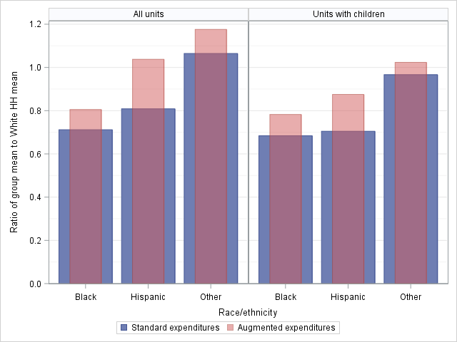
Relative average expenditures by race/ethnicity of the household, standard vs. augmented expenditure definition, 2019

figure_5_4
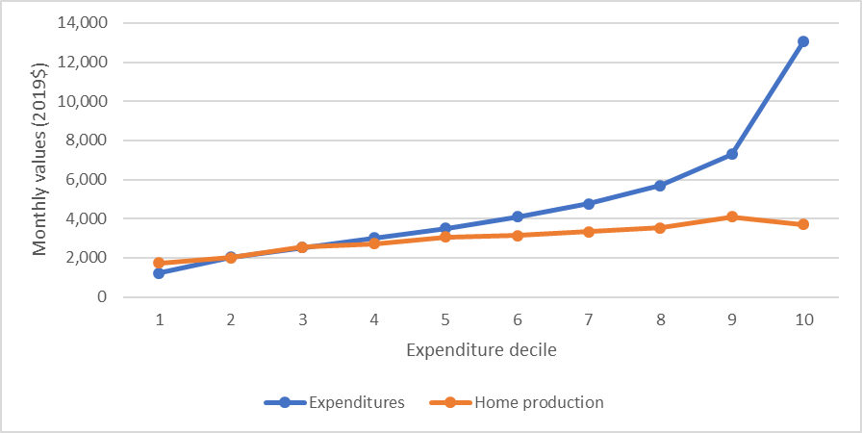
Average monthly values of expenditures and home production by expenditure decile, 2019

figure_5_5
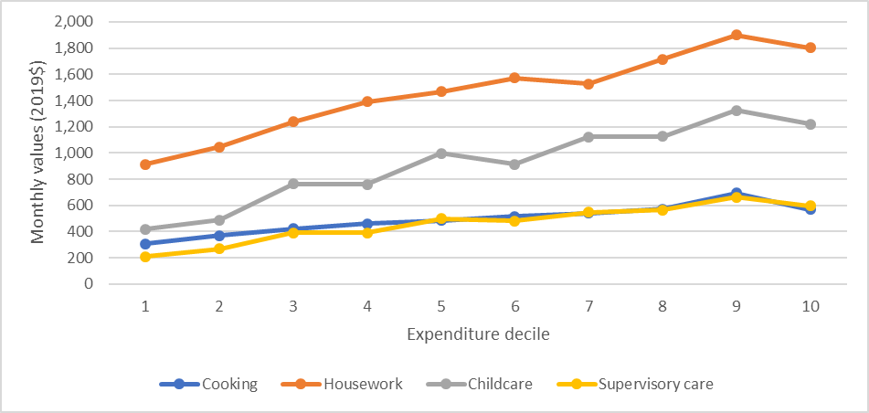
Average monthly values of the major components of home production by expenditure decile, 2019

figure_5_6
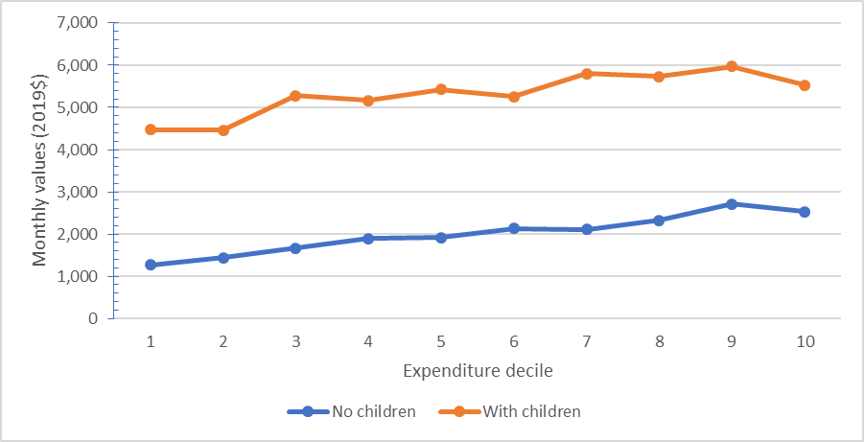
Average monthly value of home production by expenditure decile and presence of children (under 18) in the household, 2019

figure_5_7
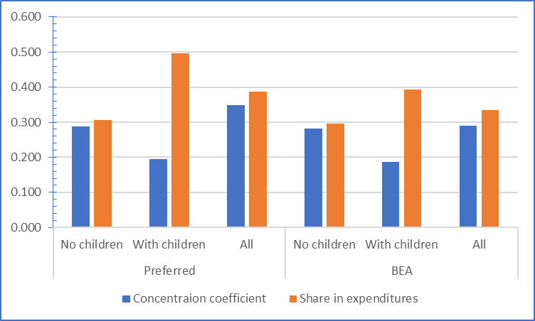
Factors affecting the contribution of home production to consumption inequality by alternative measures, 2019

figure_5_9
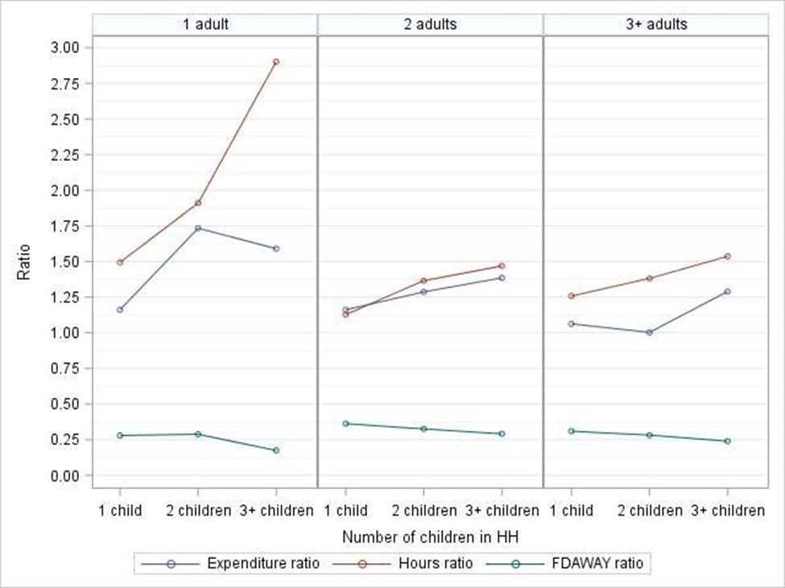
Average monthly food expenditures, average monthly household hours of cooking, and share of expenditures on food away from home in total food expenditures by size and composition of households, 2019

