Glycans (Can't be Made)
Glycans | Picture | Possible Reasons | Solution 1 (rule relaxation) | Solution 2 (Try not to change rules) | Reference
1. (Ma3(Ma2Ma6)Mb4GNb4GN);Asn |  | 1. Different starting glycans (try not to go there) 2. Possible Incorrect data collection since this is the only structure with Ma2Ma6 connection (also with extremely low percentage in the profile, less than 5%) 3. ManII can some how clip off Ma6 or Ma3 even when they are not terminal (unlikely) | Glycan Ignored in this network simulation | Glycan Ignored in this network simulation

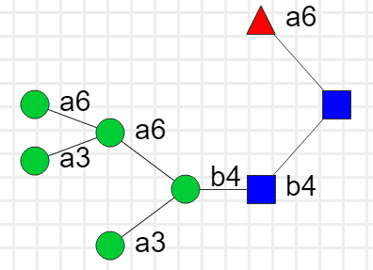
 |  | 1. Fa6 cannot be added to GNb4GN by a6FucT unless with GNb2 attached to the Ma3 chain according to existing rules, and GNb2 cannot be removed | 1. Change the constraints of a6FucT to (Ma3 | Remove the constraints for a6FucT | 1. Qiang Yang et al, 2016, J Biol Chem
2. (Ma3(Ma3(Ma6)Ma6)Mb4GNb4(Fa6)GN)

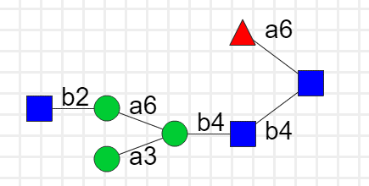
 |  | 1. GNb2 can be added to terminal Ma3 by GnT1 2. Or to terminal Ma6 with a parallel GNb2|Ma3 chain by GnTII (change this one more possible as GnTII adds to Ma6 | 1. Add the substrate (Ma3(Ma6)Ma4 and the products can either be (GNb2Ma3(Ma6)Ma4 or (Ma3(GNb2Ma6)Ma4; no profile glycans made from the existing rule (not likely) 2. Remove the constraints for ManII so that it can chew the starting glycan all the way to (Ma3(Ma6)Ma4 without adding GNb2 to Ma3 first. 3. Change the substrate of GnTII to (Ma3(Ma6) and products to be (Ma3(GNb2Ma6); however, for glycan 6 both Ma6 and Ma3 were connected with GNb2, 4. Therefore; we can achieve such double addition by change the substrate of GnTII to '\(((GNb2)|())Ma3\(Ma6\)Mb4' and the product to be '\(((GNb2)|())Ma3\(GNb2Ma6\)Mb4' | Structure Ma3(GNb2Ma6)Mb4GNb4(Fa6)GN could be treated as GNb2Ma3(Ma6)Mb4GNb4(Fa6)GN rule modification ignored | 1. Niket Shah et al, 2008, PNAS 2. Luis Petersen et al, 2010, Chemical and Biological Engineering 3. Wei Zhong et al, 2008, JACS

3. Ma3(GNb2Ma6)Mb4GNb4(Fa6)GN
GNb2Ma3(Ma6)Mb4GNb4(Fa6)GN;Asn
 | 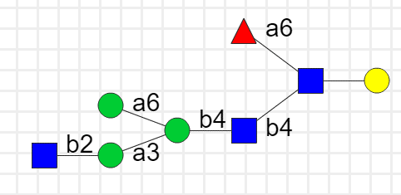
 |  | 1. Possiblly inacurate structure. This is the only structure with GN3Ma3 connection (also with extremely low percentage in the profile, less than 5%); Possible wrong linkage interpretation | 1. Add the substrate (Ma3(GNb2Ma6)Ma4 and the product (GNb3Ma3(GNb2Ma6)Ma4 for iGnT; | 2. Structure 4 could be treated as Ab4GNb2Ma3(Ab4GNb2Ma6)Mb4GNb4GN, rule modification ignored
4. Ab4GNb3Ma3(Ab4GNb2Ma6)Mb4GNb4GN

5 '(NNa3Ab4GNb3Ab4GNb2Ma3(Ma6)Mb4GNb4(Fa6)GN);Asn' |  | 1. GNb3 cannot be added to Ma3 chain | 3. Remove constraints of ~*...Ma3 | Remove the constraints ~*...Ma3 for iGnT (multiple glycans in the profiles with GNb3 added to the Ma3 chain)

 |  | GNb6 cannot be added to Ma6 directly without a GNb2Ma6 substrate (branching) | 1. add a new rule for GnTV : (GNb2Ma3(Ma6)Ma4 as substrate and product to be (GNb2Ma3(GNb6Ma6)Ma4 2. Possible indication of GnTV isoform? | Structure NNa3Ab4GNb2Ma3(NNa3Ab4GNb6Ma6)Mb4GNb4GN;Asn could be treated as NNa3Ab4GNb2Ma3(NNa3Ab4GNb2Ma6)Mb4GNb4GN;Asn | Harry Schachter, 2000, Glycoconjugate Journal

5. NNa3Ab4GNb2Ma3(NNa3Ab4GNb6Ma6)Mb4GNb4GN;Asn

 |  | 1. GNb4 has to branch off Ma3 immediately (directly connected to Ma3) 2. NNa3 has to add to Ab4GN and cannot be added to GNb4 3. We do not care about this one due to its absence from the glycoprofile! | 1. Add a reaction rule: substrate to be (Ab4GNb2 and product to be (GNb4Ab4GNb2 with a constraint of *...Ma3 for enzyme GnTIV (possible isoform differentiation?) 2. Allow addition of NNa3 to (GNb4Ab4 by a3SiaT | Ignored (not present in the profile)
6. '(NNa3GNb4Ab4GNb2Ma3(NNa3Ab4GNb3Ab4GNb6Ma6)Mb4GNb4(Fa6)GN);Asn'

 |  | a6SiaT, α6-Sialyltransferase does not exist is the model | 1. add new rule: a6SiaT, substrate to be (Ab4GN, product to be (NNa6Ab4GN | Add new rule: a6SiaT, substrate to be (Ab4GN, product to be (NNa6Ab4GN No need to add new rule for mgat3 | Wenpin Hou et al, 2015, BMC Bioinformatics
6. Ab4GNb2Ma3(NNa6Ab4GNb2Ma6)Mb4GNb4(Fa6)GN

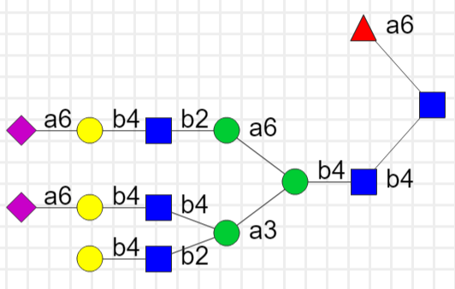
8. Ab4GNb2(NNa6Ab4GNb4)Ma3(NNa6Ab4GNb2Ma6)Mb4GNb4(Fa6)GN

