Maquette
Semaine_Epi | Igm+ | REJETE | Compatible | Line list | Mape | Filtre
SE 01
SE 02
SE 03
SE 04
SE 05
SE 06
SE 07
SE 08
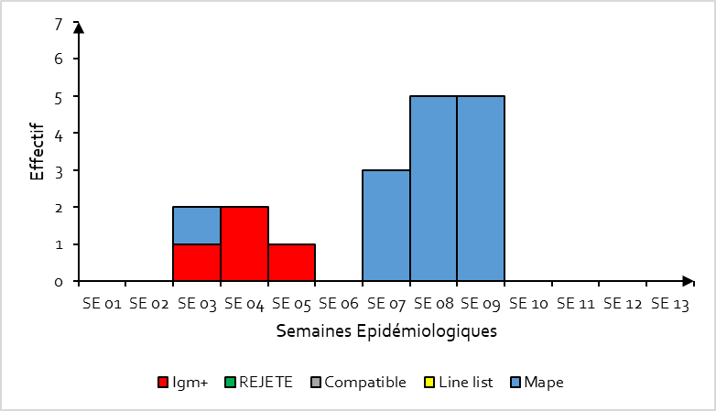
SE 09
SE 10
SE 11
SE 12
SE 13

