8.1B
Diet | Wtloss
A | 3.709
A | 7.087 | Diet A | n | 50
A | 6.754 |  | Mean | 5.341
A | 8.994 |  | SD | 2.536
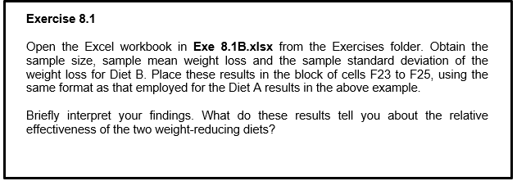
A | 9.077
A | 6.413
A | 5.877
A | 2.572
A | 7.520
A | 6.881
A | 7.265
A | 3.477
A | 3.755
A | 8.760
A | 7.032
A | 9.052
A | 10.062
A | 4.840
A | 6.449
A | 9.019
A | -1.715
A | 4.718 | Diet B | n | 50
A | 4.007 |  | Mean | 3.710
A | 7.241 |  | SD | 2.769
A | 2.128
A | 6.968
A | 4.853 |  | Diet B sample size is the same as Diet A, with 50 individuals undertook the Diet B.
A | 0.055 |  | The average weight loss for those individuals who undertook Diet B is 3.710kg, which means Diet B is less effective compared to Diet A
A | 2.680 |  | The sample standard deviation of the weight loss for Diet B is 2.769kg, since the mean weight lost is larger than 2.769kg, higher proportion of the individuals on Diet B had a positive weight loss.
A | 3.746 |  | However, individuals on Diet A has higher proprtion of a positive weight loss compared to Diet B, as the deviation between mean and SD is larger in Diet A.
A | 7.033
A | 5.033
A | 5.569
A | 6.712
A | 3.663
A | 2.741
A | 6.256
A | 5.349
A | 7.300
A | 5.445
A | 4.970
A | 3.613
A | 7.568
A | 5.861
A | 4.157
A | 0.203
A | 4.441
A | 5.875
A | 5.715
A | 0.280
B | -1.087
B | 1.819
B | 0.074
B | 1.755
B | 1.889
B | 3.089
B | 4.008
B | 4.551
B | 1.372
B | 3.413
B | -4.148
B | 2.823
B | 2.865
B | 4.369
B | 6.337
B | 6.308
B | 3.494
B | 10.539
B | 3.840
B | 5.123
B | 5.485
B | -1.894
B | 8.016
B | 2.310
B | 3.882
B | 7.030
B | 7.727
B | 0.105
B | 3.650
B | 4.547
B | 4.985
B | 5.159
B | 4.760
B | 4.934
B | 3.106
B | 5.598
B | 2.162
B | 6.520
B | 7.046
B | 1.757
B | 1.848
B | 1.096
B | 2.145
B | 8.435
B | 6.099
B | 3.972
B | 2.409
B | 0.569
B | 7.013
B | 2.594

8.2B
Diet | Wtloss
A | 3.709
A | 7.087 | Diet A | n | 50
A | 6.754 |  | Mean | 5.341
A | 8.994 |  | SD | 2.536
A | 9.077 |  | Median | 5.642
A | 6.413 |  | Q1 | 3.748
A | 5.877 |  | Q3 | 7.033
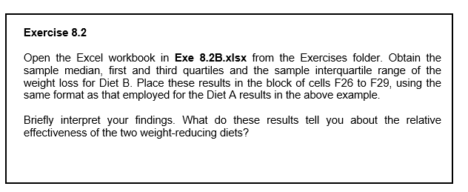
A | 2.572 |  | IQR | 3.285
A | 7.520
A | 6.881
A | 7.265
A | 3.477
A | 3.755
A | 8.760
A | 7.032
A | 9.052
A | 10.062
A | 4.840
A | 6.449
A | 9.019
A | -1.715
A | 4.718 | Diet B | n | 50
A | 4.007 |  | Mean | 3.710
A | 7.241 |  | SD | 2.769
A | 2.128 |  | Median | 3.745
A | 6.968 |  | Q1 | 1.953
A | 4.853 |  | Q3 | 5.404
A | 0.055 |  | IQR | 3.451
A | 2.680
A | 3.746 |  | The sample median weight loss for Diet B is M = 3.745 kg, so the diet appears to have been less effective compared to Diet A
A | 7.033 |  | The sample interquartile range of the weight loss for Diet A is IQR = 3.285 kg. A high proportion of those individuals on Diet A had a positive weight loss, again emphasising the effectiveness of the diet.
A | 5.033 |  | The sample standard deviation of the weight loss for Diet B is 2.769kg, since the mean weight lost is larger than 2.769kg, higher proportion of the individuals on Diet B had a positive weight loss.
A | 5.569 |  | However, individuals on Diet A has higher proprtion of a positive weight loss compared to Diet B, as the deviation between mean and SD is larger in Diet A.
A | 6.712 |  | The sample interquartile range of the weight loss for Diet B is IQR = 3.451 kg. A high proportion of those individuals on Diet A had a positive weight loss, emphasising the effectiveness of the diet.
A | 3.663
A | 2.741
A | 6.256
A | 5.349
A | 7.300
A | 5.445
A | 4.970
A | 3.613
A | 7.568
A | 5.861
A | 4.157
A | 0.203
A | 4.441
A | 5.875
A | 5.715
A | 0.280
B | -1.087
B | 1.819
B | 0.074
B | 1.755
B | 1.889
B | 3.089
B | 4.008
B | 4.551
B | 1.372
B | 3.413
B | -4.148
B | 2.823
B | 2.865
B | 4.369
B | 6.337
B | 6.308
B | 3.494
B | 10.539
B | 3.840
B | 5.123
B | 5.485
B | -1.894
B | 8.016
B | 2.310
B | 3.882
B | 7.030
B | 7.727
B | 0.105
B | 3.650
B | 4.547
B | 4.985
B | 5.159
B | 4.760
B | 4.934
B | 3.106
B | 5.598
B | 2.162
B | 6.520
B | 7.046
B | 1.757
B | 1.848
B | 1.096
B | 2.145
B | 8.435
B | 6.099
B | 3.972
B | 2.409
B | 0.569
B | 7.013
B | 2.594

8.3D
Area | Brand
1 | B
1 | Other | Frequencies
1 | A
1 | B |  | Area 1 | Area 2
1 | Other | A | 11 | 19
1 | A | B | 17 | 30
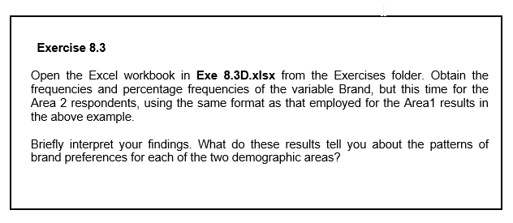
1 | Other | Other | 42 | 41
1 | Other | Total | 70 | 90
1 | Other
1 | Other
1 | B | Percentages
1 | Other
1 | Other |  | Area 1 | Area 2
1 | A | A | 15.7 | 21.1
1 | A | B | 24.3 | 33.3
1 | A | Other | 60.0 | 45.6
1 | B | Total | 100 | 100
1 | A
1 | Other
1 | B
1 | A
1 | B
1 | Other
1 | Other | Thus 19 out of 90 respondents in Area 2 preferred Brand A, 30 preferred Brand B, and the remaining 41 preferred some other brand of breakfast cereal.
1 | B | Thus, of the 90 respondents in Area 2, 21.1% preferred Brand A, 33.3% preferred Brand B, and the remaining 45.6% preferred some other brand of breakfast cereal.
1 | B
1 | Other
1 | Other
1 | Other
1 | Other
1 | Other
1 | B
1 | B
1 | Other
1 | Other
1 | B
1 | B
1 | B
1 | Other
1 | Other
1 | B
1 | Other
1 | Other
1 | Other
1 | Other
1 | Other
1 | Other
1 | Other
1 | Other
1 | Other
1 | A
1 | Other
1 | A
1 | Other
1 | Other
1 | Other
1 | A
1 | A
1 | Other
1 | Other
1 | Other
1 | Other
1 | Other
1 | Other
1 | B
1 | Other
1 | B
1 | Other
1 | Other
1 | B
2 | A
2 | B
2 | A
2 | Other
2 | A
2 | B
2 | Other
2 | Other
2 | B
2 | B
2 | Other
2 | B
2 | B
2 | Other
2 | Other
2 | A
2 | B
2 | A
2 | Other
2 | B
2 | Other
2 | Other
2 | A
2 | Other
2 | A
2 | B
2 | Other
2 | B
2 | Other
2 | B
2 | Other
2 | B
2 | Other
2 | B
2 | A
2 | A
2 | Other
2 | B
2 | Other
2 | Other
2 | A
2 | B
2 | B
2 | Other
2 | Other
2 | Other
2 | Other
2 | B
2 | B
2 | B
2 | Other
2 | Other
2 | B
2 | B
2 | A
2 | Other
2 | B
2 | A
2 | A
2 | B
2 | Other
2 | Other
2 | Other
2 | B
2 | Other
2 | Other
2 | A
2 | Other
2 | A
2 | B
2 | B
2 | Other
2 | Other
2 | B
2 | Other
2 | A
2 | Other
2 | A
2 | Other
2 | Other
2 | Other
2 | Other
2 | Other
2 | A
2 | B
2 | A
2 | B
2 | B
2 | Other
2 | Other

8.4G
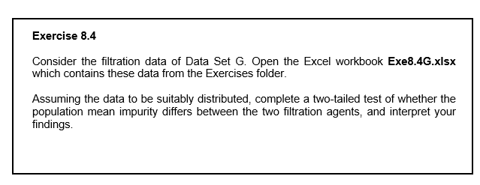
Batch | Agent1 | Agent2
1 | 7.7 | 8.5
2 | 9.2 | 9.6
3 | 6.8 | 6.4
4 | 9.5 | 9.8
5 | 8.7 | 9.3
6 | 6.9 | 7.6
7 | 7.5 | 8.2
8 | 7.1 | 7.7
9 | 8.7 | 9.4
10 | 9.4 | 8.9
11 | 9.4 | 9.7
12 | 8.1 | 9.1

 | Agent1 | Agent2
Mean | 8.25 | 8.6833333333
Variance
Observations | 12 | 12
Pearson Correlation
Hypothesized Mean Difference
df
t Stat
P(T<=t) one-tail
t Critical one-tail
P(T<=t) two-tail
t Critical two-tail

Difference in Means |  | 0.43333333333

 | The sample mean numbers of items sold for Agent 1 and 2 were, respectively 8.25 and 8.683. The data therefore constitute minor evidence that the underlying mean number of containers sold was greater for Agent 2, by an estimated 8.683-8.25 = 0.433 items per store. The results suggest that Agent 2 should be preferred with a minor positive upside.

