Neighborhood
Neighborhood CBC_MSIZ (Effective mesh size)*
Neighborhood | CBC_MSIZ (Effective mesh size)* | MSIZ (Effective mesh size) | DIVI (Degree of landscape division) | SPLI (Splitting index) | COH (Degree of coherence ) | SDEN (Splitting density) | NPRO | CBC_NPRO
Würzburg Sanderau | 0.00 | 0.0000 | 1.0000 | 0.0000 | 0.0000 | 0.0000 | 0.0000 | 0.0000
Würzburg Altstadt | 0.00 | 0.0000 | 1.0000 | 0.0000 | 0.0000 | 0.0000 | 0.0000 | 0.0000
Würzburg Lengfeld | 0.00 | 0.0001 | 1.0000 | 105487.2802 | 0.0000 | 12928.7887 | 0.0006 | 0.0022
Würzburg Frauenlad, Hubland and Keesburg | 0.01 | 0.0074 | 0.9991 | 1091.8003 | 0.0009 | 134.7170 | 0.0602 | 0.0700
Giebelstadt | 0.01 | 0.0089 | 0.9998 | 5367.4023 | 0.0002 | 111.9104 | 0.4286 | 0.5044
Gaukönigshofen | 0.01 | 0.0023 | 0.9999 | 14202.4459 | 0.0001 | 444.5210 | 0.0719 | 0.4379
Gelchsheim, Sonderhofen | 0.01 | 0.0093 | 0.9997 | 3715.6053 | 0.0003 | 107.6572 | 0.3206 | 0.4813
Rottendorf | 0.08 | 0.0456 | 0.9969 | 324.5018 | 0.0031 | 21.9354 | 0.6744 | 1.1211
Geroldshausen | 0.12 | 0.0003 | 1.0000 | 33693.4758 | 0.0000 | 3227.6227 | 0.0032 | 1.2564
Gerbrunn | 0.15 | 0.0737 | 0.9841 | 62.8631 | 0.0159 | 13.5729 | 0.3412 | 0.6961
Bergtheim, Oberpleichfeld | 0.16 | 0.1208 | 0.9966 | 291.4857 | 0.0034 | 8.2815 | 4.2501 | 5.6264
Kürnach | 0.18 | 0.1687 | 0.9863 | 73.0024 | 0.0137 | 5.9282 | 2.0773 | 2.2030
Kirchheim | 0.18 | 0.1650 | 0.9913 | 114.8832 | 0.0087 | 6.0620 | 3.1263 | 3.4612
Würzburg Versbach and Lindleinsmühle | 0.19 | 0.1716 | 0.9832 | 59.6860 | 0.0168 | 5.8275 | 1.7575 | 1.9024
Hettstadt | 0.19 | 0.1387 | 0.9901 | 100.8178 | 0.0099 | 7.2112 | 1.9388 | 2.6679
Aub | 0.22 | 0.2154 | 0.9877 | 81.2912 | 0.0123 | 4.6421 | 3.7725 | 3.8122
Prosselsheim | 0.22 | 0.1945 | 0.9902 | 102.2989 | 0.0098 | 5.1412 | 3.8703 | 4.4142
Ochsenfurt | 0.28 | 0.2012 | 0.9968 | 315.6730 | 0.0032 | 4.9703 | 12.7785 | 17.7383
Bieberehren | 0.29 | 0.1724 | 0.9883 | 85.4085 | 0.0117 | 5.8022 | 2.5370 | 4.3312
Bütthard | 0.35 | 0.3386 | 0.9906 | 106.7410 | 0.0094 | 2.9535 | 12.2364 | 12.6934
Frickenhausen | 0.48 | 0.3038 | 0.9708 | 34.2834 | 0.0292 | 3.2918 | 3.1639 | 5.0166
Eisenheim | 0.49 | 0.3439 | 0.9702 | 33.5182 | 0.0298 | 2.9083 | 3.9629 | 5.6276
Eibelstadt | 0.63 | 0.1629 | 0.9769 | 43.3524 | 0.0231 | 6.1376 | 1.1508 | 4.4768
Winterhausen | 0.65 | 0.3939 | 0.9753 | 40.5089 | 0.0247 | 2.5385 | 6.2865 | 10.3819
Theilheim | 0.65 | 0.2003 | 0.9793 | 48.2776 | 0.0207 | 4.9935 | 1.9361 | 6.3094
Randersacker | 0.69 | 0.3717 | 0.9770 | 43.4940 | 0.0230 | 2.6907 | 6.0074 | 11.1846
Würzburg Unterürrbach Oberdürbach | 0.75 | 0.7234 | 0.9607 | 25.4242 | 0.0393 | 1.3823 | 13.3059 | 13.7777
Erlabrunn | 0.75 | 0.2635 | 0.9343 | 15.2280 | 0.0657 | 3.7953 | 1.0572 | 3.0281
Höchberg | 0.81 | 0.1356 | 0.9821 | 55.8054 | 0.0179 | 7.3772 | 1.0254 | 6.1197
Remlingen | 1.00 | 0.7964 | 0.9610 | 25.6520 | 0.0390 | 1.2557 | 16.2680 | 20.5057
Margetshöchheim | 1.08 | 0.4085 | 0.9386 | 16.2808 | 0.0614 | 2.4479 | 2.7171 | 7.1964
Riedenheim | 1.42 | 1.1820 | 0.9506 | 20.2584 | 0.0494 | 0.8460 | 28.3018 | 34.0510
Greußenheim | 1.44 | 0.5869 | 0.9667 | 30.0669 | 0.0333 | 1.7038 | 10.3578 | 25.4013
Waldbüttelbrunn | 1.46 | 0.2808 | 0.9853 | 68.1502 | 0.0147 | 3.5612 | 5.3738 | 27.9885
Altertheim | 1.48 | 0.6176 | 0.9743 | 38.8551 | 0.0257 | 1.6191 | 14.8225 | 35.5506
Würzburg Heuchelhof | 1.49 | 0.1421 | 0.9930 | 142.4127 | 0.0070 | 7.0361 | 2.8766 | 30.0601
Rüttingen, Tauberrettersheim | 1.61 | 1.4142 | 0.9605 | 25.2847 | 0.0395 | 0.7071 | 50.5696 | 57.4855
Kleinrinderfeld | 1.76 | 0.1269 | 0.9852 | 67.6912 | 0.0148 | 7.8814 | 1.0897 | 15.1576
Leinach | 1.78 | 1.2271 | 0.9562 | 22.8372 | 0.0438 | 0.8150 | 34.3852 | 49.8573
Neubrunn | 1.81 | 1.5524 | 0.9413 | 17.0424 | 0.0587 | 0.6442 | 41.0720 | 47.9248
Veitshöchheim | 2.10 | 0.7267 | 0.9326 | 14.8377 | 0.0674 | 1.3761 | 7.8353 | 22.6005
Estenfeld | 2.18 | 0.2200 | 0.9878 | 82.1574 | 0.0122 | 4.5462 | 3.9751 | 39.4741
Zell a. Main | 2.26 | 1.4225 | 0.8568 | 6.9826 | 0.1432 | 0.7030 | 14.1284 | 22.4411
Helmstadt | 2.30 | 0.6104 | 0.9732 | 37.3368 | 0.0268 | 1.6383 | 13.9115 | 52.3422
Eisingen | 2.38 | 0.0644 | 0.9879 | 82.4399 | 0.0121 | 15.5292 | 0.3419 | 12.6351
Thüngershem | 2.69 | 1.2557 | 0.8862 | 8.7871 | 0.1138 | 0.7964 | 13.8552 | 29.7191
Holzkirchen | 3.82 | 1.0411 | 0.9525 | 21.0394 | 0.0475 | 0.9606 | 22.8027 | 83.7078
Güntersleben | 5.22 | 0.3503 | 0.9782 | 45.8145 | 0.0218 | 2.8547 | 5.6218 | 83.7404
Unterpleichfeld | 5.24 | 0.3420 | 0.9857 | 69.7664 | 0.0143 | 2.9238 | 8.1610 | 125.0778
Hausen b. Würzburg | 5.77 | 0.4451 | 0.9797 | 49.1487 | 0.0203 | 2.2465 | 9.7387 | 126.3381
Waldbrunn, Irtenberger Wald | 8.02 | 1.5566 | 0.8599 | 7.1401 | 0.1401 | 0.6424 | 17.2999 | 89.1898
Würzburg Zellerau Steinbachtal | 13.63 | 3.3107 | 0.8231 | 5.6531 | 0.1769 | 0.3021 | 61.9617 | 255.0896
Reichenberg, Guttenberger Wald | 14.42 | 10.3607 | 0.8003 | 5.0078 | 0.1997 | 0.0965 | 537.5542 | 748.0932
Kist, Irtenberger Wald | 16.39 | 7.9463 | 0.4406 | 1.7875 | 0.5594 | 0.1258 | 112.8728 | 232.7937
Rimpar | 26.57 | 21.5593 | 0.6318 | 2.7162 | 0.3682 | 0.0464 | 1262.5148 | 1556.0457

Veg_general
Potential Natural Vegetation | CBC_MSIZ (Effective mesh size)* | MSIZ | patches | At | sum_Ai | DIVI | SPLI | COH | SDEN | NPRO | CBC_NPRO
Wet and swampy riparian forests enriched with hardwood trees in alluvial plain. | 0.05 | 0.01 | 81.00 | 24.20 | 1.20 | 1.00 | 2001.85 | 0.00 | 82.71 | 0.29 | 1.09
Moist hornbeam forests on wet or waterlogged soils | 0.69 | 0.04 | 86.00 | 37.34 | 4.32 | 1.00 | 881.00 | 0.00 | 23.59 | 1.58 | 25.63
Beech and spruce on moderately alkaline soils | 2.64 | 1.33 | 263.00 | 570.07 | 112.95 | 1.00 | 428.92 | 0.00 | 0.75 | 757.67 | 1506.25
Beech and spruce on acid soils | 5.72 | 3.10 | 98.00 | 147.80 | 47.04 | 0.98 | 47.62 | 0.02 | 0.32 | 458.76 | 844.95
Beech and spruce trees on strongly alkaline and calcareous soils. | 5.76 | 2.95 | 335.00 | 274.42 | 104.22 | 0.99 | 93.07 | 0.01 | 0.34 | 809.16 | 1580.65
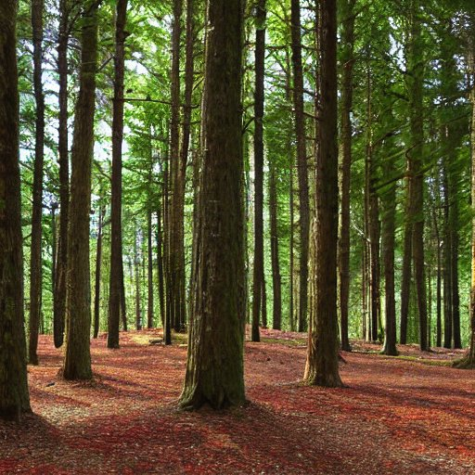
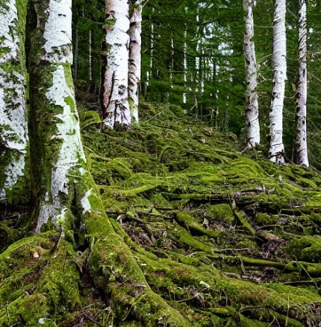
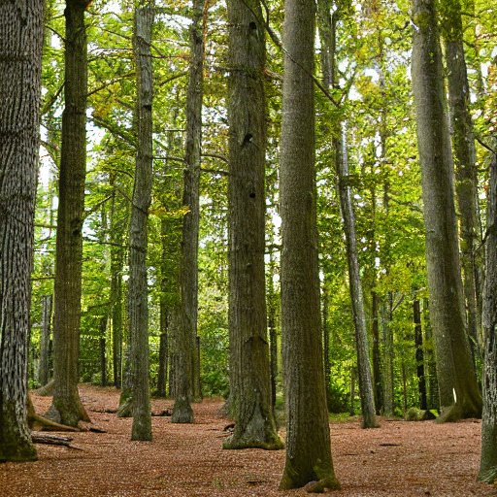
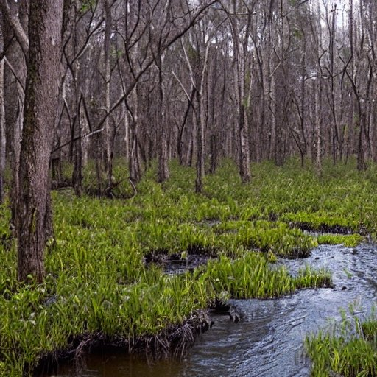
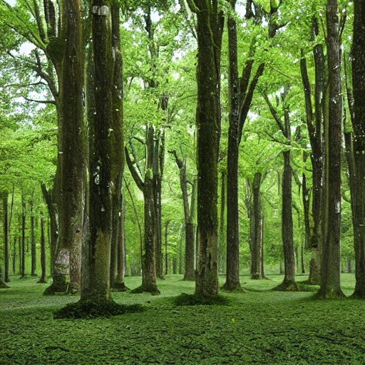
Effective mesh size within the Potential Natural Vegetation unit

Veg_complete
Relieve | Upper Group | Units of Potential Natural Vegetation | CBC_MSIZ | MSIZ | patches | At | sum_Ai | DIVI | SPLI | COH | SDEN | NPRO | CBC_NPRO
Colline forms (up to 250 m) | Wet and swampy riparian forests enriched with hardwood trees in alluvial plain. | 1 - Forest of white elm, pedunculate oak and white willow, in an environment of alluvial forests and wetlands near rivers or streams. | 0.04501000 | 0.01209000 | 81 | 24.20200000 | 1.20100000 | 0.99950046 | 2001.85156730 | 0.00049954 | 82.71430325 | 0.29260000 | 1.08931000
 | Moist hornbeam forests on wet or waterlogged soils | 2 - Ash, hornbeam and Stachys sylvatica forest | 0.97997000 | 0.01812000 | 42 | 20.92490000 | 1.79520000 | 0.99913407 | 1154.82226717 | 0.00086593 | 55.18890256 | 0.37915000 | 20.50574000
 |  | 3- Ash and hornbeam forest with riparian forest | 0.30718000 | 0.06654000 | 43 | 12.95070000 | 1.94040000 | 0.99486196 | 194.62655699 | 0.00513804 | 15.02826542 | 0.86176000 | 3.97818000
 |  | 4 - Ash and hornbeam forest with swamp forest with black alder and Carex elongata. | 0.32968000 | 0.09861000 | 1 | 3.46920000 | 0.58490000 | 0.97157473 | 35.17996740 | 0.02842527 | 10.14065704 | 0.34211000 | 1.14371000
 | Beech and spruce on acid soils | 5 - Typical Beech Forest with Luzula luzuloides | 1.17351000 | 0.60246000 | 31 | 18.51280000 | 5.73290000 | 0.96745737 | 30.72892230 | 0.03254263 | 1.65987437 | 11.15313000 | 21.72502000
 |  | 6 - Beech forests with Luzula luzuloides scaly fern, mountain maple, Carpathian birch and the presence of large blocks of rock on the ground. | 1.39748000 | 0.62485000 | 1 | 1.14460000 | 0.84570000 | 0.45408481 | 1.83178636 | 0.54591519 | 1.60037250 | 0.71521000 | 1.59956000
 |  | 7 - Beech forest with Luzula luzuloides and Briza media | 3.40594000 | 1.15822000 | 36 | 65.71320000 | 10.90400000 | 0.98237469 | 56.73657842 | 0.01762531 | 0.86339698 | 76.11006000 | 223.81507000
 |  | 8 - Beech forests with glossy-leaved Carex montana luzula, beech, odorous asperilla, sessile oak and hornbeam. | 0.88403000 | 0.34598000 | 7 | 6.95500000 | 2.74730000 | 0.95025496 | 20.10250510 | 0.04974504 | 2.89036738 | 2.40627000 | 6.14846000
 |  | 9 - Beech forests with glossy-leaved Carex montana luzula, beech, odorous asperilla, sessile oak and hornbeam. | 0.55921000 | 0.28160000 | 22 | 29.54550000 | 7.56710000 | 0.99046895 | 104.92027989 | 0.00953105 | 3.55114247 | 8.32000000 | 16.52207000
 |  | 10 - Beech, oak and hornbeam forest with Luzula luzuloides | 29.71046000 | 16.35659000 | 4 | 19.30470000 | 18.47250000 | 0.15271487 | 1.18024024 | 0.84728513 | 0.06113746 | 315.75897000 | 573.55144000
 | Beech and spruce on moderately alkaline soils | 11 - Beech forest with Galium odoratum | 0.94740000 | 0.23220000 | 43 | 51.10720000 | 9.02620000 | 0.99545655 | 220.09705061 | 0.00454345 | 4.30657619 | 11.86725000 | 48.41895000
 |  | 11 -Beech forest with Galium odoratum | 2.75082000 | 1.12697000 | 126 | 372.91420000 | 57.69210000 | 0.99697793 | 330.89952966 | 0.00302207 | 0.88733422 | 420.26352000 | 1025.81963000
 |  | 11 - Beech forest with Galium odoratum | 2.13457000 | 0.40964000 | 93 | 92.15600000 | 23.19640000 | 0.99555489 | 224.96614941 | 0.00444511 | 2.44114490 | 37.75114000 | 196.71371000
 |  | 12 - Beech forests with Circaea lutetiana and ash swamp forests and black alder hornbeam | 43.83605000 | 3.61861000 | 1 | 3.61000000 | 3.61430000 | -0.00238369 | 0.99762198 | 1.00238369 | 0.27634958 | 13.06316000 | 158.24815000
 | Beech and spruce trees on strongly alkaline and calcareous soils. | 13 - Typical Beech Forest with Hordelymus europaeus | 1.60790000 | 0.92868000 | 37 | 53.49810000 | 19.78190000 | 0.98264094 | 57.60681907 | 0.01735906 | 1.07680121 | 49.68243000 | 86.01974000
 |  | 14 - Beech forest with Hordelymus europaeus | 14.83534000 | 6.94207000 | 98 | 90.74090000 | 45.89680000 | 0.92349574 | 13.07116693 | 0.07650426 | 0.14404934 | 629.92929000 | 1346.17205000
 |  | 15 - Beech forests with St. Christopher's wort, wood barley, beech, Scotch elm, big-leafed linden, carice, and swallow grass, as well as open, dry areas free of trees. | 0.07762000 | 0.01625000 | 7 | 2.35830000 | 0.31020000 | 0.99310823 | 145.10061515 | 0.00689177 | 61.52763225 | 0.03833000 | 0.18305000
 |  | 15 - Beech forests with St. Christopher's wort, wood barley, beech, Scotch elm, big-leafed linden, carice, and swallow grass, as well as open, dry areas free of trees. | 1.82870000 | 0.52824000 | 31 | 15.84710000 | 5.49150000 | 0.96666636 | 29.99972767 | 0.03333364 | 1.89307366 | 8.37110000 | 28.97953000
 |  | 16 - Beech forests with glossy-leaved Carex montana luzula, beech, odorous asperilla, sessile oak and hornbeam. | 0.87042000 | 0.42125000 | 152 | 88.66150000 | 23.11980000 | 0.99524879 | 210.47279530 | 0.00475121 | 2.37389166 | 37.34859000 | 77.17312000
 |  | 17 - Beech forest with vegetation of dry and open places | 1.22048000 | 0.27558000 | 48 | 17.93110000 | 5.61100000 | 0.98463101 | 65.06607511 | 0.01536899 | 3.62867170 | 4.94151000 | 21.88447000
Montane forms (up to 500 m and 700 m = submontane) | Beech and spruce on acid soils | 18 - Beech forest with Luzula luzuloides and Briza media | 0.23906000 | 0.04052000 | 4 | 6.62890000 | 0.76760000 | 0.99388753 | 163.59996269 | 0.00611247 | 24.67980550 | 0.26860000 | 1.58468000
 | Beech and spruce on moderately alkaline soils | 19 - Beech forest with Galium odoratum | 1.74187000 | 1.42235000 | 10 | 31.30430000 | 13.36480000 | 0.95456365 | 22.00880805 | 0.04543635 | 0.70306022 | 44.52577000 | 54.52804000
 |  | 20 - Beech forest with Galium odoratum | 1.69916000 | 0.81900000 | 6 | 10.44560000 | 4.53410000 | 0.92159402 | 12.75412994 | 0.07840598 | 1.22100501 | 8.55492000 | 17.74875000
 |  | 21 - Beech forest with Galium odoratum | 0.55888000 | 0.10030000 | 8 | 8.53400000 | 1.52010000 | 0.98824730 | 85.08679649 | 0.01175270 | 9.97033003 | 0.85594000 | 4.76945000
 | Beech and spruce trees on strongly alkaline and calcareous soils. | 22 - Beech forest with Hordelymus europaeus | 3.75941000 | 2.96029000 | 2 | 5.38390000 | 4.00750000 | 0.45015917 | 1.81870814 | 0.54984083 | 0.33780496 | 15.93789000 | 20.24029000

Effective mesh size within the Potential Natural Vegetation unit

Units of Potential Vegetation | CBC_MSIZ
Forest of white elm, pedunculate oak and white willow, in an environment of alluvial forests and wetlands near rivers or streams. | 0.05
Beech forests with St. Christopher's wort, wood barley, beech, Scotch elm, big-leafed linden, carice, and swallow grass, as well as open, dry areas free of trees. | 0.08
Beech forest with Luzula luzuloides and Briza media | 0.24
Ash and hornbeam forest with riparian forest | 0.31
Ash and hornbeam forest with swamp forest with black alder and Carex elongata. | 0.33
Beech forest with Galium odoratum | 0.56
Beech forests with glossy-leaved Carex montana luzula, beech, odorous asperilla, sessile oak and hornbeam. | 0.56
Beech forests with glossy-leaved Carex montana luzula, beech, odorous asperilla, sessile oak and hornbeam. | 0.87
Beech forests with glossy-leaved Carex montana luzula, beech, odorous asperilla, sessile oak and hornbeam. | 0.88
Beech forest with Galium odoratum | 0.95
Ash, hornbeam and Stachys sylvatica forest | 0.98
Typical Beech Forest with Luzula luzuloides | 1.17
Beech forest with vegetation of dry and open places | 1.22
Beech forests with Luzula luzuloides scaly fern, mountain maple, Carpathian birch and the presence of large blocks of rock on the ground. | 1.40
Typical Beech Forest with Hordelymus europaeus | 1.61
Beech forest with Galium odoratum | 1.70
Beech forest with Galium odoratum | 1.74
Beech forests with St. Christopher's wort, wood barley, beech, Scotch elm, big-leafed linden, carice, and swallow grass, as well as open, dry areas free of trees. | 1.83
Beech forest with Galium odoratum | 2.13
Beech forest with Galium odoratum | 2.75
Beech forest with Luzula luzuloides and Briza media | 3.41
Beech forest with Hordelymus europaeus | 3.76
Beech forest with Hordelymus europaeus | 14.84
Beech, oak and hornbeam forest with Luzula luzuloides | 29.71
Beech forests with Circaea lutetiana and ash swamp forests and black alder hornbeam | 43.84

Relieve | Upper Group | Units of Potential Natural Vegetation
Colline forms (up to 250 m) | Wet and swampy riparian forests enriched with hardwood trees in alluvial plain. | 1 - Forest of white elm, pedunculate oak and white willow, in an environment of alluvial forests and wetlands near rivers or streams.
 | Moist hornbeam forests on wet or waterlogged soils | 2 - Ash, hornbeam and Stachys sylvatica forest
 |  | 3- Ash and hornbeam forest with riparian forest
 |  | 4 - Ash and hornbeam forest with swamp forest with black alder and Carex elongata.
 | Beech and spruce on acid soils | 5 - Typical Beech Forest with Luzula luzuloides
 |  | 6 - Beech forests with Luzula luzuloides scaly fern, mountain maple, Carpathian birch and the presence of large blocks of rock on the ground.
 |  | 7 - Beech forest with Luzula luzuloides and Briza media
 |  | 8 - Beech forests with glossy-leaved Carex montana luzula, beech, odorous asperilla, sessile oak and hornbeam.
 |  | 9- Beech, oak and hornbeam forest with Luzula luzuloides
 | Beech and spruce on moderately alkaline soils | 10 - Beech forest with Galium odoratum
 |  | 11 - Beech forests with Circaea lutetiana and ash swamp forests and black alder hornbeam
 | Beech and spruce trees on strongly alkaline and calcareous soils. | 12 - Typical Beech Forest with Hordelymus europaeus
 |  | 13 - Beech forest with Hordelymus europaeus
 |  | 14 - Beech forests with St. Christopher's wort, wood barley, beech, Scotch elm, big-leafed linden, carice, and swallow grass, as well as open, dry areas free of trees.
 |  | 15 - Beech forests with glossy-leaved Carex montana luzula, beech, odorous asperilla, sessile oak and hornbeam.
 |  | 16 - Beech forest with vegetation of dry and open places
Montane forms (up to 500 m and 700 m = submontane) | Beech and spruce on acid soils | 17 - Beech forest with Luzula luzuloides and Briza media
 | Beech and spruce on moderately alkaline soils | 18 - Beech forest with Galium odoratum
 | Beech and spruce trees on strongly alkaline and calcareous soils. | 19 - Beech forest with Hordelymus europaeus

