Sheet1
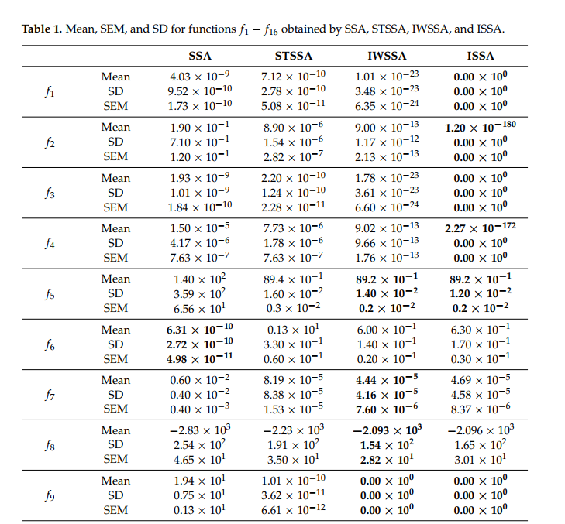
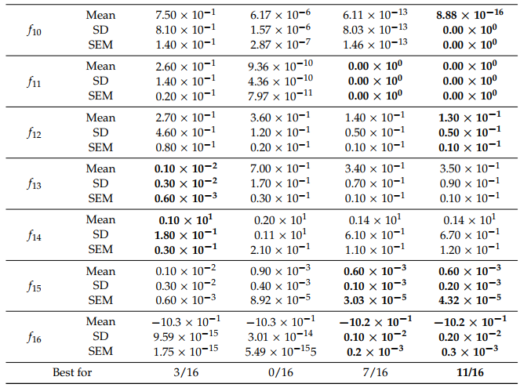
Mean | SSA | ISSA | H5N1
F1 | 4.03E-09 | 0.00E+00 | #REF! | #REF! | #REF!
F2 | 1.90E-01 | 1.20E-180 | #REF! | #REF! | #REF!
F3 | 1.93E-09 | 0.00E+00 | #REF! | #REF! | #REF!
F4 | 1.50E-05 | 2.27E-172 | #REF! | #REF! | #REF!
F5 | 1.40E+02 | 8.92E+00 | #REF! | #REF! | #REF!
F6 | 6.31E-10 | 6.30E-01 | #REF! | #REF! | #REF!
F7 | 6.00E-03 | 4.69E-05 | #REF! | #REF! | #REF!
F8 | -2.83E+03 | -2.10E+03 | #REF! | #REF! | #REF!
F9 | 1.91E+01 | 0.00E+00 | #REF! | #REF! | #REF!
F10 | 7.50E-01 | 8.88E-16 | #REF! | #REF! | #REF!
F11 | 2.60E-01 | 0.00E+00 | #REF! | #REF! | #REF!
F12 | 2.70E-01 | 1.30E-01 | #REF! | #REF! | #REF!
F13 | 1.00E-03 | 3.50E-01 | #REF! | #REF! | #REF!
F14 | 1.00E+00 | 1.40E+00 | 0 | 0 | 1
F15 | 1.00E-03 | 6.00E-04 | 0 | 0 | 1
F16 | -1.03E+00 | -1.02E+00 | 0 | -1.03 | 0
Total | 1/16 | 5/16 | 16/16 |  | 2

multi-objective
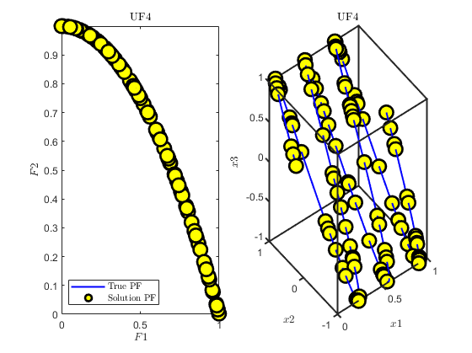
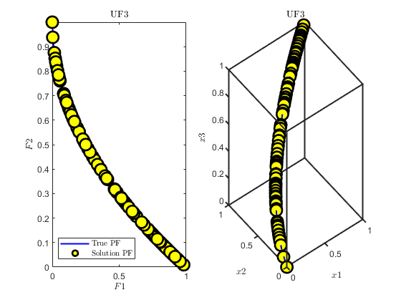
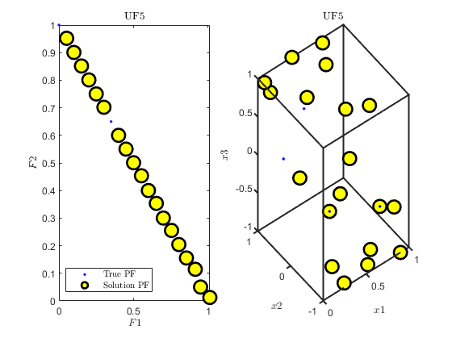
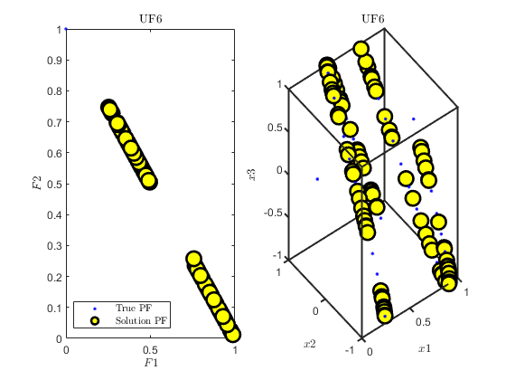
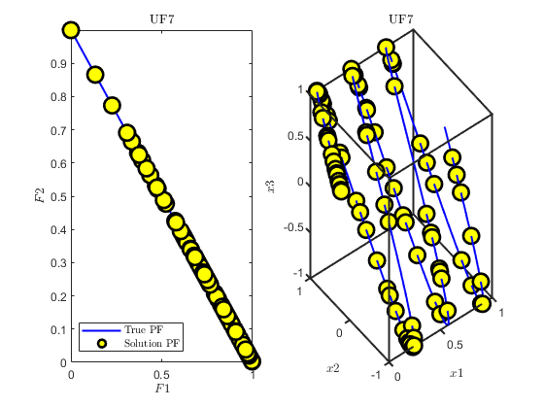
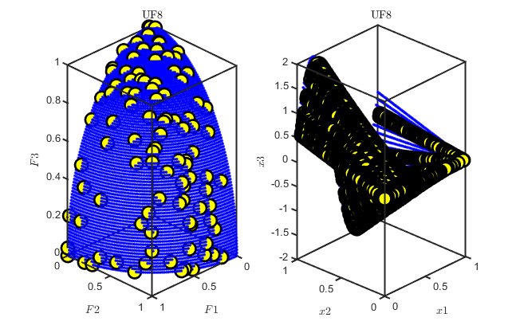
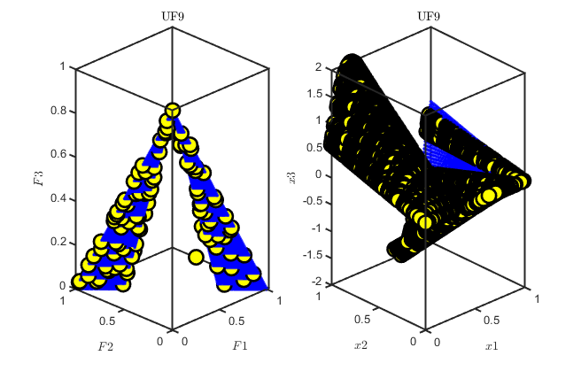
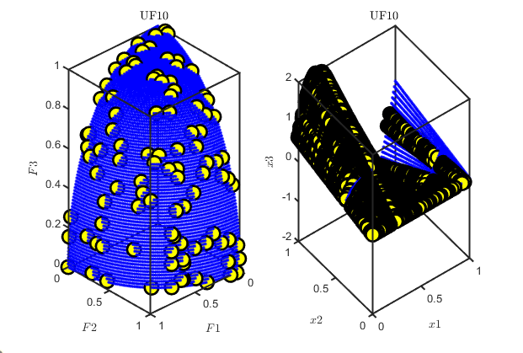
MH5N1 | Best | Median | Worst | Average | STD | SEM
ZDT1 | 1.04E-03 | 1.30E-03 | 2.26E-03 | 1.41E-03 | 6.28E-04 | 1.15E-04
ZDT2 | 8.77E-04 | 1.14E-02 | 7.34E-02 | 3.37E-02 | 7.14E-01 | 1.30E-01
ZDT3 | 2.42E-02 | 2.47E-02 | 2.59E-02 | 2.49E-02 | 3.61E-04 | 6.60E-05
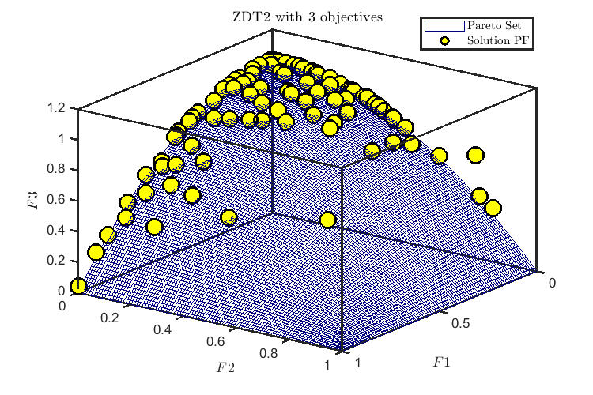
ZDT1 with | 9.38E-04 | 1.38E-03 | 5.64E-02 | 7.14E-03 | 1.47E-02 | 2.68E-03
ZDT2 with | 5.21E-03 | 7.18E-03 | 9.84E-03 | 7.04E-03 | 1.63E-03 | 2.97E-04

ZDT1 | 8.58E-04 | 1.33E-03 | 3.21E-02 | 8.04E-03 | 8.49E-03 | 1.55E-03
ZDT2 | 3.11E-02 | 1.16E-01 | 2.00E-01 | 1.26E-01 | 4.87E-02 | 8.89E-03
ZDT3 | 2.42E-02 | 2.42E-02 | 3.24E-02 | 2.83E-02 | 5.75E-03 | 4.07E-03
ZDT1 with | 9.73E-04 | 4.35E-02 | 2.15E-01 | 5.35E-02 | 5.31E-02 | 9.69E-03
ZDT2 with | 5.06E-03 | 7.21E-03 | 1.43E-02 | 7.92E-03 | 2.71E-03 | 4.94E-04

NGSA2
'ZDT1' | 6.62E-02 | 9.07E-02 | 1.28E-01 | 9.46E-02 | 1.68E-02 | 3.06E-03
'ZDT2' | 1.26E-01 | 2.17E-01 | 2.59E-01 | 2.17E-01 | 2.43E-02 | 4.44E-03
'ZDT3' | 3.33E-02 | 4.59E-02 | 6.60E-02 | 4.68E-02 | 7.72E-03 | 1.41E-03
'ZDT4' | 8.55E-02 | 1.37E-01 | 1.76E-01 | 1.38E-01 | 2.32E-02 | 4.24E-03
'ZDT5' | 1.90E-02 | 2.74E-02 | 2.94E-02 | 2.62E-02 | 2.96E-03 | 5.40E-04

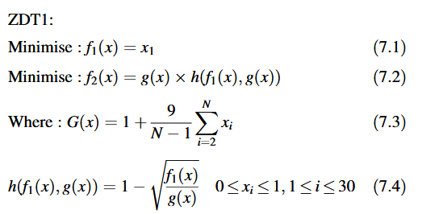
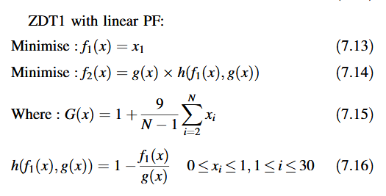

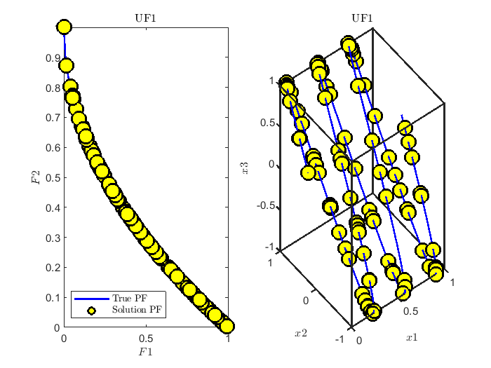
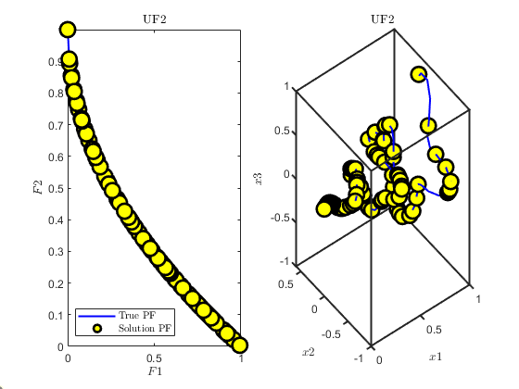
CEC2009
 | Average | Median | STD | Worst | Best | SEM
'UF1' | 1.42E-03 | 1.42E-03 | 1.30E-04 | 1.60E-03 | 1.14E-03 | 2.38E-05
'UF2' | 1.35E-03 | 1.33E-03 | 1.86E-04 | 1.75E-03 | 9.79E-04 | 3.40E-05
'UF3' | 1.47E-03 | 1.48E-03 | 1.78E-04 | 1.89E-03 | 1.07E-03 | 3.25E-05
'UF4' | 1.39E-03 | 1.39E-03 | 1.28E-04 | 1.63E-03 | 1.10E-03 | 2.33E-05
'UF5' | 1.21E-01 | 1.21E-01 | 0.00E+00 | 1.21E-01 | 1.21E-01 | 0.00E+00
'UF6' | 7.38E-02 | 7.38E-02 | 3.04E-05 | 7.39E-02 | 7.37E-02 | 5.55E-06
'UF7' | 8.74E-04 | 8.44E-04 | 1.10E-04 | 1.11E-03 | 6.71E-04 | 2.02E-05
'UF8' | 1.11E-02 | 1.11E-02 | 7.61E-05 | 1.14E-02 | 1.10E-02 | 1.39E-05
'UF9' | 1.21E-02 | 1.20E-02 | 3.03E-04 | 1.27E-02 | 1.16E-02 | 5.54E-05
'UF10' | 1.11E-02 | 1.11E-02 | 7.93E-05 | 1.13E-02 | 1.10E-02 | 1.45E-05

