Sheet1
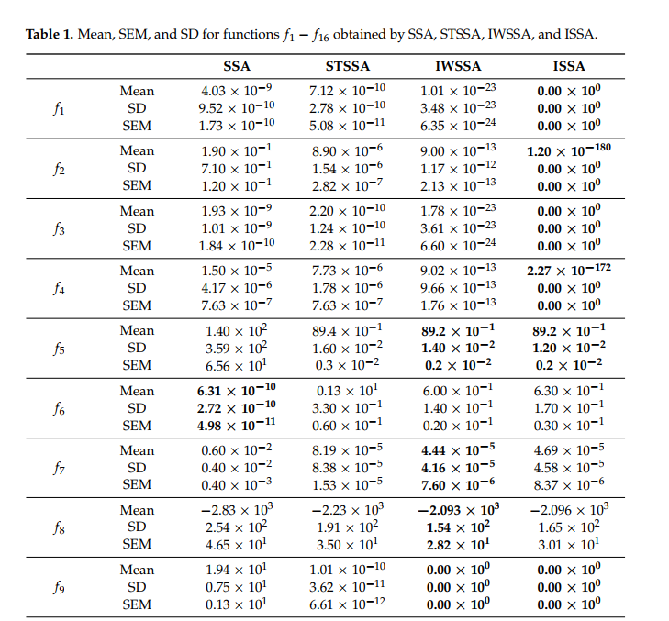
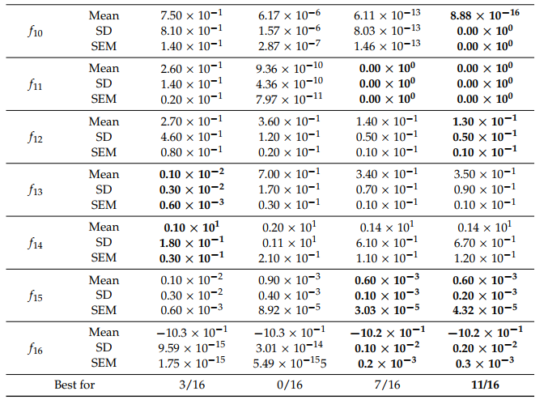
Mean | SSA | ISSA | H5N1
F1 | 4.03E-09 | 0.00E+00 | #REF! | #REF! | #REF!
F2 | 1.90E-01 | 1.20E-180 | #REF! | #REF! | #REF!
F3 | 1.93E-09 | 0.00E+00 | #REF! | #REF! | #REF!
F4 | 1.50E-05 | 2.27E-172 | #REF! | #REF! | #REF!
F5 | 1.40E+02 | 8.92E+00 | #REF! | #REF! | #REF!
F6 | 6.31E-10 | 6.30E-01 | #REF! | #REF! | #REF!
F7 | 6.00E-03 | 4.69E-05 | #REF! | #REF! | #REF!
F8 | -2.83E+03 | -2.10E+03 | #REF! | #REF! | #REF!
F9 | 1.91E+01 | 0.00E+00 | #REF! | #REF! | #REF!
F10 | 7.50E-01 | 8.88E-16 | #REF! | #REF! | #REF!
F11 | 2.60E-01 | 0.00E+00 | #REF! | #REF! | #REF!
F12 | 2.70E-01 | 1.30E-01 | #REF! | #REF! | #REF!
F13 | 1.00E-03 | 3.50E-01 | #REF! | #REF! | #REF!
F14 | 1.00E+00 | 1.40E+00 | 0 | 0 | 1
F15 | 1.00E-03 | 6.00E-04 | 0 | 0 | 1
F16 | -1.03E+00 | -1.02E+00 | 0 | -1.03 | 0
Total | 1/16 | 5/16 | 16/16 |  | 2

multi-objective
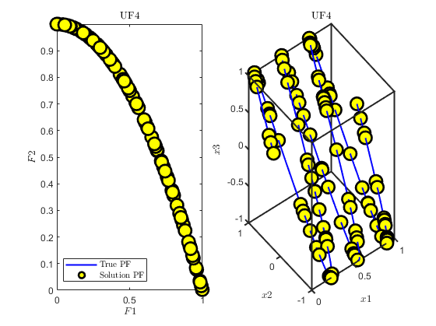
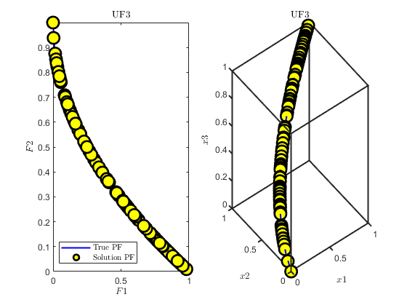
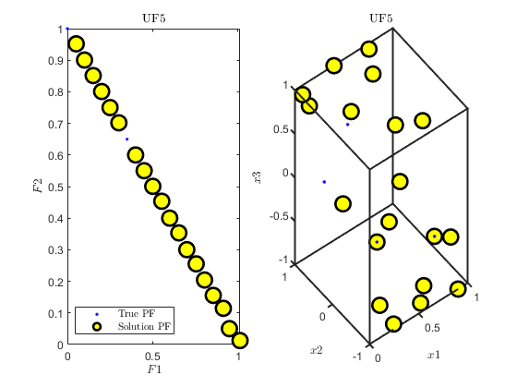
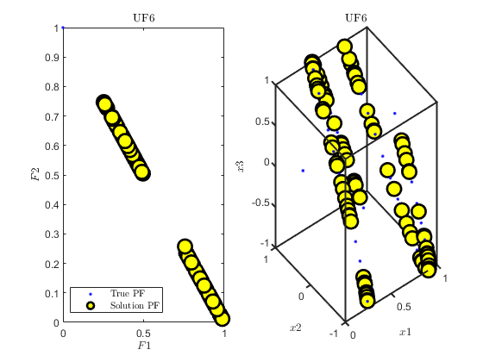
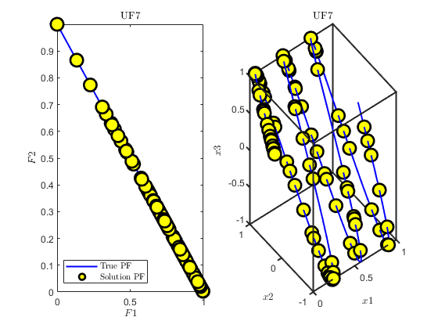
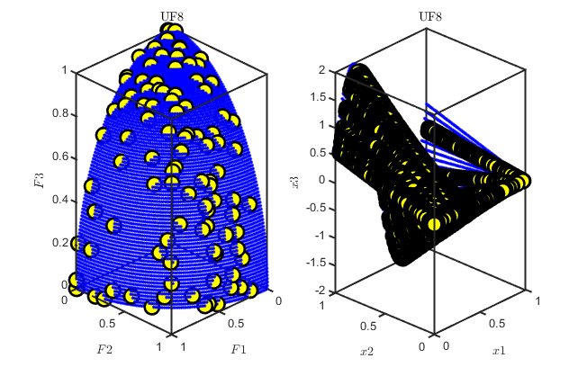
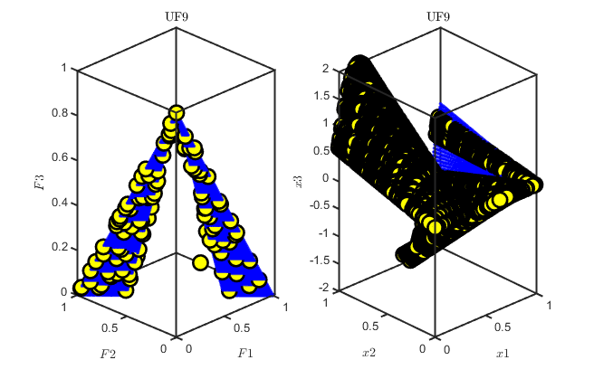
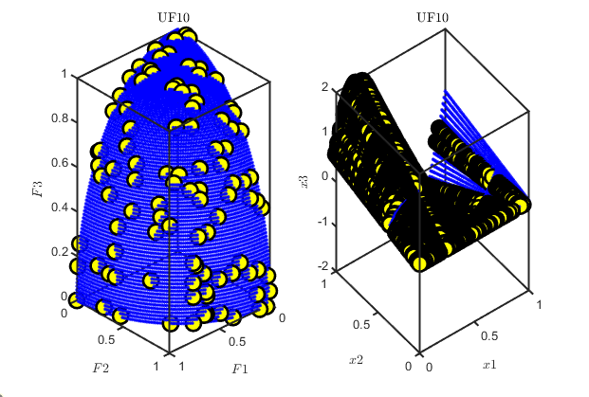
 | Best | Median | Worst | Average | STD | SEM
ZDT1 | 1.47E-03 | 3.68E-03 | 1.22E-03 | 8.84E-04 | 6.28E-04 | 1.15E-04
ZDT2 | 7.12E-01 | 1.41E+00 | 6.07E-02 | 1.26E-03 | 7.14E-01 | 1.30E-01
ZDT3 | 2.48E-02 | 2.59E-02 | 2.48E-02 | 2.41E-02 | 3.61E-04 | 6.60E-05
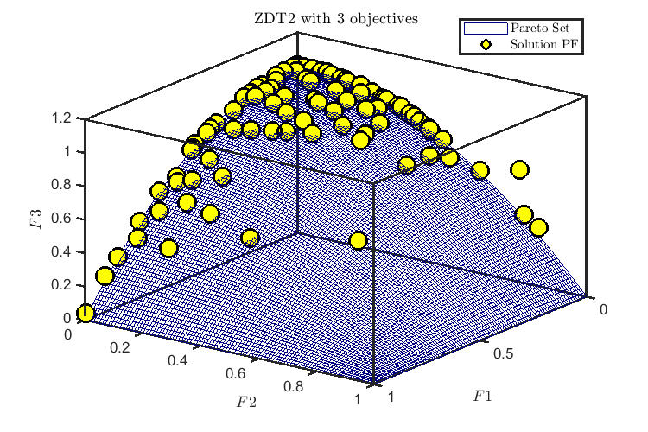
ZDT1 with | 0.0014185524156 | 0.0021708054818 | 0.055907709433 | 0.0095362603225 | 0.014691721136 | 0.0026823290249
ZDT2 with | 0.010689912939 | 0.013382995901 | 0.016457472543 | 0.013497121179 | 0.0016274214271 | 0.00029712514207

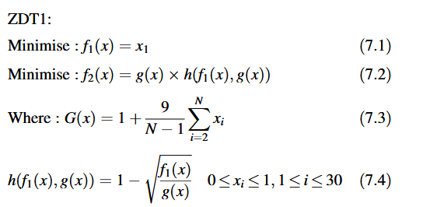

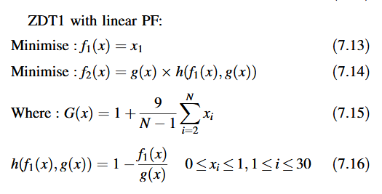

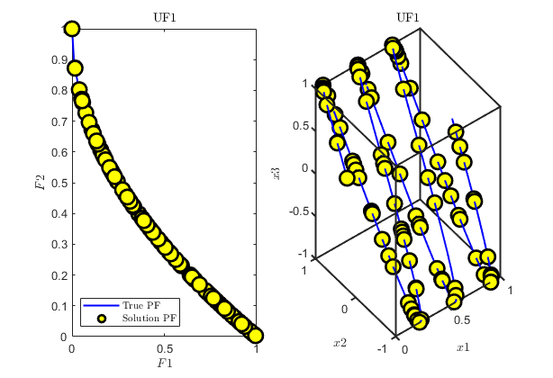
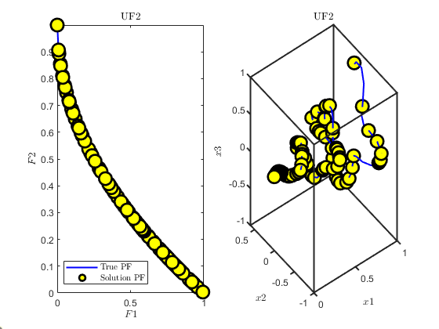
CEC2009
 | Best | Median | Worst | Average | STD | SEM
'UF1' | 0.0011381583807 | 0.0014160779005 | 0.0015999798368 | 0.0014171178567 | 0.00013016022626 | 2.38E-05
'UF2' | 0.00097901876309 | 0.0013331528922 | 0.0017509051308 | 0.0013544085709 | 0.00018612726242 | 3.40E-05
'UF3' | 0.0010712834597 | 0.0014760397626 | 0.0018860890756 | 0.0014655792667 | 0.0001779612588 | 3.25E-05
'UF4' | 0.0011034560494 | 0.0013883238982 | 0.001627465139 | 0.0013898256495 | 0.00012754327007 | 2.33E-05
'UF5' | 0.12059606779 | 0.12059606779 | 0.12059606779 | 0.12059606779 | 0 | 0
'UF6' | 0.073735043426 | 0.073800988104 | 0.073865281739 | 0.073810942702 | 3.04E-05 | 5.55E-06
'UF7' | 0.00067090649785 | 0.0008435956027 | 0.0011112241689 | 0.00087424309967 | 0.00011037264057 | 2.02E-05
'UF8' | 0.011033850629 | 0.011101411412 | 0.011364618175 | 0.011125799378 | 7.61E-05 | 1.39E-05
'UF9' | 0.01158757716 | 0.012022967769 | 0.012699028078 | 0.012050660811 | 0.00030330310402 | 5.54E-05
'UF10' | 0.011034688406 | 0.011084157087 | 0.011319992251 | 0.011111128847 | 7.93E-05 | 1.45E-05

